Strut loads
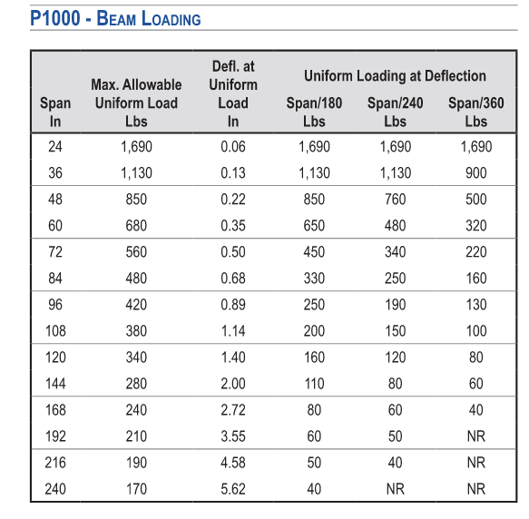
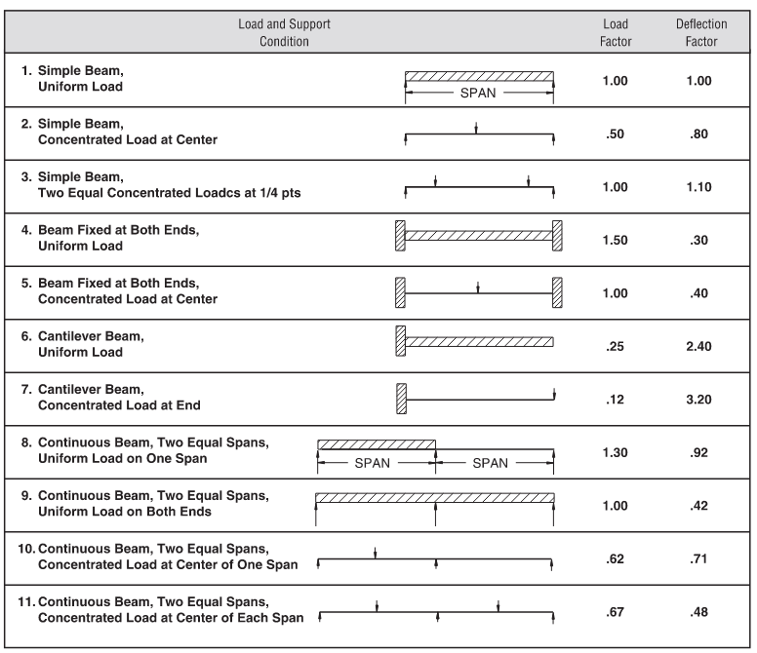
Mult by.85
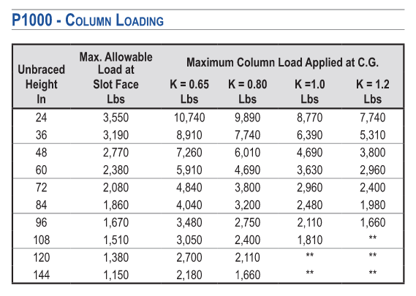
Strut type | Beam span | Max Beam Load | Max Beam Load (Mult by 0.85) | OldMax beam load | Strut type | Column Height (inches) | Max column load | Old Max Column Load
A12 | 18 | 1690 | 1436.5 | 2256 | A12 | 18 | 3550 | 9481 |  | A12
A12A | 18 | 3500 | 2975 | 6289 | A12 | 24 | 3550 | 8582
E12 | 18 | 3500 | 2975 | 7111 | A12 | 30 | 3190 | 7601
A12 | 24 | 1690 | 1436.5 | 1692 | A12 | 36 | 3190 | 6595
A12A | 24 | 3500 | 2975 | 4717 | A12 | 42 | 2770 | 5595
E12 | 24 | 3500 | 2975 | 5333 | A12 | 48 | 2770 | 4718
A12 | 30 | 1130 | 960.5 | 1353 | A12 | 54 | 2380 | 4090
A12A | 30 | 3190 | 2711.5 | 3773 | A12 | 60 | 2380 | 3616
E12 | 30 | 3190 | 2711.5 | 4267 | A12 | 72 | 2080 | 2936
A12 | 36 | 1130 | 960.5 | 1128 | A12 | 84 | 1860 | 2461 | 18
A12A | 36 | 3190 | 2711.5 | 3144 | A12 | 96 | 1670 | 2101
E12 | 36 | 3190 | 2711.5 | 3556 | A12 | 108 | 1510 | 1816
A12 | 42 | 850 | 722.5 | 967 | A12 | 120 | 1380 | 1583 | 1
A12A | 42 | 2390 | 2031.5 | 2695 | A12A | 18 | 6430
E12 | 42 | 2390 | 2031.5 | 3048 | A12A | 24 | 6430
A12 | 48 | 850 | 722.5 | 757 | A12A | 30 | 6290
A12A | 48 | 2390 | 2031.5 | 2358 | A12A | 36 | 6290
E12 | 48 | 2390 | 2031.5 | 2667 | A12A | 42 | 6160
A12 | 54 | 680 | 578 | 598 | A12A | 48 | 6160
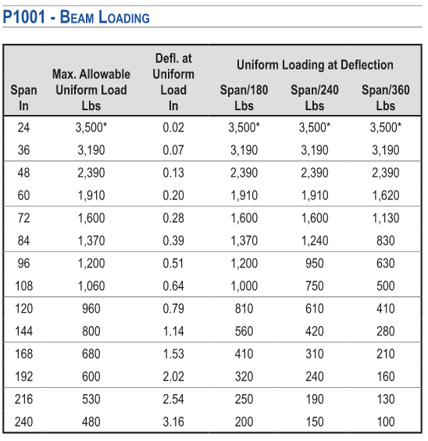
A12A | 54 | 1910 | 1623.5 | 2096 | A12A | 54 | 6000 |  |  | A12A
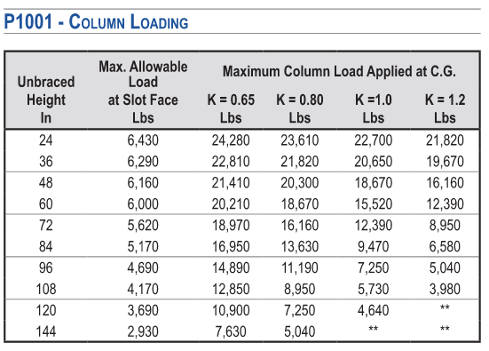
E12 | 54 | 1910 | 1623.5 | 2370 | A12A | 60 | 6000
Mult by.85
A12 | 60 | 680 | 578 | 485 | A12A | 72 | 5620
A12A | 60 | 1910 | 1623.5 | 1887 | A12A | 84 | 5170
E12 | 60 | 1910 | 1623.5 | 2133 | A12A | 96 | 4690
A12 | 72 | 560 | 476 | 337 | A12A | 108 | 4170
A12A | 72 | 1600 | 1360 | 1572 | A12A | 120 | 3690
E12 | 72 | 1600 | 1360 | 1778
A12 | 84 | 480 | 408 | 247 | 18 | 18 | 3550
A12A | 84 | 1370 | 1164.5 | 1210
E12 | 84 | 1370 | 1164.5 | 1461
A12 | 96 | 420 | 357 | 189
A12A | 96 | 1200 | 1020 | 926
E12 | 96 | 1200 | 1020 | 1119
A12 | 108 | 380 | 323 | 150
A12A | 108 | 1060 | 901 | 732 |  |  |  |  |  |  | Use T series
E12 | 108 | 1060 | 901 | 884
A12 | 120 | 340 | 289 | 121
A12A | 120 | 960 | 816 | 593
E12 | 120 | 960 | 816 | 716
12 | 18 |  | 1436.5

