List of Parts
Fasteners & Structural Attachment |  |  |  |  |  | 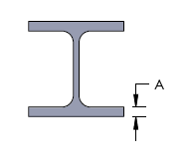 |  | STEEL |  |  |  |  |  |  | CONCRETE |  |  |  | WOOD |  |  |  | OTHERS |  |  |  | Comments |  |  | Service
 |  |  |  |  |  |  |  |  |  |  |  |  |  |  |  |  |  |  |  |  |  |  |  |  |  |  |  |  |  |  | Range is 1-2-3 | Range is 16-20-25-32-40-50-60
PART NUMBER | ARTICLE NUMBER | REMARK | REPLACEMENT/ ALTERNATIVE | DESCRIPTION | # of structures | Flange Thickness min [mm] | Flange Thickness max [mm] | I-Beam | C-Purlin | Z-Purlin | Roof Decking | Composite Deck | Studwall | Acoustic Ceiling | Beam | Composite Deck | Slab | Wall | Beam | Decking | Wall | Studwall | Sandwitch Wall | Pipe | Metal framing | Rod | To be displayed on the screen whrn item is selected | WEBLINK | Should be in the Product Selector? [Y/N] | OK to Support Conduits? [Y/N] | How many Conduits? | Min Conduit Diameter [DN] | Max Conduit Diameter [DN] | Primary Conduit Material | Secondary Conduit Material | Load Rating [N] | Installation Orientation | Special Requirement - Closing Mechanism | Notes | OK to Support Cables? [Y/N] | How many Cables? | Cable Diameter min | Cable Diameter max | Load Rating | Installation Orientation | Special Requirement - Fire Rating [Y/N] | Comment | Product proposal | Produkt needed | OK to Support Threaded Rods? [Y/N] | Threaded Rod Size | Threaded Rod Material | Load Rating [N] | Comment | OK to Support Metal Framings? [Y/N] | Metal Framing Type | Metal Framing Material / Finish | Load Rating [N] | OK to Support Cable Path? [Y/N] | Max. width [mm] | OK to Support Wire/Chain? [Y/N] | Load Rating [N] | OK to Support E-Box? [Y/N] | Special Requirement - Certification | corrected Special Requirement - Certification
...

Table for reference
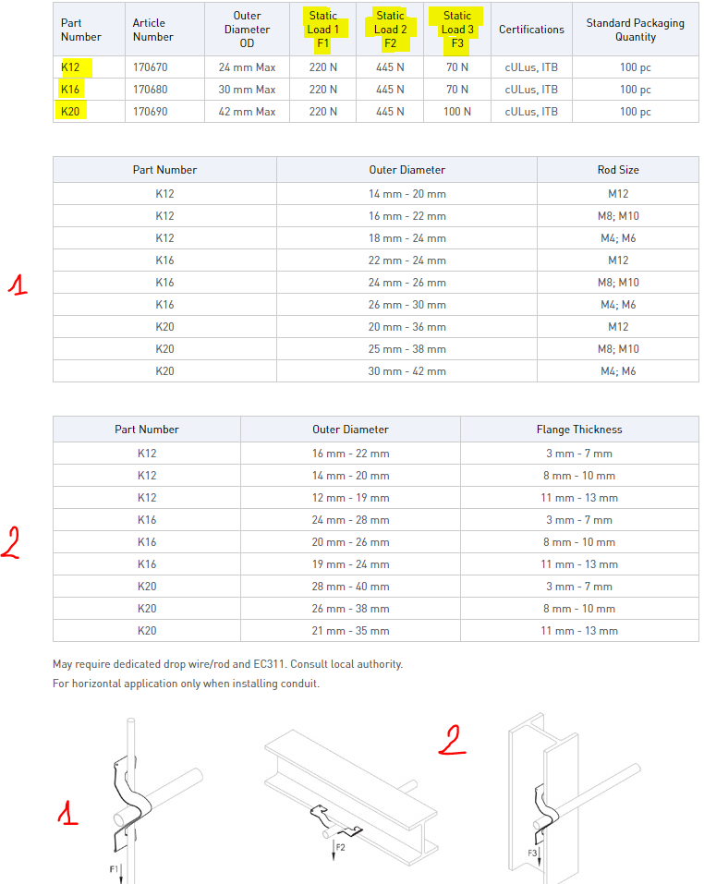
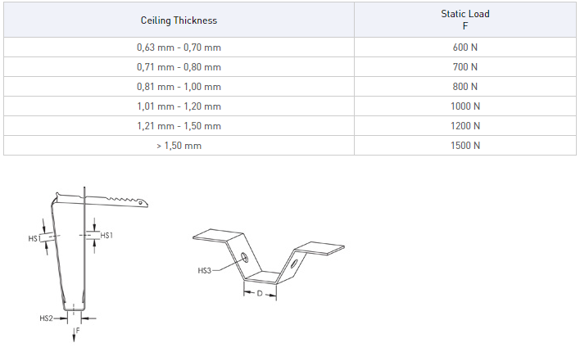
0

 | 3

Sheet1
 | Column1 |  | Column1
 | Snap |  | Ceiling
 | Snap-Close |  | Wall
 | Push-In
 | Clip-on
 | Bolt-Close
 | Zip-Tie (included)
 | Zip-Tie (not included)

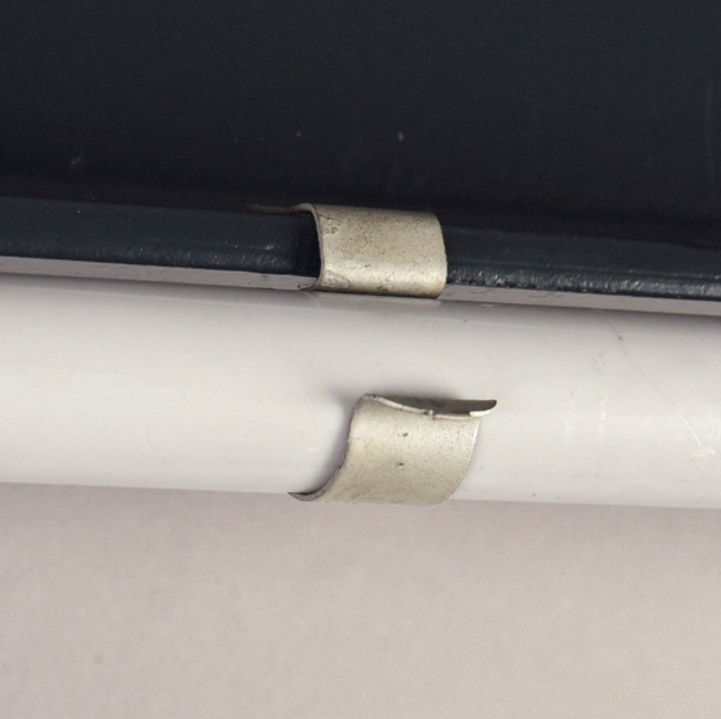
0 degrees |  | Parallel / Colinar to the structure - Cannot be rotated

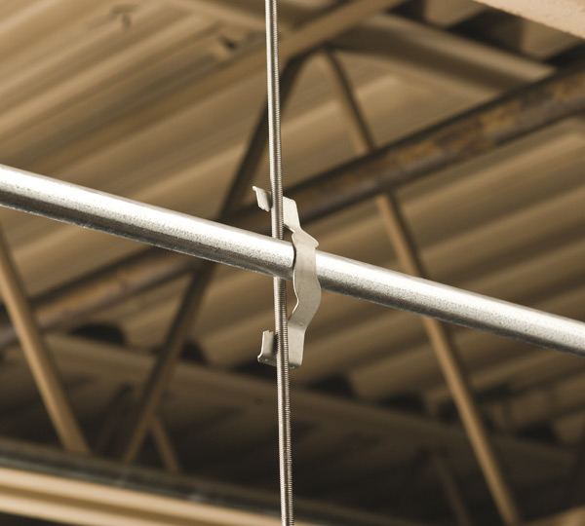

90 degrees |  | Perpendicular to the structure - Cannot be rotated

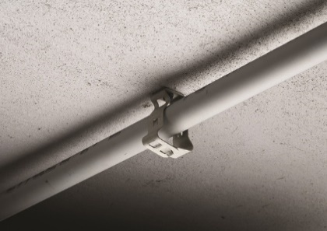
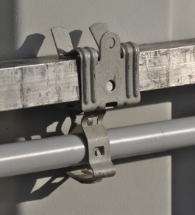
360 degrees |  |  |  | Can be rotated 360 degrees compared to the structure

Reference
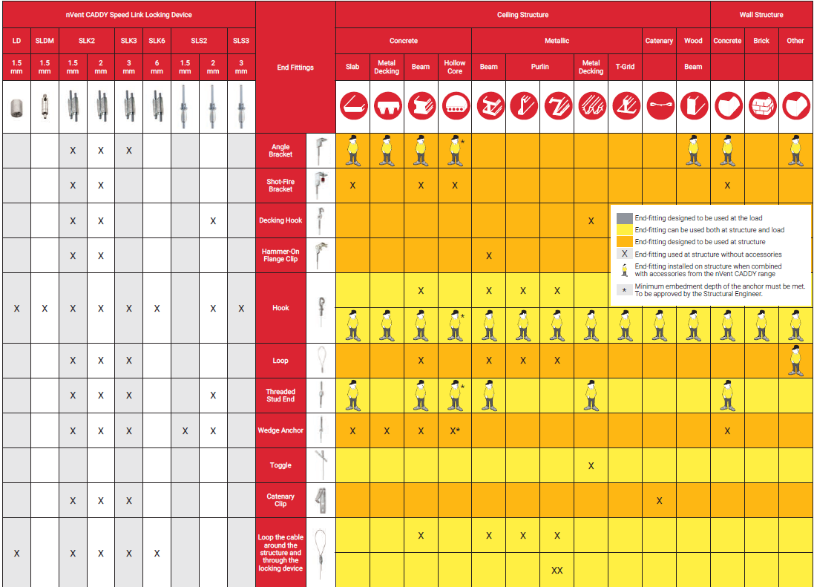
Website:
https://www.mcmaster.com/
https://www.nexans.co.nz/eservice/NewZealand-en_NZ/navigate_335611/Nexans_EASYCALC.html
https://svt-global.com/productguide
https://www.lindapter.com/application-category/girder-clamps
https://www.lindapter.com/girder-clamp-configurator
https://www.lindapter.com/hollo-bolt-selector

nVent CADDY Literrature:
http://ericat.erico.com/literature/FM1161B-UKEN.pdf

