ConduitTable
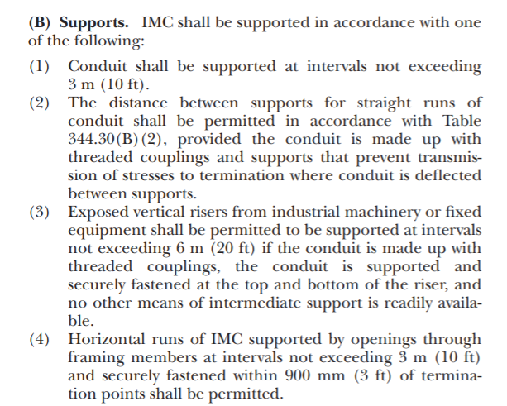
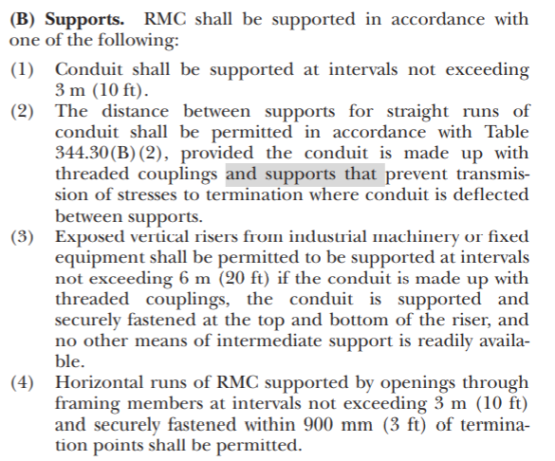
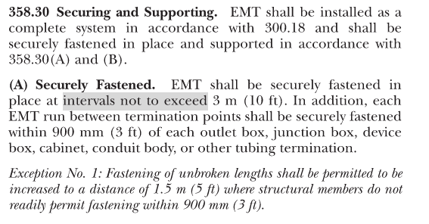
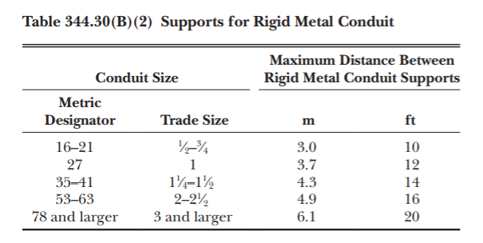
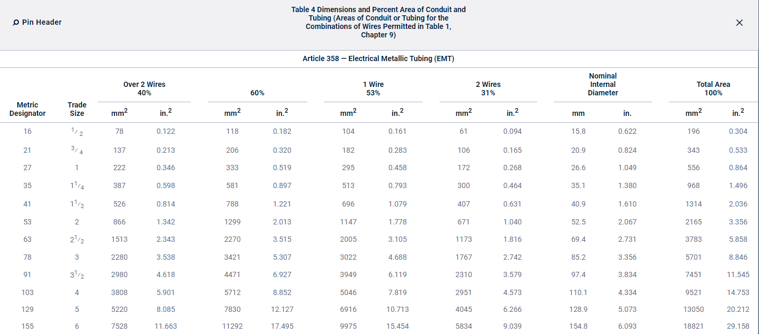
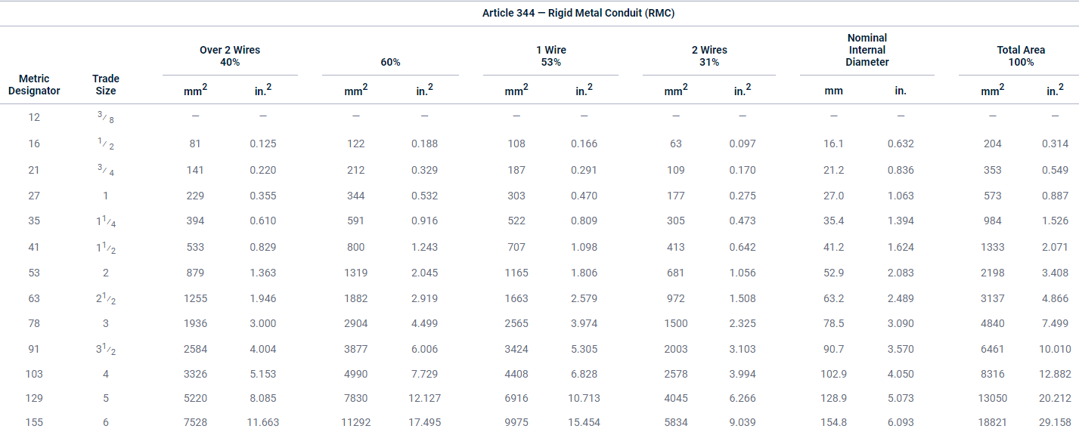

Copper Density | 559 | lb/ft^3
Fill % | 53% |  | Max Fill% for Single Wire

ConduitSize | ConduitMaterial | Empty Weight/Ft | Conduit ID | Conduit ID Area (in^2) | Conduit ID Area (ft^2) | 100% Wire Weight/ft | Fill% Wire Weight/ft | Total Weight/ft | Dimensional Reference | ConduitSize | ConduitMaterial | Max Support Spacing | Max Support Spacing Reference
0.5 | Electrical Metallic Tubing (EMT) | 0.3 | 0.622 | 0.30385798305 | 0.0021101248823 | 1.1795598092 | 0.62516669887 | 0.92516669887 | Per NFPA 70 NEC - 2017 Article 358 | 0.5 | Electrical Metallic Tubing (EMT) | 10 | Per NFPA 70 NEC - 2017 Section 358.30
0.75 | Electrical Metallic Tubing (EMT) | 0.46 | 0.824 | 0.53326650339 | 0.0037032396069 | 2.0701109402 | 1.0971587983 | 1.5571587983 | Per NFPA 70 NEC - 2017 Article 358 | 0.75 | Electrical Metallic Tubing (EMT) | 10 | Per NFPA 70 NEC - 2017 Section 358.30
1 | Electrical Metallic Tubing (EMT) | 0.67 | 1.049 | 0.8642529244 | 0.0060017564194 | 3.3549818385 | 1.7781403744 | 2.4481403744 | Per NFPA 70 NEC - 2017 Article 358 | 1 | Electrical Metallic Tubing (EMT) | 10 | Per NFPA 70 NEC - 2017 Section 358.30
1.25 | Electrical Metallic Tubing (EMT) | 0.101 | 1.38 | 1.4957122624 | 0.010386890711 | 5.8062719074 | 3.0773241109 | 3.1783241109 | Per NFPA 70 NEC - 2017 Article 358 | 1.25 | Electrical Metallic Tubing (EMT) | 10 | Per NFPA 70 NEC - 2017 Section 358.30
1.5 | Electrical Metallic Tubing (EMT) | 0.116 | 1.61 | 2.0358305793 | 0.014137712357 | 7.9029812073 | 4.1885800399 | 4.3045800399 | Per NFPA 70 NEC - 2017 Article 358 | 1.5 | Electrical Metallic Tubing (EMT) | 10 | Per NFPA 70 NEC - 2017 Section 358.30
2 | Electrical Metallic Tubing (EMT) | 0.148 | 2.067 | 3.3556050137 | 0.023302812595 | 13.026272241 | 6.9039242876 | 7.0519242876 | Per NFPA 70 NEC - 2017 Article 358 | 2 | Electrical Metallic Tubing (EMT) | 10 | Per NFPA 70 NEC - 2017 Section 358.30
2.5 | Electrical Metallic Tubing (EMT) | 0.216 | 2.731 | 5.8577830314 | 0.040679048829 | 22.739588295 | 12.051981797 | 12.267981797 | Per NFPA 70 NEC - 2017 Article 358 | 2.5 | Electrical Metallic Tubing (EMT) | 10 | Per NFPA 70 NEC - 2017 Section 358.30
3 | Electrical Metallic Tubing (EMT) | 0.263 | 3.356 | 8.8457321692 | 0.06142869562 | 34.338640851 | 18.199479651 | 18.462479651 | Per NFPA 70 NEC - 2017 Article 358 | 3 | Electrical Metallic Tubing (EMT) | 10 | Per NFPA 70 NEC - 2017 Section 358.30
3.5 | Electrical Metallic Tubing (EMT) | 0.349 | 3.834 | 11.545004285 | 0.080173640869 | 44.817065246 | 23.75304458 | 24.10204458 | Per NFPA 70 NEC - 2017 Article 358 | 3.5 | Electrical Metallic Tubing (EMT) | 10 | Per NFPA 70 NEC - 2017 Section 358.30
4 | Electrical Metallic Tubing (EMT) | 0.393 | 4.334 | 14.752570384 | 0.10244840545 | 57.268658645 | 30.352389082 | 30.745389082 | Per NFPA 70 NEC - 2017 Article 358 | 4 | Electrical Metallic Tubing (EMT) | 10 | Per NFPA 70 NEC - 2017 Section 358.30
0.5 | Rigid Metal Conduit (RMC) | 0.82 | 0.632 | 0.31370687602 | 0.0021785199723 | 1.2177926645 | 0.6454301122 | 1.4654301122 | Per NFPA 70 NEC - 2017 Article 344 | 0.5 | Rigid Metal Conduit (RMC) | 10 | Per NFPA 70 NEC - 2017 Table 344.30(B)(2)
0.75 | Rigid Metal Conduit (RMC) | 0.109 | 0.836 | 0.54891163481 | 0.0038118863528 | 2.1308444712 | 1.1293475697 | 1.2383475697 | Per NFPA 70 NEC - 2017 Article 344 | 0.75 | Rigid Metal Conduit (RMC) | 10 | Per NFPA 70 NEC - 2017 Table 344.30(B)(2)
1 | Rigid Metal Conduit (RMC) | 0.161 | 1.063 | 0.8874755773 | 0.0061630248423 | 3.4451308869 | 1.82591937 | 1.98691937 | Per NFPA 70 NEC - 2017 Article 344 | 1 | Rigid Metal Conduit (RMC) | 12 | Per NFPA 70 NEC - 2017 Table 344.30(B)(2)
1.25 | Rigid Metal Conduit (RMC) | 0.218 | 1.394 | 1.5262139854 | 0.010598708232 | 5.9246779018 | 3.140079288 | 3.358079288 | Per NFPA 70 NEC - 2017 Article 344 | 1.25 | Rigid Metal Conduit (RMC) | 14 | Per NFPA 70 NEC - 2017 Table 344.30(B)(2)
1.5 | Rigid Metal Conduit (RMC) | 0.263 | 1.624 | 2.0713902666 | 0.014384654629 | 8.0410219377 | 4.261741627 | 4.524741627 | Per NFPA 70 NEC - 2017 Article 344 | 1.5 | Rigid Metal Conduit (RMC) | 14 | Per NFPA 70 NEC - 2017 Table 344.30(B)(2)
2 | Rigid Metal Conduit (RMC) | 0.35 | 2.083 | 3.4077554518 | 0.023664968415 | 13.228717344 | 7.0112201924 | 7.3612201924 | Per NFPA 70 NEC - 2017 Article 344 | 2 | Rigid Metal Conduit (RMC) | 16 | Per NFPA 70 NEC - 2017 Table 344.30(B)(2)
2.5 | Rigid Metal Conduit (RMC) | 0.559 | 2.489 | 4.8656366554 | 0.03378914344 | 18.888131183 | 10.010709527 | 10.569709527 | Per NFPA 70 NEC - 2017 Article 344 | 2.5 | Rigid Metal Conduit (RMC) | 16 | Per NFPA 70 NEC - 2017 Table 344.30(B)(2)
3 | Rigid Metal Conduit (RMC) | 0.727 | 3.09 | 7.4990602039 | 0.052076806972 | 29.110935097 | 15.428795602 | 16.155795602 | Per NFPA 70 NEC - 2017 Article 344 | 3 | Rigid Metal Conduit (RMC) | 20 | Per NFPA 70 NEC - 2017 Table 344.30(B)(2)
3.5 | Rigid Metal Conduit (RMC) | 0.88 | 3.57 | 10.009821053 | 0.069512646199 | 38.857569225 | 20.594511689 | 21.474511689 | Per NFPA 70 NEC - 2017 Article 344 | 3.5 | Rigid Metal Conduit (RMC) | 20 | Per NFPA 70 NEC - 2017 Table 344.30(B)(2)
4 | Rigid Metal Conduit (RMC) | 1.03 | 4.05 | 12.882493375 | 0.089461759549 | 50.009123588 | 26.504835502 | 27.534835502 | Per NFPA 70 NEC - 2017 Article 344 | 4 | Rigid Metal Conduit (RMC) | 20 | Per NFPA 70 NEC - 2017 Table 344.30(B)(2)
0.5 | Intermediate Metal Conduit (IMC) | 0.62 | 0.66 | 0.34211943998 | 0.0023758294443 | 1.3280886594 | 0.70388698946 | 1.3238869895 | Per NFPA 70 NEC - 2017 Article 342 | 0.5 | Intermediate Metal Conduit (IMC) | 10 | Per NFPA 70 NEC - 2017 Table 344.30(B)(2)
0.75 | Intermediate Metal Conduit (IMC) | 0.84 | 0.864 | 0.58629658738 | 0.0040715040791 | 2.2759707802 | 1.2062645135 | 2.0462645135 | Per NFPA 70 NEC - 2017 Article 342 | 0.75 | Intermediate Metal Conduit (IMC) | 10 | Per NFPA 70 NEC - 2017 Table 344.30(B)(2)
1 | Intermediate Metal Conduit (IMC) | 0.119 | 1.105 | 0.95899079246 | 0.006659658281 | 3.7227489791 | 1.9730569589 | 2.0920569589 | Per NFPA 70 NEC - 2017 Article 342 | 1 | Intermediate Metal Conduit (IMC) | 12 | Per NFPA 70 NEC - 2017 Table 344.30(B)(2)
1.25 | Intermediate Metal Conduit (IMC) | 0.158 | 1.448 | 1.6467474708 | 0.011435746325 | 6.3925821956 | 3.3880685637 | 3.5460685637 | Per NFPA 70 NEC - 2017 Article 342 | 1.25 | Intermediate Metal Conduit (IMC) | 14 | Per NFPA 70 NEC - 2017 Table 344.30(B)(2)
1.5 | Intermediate Metal Conduit (IMC) | 0.194 | 1.683 | 2.2246316584 | 0.015448830961 | 8.6358965074 | 4.5770251489 | 4.7710251489 | Per NFPA 70 NEC - 2017 Article 342 | 1.5 | Intermediate Metal Conduit (IMC) | 14 | Per NFPA 70 NEC - 2017 Table 344.30(B)(2)
2 | Intermediate Metal Conduit (IMC) | 0.256 | 2.15 | 3.6305030103 | 0.02521182646 | 14.093410991 | 7.4695078254 | 7.7255078254 | Per NFPA 70 NEC - 2017 Article 342 | 2 | Intermediate Metal Conduit (IMC) | 16 | Per NFPA 70 NEC - 2017 Table 344.30(B)(2)
2.5 | Intermediate Metal Conduit (IMC) | 0.441 | 2.557 | 5.1351287564 | 0.035660616364 | 19.934284548 | 10.56517081 | 11.00617081 | Per NFPA 70 NEC - 2017 Article 342 | 2.5 | Intermediate Metal Conduit (IMC) | 16 | Per NFPA 70 NEC - 2017 Table 344.30(B)(2)
3 | Intermediate Metal Conduit (IMC) | 0.543 | 3.176 | 7.9222924246 | 0.055015919616 | 30.753899065 | 16.299566504 | 16.842566504 | Per NFPA 70 NEC - 2017 Article 342 | 3 | Intermediate Metal Conduit (IMC) | 20 | Per NFPA 70 NEC - 2017 Table 344.30(B)(2)
3.5 | Intermediate Metal Conduit (IMC) | 0.629 | 3.671 | 10.584214931 | 0.073501492576 | 41.08733435 | 21.776287205 | 22.405287205 | Per NFPA 70 NEC - 2017 Article 342 | 3.5 | Intermediate Metal Conduit (IMC) | 20 | Per NFPA 70 NEC - 2017 Table 344.30(B)(2)
4 | Intermediate Metal Conduit (IMC) | 0.7 | 4.166 | 13.631021807 | 0.094659873661 | 52.914869376 | 28.044880769 | 28.744880769 | Per NFPA 70 NEC - 2017 Article 342 | 4 | Intermediate Metal Conduit (IMC) | 20 | Per NFPA 70 NEC - 2017 Table 344.30(B)(2)

 | material | size | Percent Fill | Empty Conduit Weight | 100 Percent Wire Weight | Fill Percent Wire Weight | Total Weight | Max Spacing
Pipe type 1 | Intermediate Metal Conduit (IMC) | 3 | 80 | 0.543 | 30.753899065 | 24.603119252 | 25.146119252 | 20
Pipe type 2 | Rigid Metal Conduit (RMC) | 3 | 80 | 0.727 | 29.110935097 | 23.288748078 | 24.015748078 | 20
 |  |  |  |  |  |  |  | 20

Strut loads
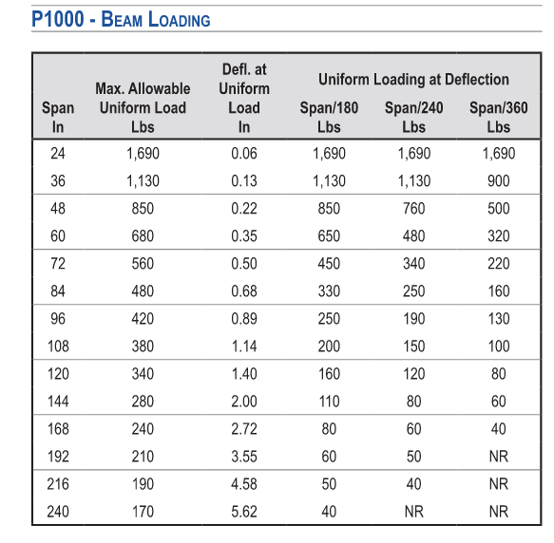
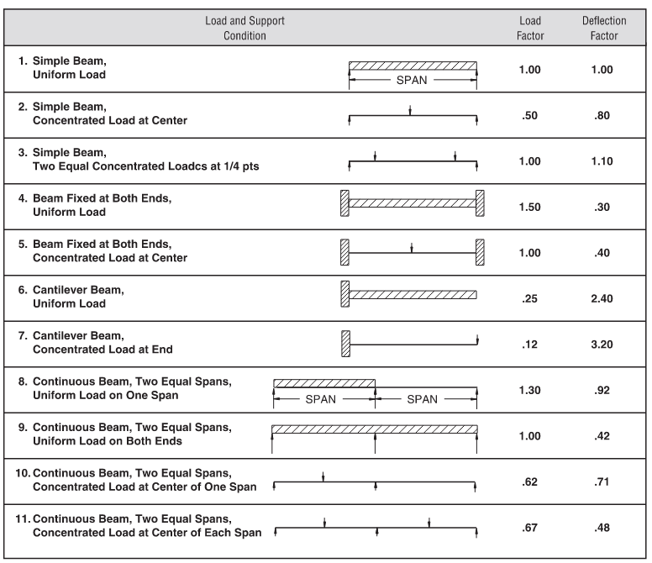
Mult by.85
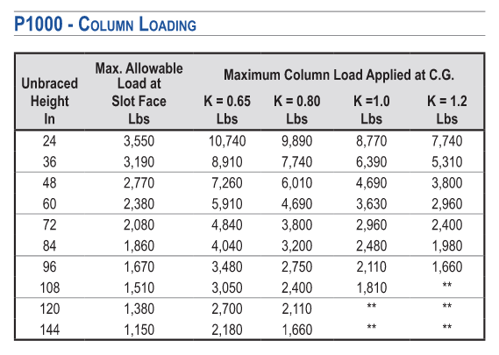
Strut type | Beam span | Max Beam Load | Max Beam Load (Mult by 0.85) | OldMax beam load | Strut type | Column Height (inches) | Max column load | Old Max Column Load
A12 | 18 | 1690 | 1436.5 | 2256 | A12 | 18 | 3550 | 9481 |  | A12
A12A | 18 | 3500 | 2975 | 6289 | A12 | 24 | 3550 | 8582
E12 | 18 | 3500 | 2975 | 7111 | A12 | 30 | 3190 | 7601
A12 | 24 | 1690 | 1436.5 | 1692 | A12 | 36 | 3190 | 6595
A12A | 24 | 3500 | 2975 | 4717 | A12 | 42 | 2770 | 5595
E12 | 24 | 3500 | 2975 | 5333 | A12 | 48 | 2770 | 4718
A12 | 30 | 1130 | 960.5 | 1353 | A12 | 54 | 2380 | 4090
A12A | 30 | 3190 | 2711.5 | 3773 | A12 | 60 | 2380 | 3616
E12 | 30 | 3190 | 2711.5 | 4267 | A12 | 72 | 2080 | 2936
A12 | 36 | 1130 | 960.5 | 1128 | A12 | 84 | 1860 | 2461 | 18
A12A | 36 | 3190 | 2711.5 | 3144 | A12 | 96 | 1670 | 2101
E12 | 36 | 3190 | 2711.5 | 3556 | A12 | 108 | 1510 | 1816
A12 | 42 | 850 | 722.5 | 967 | A12 | 120 | 1380 | 1583 | 1
A12A | 42 | 2390 | 2031.5 | 2695 | A12A | 18 | 6430
E12 | 42 | 2390 | 2031.5 | 3048 | A12A | 24 | 6430
A12 | 48 | 850 | 722.5 | 757 | A12A | 30 | 6290
A12A | 48 | 2390 | 2031.5 | 2358 | A12A | 36 | 6290
E12 | 48 | 2390 | 2031.5 | 2667 | A12A | 42 | 6160
A12 | 54 | 680 | 578 | 598 | A12A | 48 | 6160
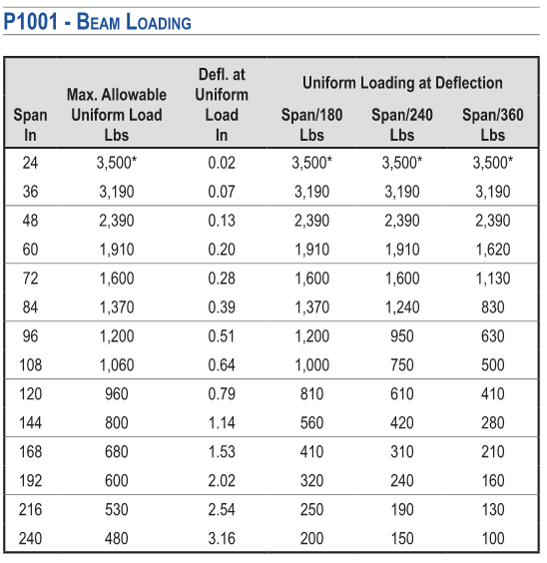
A12A | 54 | 1910 | 1623.5 | 2096 | A12A | 54 | 6000 |  |  | A12A
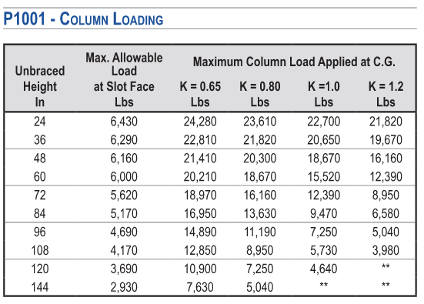
E12 | 54 | 1910 | 1623.5 | 2370 | A12A | 60 | 6000
Mult by.85
A12 | 60 | 680 | 578 | 485 | A12A | 72 | 5620
A12A | 60 | 1910 | 1623.5 | 1887 | A12A | 84 | 5170
E12 | 60 | 1910 | 1623.5 | 2133 | A12A | 96 | 4690
A12 | 72 | 560 | 476 | 337 | A12A | 108 | 4170
A12A | 72 | 1600 | 1360 | 1572 | A12A | 120 | 3690
E12 | 72 | 1600 | 1360 | 1778
A12 | 84 | 480 | 408 | 247 | 12 | 18 | 3550
A12A | 84 | 1370 | 1164.5 | 1210
E12 | 84 | 1370 | 1164.5 | 1461
A12 | 96 | 420 | 357 | 189
A12A | 96 | 1200 | 1020 | 926
E12 | 96 | 1200 | 1020 | 1119
A12 | 108 | 380 | 323 | 150
A12A | 108 | 1060 | 901 | 732 |  |  |  |  |  |  | Use T series
E12 | 108 | 1060 | 901 | 884
A12 | 120 | 340 | 289 | 121
A12A | 120 | 960 | 816 | 593
E12 | 120 | 960 | 816 | 716
51 | 54 |  | 578

