Assets

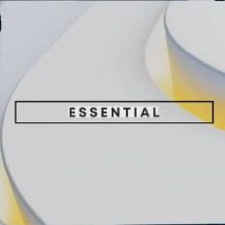
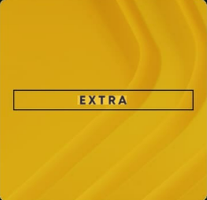
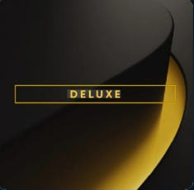
Paleta de Cores

#003087 | PlayStation Color | #E8E6E9 | negative zone
#0072CE | PlayStation Color
#4A9BDD | Menus
#6DBAFC | Menus

Logos |  |  |  | ícones

Dashboard
 | PLAYSTATION SUBSCRIPTIONS SALES

Calculation period: 01/01/2026 - 31/12/2026 | Update date: 25/12/2026 09:00:00

TOTAL SUBSCRIPTIONS ESSENTIAL
TOTAL SUBSCRIPTIONS DELUXE
TOTAL SUBSCRIPTIONS EXTRA
Welcome Camila!

