Sheet1


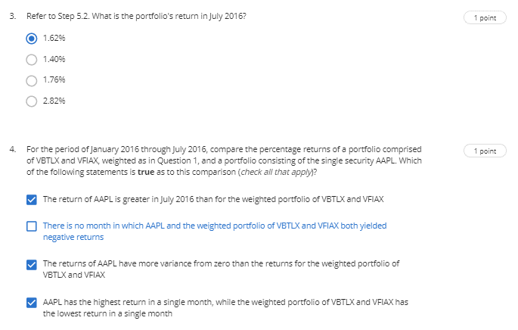

✓
x
✓
x

