Order_Book
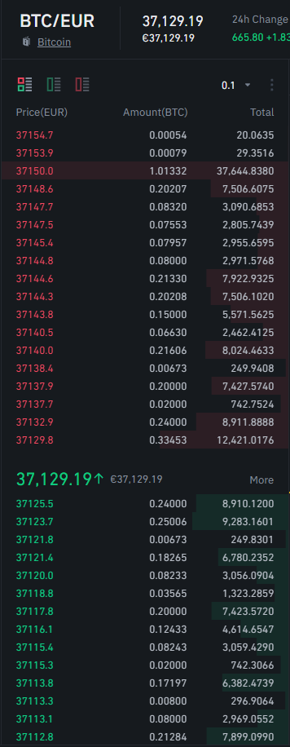

Buy Bitcoin
Market Buy Order | 0.5 | BTC

Price (EUR) | Amount(BTC) | Total (EUR)
37129.8 | 0.33453 | 12421.0176
37132.9 | 0.16547 | 6144.3810
 | 0.5 | 18565.398563
 | Average Price: | 37130.8
 | Lowest Ask: | 37129.8 | Total Cost Analysis
 | Slippage: | 1.0 |  | EUR | in%
 |  |  | Spread & Slippage (Buy & Sell) | 3.13 | 0.0169%
 |  |  | av. Spread & Slippage (per Trade) |  | 0.0084%
 |  |  | Trading Commissions (per Trade) |  | 0.1000%
Sell Bitcoin |  |  | Total Trading Cost (per Trade) |  | 0.1084%
Market Sell Order | 0.5 | BTC

Price (EUR) | Amount(BTC) | Total (EUR)
37125.5 | 0.24000 | 8910.1200
37123.7 | 0.25006 | 9283.1601
37121.8 | 0.00673 | 249.8301
37121.4 | 0.00321 | 119.1597
 | 0.5 | 18562.269894
 | Average Price: | 37124.5
 | Highest Bid: | 37125.5
 | Slippage: | 1.0

 | Bid-Ask Spread: | 4.3
 | Mid-Price: | 37127.7

