Test_3
Agarplate well | Sample Deep well | SAMPLE | Before 570 | After 570 | T6 adjusted | T6 - T0
A1 | S1 | Air | 1.465 | 1.273 | 1.2191074943 | 0.24589250569 | S1 | Faba_NM_NP_1
A2 | S2 | Air | 1.481 | 1.24 | 1.174675332 | 0.30632466802 | S2 | Faba_NM_Cp_1
A3 | S3 | Air | 1.476 | 1.268 | 1.2052693654 | 0.2707306346 | S3 | Faba_LP_Ct_1
A4 | S4 | Air | 1.465 | 1.255 | 1.201869525 | 0.26313047497 | S4 | Faba_HP_Cp_1
A5 | Air | H2O | 1.53 | 1.294 | 1.1865719227 | 0.34342807734
A6 | Air | Air | 1.486 | 1.269 | 1.1981026666 | 0.28789733345
A7 | Air | Air | 1.504 | 1.274 | 1.1884278313 | 0.31557216866
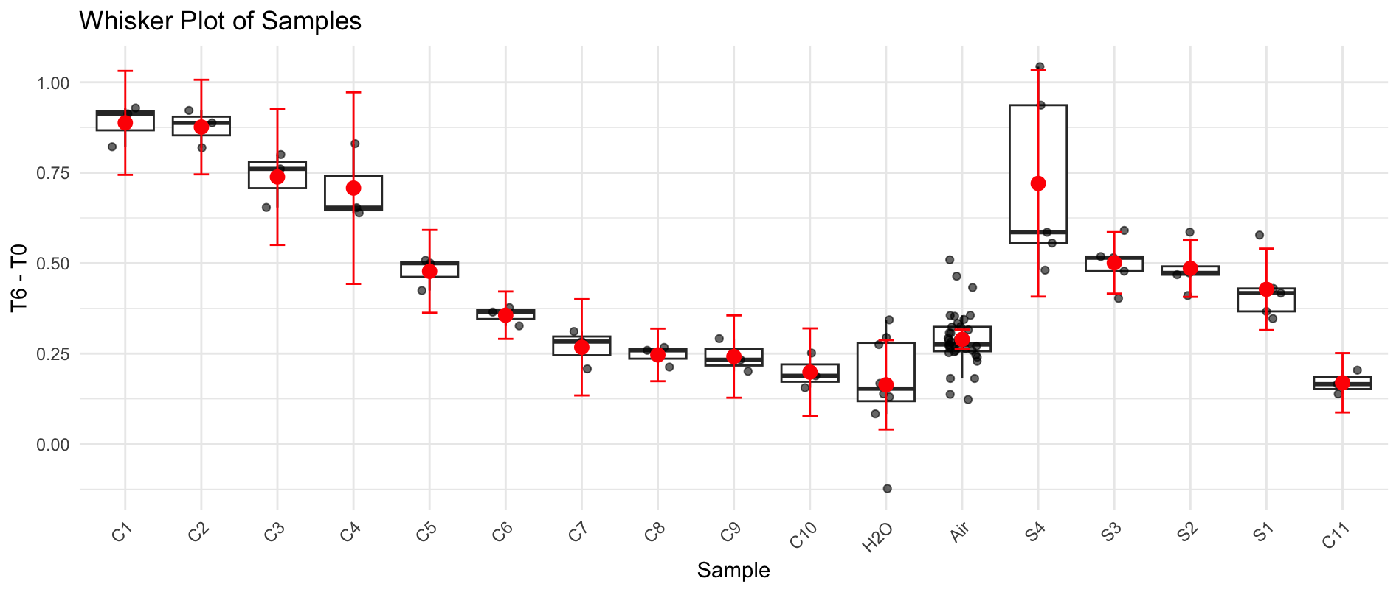
A8 | Air | Air | 1.512 | 1.246 | 1.1561587577 | 0.35584124228
A9 | Air | S4 | 1.539 | 1.046 | 0.95355179229 | 0.58544820771
A10 | Air | S3 | 1.504 | 1.1 | 1.026115082 | 0.477884918
A11 | Air | S2 | 1.501 | 1.105 | 1.0328394265 | 0.46816057351
A12 | Air | S1 | 1.448 | 1.116 | 1.0813016229 | 0.36669837707
B1 | S1 | Air | 1.467 | 1.263 | 1.2078818592 | 0.25911814076
B2 | S2 | Air | 1.491 | 1.292 | 1.2157270847 | 0.27527291527
B3 | S3 | Air | 1.514 | 1.329 | 1.2315451205 | 0.28245487946
B4 | S4 | Air | 1.478 | 1.274 | 1.209333869 | 0.26866613103
B5 | Air | H2O | 1.497 | 1.283 | 1.2024196866 | 0.2945803134
B6 | Air | Air | 1.5 | 1.291 | 1.2074974028 | 0.29250259722
B7 | Air | Air | 1.533 | 1.289 | 1.1796739373 | 0.35332606273
B8 | Air | Air | 1.598 | 1.24 | 1.0886696913 | 0.50933030872
B9 | Air | S4 | 1.534 | 0.653 | 0.59722646404 | 0.93677353596
B10 | Air | S3 | 1.516 | 1.078 | 0.99763294305 | 0.51836705695
B11 | Air | S2 | 1.518 | 1.111 | 1.0268180857 | 0.49118191425
B12 | Air | S1 | 1.486 | 1.132 | 1.0687566734 | 0.4172433266
C1 | S1 | Air | 1.455 | 1.247 | 1.2024158219 | 0.25258417812
C2 | S2 | Air | 1.546 | 1.324 | 1.2015164403 | 0.34448355972
C3 | S3 | Air | 1.623 | 1.377 | 1.1903279806 | 0.43267201941
C4 | S4 | Air | 1.521 | 1.297 | 1.1963602756 | 0.32463972441
C5 | Air | H2O | 1.497 | 1.304 | 1.2221007571 | 0.27489924293
C6 | Air | Air | 1.524 | 1.304 | 1.2004493657 | 0.3235506343
C7 | Air | Air | 1.545 | 1.31 | 1.189581041 | 0.35541895901
C8 | Air | Air | 1.549 | 1.198 | 1.085067167 | 0.46393283301
C9 | Air | S4 | 1.581 | 0.606 | 0.53776431056 | 1.0432356894
C10 | Air | S3 | 1.565 | 1.087 | 0.97446540202 | 0.59053459798
C11 | Air | S2 | 1.49 | 1.08 | 1.0169244966 | 0.47307550336
C12 | Air | S1 | 1.468 | 1.086 | 1.0378987568 | 0.43010124319
D1 | S1 | Air | 1.274 | 1.032 | 1.1364791994 | 0.13752080063
D2 | S2 | Air | 1.282 | 1.059 | 1.1589352087 | 0.12306479134
D3 | S3 | Air | 1.489 | 1.254 | 1.1815553224 | 0.30744467764
D4 | S4 | Air | 1.45 | 1.218 | 1.1785025 | 0.2714975
D5 | Air | H2O | 1.283 | 1.097 | 1.1995854605 | 0.083414539491
D6 | Air | Air | 1.306 | 1.047 | 1.1247466979 | 0.18125330207
D7 | Air | Air | 1.398 | 1.136 | 1.1400460181 | 0.25795398188
D8 | Air | Air | 1.357 | 1.055 | 1.090746515 | 0.26625348502
D9 | Air | S4 | 1.373 | 0.8 | 0.817467832 | 0.555532168
D10 | Air | S3 | 1.338 | 0.892 | 0.93531944444 | 0.40268055556
D11 | Air | S2 | 1.342 | 0.891 | 0.93148616803 | 0.41051383197
D12 | Air | S1 | 1.298 | 0.88 | 0.95117231638 | 0.34682768362
E1 | S1 | Air | 1.343 | 1.112 | 1.1616625714 | 0.18133742864
E2 | S2 | Air | 1.383 | 1.112 | 1.1280642323 | 0.25493576765
E3 | S3 | Air | 1.398 | 1.165 | 1.1691493056 | 0.22885069444
E4 | S4 | Air | 1.432 | 1.167 | 1.1433496421 | 0.28865035789
E5 | Air | H2O | 0.964 | 0.747 | 1.0871633169 | -0.12316331691
E6 | Air | Air | 1.423 | 1.105 | 1.0894532531 | 0.3335467469
E7 | Air | Air | 1.367 | 1.098 | 1.1268991405 | 0.24010085955
E8 | Air | Air | 1.399 | 1.123 | 1.1261941416 | 0.27280585835
E9 | Air | S4 | 1.371 | 0.87 | 0.89029312546 | 0.48070687454
E10 | Air | S3 | 1.333 | 0.777 | 0.81779055701 | 0.51520944299
E11 | Air | S2 | 1.361 | 0.752 | 0.77519495469 | 0.58580504531
E12 | Air | S1 | 1.317 | 0.694 | 0.73930716907 | 0.57769283093
F1 | C1 | H2O | 1.322 | 1.115 | 1.1832993728 | 0.13870062721
F2 | C2 | C11 | 1.343 | 1.127 | 1.1773324801 | 0.16566751986
F3 | C3 | C10 | 1.352 | 1.121 | 1.1632689688 | 0.18873103119
F4 | C4 | C9 | 1.371 | 1.112 | 1.1379378799 | 0.23306212011
F5 | C5 | C8 | 1.392 | 1.124 | 1.1328653616 | 0.25913463841
F6 | C6 | C7 | 1.228 | 0.893 | 1.020244622 | 0.20775537799
F7 | C7 | C6 | 1.359 | 0.951 | 0.98177570824 | 0.37722429176
F8 | C8 | C5 | 1.374 | 0.856 | 0.87405397865 | 0.49994602135
F9 | C9 | C4 | 1.525 | 0.755 | 0.69458968579 | 0.83041031421
F10 | C10 | C3 | 1.328 | 0.537 | 0.56731913592 | 0.76068086408
F11 | C11 | C2 | 1.344 | 0.404 | 0.42172885665 | 0.92227114335
F12 | H2O | C1 | 1.296 | 0.354 | 0.38322116127 | 0.91277883873
G1 | C1 | H2O | 1.272 | 1.035 | 1.1415750295 | 0.13042497052
G2 | C2 | C11 | 1.301 | 1.078 | 1.1624992634 | 0.13850073661
G3 | C3 | C10 | 1.34 | 1.131 | 1.1841562966 | 0.15584370336
G4 | C4 | C9 | 1.348 | 1.102 | 1.1469458766 | 0.20105412339
G5 | C5 | C8 | 1.37 | 1.077 | 1.102925958 | 0.26707404197
G6 | C6 | C7 | 1.345 | 0.991 | 1.0337192224 | 0.31128077757
G7 | C7 | C6 | 1.322 | 0.902 | 0.95725204866 | 0.36474795134
G8 | C8 | C5 | 1.353 | 0.815 | 0.84510570645 | 0.50789429355
G9 | C9 | C4 | 1.317 | 0.623 | 0.6636719976 | 0.6533280024
G10 | C10 | C3 | 1.32 | 0.489 | 0.51974000947 | 0.80025999053
G11 | C11 | C2 | 1.291 | 0.371 | 0.40317991544 | 0.88782008456
G12 | H2O | C1 | 1.342 | 0.395 | 0.41294841344 | 0.92905158656
H1 | C1 | H2O | 1.376 | 1.185 | 1.2082342387 | 0.16776576126
H2 | C2 | C11 | 1.383 | 1.162 | 1.178786545 | 0.20421345505
H3 | C3 | C10 | 1.405 | 1.155 | 1.1533387456 | 0.25166125445
H4 | C4 | C9 | 1.416 | 1.135 | 1.1245631032 | 0.29143689677
H5 | C5 | C8 | 1.301 | 1.009 | 1.0880906834 | 0.21290931655
H6 | C6 | C7 | 1.341 | 1.011 | 1.0577270227 | 0.28327297726
H7 | C7 | C6 | 1.287 | 0.881 | 0.9603921102 | 0.3266078898
H8 | C8 | C5 | 1.292 | 0.799 | 0.86763185307 | 0.42436814693
H9 | C9 | C4 | 1.341 | 0.671 | 0.70201269264 | 0.63898730736
H10 | C10 | C3 | 1.25 | 0.531 | 0.59598555 | 0.65401445
H11 | C11 | C2 | 1.264 | 0.401 | 0.44509070082 | 0.81890929918
H12 | H2O | C1 | 1.187 | 0.309 | 0.36522372578 | 0.82177627422

Plate 1
Agarplate well | Sample Microplate | SAMPLE | Before | After | T6 adjusted | T6 - T0 | S1 | Faba_Cl_Ct_1
A1 | S1 | C9 | 1.222 | 0.939 | 1.1312151698 | 0.090784830196 | S2 | Faba_Cl_Mg_1
A2 | S1 | C1 | 1.499 | 0.998 | 0.98012110852 | 0.51887889148 | S3 | Faba_Cl_NP_1
A3 | S1 | S2 | 1.503 | 1.164 | 1.1401049568 | 0.36289504325 | S4 | Faba_Cl_Vx_1
A4 | S1 | S2 | 1.468 | 1.144 | 1.1472308129 | 0.3207691871 | S5 | Faba_HP_Cp_1
A5 | S1 | S2 | 1.458 | 1.126 | 1.1369246971 | 0.32107530293 | S6 | Faba_HP_Ct_1
A6 | S2 | S2 | 1.452 | 1.095 | 1.1101926222 | 0.34180737775 | S7 | Faba_HP_Mg_1
A7 | S2 | S2 | 1.454 | 1.101 | 1.1147404144 | 0.33925958563 | S8 | Faba_HP_NP_1
A8 | S2 | S1 | 1.475 | 1.115 | 1.1128424435 | 0.3621575565 | S9 | Faba_HP_Vx_1
A9 | S2 | S1 | 1.488 | 1.135 | 1.122906936 | 0.36509306396 | S10 | Faba_LP_Cp_1
A10 | S2 | S1 | 1.506 | 1.158 | 1.1319687085 | 0.3740312915 | S11 | Faba_LP_Ct_1
A11 | C1 | S1 | 1.498 | 1.174 | 1.1537377893 | 0.34426221073 | S12 | Faba_LP_Mg_1
A12 | C9 | S1 | 1.469 | 1.139 | 1.1414391451 | 0.32756085489 | S13 | Faba_LP_NP_1
B1 | S3 | C10 | 1.442 | 1.137 | 1.1607696342 | 0.28123036581 | S14 | Faba_NM_Cp_1
B2 | S3 | C2 | 1.474 | 1.164 | 1.162535787 | 0.31146421303 | S15 | Faba_NM_Ct_1
B3 | S3 | S4 | 1.507 | 1.178 | 1.1507550044 | 0.35624499558 | S16 | Faba_NM_Mg_1
B4 | S3 | S4 | 1.44 | 1.103 | 1.1276228154 | 0.31237718461
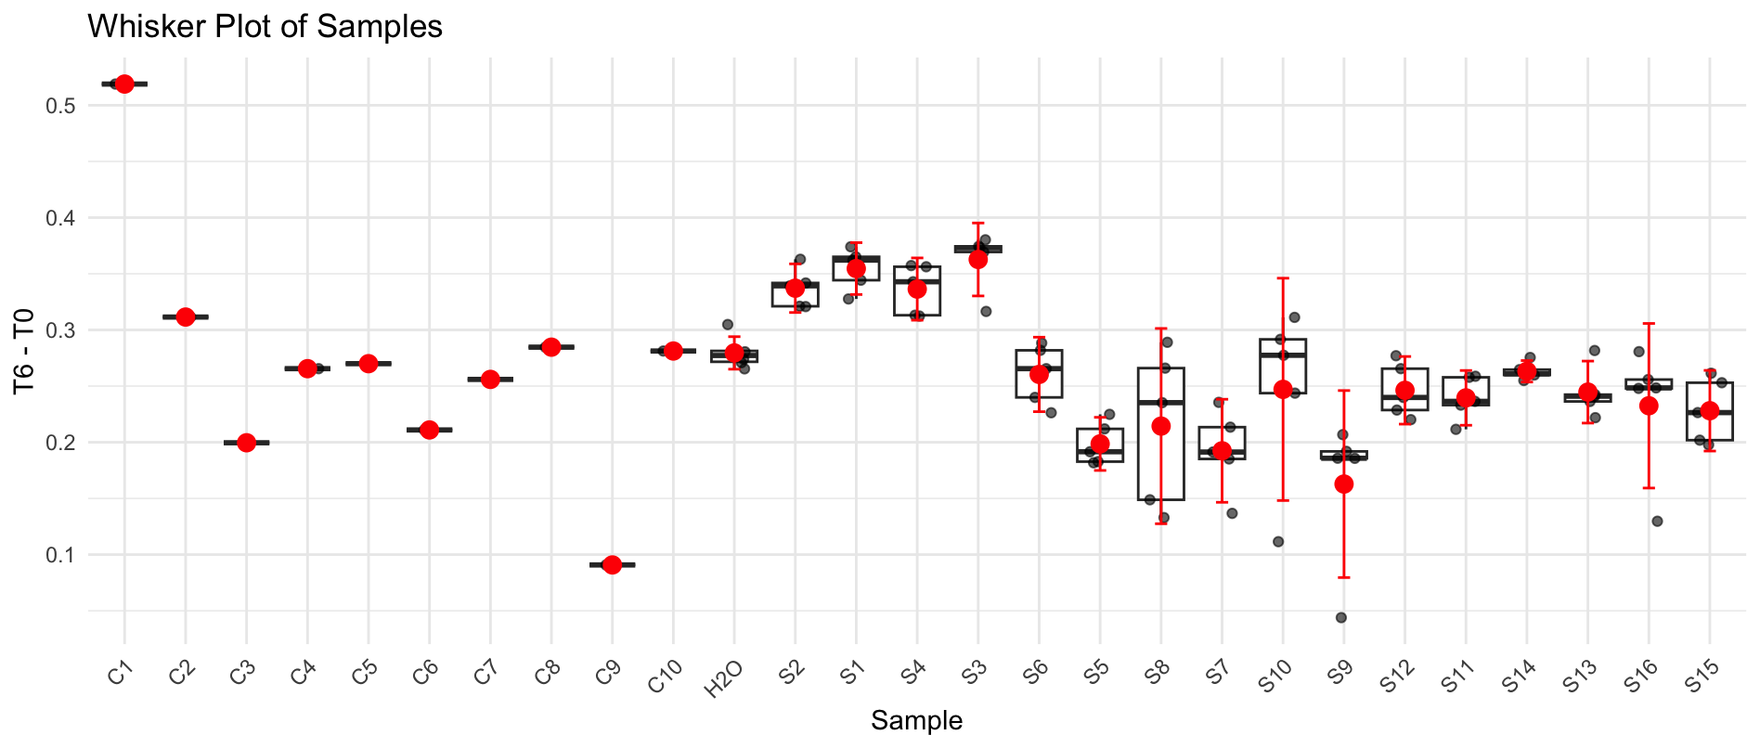
B5 | S3 | S4 | 1.462 | 1.141 | 1.1489181914 | 0.3130818086
B6 | S4 | S4 | 1.451 | 1.078 | 1.0937099989 | 0.35729000115
B7 | S4 | S4 | 1.448 | 1.087 | 1.1051260503 | 0.3428739497
B8 | S4 | S3 | 1.491 | 1.125 | 1.1107740191 | 0.38022598089
B9 | S4 | S3 | 1.482 | 1.115 | 1.1075861027 | 0.37441389732
B10 | S4 | S3 | 1.47 | 1.099 | 1.1006042659 | 0.36939573413
B11 | C2 | S3 | 1.479 | 1.111 | 1.1058512649 | 0.37314873507
B12 | C10 | S3 | 1.452 | 1.12 | 1.1355394858 | 0.31646051423
C1 | S5 | H2O | 1.447 | 1.153 | 1.1730367283 | 0.27396327171
C2 | S5 | C3 | 1.35 | 1.055 | 1.1504547068 | 0.19954529321
C3 | S5 | S6 | 1.48 | 1.198 | 1.1916423705 | 0.2883576295
C4 | S5 | S6 | 1.474 | 1.21 | 1.2084779229 | 0.26552207711
C5 | S5 | S6 | 1.483 | 1.21 | 1.2011439368 | 0.28185606316
C6 | S6 | S6 | 1.46 | 1.21 | 1.2200660674 | 0.23993393265
C7 | S6 | S6 | 1.483 | 1.266 | 1.2567340695 | 0.22626593055
C8 | S6 | S5 | 1.512 | 1.322 | 1.2871539627 | 0.22484603726
C9 | S6 | S5 | 1.502 | 1.337 | 1.3104254189 | 0.19157458111
C10 | S6 | S5 | 1.458 | 1.264 | 1.2762636031 | 0.18173639689
C11 | C3 | S5 | 1.473 | 1.291 | 1.2902513719 | 0.18274862808
C12 | H2O | S5 | 1.465 | 1.247 | 1.2530824943 | 0.21191750569
D1 | S7 | H2O | 1.51 | 1.26 | 1.2284130795 | 0.28158692053
D2 | S7 | C4 | 1.474 | 1.21 | 1.2084779229 | 0.26552207711
D3 | S7 | S8 | 1.506 | 1.245 | 1.2170129897 | 0.28898701029
D4 | S7 | S8 | 1.477 | 1.215 | 1.2110068974 | 0.26599310257
D5 | S7 | S8 | 1.372 | 1.14 | 1.2232115525 | 0.14878844752
D6 | S8 | S8 | 1.305 | 1.039 | 1.1720762612 | 0.13292373883
D7 | S8 | S8 | 1.476 | 1.244 | 1.2407516373 | 0.23524836269
D8 | S8 | S7 | 1.485 | 1.305 | 1.2937039141 | 0.19129608586
D9 | S8 | S7 | 1.499 | 1.309 | 1.2855496303 | 0.21345036969
D10 | S8 | S7 | 1.55 | 1.384 | 1.3144837634 | 0.23551623656
D11 | C4 | S7 | 1.419 | 1.236 | 1.2822919309 | 0.13670806906
D12 | H2O | S7 | 1.478 | 1.298 | 1.29285879 | 0.18514120997
E1 | S9 | H2O | 1.518 | 1.276 | 1.2374559179 | 0.28054408213
E2 | S9 | C5 | 1.489 | 1.233 | 1.2190435275 | 0.26995647246
E3 | S9 | S10 | 1.515 | 1.259 | 1.2233871975 | 0.29161280253
E4 | S9 | S10 | 1.498 | 1.242 | 1.2205641689 | 0.27743583111
E5 | S9 | S10 | 1.467 | 1.219 | 1.2232759174 | 0.24372408259
E6 | S10 | S10 | 1.286 | 1.026 | 1.1745113725 | 0.11148862753
E7 | S10 | S10 | 1.466 | 1.15 | 1.1548210834 | 0.31117891655
E8 | S10 | S9 | 1.507 | 1.331 | 1.3002163929 | 0.20678360706
E9 | S10 | S9 | 1.501 | 1.341 | 1.3152215606 | 0.18577843937
E10 | S10 | S9 | 1.321 | 1.146 | 1.277122729 | 0.043877271007
E11 | C5 | S9 | 1.482 | 1.305 | 1.296322748 | 0.18567725202
E12 | H2O | S9 | 1.48 | 1.295 | 1.2881276042 | 0.19187239583
F1 | S11 | H2O | 1.541 | 1.294 | 1.2361821599 | 0.30481784015
F2 | S11 | C6 | 1.421 | 1.168 | 1.2100396434 | 0.21096035656
F3 | S11 | S12 | 1.515 | 1.274 | 1.2379628988 | 0.27703710121
F4 | S11 | S12 | 1.506 | 1.269 | 1.2404734811 | 0.26552651892
F5 | S11 | S12 | 1.472 | 1.232 | 1.2321220562 | 0.23987794384
F6 | S12 | S12 | 1.452 | 1.215 | 1.2318575671 | 0.22014243285
F7 | S12 | S12 | 1.467 | 1.234 | 1.2383285333 | 0.22867146671
F8 | S12 | S11 | 1.498 | 1.261 | 1.2392362455 | 0.25876375445
F9 | S12 | S11 | 1.484 | 1.261 | 1.2509271535 | 0.23307284647
F10 | S12 | S11 | 1.496 | 1.28 | 1.2595900178 | 0.23640998217
F11 | C6 | S11 | 1.505 | 1.275 | 1.2471667359 | 0.25783326412
F12 | H2O | S11 | 1.482 | 1.279 | 1.2704956281 | 0.21150437191
G1 | S13 | H2O | 1.51 | 1.271 | 1.2391373206 | 0.27086267936
G2 | S13 | C7 | 1.497 | 1.262 | 1.241047456 | 0.25595254398
G3 | S13 | S14 | 1.512 | 1.27 | 1.2365246087 | 0.27547539131
G4 | S13 | S14 | 1.497 | 1.258 | 1.2371138666 | 0.25988613338
G5 | S13 | S14 | 1.498 | 1.255 | 1.2333398003 | 0.26466019971
G6 | S14 | S14 | 1.49 | 1.25 | 1.2350216723 | 0.25497832774
G7 | S14 | S14 | 1.497 | 1.257 | 1.2361304693 | 0.26086953073
G8 | S14 | S13 | 1.489 | 1.267 | 1.2526586775 | 0.23634132248
G9 | S14 | S13 | 1.496 | 1.234 | 1.2143235016 | 0.28167649844
G10 | S14 | S13 | 1.484 | 1.253 | 1.2429910574 | 0.24100894261
G11 | C7 | S13 | 1.486 | 1.276 | 1.26410369 | 0.22189631
G12 | H2O | S13 | 1.488 | 1.259 | 1.2455857555 | 0.24241424451
H1 | S15 | H2O | 1.5 | 1.258 | 1.2346396389 | 0.26536036111
H2 | S15 | C8 | 1.524 | 1.283 | 1.2393458689 | 0.28465413112
H3 | S15 | S16 | 1.517 | 1.274 | 1.2363307789 | 0.28066922105
H4 | S15 | S16 | 1.469 | 1.218 | 1.220608322 | 0.24839167801
H5 | S15 | S16 | 1.321 | 1.069 | 1.1913125631 | 0.12968743692
H6 | S16 | S16 | 1.491 | 1.251 | 1.2351807093 | 0.25581929074
H7 | S16 | S16 | 1.484 | 1.246 | 1.2360469733 | 0.24795302673
H8 | S16 | S15 | 1.5 | 1.262 | 1.2385653611 | 0.26143463889
H9 | S16 | S15 | 1.451 | 1.207 | 1.2245899523 | 0.22641004767
H10 | S16 | S15 | 1.499 | 1.325 | 1.3012629948 | 0.19773700523
H11 | C8 | S15 | 1.532 | 1.331 | 1.2789987625 | 0.25300123749
H12 | H2O | S15 | 1.497 | 1.317 | 1.2951343103 | 0.20186568971

Plate 2
Agarplate well | Sample Microplate | SAMPLE | Before | After | T6 adjusted | T6 - T0 | S17 | Faba_NM_NP_1
A1 | S17 | C9 | 1.404 | 0.791 | 0.81004963497 | 0.59395036503 | S18 | Faba_NM_Vx_1
A2 | S17 | C1 | 1.416 | 0.334 | 0.33914503884 | 1.0768549612 | S19 | Faba_Cl_Cp_2
A3 | S17 | S18 | 1.426 | 0.772 | 0.77839498597 | 0.64760501403 | S20 | Faba_Cl_Mg_2
A4 | S17 | S18 | 1.418 | 1.029 | 1.043377336 | 0.37462266396 | S21 | Faba_Cl_Vx_2
A5 | S17 | S18 | 1.444 | 1.069 | 1.0644193646 | 0.37958063539 | S22 | Faba_HP_Cp_2
A6 | S18 | S18 | 1.44 | 1.1 | 1.0983289931 | 0.34167100694 | S23 | Faba_HP_Ct_2
A7 | S18 | S18 | 1.453 | 1.112 | 1.1003768066 | 0.35262319339 | S24 | Faba_HP_Mg_2
A8 | S18 | S17 | 1.445 | 1.119 | 1.1134340398 | 0.33156596021 | S25 | Faba_HP_NP_2
A9 | S18 | S17 | 1.438 | 1.116 | 1.1158544854 | 0.3221455146 | S26 | Faba_LP_Cp_2
A10 | S18 | S17 | 1.46 | 1.139 | 1.1216907106 | 0.33830928938 | S27 | Faba_LP_Ct_2
A11 | C1 | S17 | 1.469 | 1.179 | 1.1539693244 | 0.31503067563 | S28 | Faba_LP_Mg_2
A12 | C9 | S17 | 1.442 | 1.122 | 1.1187417649 | 0.32325823509 | S29 | Faba_LP_NP_2
B1 | S19 | C10 | 1.403 | 0.908 | 0.93053011404 | 0.47246988596 | S30 | Faba_LP_Vx_2
B2 | S19 | C2 | 1.403 | 0.402 | 0.41197478617 | 0.99102521383 | S31 | Faba_NM_Cp_2
B3 | S19 | S20 | 1.408 | 0.86 | 0.87820933949 | 0.52979066051 | S32 | Faba_NM_Ct_2
B4 | S19 | S20 | 1.449 | 1.006 | 0.99823283299 | 0.45076716701
B5 | S19 | S20 | 1.464 | 1.04 | 1.0213968579 | 0.44260314208
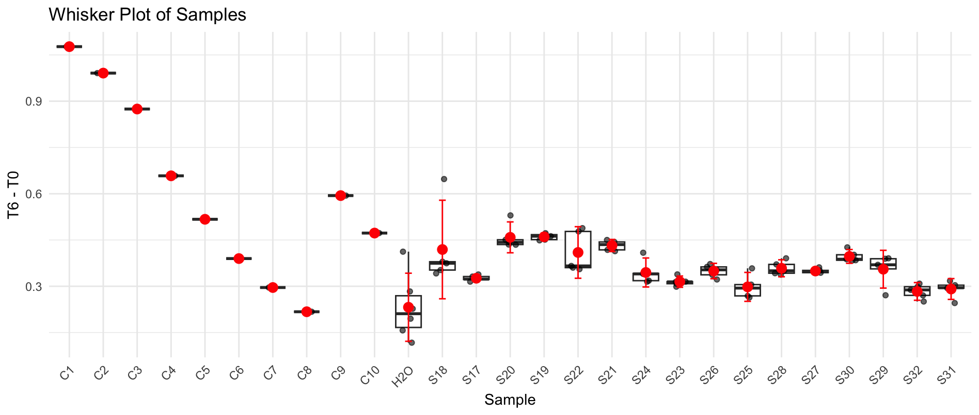
B6 | S20 | S20 | 1.457 | 1.036 | 1.0223567261 | 0.43464327385
B7 | S20 | S20 | 1.451 | 1.025 | 1.0156842264 | 0.4353157736
B8 | S20 | S19 | 1.459 | 1.025 | 1.0101150188 | 0.44888498115
B9 | S20 | S19 | 1.441 | 0.992 | 0.98980569049 | 0.45119430951
B10 | S20 | S19 | 1.482 | 1.051 | 1.0196632507 | 0.46233674933
B11 | C2 | S19 | 1.464 | 1.01 | 0.99193348702 | 0.47206651298
B12 | C10 | S19 | 1.474 | 1.032 | 1.0066638399 | 0.46733616011
C1 | S21 | H2O | 1.421 | 0.997 | 1.0087959624 | 0.41220403765
C2 | S21 | C3 | 1.421 | 0.54 | 0.54638898663 | 0.87461101337
C3 | S21 | S22 | 1.439 | 0.962 | 0.96120613273 | 0.47779386727
C4 | S21 | S22 | 1.449 | 1.102 | 1.0934916322 | 0.35550836784
C5 | S21 | S22 | 1.469 | 1.127 | 1.1030733067 | 0.36592669333
C6 | S22 | S22 | 1.472 | 1.138 | 1.1115697181 | 0.36043028193
C7 | S22 | S22 | 1.446 | 0.963 | 0.95754732884 | 0.48845267116
C8 | S22 | S21 | 1.478 | 1.072 | 1.0428518268 | 0.43514817321
C9 | S22 | S21 | 1.449 | 1.039 | 1.0309780452 | 0.4180219548
C10 | S22 | S21 | 1.483 | 1.072 | 1.0393358058 | 0.4436641942
C11 | C3 | S21 | 1.497 | 1.09 | 1.0469042251 | 0.45009577488
C12 | H2O | S21 | 1.429 | 1.009 | 1.015222402 | 0.41377759797
D1 | S23 | H2O | 1.375 | 1.044 | 1.0916918182 | 0.28330818182
D2 | S23 | C4 | 1.393 | 0.712 | 0.73490488155 | 0.65809511845
D3 | S23 | S24 | 1.45 | 1.05 | 1.041174569 | 0.40882543103
D4 | S23 | S24 | 1.461 | 1.139 | 1.1209229552 | 0.34007704483
D5 | S23 | S24 | 1.464 | 1.17 | 1.1490714652 | 0.31492853484
D6 | S24 | S24 | 1.457 | 1.154 | 1.1388027625 | 0.31819723747
D7 | S24 | S24 | 1.449 | 1.116 | 1.1073835404 | 0.34161645963
D8 | S24 | S23 | 1.473 | 1.187 | 1.1586445604 | 0.31435543958
D9 | S24 | S23 | 1.475 | 1.19 | 1.1599978814 | 0.31500211864
D10 | S24 | S23 | 1.498 | 1.208 | 1.1594642857 | 0.33853571429
D11 | C4 | S23 | 1.474 | 1.195 | 1.1656621014 | 0.30833789858
D12 | H2O | S23 | 1.451 | 1.163 | 1.1524300052 | 0.29856999483
E1 | S25 | H2O | 1.358 | 1.068 | 1.1307685935 | 0.22723140648
E2 | S25 | C5 | 1.427 | 0.903 | 0.90984210757 | 0.51715789243
E3 | S25 | S26 | 1.383 | 1.006 | 1.0458708424 | 0.33712915763
E4 | S25 | S26 | 1.45 | 1.106 | 1.0967038793 | 0.35329612069
E5 | S25 | S26 | 1.463 | 1.11 | 1.0908898667 | 0.37211013329
E6 | S26 | S26 | 1.475 | 1.141 | 1.1122332627 | 0.36276673729
E7 | S26 | S26 | 1.443 | 1.125 | 1.1209556913 | 0.32204430873
E8 | S26 | S25 | 1.451 | 1.193 | 1.1821573484 | 0.26884265162
E9 | S26 | S25 | 1.474 | 1.144 | 1.1159141791 | 0.3580858209
E10 | S26 | S25 | 1.465 | 1.193 | 1.1708602816 | 0.29413971843
E11 | C5 | S25 | 1.468 | 1.187 | 1.1625908975 | 0.30540910252
E12 | H2O | S25 | 1.385 | 1.08 | 1.1211823105 | 0.26381768953
F1 | S27 | H2O | 1.36 | 1.102 | 1.165051011 | 0.19494898897
F2 | S27 | C6 | 1.418 | 1.014 | 1.0281677539 | 0.38983224612
F3 | S27 | S28 | 1.425 | 1.073 | 1.0826475877 | 0.34235241228
F4 | S27 | S28 | 1.46 | 1.127 | 1.1098730736 | 0.35012692637
F5 | S27 | S28 | 1.491 | 1.141 | 1.1002978286 | 0.39070217136
F6 | S28 | S28 | 1.483 | 1.147 | 1.112050531 | 0.37094946898
F7 | S28 | S28 | 1.449 | 1.12 | 1.111352657 | 0.337647343
F8 | S28 | S27 | 1.453 | 1.118 | 1.1063140915 | 0.34668590847
F9 | S28 | S27 | 1.458 | 1.112 | 1.0966032236 | 0.36139677641
F10 | S28 | S27 | 1.445 | 1.099 | 1.0935335208 | 0.35146647924
F11 | C6 | S27 | 1.46 | 1.133 | 1.1157818921 | 0.34421810788
F12 | H2O | S27 | 1.462 | 1.137 | 1.1181893382 | 0.34381066176
G1 | S29 | H2O | 1.334 | 1.092 | 1.1769799475 | 0.15702005247
G2 | S29 | C7 | 1.4 | 1.075 | 1.1040345982 | 0.29596540179
G3 | S29 | S30 | 1.436 | 1.051 | 1.0523265581 | 0.38367344185
G4 | S29 | S30 | 1.468 | 1.103 | 1.0803182476 | 0.38768175238
G5 | S29 | S30 | 1.448 | 1.071 | 1.0634649085 | 0.38453509151
G6 | S30 | S30 | 1.465 | 1.083 | 1.0629016638 | 0.40209833618
G7 | S30 | S30 | 1.459 | 1.048 | 1.0327810144 | 0.42621898561
G8 | S30 | S29 | 1.453 | 1.075 | 1.0637635496 | 0.38923645045
G9 | S30 | S29 | 1.231 | 0.822 | 0.96009900487 | 0.27090099513
G10 | S30 | S29 | 1.44 | 1.072 | 1.0703715278 | 0.36962847222
G11 | C7 | S29 | 1.436 | 1.044 | 1.0453177228 | 0.39068227716
G12 | H2O | S29 | 1.433 | 1.073 | 1.0766034979 | 0.35639650209
H1 | S31 | H2O | 1.317 | 1.099 | 1.199814683 | 0.11718531701
H2 | S31 | C8 | 1.375 | 1.107 | 1.1575697727 | 0.21743022727
H3 | S31 | S32 | 1.395 | 1.091 | 1.1244827509 | 0.2705172491
H4 | S31 | S32 | 1.427 | 1.12 | 1.128486335 | 0.29851366503
H5 | S31 | S32 | 1.392 | 1.105 | 1.141366963 | 0.250633037
H6 | S32 | S32 | 1.419 | 1.116 | 1.1307954545 | 0.28820454545
H7 | S32 | S32 | 1.45 | 1.151 | 1.1413256466 | 0.30867435345
H8 | S32 | S31 | 1.425 | 1.121 | 1.1310791667 | 0.29392083333
H9 | S32 | S31 | 1.448 | 1.161 | 1.1528317075 | 0.29516829247
H10 | S32 | S31 | 1.46 | 1.16 | 1.1423715753 | 0.31762842466
H11 | C8 | S31 | 1.451 | 1.158 | 1.147475448 | 0.30352455203
H12 | H2O | S31 | 1.379 | 1.087 | 1.1333590917 | 0.24564090827

Plate 3
Agarplate well | Sample Microplate | SAMPLE | Before | After | T6 adjusted | T6 - T0 | S33 | Faba_NM_Mg_2
A1 | S33 | C9 | 1.428 | 0.457 | 0.45508316556 | 0.97291683444 | S34 | Faba_NM_NP_2
A2 | S33 | C1 | 1.427 | 0.257 | 0.25610138548 | 1.1708986145 | S35 | Faba_NM_Vx_2
A3 | S33 | S34 | 1.349 | 0.412 | 0.43429821473 | 0.91470178527 | S36 | Faba_Cl_Cp_3
A4 | S33 | S34 | 1.422 | 0.822 | 0.82200602145 | 0.59999397855 | S37 | Faba_Cl_Ct_3
A5 | S33 | S34 | 1.427 | 0.922 | 0.91877617671 | 0.50822382329 | S38 | Faba_Cl_NP_3
A6 | S34 | S34 | 1.437 | 0.989 | 0.97868357835 | 0.45831642165 | S39 | Faba_Cl_Vx_3
A7 | S34 | S34 | 1.437 | 1.006 | 0.99550624855 | 0.44149375145 | S40 | Faba_HP_Cp_3
A8 | S34 | S33 | 1.438 | 1.103 | 1.0907353891 | 0.34726461086 | S41 | Faba_HP_Ct_3
A9 | S34 | S33 | 1.399 | 1.062 | 1.0794675214 | 0.31953247856 | S42 | Faba_HP_Mg_3
A10 | S34 | S33 | 1.409 | 1.09 | 1.1000648362 | 0.30893516383 | S43 | Faba_HP_NP_3
A11 | C1 | S33 | 1.608 | 1.216 | 1.0753511609 | 0.53264883914 | S44 | Faba_HP_Vx_3
A12 | C9 | S33 | 1.407 | 1.142 | 1.1541832948 | 0.25281670516 | S45 | Faba_LP_Cp_3
B1 | S35 | C10 | 1.428 | 0.526 | 0.52379375292 | 0.90420624708 | S46 | Faba_LP_Ct_3
B2 | S35 | C2 | 1.406 | 0.275 | 0.27813148263 | 1.1278685174 | S47 | Faba_LP_Mg_3
B3 | S35 | S36 | 1.431 | 0.589 | 0.58529988499 | 0.84570011501 | S48 | Faba_LP_NP_3
B4 | S35 | S36 | 1.426 | 0.845 | 0.84263590609 | 0.58336409391
B5 | S35 | S36 | 1.43 | 0.928 | 0.92281515152 | 0.50718484848
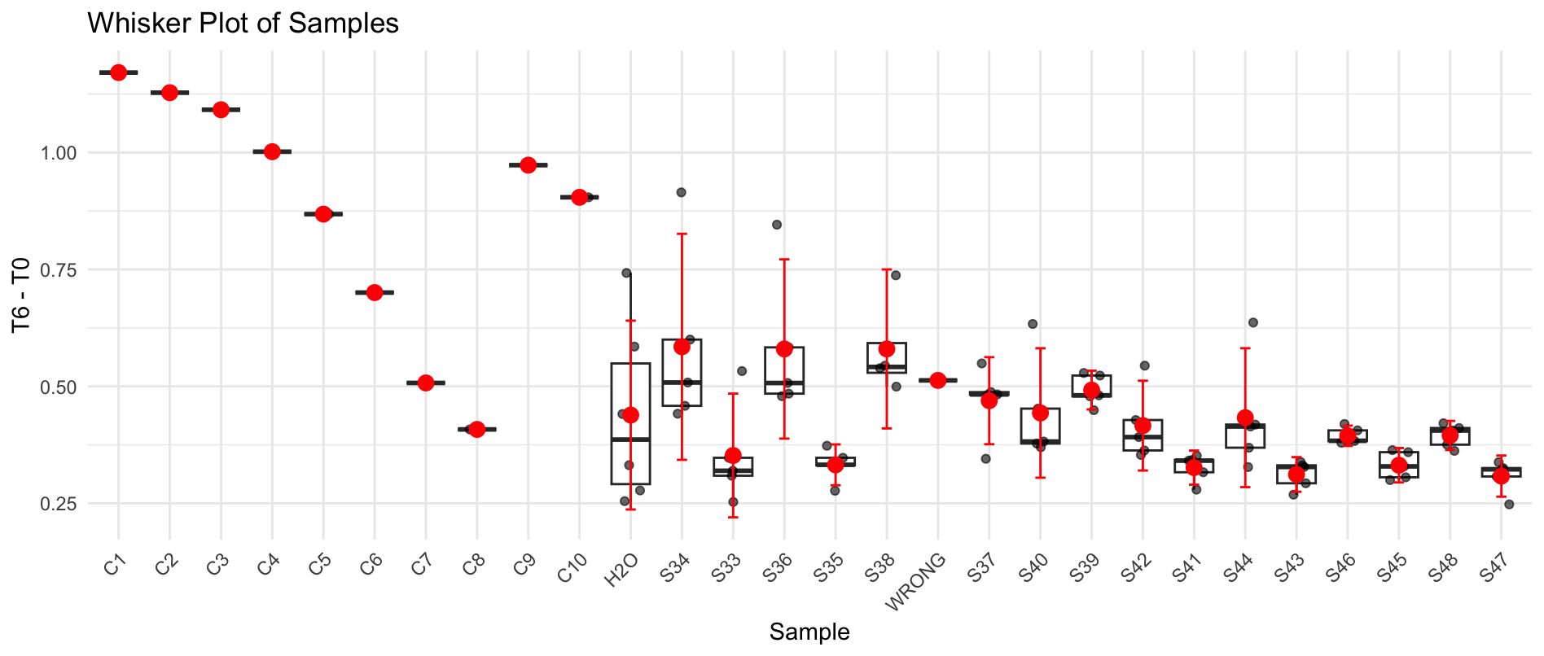
B6 | S36 | S36 | 1.439 | 0.966 | 0.95459490097 | 0.48440509903
B7 | S36 | S36 | 1.434 | 0.963 | 0.95494841789 | 0.47905158211
B8 | S36 | S35 | 1.422 | 1.049 | 1.0490076843 | 0.37299231569
B9 | S36 | S35 | 1.393 | 1.04 | 1.0616588897 | 0.33134111031
B10 | S36 | S35 | 1.421 | 1.073 | 1.0737629677 | 0.34723703231
B11 | C2 | S35 | 1.434 | 1.111 | 1.1017109992 | 0.33228900076
B12 | C10 | S35 | 1.367 | 1.048 | 1.0901733114 | 0.27682668861
C1 | S37 | H2O | 1.425 | 0.684 | 0.682565 | 0.742435
C2 | S37 | C3 | 1.436 | 0.348 | 0.34460976671 | 1.0913902333
C3 | S37 | S38 | 1.441 | 0.713 | 0.70360404378 | 0.73739595622
C4 | S37 | S38 | 1.425 | 0.888 | 0.88613701754 | 0.53886298246
C5 | S37 | S38 | 1.418 | 0.916 | 0.91859064998 | 0.49940935002
C6 | WRONG | S38 | 1.446 | 0.917 | 0.90178668885 | 0.54421331115
C7 | S38 | WRONG | 1.44 | 0.939 | 0.92726929253 | 0.51273070747
C8 | S38 | S37 | 1.423 | 0.936 | 0.93534908644 | 0.48765091356
C9 | S38 | S37 | 1.416 | 0.93 | 0.93394751942 | 0.48205248058
C10 | S38 | S37 | 1.435 | 0.961 | 0.95230105256 | 0.48269894744
C11 | C3 | S37 | 1.464 | 0.942 | 0.91498211236 | 0.54901788764
C12 | H2O | S37 | 1.288 | 0.854 | 0.94285473279 | 0.34514526721
D1 | S39 | H2O | 1.422 | 0.837 | 0.83700613133 | 0.58499386867
D2 | S39 | C4 | 1.431 | 0.432 | 0.42928616352 | 1.0017138365
D3 | S39 | S40 | 1.454 | 0.839 | 0.82054108637 | 0.63345891363
D4 | S39 | S40 | 1.427 | 0.978 | 0.97458036966 | 0.45241963034
D5 | S39 | S40 | 1.391 | 0.987 | 1.0090037967 | 0.38199620327
D6 | S40 | S40 | 1.456 | 1.104 | 1.0782276786 | 0.37777232143
D7 | S40 | S40 | 1.443 | 1.089 | 1.0731596284 | 0.36984037162
D8 | S40 | S39 | 1.43 | 0.912 | 0.90690454545 | 0.52309545455
D9 | S40 | S39 | 1.4 | 0.905 | 0.9192281622 | 0.4807718378
D10 | S40 | S39 | 1.434 | 0.913 | 0.90536646473 | 0.52863353527
D11 | C4 | S39 | 1.423 | 0.945 | 0.94434282765 | 0.47865717235
D12 | H2O | S39 | 1.392 | 0.923 | 0.94289914841 | 0.44910085159
E1 | S41 | H2O | 1.395 | 0.936 | 0.95412311828 | 0.44087688172
E2 | S41 | C5 | 1.42 | 0.551 | 0.5517800983 | 0.8682199017
E3 | S41 | S42 | 1.443 | 0.912 | 0.89873423423 | 0.54426576577
E4 | S41 | S42 | 1.422 | 0.994 | 0.99400728141 | 0.42799271859
E5 | S41 | S42 | 1.443 | 1.067 | 1.0514796359 | 0.39152036411
E6 | S42 | S42 | 1.452 | 1.112 | 1.0890327709 | 0.36296722911
E7 | S42 | S42 | 1.451 | 1.12 | 1.0976234781 | 0.35337652194
E8 | S42 | S41 | 1.434 | 1.102 | 1.0927862477 | 0.34121375232
E9 | S42 | S41 | 1.432 | 1.097 | 1.0893473653 | 0.34265263472
E10 | S42 | S41 | 1.44 | 1.102 | 1.0882329716 | 0.35176702836
E11 | C5 | S41 | 1.425 | 1.111 | 1.108669174 | 0.31633082602
E12 | H2O | S41 | 1.381 | 1.07 | 1.1017749065 | 0.27922509353
F1 | S43 | H2O | 1.389 | 1.033 | 1.0575498635 | 0.33145013649
F2 | S43 | C6 | 1.415 | 0.711 | 0.71452254859 | 0.70047745141
F3 | S43 | S44 | 1.449 | 0.828 | 0.81257738095 | 0.63642261905
F4 | S43 | S44 | 1.454 | 1.059 | 1.0357008468 | 0.4182991532
F5 | S43 | S44 | 1.459 | 1.072 | 1.04482191 | 0.41417809002
F6 | S44 | S44 | 1.452 | 1.106 | 1.0831566948 | 0.36884330521
F7 | S44 | S44 | 1.429 | 1.107 | 1.1015853963 | 0.32741460374
F8 | S44 | S43 | 1.426 | 1.098 | 1.0949280768 | 0.33107192321
F9 | S44 | S43 | 1.425 | 1.089 | 1.0867153289 | 0.33828467105
F10 | S44 | S43 | 1.423 | 1.131 | 1.1302134794 | 0.29278652056
F11 | C6 | S43 | 1.419 | 1.089 | 1.0913103198 | 0.32768968023
F12 | H2O | S43 | 1.387 | 1.091 | 1.1185388353 | 0.26846116468
G1 | S45 | H2O | 1.388 | 1.084 | 1.1105614493 | 0.27743855067
G2 | S45 | C7 | 1.421 | 0.913 | 0.91364919804 | 0.50735080196
G3 | S45 | S46 | 1.417 | 0.994 | 0.99751471713 | 0.41948528287
G4 | S45 | S46 | 1.437 | 1.042 | 1.0311307266 | 0.40586927337
G5 | S45 | S46 | 1.425 | 1.044 | 1.0418097368 | 0.38319026316
G6 | S46 | S46 | 1.435 | 1.061 | 1.0513958551 | 0.38360414489
G7 | S46 | S46 | 1.44 | 1.074 | 1.0605827691 | 0.3794172309
G8 | S46 | S45 | 1.44 | 1.09 | 1.0763828848 | 0.36361711516
G9 | S46 | S45 | 1.433 | 1.082 | 1.0737022127 | 0.35929778728
G10 | S46 | S45 | 1.424 | 1.12 | 1.1184351592 | 0.30556484082
G11 | C7 | S45 | 1.436 | 1.118 | 1.1071083885 | 0.32889161154
G12 | H2O | S45 | 1.378 | 1.045 | 1.0783750983 | 0.29962490173
H1 | S47 | H2O | 1.385 | 1.101 | 1.1304212771 | 0.25457872292
H2 | S47 | C8 | 1.351 | 0.896 | 0.94309499136 | 0.40790500864
H3 | S47 | S48 | 1.432 | 1.018 | 1.0108984666 | 0.4211015334
H4 | S47 | S48 | 1.433 | 1.03 | 1.0221009973 | 0.41089900268
H5 | S47 | S48 | 1.417 | 1.038 | 1.0416702982 | 0.37532970183
H6 | S48 | S48 | 1.442 | 1.051 | 1.0364306158 | 0.40556938425
H7 | S48 | S48 | 1.364 | 0.961 | 1.0018709754 | 0.36212902462
H8 | S48 | S47 | 1.38 | 1.041 | 1.0726904665 | 0.30730953351
H9 | S48 | S47 | 1.427 | 1.093 | 1.0891782659 | 0.33782173412
H10 | S48 | S47 | 1.424 | 1.103 | 1.1014589112 | 0.32254108878
H11 | C8 | S47 | 1.409 | 1.074 | 1.0839170955 | 0.32508290454
H12 | H2O | S47 | 1.331 | 1.014 | 1.0833347577 | 0.2476652423

Plate 4
Agarplate well | Sample Microplate | SAMPLE | Before | After | T6 adjusted | T6 - T0 | S49 | Faba_LP_Vx_3
A1 | S49 | C1 | 1.346 | 0.364 | 0.38272170629 | 0.96327829371 | S50 | Faba_NM_Cp_3
A2 | S49 | H2O | 1.402 | 1.016 | 1.0255868997 | 0.37641310033 | S51 | Faba_NM_Ct_3
A3 | S49 | S50 | 1.423 | 1.152 | 1.1457090654 | 0.27729093465 | S52 | Faba_NM_Mg_3
A4 | S49 | S50 | 1.401 | 1.132 | 1.1434970854 | 0.25750291458 | S53 | Faba_NM_NP_3
A5 | S49 | S50 | 1.5 | 1.248 | 1.1774706667 | 0.32252933333 | S54 | Faba_NM_Vx_3
A6 | S50 | S50 | 1.441 | 1.191 | 1.1697001648 | 0.27129983518 | S55 | Faba_Cl_Cp_4
A7 | S50 | S50 | 1.45 | 1.199 | 1.1702481178 | 0.27975188218 | S56 | Faba_Cl_Ct_4
A8 | S50 | S49 | 1.408 | 1.154 | 1.1599250414 | 0.24807495857 | S57 | Faba_Cl_Mg_4
A9 | S50 | S49 | 1.43 | 1.125 | 1.1133795892 | 0.31662041084 | S58 | Faba_Cl_NP_4
A10 | S50 | S49 | 1.475 | 1.187 | 1.1388996751 | 0.33610032486 | S59 | Faba_Cl_Vx_4
A11 | H2O | S49 | 1.496 | 1.225 | 1.1588607815 | 0.33713921847 | S60 | Faba_HP_Cp_4
A12 | C1 | S49 | 1.423 | 1.141 | 1.134769135 | 0.28823086496 | S61 | Faba_HP_Ct_4
B1 | S51 | C2 | 1.265 | 0.409 | 0.45757211792 | 0.80742788208 | S62 | Faba_HP_Mg_4
B2 | S51 | H2O | 1.362 | 1.002 | 1.0411597834 | 0.32084021659 | S63 | Faba_HP_NP_4
B3 | S51 | S52 | 1.369 | 1.089 | 1.1257739682 | 0.24322603178 | S64 | Faba_HP_Vx_4
B4 | S51 | S52 | 1.382 | 1.121 | 1.1479536149 | 0.23404638507
B5 | S51 | S52 | 1.377 | 1.135 | 1.1665106058 | 0.21048939421
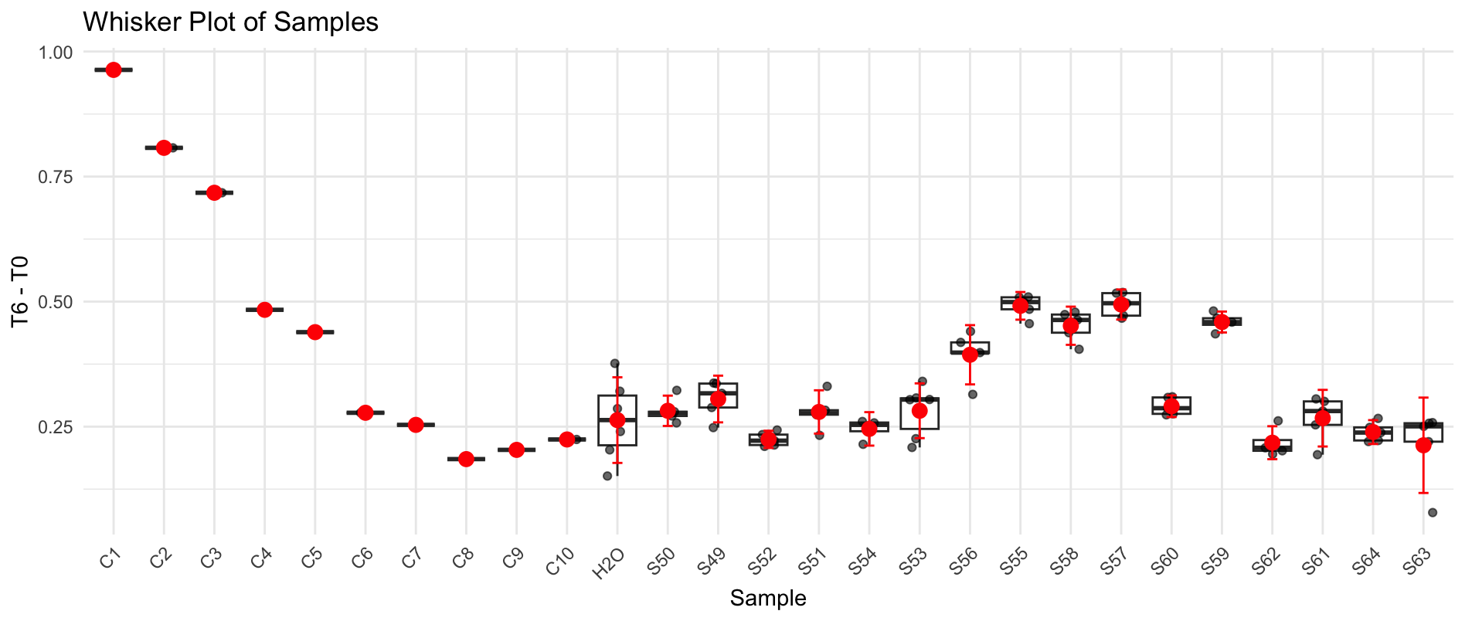
B6 | S52 | S52 | 1.381 | 1.131 | 1.1590327209 | 0.22196727915
B7 | S52 | S52 | 1.369 | 1.118 | 1.1557532566 | 0.21324674336
B8 | S52 | S51 | 1.399 | 1.153 | 1.1663754319 | 0.23262456814
B9 | S52 | S51 | 1.487 | 1.215 | 1.156357389 | 0.33064261096
B10 | S52 | S51 | 1.457 | 1.215 | 1.1801670813 | 0.27683291867
B11 | H2O | S51 | 1.463 | 1.22 | 1.1801637617 | 0.28283623832
B12 | C2 | S51 | 1.45 | 1.205 | 1.1761042385 | 0.27389576149
C1 | S53 | C3 | 1.309 | 0.547 | 0.59139064489 | 0.71760935511
C2 | S53 | H2O | 1.34 | 0.998 | 1.0540288868 | 0.28597111318
C3 | S53 | S54 | 1.338 | 1.062 | 1.1232984865 | 0.21470151345
C4 | S53 | S54 | 1.371 | 1.076 | 1.1107123146 | 0.26028768539
C5 | S53 | S54 | 1.373 | 1.09 | 1.1235249757 | 0.24947502428
C6 | S53 | S54 | 1.406 | 1.141 | 1.1484896722 | 0.25751032776
C7 | S54 | S53 | 1.351 | 1.074 | 1.1250600481 | 0.22593995189
C8 | S54 | S53 | 1.334 | 1.061 | 1.1256058065 | 0.20839419353
C9 | S54 | S53 | 1.438 | 1.152 | 1.1337579972 | 0.30424200278
C10 | S54 | S53 | 1.454 | 1.178 | 1.1465886921 | 0.30741130789
C11 | H2O | S53 | 1.491 | 1.212 | 1.1504076123 | 0.34059238766
C12 | C3 | S53 | 1.44 | 1.156 | 1.1361145255 | 0.30388547454
D1 | S55 | C4 | 1.275 | 0.713 | 0.79141834967 | 0.48358165033
D2 | S55 | H2O | 1.357 | 1.106 | 1.1534587018 | 0.20354129821
D3 | S55 | S56 | 1.306 | 0.915 | 0.9915273258 | 0.3144726742
D4 | S55 | S56 | 1.364 | 0.931 | 0.96596653531 | 0.39803346469
D5 | S55 | S56 | 1.375 | 0.908 | 0.93456587879 | 0.44043412121
D6 | S56 | S56 | 1.376 | 0.931 | 0.95754240855 | 0.41845759145
D7 | S56 | S56 | 1.361 | 0.927 | 0.96393639787 | 0.39706360213
D8 | S56 | S55 | 1.447 | 0.984 | 0.96239495508 | 0.48460504492
D9 | S56 | S55 | 1.438 | 0.954 | 0.93889334145 | 0.49910665855
D10 | S56 | S55 | 1.466 | 0.991 | 0.95667947078 | 0.50932052922
D11 | H2O | S55 | 1.491 | 1.035 | 0.98240254024 | 0.50859745976
D12 | C4 | S55 | 1.418 | 0.964 | 0.9621163023 | 0.4558836977
E1 | S57 | C5 | 1.446 | 1.029 | 1.0071029132 | 0.43889708679
E2 | S57 | H2O | 1.454 | 1.247 | 1.2137488108 | 0.24025118925
E3 | S57 | S58 | 1.45 | 1.071 | 1.0453175431 | 0.4046824569
E4 | S57 | S58 | 1.439 | 1.018 | 1.0011836634 | 0.43781633658
E5 | S57 | S58 | 1.457 | 1.007 | 0.97813024765 | 0.47886975235
E6 | S58 | S58 | 1.423 | 0.965 | 0.95973025006 | 0.46326974994
E7 | S58 | S58 | 1.436 | 0.976 | 0.96188277623 | 0.47411722377
E8 | S58 | S57 | 1.418 | 0.953 | 0.95113779678 | 0.46686220322
E9 | S58 | S57 | 1.45 | 0.956 | 0.93307522989 | 0.51692477011
E10 | S58 | S57 | 1.479 | 1.004 | 0.96070999549 | 0.51829000451
E11 | H2O | S57 | 1.481 | 1.03 | 0.98425796196 | 0.49674203804
E12 | C5 | S57 | 1.409 | 0.933 | 0.93712477821 | 0.47187522179
F1 | S59 | C6 | 1.353 | 1.028 | 1.0752812885 | 0.27771871151
F2 | S59 | H2O | 1.381 | 1.2 | 1.2297429399 | 0.1512570601
F3 | S59 | S60 | 1.439 | 1.183 | 1.1634580293 | 0.2755419707
F4 | S59 | S60 | 1.439 | 1.185 | 1.1654249913 | 0.27357500869
F5 | S59 | S60 | 1.442 | 1.177 | 1.1551489107 | 0.28685108934
F6 | S60 | S60 | 1.454 | 1.177 | 1.1456153571 | 0.30838464294
F7 | S60 | S60 | 1.446 | 1.161 | 1.1362939575 | 0.30970604253
F8 | S60 | S59 | 1.446 | 1.014 | 0.99242211272 | 0.45357788728
F9 | S60 | S59 | 1.431 | 0.975 | 0.96425467331 | 0.46674532669
F10 | S60 | S59 | 1.459 | 1.008 | 0.97775942426 | 0.48124057574
F11 | H2O | S59 | 1.471 | 1.052 | 1.0121149445 | 0.45888505552
F12 | C6 | S59 | 1.433 | 1.01 | 0.9974748488 | 0.4355251512
G1 | S61 | C7 | 1.449 | 1.224 | 1.1954730849 | 0.25352691511
G2 | S61 | C9 | 1.41 | 1.202 | 1.2064577719 | 0.20354222813
G3 | S61 | S62 | 1.426 | 1.212 | 1.202845547 | 0.22315445302
G4 | S61 | S62 | 1.431 | 1.243 | 1.2293010861 | 0.20169891393
G5 | S61 | S62 | 1.399 | 1.19 | 1.2038046521 | 0.19519534787
G6 | S62 | S62 | 1.43 | 1.235 | 1.2222433712 | 0.20775662879
G7 | S62 | S62 | 1.447 | 1.212 | 1.1853889081 | 0.26161109191
G8 | S62 | S61 | 1.449 | 1.224 | 1.1954730849 | 0.25352691511
G9 | S62 | S61 | 1.461 | 1.218 | 1.1798419747 | 0.28115802533
G10 | S62 | S61 | 1.483 | 1.234 | 1.1776080861 | 0.30539191391
G11 | C9 | S61 | 1.476 | 1.226 | 1.1755223295 | 0.30047767051
G12 | C7 | S61 | 1.358 | 1.117 | 1.164072886 | 0.19392711402
H1 | S63 | C8 | 1.413 | 1.226 | 1.2279341531 | 0.1850658469
H2 | S63 | C10 | 1.418 | 1.196 | 1.1936629643 | 0.22433703573
H3 | S63 | S64 | 1.4 | 1.165 | 1.1776728423 | 0.22232715774
H4 | S63 | S64 | 1.395 | 1.158 | 1.1747923835 | 0.22020761649
H5 | S63 | S64 | 1.413 | 1.173 | 1.1748505396 | 0.23814946037
H6 | S64 | S64 | 1.423 | 1.181 | 1.1745506998 | 0.24844930019
H7 | S64 | S64 | 1.447 | 1.207 | 1.1804986898 | 0.26650131018
H8 | S64 | S63 | 1.377 | 1.096 | 1.1264278625 | 0.2505721375
H9 | S64 | S63 | 1.391 | 1.151 | 1.1710487209 | 0.21995127906
H10 | S64 | S63 | 1.471 | 1.262 | 1.2141530988 | 0.2568469012
H11 | C10 | S63 | 1.46 | 1.24 | 1.2019754566 | 0.25802454338
H12 | C8 | S63 | 1.224 | 0.991 | 1.1458268825 | 0.078173117511

Plate 5
Agarplate well | Sample Microplate | SAMPLE | Before | After | T6 adjusted | T6 - T0 | S65 | Faba_LP_Cp_4 | BEWARE! The calibration curve is different
A1 | S65 | C1 | 1.372 | 0.257 | 0.26377661109 | 1.1082233889 | S66 | Faba_LP_Ct_4 | C1 | 0.001
A2 | S65 | H2O | 1.407 | 0.511 | 0.51142749793 | 0.89557250207 | S67 | Faba_LP_Mg_4 | C2 | 0.0005
A3 | S65 | S66 | 1.41 | 0.935 | 0.93379118647 | 0.47620881353 | S68 | Faba_LP_Vx_4 | C3 | 0.00025
A4 | S65 | S66 | 1.407 | 1.033 | 1.0338641984 | 0.37313580165 | S69 | Faba_NM_Cp_4 | C4 | 0.000125
A5 | S65 | S66 | 1.407 | 1.084 | 1.0849068645 | 0.32209313551 | S70 | Faba_NM_Ct_4 | C5 | 0.0000625
A6 | S66 | S66 | 1.416 | 1.08 | 1.0740333686 | 0.34196663136 | S71 | Faba_NM_Mg_4 | C6 | 0.00003125
A7 | S66 | S66 | 1.363 | 1.039 | 1.0734379968 | 0.28956200324 | S72 | Faba_NM_NP_4 | C7 | 0.000015625
A8 | S66 | S65 | 1.397 | 1.078 | 1.086624836 | 0.31037516404 | S73 | Faba_NM_Vx_4 | C8 | 7.8125E-06
A9 | S66 | S65 | 1.402 | 1.098 | 1.1028376872 | 0.29916231277 | S74 | Faba_Cl_Cp_5 | C9 | 3.90625E-06
A10 | S66 | S65 | 1.434 | 1.135 | 1.1145613595 | 0.31943864046 | S75 | Faba_Cl_Ct_5 | C10 | 1.953125E-06
A11 | H2O | S65 | 1.413 | 1.129 | 1.1251464452 | 0.28785355479 | S76 | Faba_Cl_Mg_5
A12 | C1 | S65 | 1.411 | 1.097 | 1.0948052873 | 0.31619471267 | S77 | Faba_Cl_NP_5
B1 | S67 | C2 | 1.438 | 0.304 | 0.29769529439 | 1.1403047056 | S78 | Faba_Cl_Vx_5
B2 | S67 | H2O | 1.392 | 0.57 | 0.57662423671 | 0.81537576329 | S79 | Faba_HP_Cp_5
B3 | S67 | S68 | 1.391 | 0.957 | 0.96881773454 | 0.42218226546 | S80 | Faba_HP_Mg_5
B4 | S67 | S68 | 1.417 | 1.06 | 1.0533999353 | 0.36360006469
B5 | S67 | S68 | 1.411 | 1.08 | 1.0778392984 | 0.33316070163
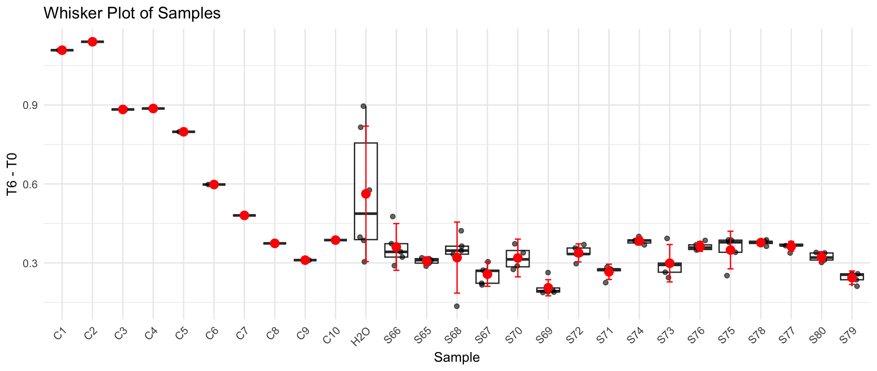
B6 | S68 | S68 | 1.421 | 1.084 | 1.0742181269 | 0.34678187309
B7 | S68 | S68 | 1.264 | 1.013 | 1.1285469821 | 0.13545301787
B8 | S68 | S67 | 1.422 | 1.161 | 1.1497142009 | 0.27228579905
B9 | S68 | S67 | 1.337 | 1.064 | 1.1206435428 | 0.21635645724
B10 | S68 | S67 | 1.43 | 1.143 | 1.1255569274 | 0.30444307255
B11 | H2O | S67 | 1.397 | 1.118 | 1.126944867 | 0.27005513302
B12 | C2 | S67 | 1.371 | 1.118 | 1.1483165421 | 0.22268345794
C1 | S69 | C3 | 1.238 | 0.312 | 0.35488792407 | 0.88311207593
C2 | S69 | H2O | 1.347 | 0.737 | 0.77047253928 | 0.57652746072
C3 | S69 | S70 | 1.334 | 0.943 | 0.99543552443 | 0.33856447557
C4 | S69 | S70 | 1.363 | 1.04 | 1.0744711421 | 0.28852885791
C5 | S69 | S70 | 1.391 | 1.006 | 1.0184228223 | 0.37257717769
C6 | S69 | S70 | 1.378 | 1.079 | 1.1026292256 | 0.27537077437
C7 | S70 | S69 | 1.369 | 1.075 | 1.1057635972 | 0.26323640279
C8 | S70 | S69 | 1.371 | 1.144 | 1.1750215779 | 0.19597842208
C9 | S70 | S69 | 1.377 | 1.163 | 1.1893318431 | 0.18766815692
C10 | S70 | S69 | 1.382 | 1.17 | 1.192161496 | 0.18983850398
C11 | H2O | S69 | 1.375 | 1.158 | 1.1859411364 | 0.18905886364
C12 | C3 | S69 | 1.373 | 1.136 | 1.1651050012 | 0.20789499879
D1 | S71 | C4 | 1.346 | 0.439 | 0.45927915274 | 0.88672084726
D2 | S71 | H2O | 1.336 | 0.89 | 0.93808203905 | 0.39791796095
D3 | S71 | S72 | 1.374 | 0.98 | 1.0043766679 | 0.36962333212
D4 | S71 | S72 | 1.374 | 1.015 | 1.0402472632 | 0.33375273684
D5 | S71 | S72 | 1.409 | 1.053 | 1.0523850027 | 0.35661499734
D6 | S72 | S72 | 1.362 | 1.03 | 1.0649209955 | 0.29707900453
D7 | S72 | S72 | 1.393 | 1.048 | 1.0594182221 | 0.33358177794
D8 | S72 | S71 | 1.375 | 1.066 | 1.0917212879 | 0.28327871212
D9 | S72 | S71 | 1.399 | 1.115 | 1.1223141157 | 0.27668588426
D10 | S72 | S71 | 1.387 | 1.1 | 1.1167950913 | 0.27020490868
D11 | H2O | S71 | 1.369 | 1.063 | 1.0934201896 | 0.27557981038
D12 | C4 | S71 | 1.352 | 1.082 | 1.1269582871 | 0.22504171289
E1 | S73 | C5 | 1.411 | 0.614 | 0.61277160111 | 0.79822839889
E2 | S73 | H2O | 1.417 | 1.038 | 1.0315369178 | 0.38546308222
E3 | S73 | S74 | 1.449 | 1.079 | 1.0486011545 | 0.40039884547
E4 | S73 | S74 | 1.421 | 1.062 | 1.052416652 | 0.36858334799
E5 | S73 | S74 | 1.456 | 1.105 | 1.0687058222 | 0.38729417783
E6 | S74 | S74 | 1.446 | 1.099 | 1.0702535371 | 0.37574646294
E7 | S74 | S74 | 1.457 | 1.109 | 1.0718382879 | 0.38516171214
E8 | S74 | S73 | 1.449 | 1.19 | 1.1564739332 | 0.29252606683
E9 | S74 | S73 | 1.39 | 1.131 | 1.1457901304 | 0.2442098696
E10 | S74 | S73 | 1.415 | 1.121 | 1.115594707 | 0.29940529299
E11 | H2O | S73 | 1.404 | 1.008 | 1.0109989316 | 0.39300106838
E12 | C5 | S73 | 1.394 | 1.118 | 1.1293701429 | 0.26462985713
F1 | S75 | C6 | 1.425 | 0.837 | 0.82711875 | 0.59788125
F2 | S75 | H2O | 1.443 | 1.167 | 1.1388375996 | 0.30416240038
F3 | S75 | S76 | 1.405 | 1.034 | 1.0363381524 | 0.36866184757
F4 | S75 | S76 | 1.416 | 1.073 | 1.0670720413 | 0.34892795875
F5 | S75 | S76 | 1.421 | 1.045 | 1.0355700578 | 0.38542994224
F6 | S76 | S76 | 1.422 | 1.074 | 1.0635599068 | 0.35844009318
F7 | S76 | S76 | 1.42 | 1.078 | 1.0690245745 | 0.35097542547
F8 | S76 | S75 | 1.222 | 0.842 | 0.9702824093 | 0.2517175907
F9 | S76 | S75 | 1.47 | 1.131 | 1.0834342049 | 0.38656579507
F10 | S76 | S75 | 1.461 | 1.114 | 1.073722978 | 0.38727702202
F11 | H2O | S75 | 1.442 | 1.089 | 1.0634568958 | 0.3785431042
F12 | C6 | S75 | 1.423 | 1.094 | 1.0826041667 | 0.34039583333
G1 | S77 | C7 | 1.474 | 1.04 | 0.99355777929 | 0.48044222071
G2 | S77 | C9 | 1.458 | 1.188 | 1.1474035494 | 0.31059645062
G3 | S77 | S78 | 1.449 | 1.098 | 1.0670658644 | 0.38193413561
G4 | S77 | S78 | 1.466 | 1.131 | 1.0863903692 | 0.3796096308
G5 | S77 | S78 | 1.455 | 1.103 | 1.0675046893 | 0.38749531071
G6 | S78 | S78 | 1.436 | 1.094 | 1.0728034326 | 0.36319656743
G7 | S78 | S78 | 1.466 | 1.137 | 1.0921537133 | 0.37384628666
G8 | S78 | S77 | 1.462 | 1.128 | 1.0864731532 | 0.37552684679
G9 | S78 | S77 | 1.459 | 1.133 | 1.0935329921 | 0.36546700794
G10 | S78 | S77 | 1.454 | 1.118 | 1.082766148 | 0.37123385202
G11 | C9 | S77 | 1.45 | 1.116 | 1.0838107759 | 0.36618922414
G12 | C7 | S77 | 1.431 | 1.111 | 1.0932807404 | 0.33771925955
H1 | S79 | C8 | 1.487 | 1.175 | 1.1127155837 | 0.37428441633
H2 | S79 | C10 | 1.543 | 1.267 | 1.1562931721 | 0.38670682788
H3 | S79 | S80 | 1.463 | 1.167 | 1.1232690747 | 0.33973092532
H4 | S79 | S80 | 1.457 | 1.158 | 1.1191963367 | 0.33780366335
H5 | S79 | S80 | 1.439 | 1.162 | 1.1371103341 | 0.30188966586
H6 | S80 | S80 | 1.457 | 1.176 | 1.1365931709 | 0.3204068291
H7 | S80 | S80 | 1.462 | 1.195 | 1.1510065763 | 0.31099342368
H8 | S80 | S79 | 1.441 | 1.21 | 1.1824387723 | 0.25856122774
H9 | S80 | S79 | 1.43 | 1.193 | 1.1747938884 | 0.2552061116
H10 | S80 | S79 | 1.408 | 1.149 | 1.1491445091 | 0.25885549094
H11 | C10 | S79 | 1.407 | 1.17 | 1.1709788113 | 0.2360211887
H12 | C8 | S79 | 1.348 | 1.088 | 1.1365702275 | 0.2114297725

Plate 6
Agarplate well | Sample Microplate | SAMPLE | Before | After | T6 adjusted | T6 - T0 | S81 | Faba_HP_NP_5
A1 | S81 | C1 | 1.143 | 0.288 | 0.35366141732 | 0.78933858268 | S82 | Faba_LP_Cp_5
A2 | S81 | H2O | 1.427 | 0.924 | 0.90884416608 | 0.51815583392 | S83 | Faba_LP_Ct_5
A3 | S81 | S82 | 1.443 | 1.118 | 1.0874690315 | 0.35553096847 | S84 | Faba_LP_Mg_5
A4 | S81 | S82 | 1.44 | 1.127 | 1.098507053 | 0.34149294705 | S85 | Faba_LP_NP_5
A5 | S81 | S82 | 1.452 | 1.146 | 1.1077950671 | 0.34420493285 | S86 | Faba_LP_Vx_5
A6 | S82 | S82 | 1.458 | 1.159 | 1.115751136 | 0.34224886403 | S87 | Faba_NM_Ct_5
A7 | S82 | S82 | 1.381 | 1.102 | 1.1200291908 | 0.2609708092 | S88 | Faba_NM_Mg_5
A8 | S82 | S81 | 1.421 | 1.187 | 1.1724600853 | 0.24853991467 | S89 | Faba_NM_NP_5
A9 | S82 | S81 | 1.377 | 1.133 | 1.1548814225 | 0.22211857752 | S90 | Faba_NM_Vx_5
A10 | S82 | S81 | 1.324 | 1.088 | 1.1534063444 | 0.17059365559 | S91 | Bare_Cl_Cp_1
A11 | H2O | S81 | 1.304 | 1.079 | 1.1614092456 | 0.14259075441 | S92 | Bare_Cl_Ct_1
A12 | C1 | S81 | 1.291 | 1.067 | 1.1600577314 | 0.13094226859 | S93 | Bare_Cl_Mg_1
B1 | S83 | C2 | 1.377 | 0.517 | 0.52698472676 | 0.85001527324 | S94 | Bare_Cl_NP_1
B2 | S83 | H2O | 1.373 | 0.941 | 0.96196774854 | 0.41103225146 | S95 | Bare_Cl_Vx_1
B3 | S83 | S84 | 1.442 | 1.036 | 1.0084071602 | 0.43359283981 | S96 | Bare_HP_Cp_1
B4 | S83 | S84 | 1.432 | 1.091 | 1.0693580875 | 0.36264191253
B5 | S83 | S84 | 1.46 | 1.173 | 1.1276818279 | 0.33231817209
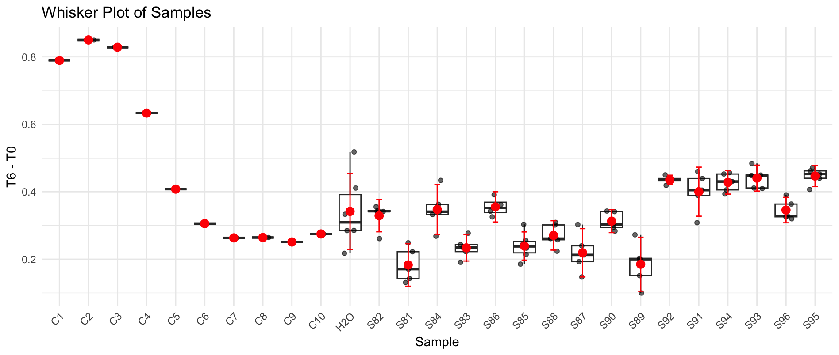
B6 | S84 | S84 | 1.424 | 1.099 | 1.0832510753 | 0.34074892468
B7 | S84 | S84 | 1.394 | 1.118 | 1.1256942701 | 0.26830572991
B8 | S84 | S83 | 1.416 | 1.149 | 1.1389330641 | 0.27706693591
B9 | S84 | S83 | 1.364 | 1.089 | 1.1206111391 | 0.24338886089
B10 | S84 | S83 | 1.338 | 1.052 | 1.1035729634 | 0.23442703662
B11 | H2O | S83 | 1.336 | 1.06 | 1.1136297717 | 0.22237022829
B12 | C2 | S83 | 1.301 | 1.029 | 1.1101444802 | 0.19085551979
C1 | S85 | C3 | 1.421 | 0.6 | 0.59265042224 | 0.82834957776
C2 | S85 | H2O | 1.409 | 1.08 | 1.0758561036 | 0.33314389638
C3 | S85 | S86 | 1.436 | 1.069 | 1.0448758487 | 0.39112415129
C4 | S85 | S86 | 1.428 | 1.085 | 1.0664560355 | 0.36154396446
C5 | S85 | S86 | 1.427 | 1.12 | 1.1016292922 | 0.32537070778
C6 | S85 | S86 | 1.436 | 1.119 | 1.0937474974 | 0.34225250261
C7 | S86 | S85 | 1.352 | 1.056 | 1.0962980769 | 0.25570192308
C8 | S86 | S85 | 1.462 | 1.207 | 1.1587808866 | 0.30321911337
C9 | S86 | S85 | 1.379 | 1.116 | 1.1359032814 | 0.24309671864
C10 | S86 | S85 | 1.365 | 1.101 | 1.1321294643 | 0.23287053571
C11 | H2O | S85 | 1.294 | 1.022 | 1.1085570421 | 0.18544295788
C12 | C3 | S85 | 1.34 | 1.075 | 1.1260173741 | 0.21398262593
D1 | S87 | C4 | 1.42 | 0.796 | 0.78680325704 | 0.63319674296
D2 | S87 | H2O | 1.399 | 1.11 | 1.1136447909 | 0.28535520908
D3 | S87 | S88 | 1.423 | 1.137 | 1.1214940926 | 0.30150590741
D4 | S87 | S88 | 1.461 | 1.199 | 1.1518883684 | 0.30911163159
D5 | S87 | S88 | 1.424 | 1.18 | 1.1630903265 | 0.26090967346
D6 | S88 | S88 | 1.42 | 1.176 | 1.1624128521 | 0.25758714789
D7 | S88 | S88 | 1.385 | 1.146 | 1.1613851534 | 0.22361484657
D8 | S88 | S87 | 1.495 | 1.27 | 1.1923505435 | 0.30264945652
D9 | S88 | S87 | 1.414 | 1.183 | 1.1742937809 | 0.23970621906
D10 | S88 | S87 | 1.378 | 1.144 | 1.1652476415 | 0.21275235849
D11 | H2O | S87 | 1.337 | 1.09 | 1.1442910901 | 0.19270890987
D12 | C4 | S87 | 1.28 | 1.033 | 1.1327440186 | 0.14725598145
E1 | S89 | C5 | 1.389 | 0.971 | 0.98120196634 | 0.40779803366
E2 | S89 | H2O | 1.422 | 1.152 | 1.1370886076 | 0.28491139241
E3 | S89 | S90 | 1.434 | 1.115 | 1.0913577624 | 0.34264223762
E4 | S89 | S90 | 1.448 | 1.142 | 1.1069779437 | 0.34102205628
E5 | S89 | S90 | 1.416 | 1.123 | 1.1131608625 | 0.30283913754
E6 | S90 | S90 | 1.426 | 1.161 | 1.1427576043 | 0.28324239569
E7 | S90 | S90 | 1.413 | 1.126 | 1.1185042905 | 0.29449570948
E8 | S90 | S89 | 1.183 | 0.913 | 1.0832469093 | 0.099753090659
E9 | S90 | S89 | 1.433 | 1.185 | 1.1606828986 | 0.27231710136
E10 | S90 | S89 | 1.355 | 1.115 | 1.1549867389 | 0.20001326107
E11 | H2O | S89 | 1.367 | 1.134 | 1.1643564832 | 0.20264351683
E12 | C5 | S89 | 1.3 | 1.064 | 1.1487875 | 0.1512125
F1 | S91 | C6 | 1.39 | 1.074 | 1.0845033723 | 0.3054966277
F2 | S91 | H2O | 1.434 | 1.243 | 1.2166436759 | 0.21735632409
F3 | S91 | S92 | 1.402 | 0.982 | 0.98311630706 | 0.41888369294
F4 | S91 | S92 | 1.447 | 1.028 | 0.99716266413 | 0.44983733587
F5 | S91 | S92 | 1.423 | 1.002 | 0.98833516339 | 0.43466483661
F6 | S92 | S92 | 1.435 | 1.018 | 0.99572016551 | 0.43927983449
F7 | S92 | S92 | 1.411 | 0.984 | 0.97883504607 | 0.43216495393
F8 | S92 | S91 | 1.443 | 1.032 | 1.0038175676 | 0.43918243243
F9 | S92 | S91 | 1.418 | 0.968 | 0.95816555007 | 0.45983444993
F10 | S92 | S91 | 1.417 | 1.022 | 1.0123308486 | 0.40466915138
F11 | H2O | S91 | 1.406 | 1.019 | 1.0172560677 | 0.38874393225
F12 | C6 | S91 | 1.337 | 0.98 | 1.0288121728 | 0.30818782723
G1 | S93 | C7 | 1.405 | 1.143 | 1.1418559831 | 0.2631440169
G2 | S93 | C9 | 1.466 | 1.269 | 1.2149798559 | 0.2510201441
G3 | S93 | S94 | 1.418 | 1.035 | 1.0244848598 | 0.39351514016
G4 | S93 | S94 | 1.429 | 1.042 | 1.023474239 | 0.40552576102
G5 | S93 | S94 | 1.456 | 1.064 | 1.025703125 | 0.430296875
G6 | S94 | S94 | 1.464 | 1.055 | 1.0114695398 | 0.45253046021
G7 | S94 | S94 | 1.426 | 0.985 | 0.96952303208 | 0.45647696792
G8 | S94 | S93 | 1.4 | 0.988 | 0.99053616071 | 0.40946383929
G9 | S94 | S93 | 1.417 | 0.977 | 0.96775659404 | 0.44924340596
G10 | S94 | S93 | 1.411 | 0.968 | 0.96291902906 | 0.44808097094
G11 | C9 | S93 | 1.427 | 0.959 | 0.94327008146 | 0.48372991854
G12 | C7 | S93 | 1.401 | 0.988 | 0.9898291399 | 0.4111708601
H1 | S95 | C8 | 1.479 | 1.28 | 1.214739689 | 0.26426031102
H2 | S95 | C10 | 1.45 | 1.214 | 1.1751467672 | 0.27485323276
H3 | S95 | S96 | 1.482 | 1.181 | 1.1185183662 | 0.36348163377
H4 | S95 | S96 | 1.448 | 1.155 | 1.1195792688 | 0.32842073118
H5 | S95 | S96 | 1.453 | 1.173 | 1.133114569 | 0.319885431
H6 | S96 | S96 | 1.448 | 1.091 | 1.057541976 | 0.390458024
H7 | S96 | S96 | 1.436 | 1.136 | 1.1103638579 | 0.32563614206
H8 | S96 | S95 | 1.463 | 1.101 | 1.0562930408 | 0.40670695916
H9 | S96 | S95 | 1.415 | 0.983 | 0.97507608216 | 0.43992391784
H10 | S96 | S95 | 1.413 | 0.967 | 0.96056274328 | 0.45243725672
H11 | C10 | S95 | 1.444 | 1 | 0.97201783241 | 0.47198216759
H12 | C8 | S95 | 1.442 | 1.007 | 0.98017954664 | 0.46182045336

Plate 7
Agarplate well | Sample Microplate | SAMPLE | Before | After | T6 adjusted | T6 - T0 | S97 | Bare_HP_Ct_1
A1 | S97 | C1 | 1.411 | 0.46 | 0.45826807229 | 0.95273192771 | S98 | Bare_HP_Mg_1
A2 | S97 | H2O | 1.428 | 1.094 | 1.07690625 | 0.35109375 | S99 | Bare_HP_NP_1
A3 | S97 | S98 | 1.441 | 1.164 | 1.1354755378 | 0.30552446218 | S100 | Bare_HP_Vx_1
A4 | S97 | S98 | 1.312 | 1.022 | 1.0949791349 | 0.21702086509 | S101 | Bare_LP_Cp_1
A5 | S97 | S98 | 1.44 | 1.13 | 1.1030742188 | 0.33692578125 | S102 | Bare_LP_Ct_1
A6 | S98 | S98 | 1.42 | 1.064 | 1.0532757042 | 0.36672429577 | S103 | Bare_LP_Mg_1
A7 | S98 | S98 | 1.434 | 1.123 | 1.1008277981 | 0.33317220188 | S104 | Bare_LP_NP_1
A8 | S98 | S97 | 1.42 | 1.141 | 1.1294996039 | 0.29050039613 | S105 | Bare_LP_Vx_1
A9 | S98 | S97 | 1.421 | 1.128 | 1.1158448276 | 0.30515517241 | S106 | Bare_NM_Cp_1
A10 | S98 | S97 | 1.396 | 1.109 | 1.1166958721 | 0.27930412787 | S107 | Bare_NM_Ct_1
A11 | H2O | S97 | 1.444 | 1.182 | 1.150638937 | 0.29336106302 | S108 | Bare_NM_Mg_1
A12 | C1 | S97 | 1.403 | 1.051 | 1.0530132306 | 0.34998676942 | S109 | Bare_NM_NP_1
B1 | S99 | C2 | 1.417 | 0.587 | 0.582313735 | 0.834686265 | S110 | Bare_NM_Vx_1
B2 | S99 | H2O | 1.43 | 1.122 | 1.1029240385 | 0.32707596154 | S111 | Bare_Cl_Cp_2
B3 | S99 | S100 | 1.434 | 1.148 | 1.125334205 | 0.30866579498 | S112 | Bare_Cl_Ct_2
B4 | S99 | S100 | 1.456 | 1.15 | 1.1102614183 | 0.34573858173
B5 | S99 | S100 | 1.449 | 1.123 | 1.0894320652 | 0.35956793478
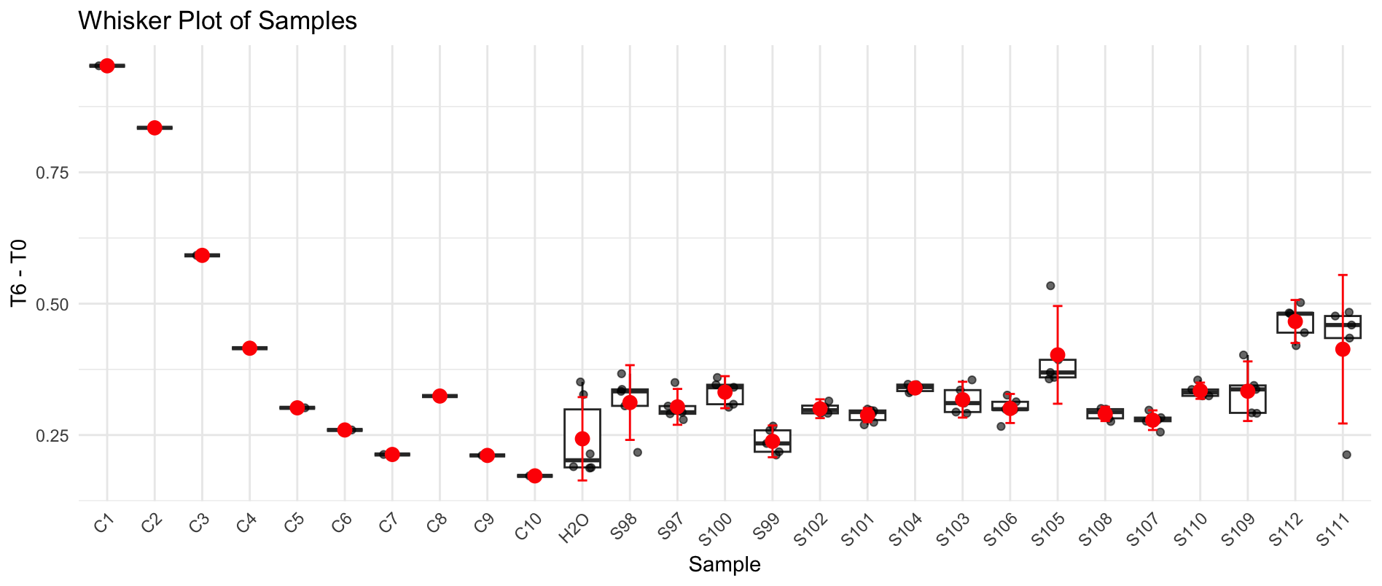
B6 | S100 | S100 | 1.417 | 1.123 | 1.1140346242 | 0.30296537579
B7 | S100 | S100 | 1.416 | 1.083 | 1.0751126854 | 0.34088731462
B8 | S100 | S99 | 1.407 | 1.141 | 1.1399356343 | 0.26706436567
B9 | S100 | S99 | 1.397 | 1.131 | 1.1380333304 | 0.25896666965
B10 | S100 | S99 | 1.366 | 1.1 | 1.1319591874 | 0.23404081259
B11 | H2O | S99 | 1.35 | 1.087 | 1.13183875 | 0.21816125
B12 | C2 | S99 | 1.304 | 1.013 | 1.0919949674 | 0.21200503259
C1 | S101 | C3 | 1.388 | 0.786 | 0.79601612032 | 0.59198387968
C2 | S101 | H2O | 1.38 | 1.171 | 1.1927971467 | 0.18720285326
C3 | S101 | S102 | 1.377 | 1.052 | 1.0739166667 | 0.30308333333
C4 | S101 | S102 | 1.395 | 1.072 | 1.0802129032 | 0.31478709677
C5 | S101 | S102 | 1.349 | 1.015 | 1.0576521961 | 0.29134780393
C6 | S101 | S102 | 1.336 | 0.993 | 1.0447961733 | 0.29120382672
C7 | S102 | S101 | 1.341 | 0.996 | 1.044045302 | 0.29695469799
C8 | S102 | S101 | 1.312 | 0.973 | 1.0424801353 | 0.26951986471
C9 | S102 | S101 | 1.317 | 0.977 | 1.0427917141 | 0.27420828588
C10 | S102 | S101 | 1.367 | 1.046 | 1.0756028713 | 0.29139712875
C11 | H2O | S101 | 1.35 | 1.009 | 1.05062125 | 0.29937875
C12 | C3 | S101 | 1.337 | 0.99 | 1.0408606021 | 0.29613939791
D1 | S103 | C4 | 1.439 | 1.048 | 1.0237390549 | 0.4152609451
D2 | S103 | H2O | 1.395 | 1.196 | 1.2051629032 | 0.18983709677
D3 | S103 | S104 | 1.378 | 1.011 | 1.0313135432 | 0.34668645682
D4 | S103 | S104 | 1.37 | 0.998 | 1.0239971715 | 0.34600282847
D5 | S103 | S104 | 1.343 | 0.957 | 1.0016700949 | 0.34132990506
D6 | S104 | S104 | 1.347 | 0.971 | 1.0133055401 | 0.33369445991
D7 | S104 | S104 | 1.332 | 0.949 | 1.0014995777 | 0.3305004223
D8 | S104 | S103 | 1.385 | 1.034 | 1.0494446751 | 0.33555532491
D9 | S104 | S103 | 1.325 | 0.956 | 1.0142167925 | 0.31078320755
D10 | S104 | S103 | 1.332 | 0.986 | 1.0405464527 | 0.2914535473
D11 | H2O | S103 | 1.341 | 0.999 | 1.0471900168 | 0.29380998322
D12 | C4 | S103 | 1.407 | 1.053 | 1.0520177239 | 0.35498227612
E1 | S105 | C5 | 1.423 | 1.135 | 1.1211913651 | 0.30180863493
E2 | S105 | H2O | 1.46 | 1.294 | 1.2458627568 | 0.21413724315
E3 | S105 | S106 | 1.459 | 1.205 | 1.1609687714 | 0.29803122858
E4 | S105 | S106 | 1.465 | 1.215 | 1.165809087 | 0.29919091297
E5 | S105 | S106 | 1.48 | 1.215 | 1.1539934544 | 0.32600654561
E6 | S106 | S106 | 1.435 | 1.193 | 1.1686307927 | 0.26636920732
E7 | S106 | S106 | 1.46 | 1.191 | 1.1466943921 | 0.31330560788
E8 | S106 | S105 | 1.434 | 0.918 | 0.89987526151 | 0.53412473849
E9 | S106 | S105 | 1.45 | 1.115 | 1.0809252155 | 0.36907478448
E10 | S106 | S105 | 1.438 | 1.106 | 1.0811476878 | 0.35685231224
E11 | H2O | S105 | 1.429 | 1.087 | 1.0692668387 | 0.3597331613
E12 | C5 | S105 | 1.433 | 1.06 | 1.0397967551 | 0.39320324494
F1 | S107 | C6 | 1.441 | 1.211 | 1.1813237769 | 0.25967622311
F2 | S107 | H2O | 1.447 | 1.296 | 1.2589986178 | 0.18800138217
F3 | S107 | S108 | 1.472 | 1.228 | 1.1726795177 | 0.29932048234
F4 | S107 | S108 | 1.466 | 1.235 | 1.1841910385 | 0.28180896146
F5 | S107 | S108 | 1.469 | 1.221 | 1.1683760636 | 0.30062393635
F6 | S108 | S108 | 1.431 | 1.176 | 1.1551981132 | 0.27580188679
F7 | S108 | S108 | 1.448 | 1.189 | 1.154255827 | 0.293744173
F8 | S108 | S107 | 1.434 | 1.181 | 1.1576826621 | 0.27631733787
F9 | S108 | S107 | 1.437 | 1.184 | 1.1582004175 | 0.27879958246
F10 | S108 | S107 | 1.447 | 1.198 | 1.1637965619 | 0.28320343815
F11 | H2O | S107 | 1.443 | 1.176 | 1.1455914761 | 0.29740852391
F12 | C6 | S107 | 1.415 | 1.167 | 1.1593196555 | 0.25568034452
G1 | S109 | C7 | 1.422 | 1.223 | 1.2089703323 | 0.21302966772
G2 | S109 | C9 | 1.448 | 1.274 | 1.2367720131 | 0.21122798688
G3 | S109 | S110 | 1.462 | 1.183 | 1.1374338663 | 0.32456613372
G4 | S109 | S110 | 1.456 | 1.165 | 1.1247430889 | 0.33125691106
G5 | S109 | S110 | 1.46 | 1.148 | 1.1052940068 | 0.35470599315
G6 | S110 | S110 | 1.436 | 1.123 | 1.0992946118 | 0.33670538823
G7 | S110 | S110 | 1.438 | 1.139 | 1.1134061631 | 0.32459383693
G8 | S110 | S109 | 1.383 | 1.074 | 1.0916184924 | 0.29138150759
G9 | S110 | S109 | 1.427 | 1.099 | 1.0825862386 | 0.34441376139
G10 | S110 | S109 | 1.364 | 1.04 | 1.0717851906 | 0.29221480938
G11 | C9 | S109 | 1.43 | 1.112 | 1.0930940559 | 0.33690594406
G12 | C7 | S109 | 1.409 | 1.009 | 1.0066278833 | 0.40237211675
H1 | S111 | C8 | 1.597 | 1.446 | 1.2727765341 | 0.32422346587
H2 | S111 | C10 | 1.384 | 1.193 | 1.2116944996 | 0.17230550036
H3 | S111 | S112 | 1.436 | 0.954 | 0.93386202994 | 0.50213797006
H4 | S111 | S112 | 1.383 | 0.923 | 0.93814140456 | 0.44485859544
H5 | S111 | S112 | 1.375 | 0.934 | 0.95484518182 | 0.42015481818
H6 | S112 | S112 | 1.425 | 0.957 | 0.94403013158 | 0.48096986842
H7 | S112 | S112 | 1.394 | 0.904 | 0.91157926829 | 0.48242073171
H8 | S112 | S111 | 1.353 | 0.884 | 0.91842405765 | 0.43457594235
H9 | S112 | S111 | 1.405 | 0.928 | 0.92845409253 | 0.47654590747
H10 | S112 | S111 | 1.429 | 0.961 | 0.94532238453 | 0.48367761547
H11 | C10 | S111 | 1.374 | 0.894 | 0.914617631 | 0.459382369
H12 | C8 | S111 | 1.084 | 0.672 | 0.87142250923 | 0.21257749077

Plate 8
Agarplate well | Sample Microplate | SAMPLE | Before | After | T6 adjusted | T6 - T0 | S113 | Bare_Cl_Mg_2
A1 | S113 | C1 | 1.254 | 0.293 | 0.31107397993 | 0.94292602007 | S114 | Bare_Cl_NP_2
A2 | S113 | H2O | 1.28 | 0.63 | 0.65527587891 | 0.62472412109 | S115 | Bare_Cl_Vx_2
A3 | S113 | S114 | 1.298 | 0.779 | 0.79901763932 | 0.49898236068 | S116 | Bare_LP_Cp_2
A4 | S113 | S114 | 1.315 | 0.862 | 0.87272037389 | 0.44227962611 | S117 | Bare_LP_Ct_2
A5 | S113 | S114 | 1.312 | 0.873 | 0.88587819169 | 0.42612180831 | S118 | Bare_LP_Mg_2
A6 | S114 | S114 | 1.361 | 0.865 | 0.8461582323 | 0.5148417677 | S119 | Bare_LP_NP_2
A7 | S114 | S114 | 1.371 | 0.849 | 0.82444907914 | 0.54655092086 | S120 | Bare_LP_Vx_2
A8 | S114 | S113 | 1.358 | 0.824 | 0.80783198331 | 0.55016801669 | S121 | Bare_HP_Cp_2
A9 | S114 | S113 | 1.378 | 0.817 | 0.78934423379 | 0.58865576621 | S122 | Bare_HP_Ct_2
A10 | S114 | S113 | 1.192 | 0.783 | 0.87453885277 | 0.31746114723 | S123 | Bare_HP_Mg_2
A11 | H2O | S113 | 1.311 | 0.82 | 0.83273105772 | 0.47826894228 | S124 | Bare_HP_NP_2
A12 | C1 | S113 | 1.299 | 0.751 | 0.76970514178 | 0.52929485822 | S125 | Bare_HP_Vx_2
B1 | S115 | C2 | 1.258 | 0.403 | 0.4264989898 | 0.8315010102 | S126 | Bare_NM_Cp_2
B2 | S115 | H2O | 1.272 | 0.814 | 0.8519829337 | 0.4200170663 | S127 | Bare_NM_Ct_2
B3 | S115 | S116 | 1.295 | 0.688 | 0.70731402831 | 0.58768597169 | S128 | Bare_NM_Mg_2
B4 | S115 | S116 | 1.339 | 0.843 | 0.83818637976 | 0.50081362024
B5 | S115 | S116 | 1.319 | 0.847 | 0.854933267 | 0.464066733
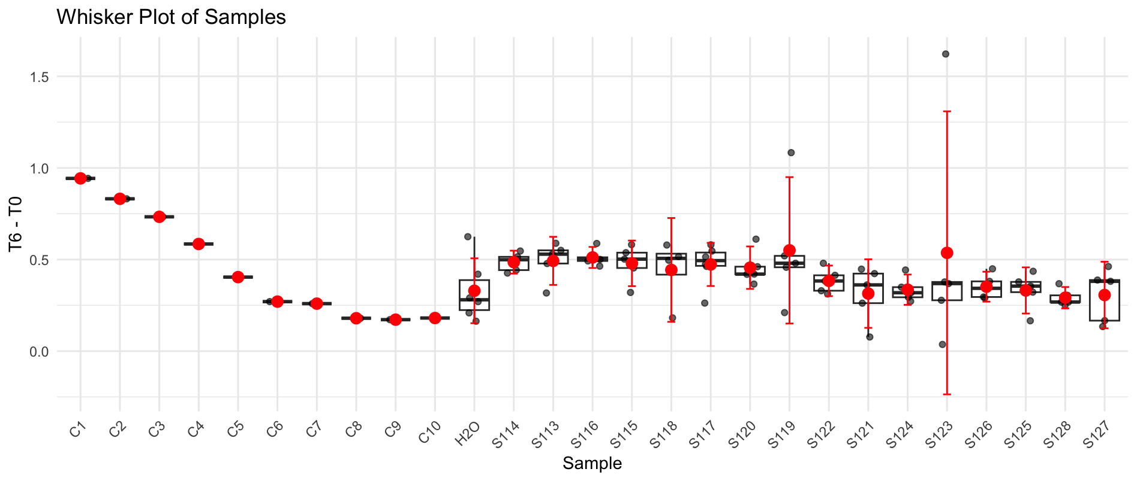
B6 | S116 | S116 | 1.338 | 0.85 | 0.84577805805 | 0.49222194195
B7 | S116 | S116 | 1.343 | 0.838 | 0.83073327749 | 0.51226672251
B8 | S116 | S115 | 1.355 | 0.832 | 0.81748093481 | 0.53751906519
B9 | S116 | S115 | 1.367 | 0.888 | 0.86484455011 | 0.50215544989
B10 | S116 | S115 | 1.202 | 0.796 | 0.88166216029 | 0.32033783971
B11 | H2O | S115 | 1.356 | 0.789 | 0.77465961468 | 0.58134038532
B12 | C2 | S115 | 1.26 | 0.763 | 0.80620891204 | 0.45379108796
C1 | S117 | C3 | 1.278 | 0.523 | 0.54483429512 | 0.73316570488
C2 | S117 | H2O | 1.274 | 0.941 | 0.98336284995 | 0.29063715005
C3 | S117 | S118 | 1.306 | 0.713 | 0.72684189957 | 0.57915810043
C4 | S117 | S118 | 1.349 | 1.183 | 1.1675255591 | 0.18147444094
C5 | S117 | S118 | 1.355 | 0.874 | 0.85874800123 | 0.49625199877
C6 | S117 | S118 | 1.381 | 0.897 | 0.86475357531 | 0.51624642469
C7 | S118 | S117 | 1.369 | 0.932 | 0.90637113465 | 0.46262886535
C8 | S118 | S117 | 1.385 | 0.906 | 0.87090749097 | 0.51409250903
C9 | S118 | S117 | 1.391 | 0.847 | 0.8106807902 | 0.5803192098
C10 | S118 | S117 | 1.203 | 0.85 | 0.9406908077 | 0.2623091923
C11 | H2O | S117 | 1.369 | 0.846 | 0.82273602995 | 0.54626397005
C12 | C3 | S117 | 1.327 | 0.85 | 0.85278902914 | 0.47421097086
D1 | S119 | C4 | 1.26 | 0.639 | 0.67518675595 | 0.58481324405
D2 | S119 | H2O | 1.28 | 0.971 | 1.0099569499 | 0.27004305013
D3 | S119 | S120 | 1.33 | 0.718 | 0.71873104637 | 0.61126895363
D4 | S119 | S120 | 1.323 | 0.951 | 0.95700514928 | 0.36599485072
D5 | S119 | S120 | 1.335 | 0.917 | 0.91449570849 | 0.42050429151
D6 | S120 | S120 | 1.352 | 0.947 | 0.93253875431 | 0.41946124569
D7 | S120 | S120 | 1.375 | 0.944 | 0.91403515152 | 0.46096484848
D8 | S120 | S119 | 1.391 | 0.91 | 0.87097936137 | 0.52002063863
D9 | S120 | S119 | 1.769 | 0.911 | 0.68562105474 | 1.0833789453
D10 | S120 | S119 | 1.203 | 0.897 | 0.99270547589 | 0.21029452411
D11 | H2O | S119 | 1.357 | 0.894 | 0.87710436625 | 0.47989563375
D12 | C4 | S119 | 1.34 | 0.888 | 0.88227052239 | 0.45772947761
E1 | S121 | C5 | 1.27 | 0.826 | 0.86590436352 | 0.40409563648
E2 | S121 | H2O | 1.298 | 1.062 | 1.0892897727 | 0.20871022727
E3 | S121 | S122 | 1.329 | 0.848 | 0.84950213193 | 0.47949786807
E4 | S121 | S122 | 1.339 | 1.015 | 1.0092042413 | 0.32979575865
E5 | S121 | S122 | 1.347 | 1.047 | 1.0348387621 | 0.31216123794
E6 | S122 | S122 | 1.369 | 1.014 | 0.98611623448 | 0.38288376552
E7 | S122 | S122 | 1.369 | 0.982 | 0.95499619552 | 0.41400380448
E8 | S122 | S121 | 1.383 | 0.997 | 0.95976869426 | 0.42323130574
E9 | S122 | S121 | 1.394 | 0.991 | 0.94646483441 | 0.44753516559
E10 | S122 | S121 | 1.168 | 0.957 | 1.0908441246 | 0.077155875428
E11 | H2O | S121 | 1.321 | 0.952 | 0.95946189755 | 0.36153810245
E12 | C5 | S121 | 1.276 | 0.972 | 1.0141663401 | 0.26183365987
F1 | S123 | C6 | 1.269 | 0.952 | 0.99877790911 | 0.27022209089
F2 | S123 | H2O | 1.293 | 1.097 | 1.1295402327 | 0.16345976734
F3 | S123 | S124 | 1.322 | 0.873 | 0.87917714637 | 0.44282285363
F4 | S123 | S124 | 1.339 | 1.073 | 1.0668730551 | 0.27212694486
F5 | S123 | S124 | 1.367 | 1.045 | 1.0177506248 | 0.34924937515
F6 | S124 | S124 | 1.349 | 1.069 | 1.0550167562 | 0.29398324376
F7 | S124 | S124 | 1.353 | 1.051 | 1.0341856831 | 0.31881431695
F8 | S124 | S123 | 1.371 | 1.032 | 1.0021571845 | 0.36884281546
F9 | S124 | S123 | 2.24 | 1.04 | 0.61812872024 | 1.6218712798
F10 | S124 | S123 | 1.178 | 1.01 | 1.1414836234 | 0.036516376627
F11 | H2O | S123 | 1.354 | 0.993 | 0.97639194055 | 0.37760805945
F12 | C6 | S123 | 1.322 | 1.037 | 1.0443375725 | 0.27766242751
G1 | S125 | C7 | 1.267 | 0.959 | 1.0077100599 | 0.25928994015
G2 | S125 | C9 | 1.298 | 1.098 | 1.1262148498 | 0.17178515023
G3 | S125 | S126 | 1.31 | 0.847 | 0.86080685433 | 0.44919314567
G4 | S125 | S126 | 1.319 | 1.019 | 1.0285442728 | 0.29045572719
G5 | S125 | S126 | 1.332 | 1.037 | 1.0364972003 | 0.29550279967
G6 | S126 | S126 | 1.36 | 1.039 | 1.0171154259 | 0.34288457414
G7 | S126 | S126 | 1.361 | 1.002 | 0.98017404482 | 0.38082595518
G8 | S126 | S125 | 1.375 | 0.97 | 0.93920984848 | 0.43579015152
G9 | S126 | S125 | 1.369 | 1.019 | 0.99097874056 | 0.37802125944
G10 | S126 | S125 | 1.224 | 0.973 | 1.0583395459 | 0.16566045411
G11 | C9 | S125 | 1.327 | 0.969 | 0.97217949322 | 0.35482050678
G12 | C7 | S125 | 1.311 | 0.974 | 0.98912201246 | 0.32187798754
H1 | S127 | C8 | 1.254 | 1.012 | 1.0744261696 | 0.17957383041
H2 | S127 | C10 | 1.289 | 1.073 | 1.1082568044 | 0.18074319563
H3 | S127 | S128 | 1.294 | 0.9 | 0.92598048686 | 0.36801951314
H4 | S127 | S128 | 1.316 | 1.053 | 1.0652856668 | 0.25071433321
H5 | S127 | S128 | 1.32 | 1.043 | 1.051971512 | 0.26802848801
H6 | S128 | S128 | 1.337 | 1.074 | 1.0694647532 | 0.26753524682
H7 | S128 | S128 | 1.341 | 1.044 | 1.0364904922 | 0.30450950783
H8 | S128 | S127 | 1.355 | 0.909 | 0.89313722325 | 0.46186277675
H9 | S128 | S127 | 1.352 | 0.986 | 0.97094320143 | 0.38105679857
H10 | S128 | S127 | 1.199 | 0.959 | 1.0648612559 | 0.13413874409
H11 | C10 | S127 | 1.225 | 0.974 | 1.058562415 | 0.16643758503
H12 | C8 | S127 | 1.32 | 0.924 | 0.93194791667 | 0.38805208333

Plate 9
Agarplate well | Sample Microplate | SAMPLE | Before | After | T6 adjusted | T6 - T0 | S129 | Bare_NM_NP_2
A1 | S129 | C1 | 1.065 | 0.342 | 0.40622535211 | 0.65877464789 | S130 | Bare_NM_Vx_2
A2 | S129 | H2O | 1.28 | 0.756 | 0.747140625 | 0.532859375 | S131 | Bare_Cl_Cp_3
A3 | S129 | S130 | 1.27 | 0.921 | 0.91737401575 | 0.35262598425 | S132 | Bare_Cl_Ct_3
A4 | S129 | S130 | 1.262 | 0.959 | 0.96127971474 | 0.30072028526 | S133 | Bare_Cl_NP_3
A5 | S129 | S130 | 1.27 | 0.989 | 0.98510629921 | 0.28489370079 | S134 | Bare_Cl_Mg_3
A6 | S130 | S130 | 1.373 | 0.952 | 0.87711580481 | 0.49588419519 | S135 | Bare_Cl_Vx_3
A7 | S130 | S130 | 1.291 | 0.948 | 0.92890782339 | 0.36209217661 | S136 | Bare_HP_Cp_3
A8 | S130 | S129 | 1.289 | 0.832 | 0.81650892164 | 0.47249107836 | S137 | Bare_HP_Ct_3
A9 | S130 | S129 | 1.269 | 0.884 | 0.88121355398 | 0.38778644602 | S138 | Bare_HP_Mg_3
A10 | S130 | S129 | 1.263 | 0.921 | 0.9224584323 | 0.3405415677 | S139 | Bare_HP_NP_3
A11 | H2O | S129 | 1.266 | 0.893 | 0.89229462875 | 0.37370537125 | S140 | Bare_HP_Vx_3
A12 | C1 | S129 | 1.22 | 0.811 | 0.84091393443 | 0.37908606557 | S141 | Bare_LP_Cp_3
B1 | S131 | C2 | 1.133 | 0.454 | 0.50689320388 | 0.62610679612 | S142 | Bare_LP_Mg_3
B2 | S131 | H2O | 1.255 | 0.824 | 0.83056573705 | 0.42443426295 | S143 | Bare_LP_Ct_3
B3 | S131 | S132 | 1.261 | 0.822 | 0.8246074544 | 0.4363925456
B4 | S131 | S132 | 1.243 | 0.796 | 0.81008849558 | 0.43291150442
B5 | S131 | S132 | 1.291 | 0.861 | 0.84365995352 | 0.44734004648
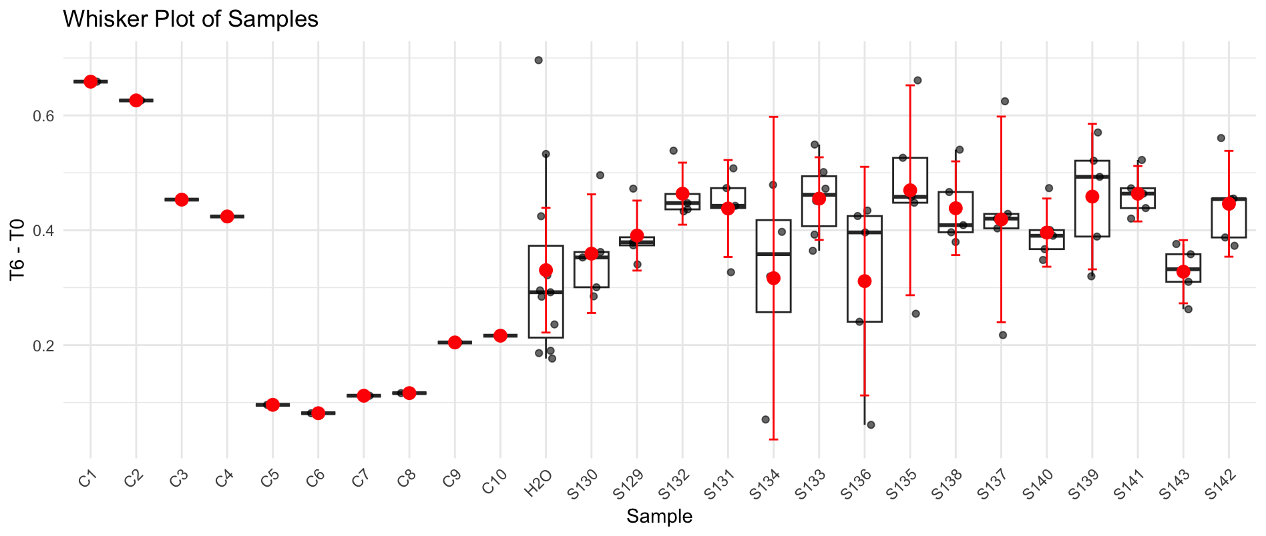
B6 | S132 | S132 | 1.321 | 0.817 | 0.7823656321 | 0.5386343679
B7 | S132 | S132 | 1.303 | 0.865 | 0.83977359939 | 0.46322640061
B8 | S132 | S131 | 1.308 | 0.863 | 0.83462920489 | 0.47337079511
B9 | S132 | S131 | 1.309 | 0.829 | 0.80113445378 | 0.50786554622
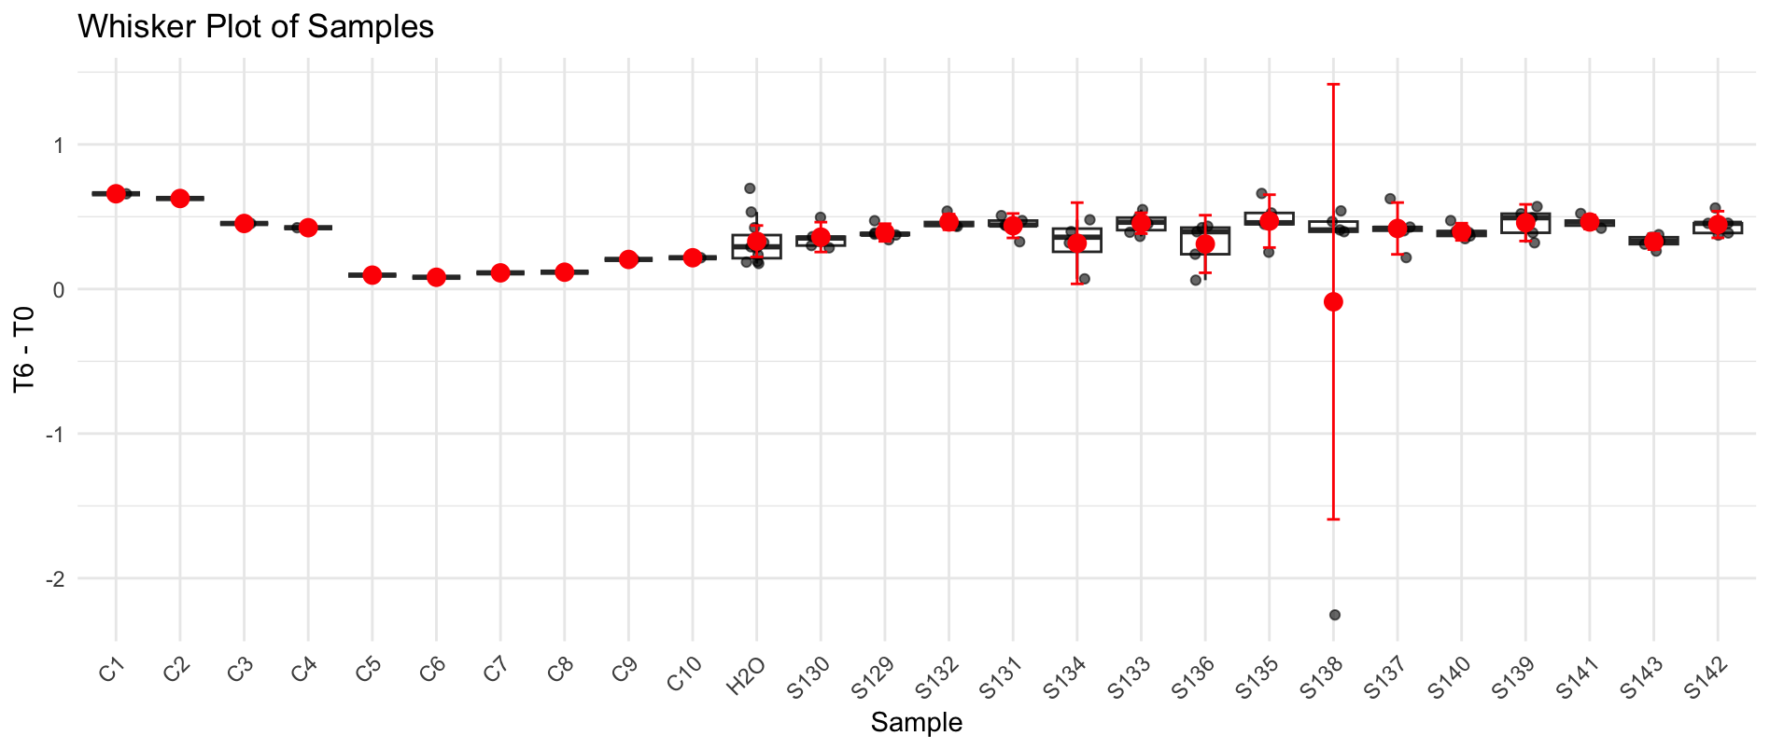
B10 | S132 | S131 | 1.215 | 0.853 | 0.88810288066 | 0.32689711934
B11 | H2O | S131 | 1.278 | 0.844 | 0.83541471049 | 0.44258528951
B12 | C2 | S131 | 1.231 | 0.771 | 0.79229488221 | 0.43870511779
C1 | S133 | C3 | 1.112 | 0.579 | 0.65866456835 | 0.45333543165
C2 | S133 | H2O | 1.225 | 0.911 | 0.94074693878 | 0.28425306122
C3 | S133 | S134 | 1.232 | 0.813 | 0.83477678571 | 0.39722321429
C4 | S133 | S134 | 1.077 | 0.857 | 1.0065970288 | 0.070402971216
C5 | S133 | S134 | 1.218 | 0.865 | 0.89837848933 | 0.31962151067
C6 | S133 | S134 | 1.315 | 0.869 | 0.8359581749 | 0.4790418251
C7 | S134 | S133 | 1.299 | 0.931 | 0.90663202463 | 0.39236797537
C8 | S134 | S133 | 1.321 | 0.856 | 0.81971233914 | 0.50128766086
C9 | S134 | S133 | 1.202 | 0.796 | 0.83772046589 | 0.36427953411
C10 | S134 | S133 | 1.301 | 0.874 | 0.84981552652 | 0.45118447348
C11 | H2O | S133 | 1.308 | 0.864 | 0.83559633028 | 0.47240366972
C12 | C3 | S133 | 1.269 | 0.722 | 0.71972419228 | 0.54927580772
D1 | S135 | C4 | 1.15 | 0.66 | 0.726 | 0.424
D2 | S135 | H2O | 1.293 | 0.993 | 0.97149651972 | 0.32150348028
D3 | S135 | S136 | 1.267 | 0.834 | 0.83268350434 | 0.43431649566
D4 | S135 | S136 | 1.235 | 0.791 | 0.8102145749 | 0.4247854251
D5 | S135 | S136 | 1.122 | 0.941 | 1.0609313725 | 0.061068627451
D6 | S136 | S136 | 1.299 | 0.927 | 0.90273672055 | 0.39626327945
D7 | S136 | S136 | 1.187 | 0.888 | 0.94635214827 | 0.24064785173
D8 | S136 | S135 | 1.347 | 0.874 | 0.82079435783 | 0.52620564217 |  |  | `
D9 | S136 | S135 | 1.169 | 0.845 | 0.91439264328 | 0.25460735672
D10 | S136 | S135 | 1.309 | 0.891 | 0.86105042017 | 0.44794957983
D11 | H2O | S135 | 1.31 | 0.882 | 0.85170229008 | 0.45829770992
D12 | C4 | S135 | 1.319 | 0.686 | 0.65791508719 | 0.66108491281
E1 | S137 | C5 | 1.062 | 0.811 | 0.96602165725 | 0.09597834275
E2 | S137 | H2O | 1.265 | 1.029 | 1.029 | 0.236
E3 | S137 | S138 | 1.27 | 0.877 | 0.87354724409 | 0.39645275591
E4 | S137 | S138 | 1.26 | 3.5 | 3.5138888889 | -2.2538888889
E5 | S137 | S138 | 1.292 | 0.902 | 0.8831501548 | 0.4088498452
E6 | S138 | S138 | 1.337 | 0.842 | 0.79665669409 | 0.54034330591
E7 | S138 | S138 | 1.349 | 0.941 | 0.88240548554 | 0.46659451446
E8 | S138 | S137 | 1.342 | 0.761 | 0.71733606557 | 0.62466393443
E9 | S138 | S137 | 1.158 | 0.861 | 0.94055699482 | 0.21744300518
E10 | S138 | S137 | 1.317 | 0.925 | 0.88847760061 | 0.42852239939
E11 | H2O | S137 | 1.31 | 0.939 | 0.90674427481 | 0.40325572519
E12 | C5 | S137 | 1.267 | 0.848 | 0.84666140489 | 0.42033859511
F1 | S139 | C6 | 1.112 | 0.906 | 1.0306564748 | 0.08134352518
F2 | S139 | H2O | 1.311 | 1.056 | 1.0189473684 | 0.29205263158
F3 | S139 | S140 | 1.284 | 0.897 | 0.88372663551 | 0.40027336449
F4 | S139 | S140 | 1.245 | 0.864 | 0.87787951807 | 0.36712048193
F5 | S139 | S140 | 1.305 | 0.987 | 0.95674712644 | 0.34825287356
F6 | S140 | S140 | 1.361 | 0.955 | 0.88763776635 | 0.47336223365
F7 | S140 | S140 | 1.299 | 0.933 | 0.90857967667 | 0.39042032333
F8 | S140 | S139 | 1.322 | 0.837 | 0.80091149773 | 0.52108850227
F9 | S140 | S139 | 1.285 | 0.726 | 0.71470038911 | 0.57029961089
F10 | S140 | S139 | 1.247 | 0.914 | 0.92719326383 | 0.31980673617
F11 | H2O | S139 | 1.293 | 0.924 | 0.90399071926 | 0.38900928074
F12 | C6 | S139 | 1.27 | 0.78 | 0.77692913386 | 0.49307086614
G1 | S141 | C7 | 1.153 | 0.949 | 1.0411838682 | 0.11181613183
G2 | S141 | C9 | 1.25 | 1.033 | 1.045396 | 0.204604
G3 | S141 | H2O | 1.277 | 0.991 | 0.98168754894 | 0.29531245106
G4 | S141 | H2O | 1.258 | 1.066 | 1.0719316375 | 0.18606836248
G5 | S141 | H2O | 1.563 | 1.071 | 0.86680422265 | 0.69619577735
G6 | H2O | H2O | 1.264 | 1.073 | 1.0738488924 | 0.19015110759
G7 | H2O | H2O | 1.268 | 1.094 | 1.0914116719 | 0.17658832808
G8 | H2O | S141 | 1.333 | 0.916 | 0.86927231808 | 0.46372768192
G9 | H2O | S141 | 1.267 | 0.848 | 0.84666140489 | 0.42033859511
G10 | H2O | S141 | 1.278 | 0.848 | 0.83937402191 | 0.43862597809
G11 | C9 | S141 | 1.309 | 0.865 | 0.83592436975 | 0.47307563025
G12 | C7 | S141 | 1.264 | 0.741 | 0.74158623418 | 0.52241376582
H1 | S142 | C8 | 1.168 | 0.971 | 1.0516395548 | 0.11636044521
H2 | S142 | C10 | 1.252 | 1.025 | 1.0356429712 | 0.21635702875
H3 | S142 | S143 | 1.26 | 0.946 | 0.94975396825 | 0.31024603175
H4 | S142 | S143 | 1.279 | 0.931 | 0.92080922596 | 0.35819077404
H5 | S142 | S143 | 1.237 | 0.953 | 0.97457154406 | 0.26242845594
H6 | S143 | S143 | 1.294 | 0.984 | 0.96194744977 | 0.33205255023
H7 | S143 | S143 | 1.32 | 0.985 | 0.94395833333 | 0.37604166667
H8 | S143 | S142 | 1.329 | 0.919 | 0.87474416855 | 0.45425583145
H9 | S143 | S142 | 1.304 | 0.875 | 0.84883052147 | 0.45516947853
H10 | S143 | S142 | 1.272 | 0.904 | 0.89902515723 | 0.37297484277
H11 | C10 | S142 | 1.284 | 0.91 | 0.89653426791 | 0.38746573209
H12 | C8 | S142 | 1.242 | 0.669 | 0.68138888889 | 0.56061111111

Plate 10
Agarplate well | Sample Microplate | SAMPLE | Before | After | T6 adjusted | T6 - T0 | S144 | Bare_LP_Mg_3
A1 | S144 | C1 | 1.143 | 0.27 | 0.3221382874 | 0.8208617126 | S145 | Bare_LP_NP_3
A2 | S144 | H2O | 1.315 | 0.687 | 0.71245230513 | 0.60254769487 | S146 | Bare_LP_Vx_3
A3 | S144 | S145 | 1.379 | 0.677 | 0.66949789249 | 0.70950210751 | S147 | Bare_NM_Cp_3
A4 | S144 | S145 | 1.365 | 0.745 | 0.74430070971 | 0.62069929029 | S148 | Bare_NM_Ct_3
A5 | S144 | S145 | 1.372 | 0.686 | 0.681859375 | 0.690140625 | S149 | Bare_NM_Mg_3
A6 | S145 | S145 | 1.37 | 0.746 | 0.74257969891 | 0.62742030109 | S150 | Bare_NM_NP_3
A7 | S145 | S145 | 1.38 | 0.732 | 0.7233638587 | 0.6566361413 | S151 | Bare_NM_Vx_3
A8 | S145 | S144 | 1.365 | 0.759 | 0.75828756868 | 0.60671243132 | S152 | Bare_Cl_Cp_4
A9 | S145 | S144 | 1.392 | 0.817 | 0.80040101922 | 0.59159898078 | S153 | Bare_Cl_Ct_4
A10 | S145 | S144 | 1.391 | 0.766 | 0.75097668045 | 0.64002331955 | S154 | Bare_Cl_Mg_4
A11 | H2O | S144 | 1.381 | 0.809 | 0.79887651611 | 0.58212348389 | S155 | Bare_Cl_NP_4
A12 | C1 | S144 | 1.375 | 0.804 | 0.79740354545 | 0.57759645455 | S156 | Bare_Cl_Vx_4
B1 | S146 | C2 | 1.142 | 0.324 | 0.38690444396 | 0.75509555604 | S157 | Bare_HP_Cp_4
B2 | S146 | H2O | 1.325 | 0.764 | 0.78632537736 | 0.53867462264 | S158 | Bare_HP_Ct_4
B3 | S146 | S147 | 1.245 | 0.772 | 0.84561516064 | 0.39938483936
B4 | S146 | S147 | 1.388 | 0.916 | 0.8999757745 | 0.4880242255
B5 | S146 | S147 | 1.389 | 0.92 | 0.9032550396 | 0.4857449604
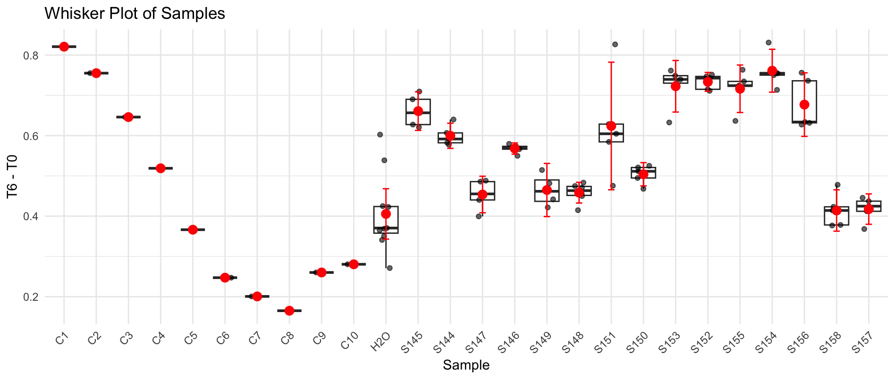
B6 | S147 | S147 | 1.349 | 0.899 | 0.90880886305 | 0.44019113695
B7 | S147 | S147 | 1.361 | 0.904 | 0.90580584129 | 0.45519415871
B8 | S147 | S146 | 1.376 | 0.817 | 0.80970800781 | 0.56629199219
B9 | S147 | S146 | 1.393 | 0.831 | 0.81353214734 | 0.57946785266
B10 | S147 | S146 | 1.391 | 0.834 | 0.81764301761 | 0.57335698239
B11 | H2O | S146 | 1.377 | 0.814 | 0.80614891975 | 0.57085108025
B12 | C2 | S146 | 1.365 | 0.816 | 0.81523406593 | 0.54976593407
C1 | S148 | C3 | 1.15 | 0.425 | 0.5039830163 | 0.6460169837
C2 | S148 | H2O | 1.332 | 0.888 | 0.90914583333 | 0.42285416667
C3 | S148 | S149 | 1.284 | 0.812 | 0.86241403816 | 0.42158596184
C4 | S148 | S149 | 1.397 | 0.904 | 0.88246367215 | 0.51453632785
C5 | S148 | S149 | 1.406 | 0.953 | 0.9243413718 | 0.4816586282
C6 | S148 | S149 | 1.356 | 0.909 | 0.9141742948 | 0.4418257052
C7 | S149 | S148 | 1.38 | 0.935 | 0.92396886322 | 0.45603113678
C8 | S149 | S148 | 1.377 | 0.936 | 0.92697222222 | 0.45002777778
C9 | S149 | S148 | 1.411 | 0.96 | 0.9278313253 | 0.4831686747
C10 | S149 | S148 | 1.417 | 0.979 | 0.94218818366 | 0.47481181634
C11 | H2O | S148 | 1.407 | 0.966 | 0.93628451493 | 0.47071548507
C12 | C3 | S148 | 1.372 | 0.963 | 0.95718743167 | 0.41481256833
D1 | S150 | C4 | 1.171 | 0.56 | 0.65216268147 | 0.51883731853
D2 | S150 | H2O | 1.339 | 0.951 | 0.96855603529 | 0.37044396471
D3 | S150 | S151 | 1.266 | 0.734 | 0.79065526264 | 0.47534473736
D4 | S150 | S151 | 1.394 | 0.58 | 0.56740091463 | 0.82659908537
D5 | S150 | S151 | 1.394 | 0.807 | 0.78946989329 | 0.60453010671
D6 | S151 | S151 | 1.415 | 0.816 | 0.78642720848 | 0.62857279152
D7 | S151 | S151 | 1.406 | 0.847 | 0.82152900516 | 0.58447099484
D8 | S151 | S150 | 1.401 | 0.931 | 0.9062256647 | 0.4947743353
D9 | S151 | S150 | 1.405 | 0.911 | 0.88423329626 | 0.52076670374
D10 | S151 | S150 | 1.407 | 0.91 | 0.88200715174 | 0.52499284826
D11 | H2O | S150 | 1.417 | 0.941 | 0.90561703864 | 0.51138296136
D12 | C4 | S150 | 1.377 | 0.918 | 0.90914583333 | 0.46785416667
E1 | S152 | C5 | 1.162 | 0.678 | 0.79569820353 | 0.36630179647
E2 | S152 | H2O | 1.357 | 0.987 | 0.99188681374 | 0.36511318626
E3 | S152 | S153 | 1.295 | 0.629 | 0.66237767857 | 0.63262232143
E4 | S152 | S153 | 1.391 | 0.655 | 0.64215368889 | 0.74884631111
E5 | S152 | S153 | 1.402 | 0.681 | 0.66240546986 | 0.73959453014
E6 | S153 | S153 | 1.381 | 0.659 | 0.65075355268 | 0.73024644732
E7 | S153 | S153 | 1.409 | 0.669 | 0.64750024397 | 0.76149975603
E8 | S153 | S152 | 1.412 | 0.684 | 0.66061163244 | 0.75138836756
E9 | S153 | S152 | 1.424 | 0.707 | 0.67707103669 | 0.74692896331
E10 | S153 | S152 | 1.409 | 0.717 | 0.69395766057 | 0.71504233943
E11 | H2O | S152 | 1.414 | 0.696 | 0.67125053041 | 0.74274946959
E12 | C5 | S152 | 1.398 | 0.704 | 0.68673676681 | 0.71126323319
F1 | S154 | C6 | 1.161 | 0.778 | 0.91384426141 | 0.24715573859
F2 | S154 | H2O | 1.35 | 0.999 | 1.009151875 | 0.340848125
F3 | S154 | S155 | 1.292 | 0.621 | 0.65547162829 | 0.63652837171
F4 | S154 | S155 | 1.39 | 0.68 | 0.66714298561 | 0.72285701439
F5 | S154 | S155 | 1.404 | 0.7 | 0.6799167557 | 0.7240832443
F6 | S155 | S155 | 1.435 | 0.737 | 0.70039074477 | 0.73460925523
F7 | S155 | S155 | 1.413 | 0.673 | 0.64952775566 | 0.76347224434
F8 | S155 | S154 | 1.407 | 0.673 | 0.65229759684 | 0.75470240316
F9 | S155 | S154 | 1.414 | 0.682 | 0.65774836457 | 0.75625163543
F10 | S155 | S154 | 1.421 | 0.699 | 0.67082294599 | 0.75017705401
F11 | H2O | S154 | 1.411 | 0.6 | 0.57989457831 | 0.83110542169
F12 | C6 | S154 | 1.391 | 0.691 | 0.6774476321 | 0.7135523679
G1 | S156 | C7 | 1.174 | 0.838 | 0.97342104983 | 0.20057895017
G2 | S156 | C9 | 1.281 | 0.959 | 1.0209260587 | 0.26007394126
G3 | S156 | H2O | 1.274 | 0.937 | 1.0029862392 | 0.27101376079
G4 | S156 | H2O | 1.393 | 1.065 | 1.0426134018 | 0.35038659817
G5 | S156 | H2O | 1.408 | 1.073 | 1.0392544167 | 0.36874558327
G6 | H2O | H2O | 1.438 | 1.089 | 1.0327466751 | 0.40525332493
G7 | H2O | H2O | 1.404 | 1.008 | 0.97908012821 | 0.42491987179
G8 | H2O | S156 | 1.421 | 0.827 | 0.79366319933 | 0.62733680067
G9 | H2O | S156 | 1.397 | 0.784 | 0.76532247674 | 0.63167752326
G10 | H2O | S156 | 1.385 | 0.763 | 0.7512761056 | 0.6337238944
G11 | C9 | S156 | 1.412 | 0.679 | 0.65578260004 | 0.75621739996
G12 | C7 | S156 | 1.383 | 0.656 | 0.64685430224 | 0.73614569776
H1 | S157 | C8 | 1.178 | 0.875 | 1.0129489866 | 0.16505101337
H2 | S157 | C10 | 1.368 | 1.091 | 1.0875856405 | 0.28041435947
H3 | S157 | S158 | 1.343 | 0.852 | 0.86514398734 | 0.47785601266
H4 | S157 | S158 | 1.396 | 1.042 | 1.017904683 | 0.37809531698
H5 | S157 | S158 | 1.449 | 1.09 | 1.025847783 | 0.42315221705
H6 | S158 | S158 | 1.438 | 1.119 | 1.0611969967 | 0.3768030033
H7 | S158 | S158 | 1.447 | 1.096 | 1.0329203525 | 0.41407964755
H8 | S158 | S157 | 1.405 | 1.023 | 0.99294254893 | 0.41205745107
H9 | S158 | S157 | 1.402 | 1.063 | 1.033975058 | 0.36802494205
H10 | S158 | S157 | 1.407 | 0.992 | 0.96148471926 | 0.44551528074
H11 | C10 | S157 | 1.397 | 0.996 | 0.97227192198 | 0.42472807802
H12 | C8 | S157 | 1.364 | 0.927 | 0.92680885722 | 0.43719114278

Plate 11
Agarplate well | Sample Microplate | SAMPLE | Before | After | T6 adjusted | T6 - T0 | Beware, H1-H3 have more water added. H1 &H3 a little bit, H2 much more | ID | Sample
A1 | S159, | C1 | 1.453 | 0.39 | 0.39305875774 | 1.0599412423 |  | Calculation example
A2 | S159 | H2O | 1.468 | 1.08 | 1.0773484332 | 0.39065156676 |  | S159 | Bare_HP_Mg_4
A3 | S159 | S160 | 1.468 | 1.114 | 1.111264958 | 0.35673504201 |  | S160 | Bare_HP_NP_4
A4 | S159 | S160 | 1.425 | 1.137 | 1.1684337281 | 0.25656627193 |  | S161 | Bare_HP_Vx_4
A5 | S159 | S160 | 1.433 | 1.139 | 1.1639545388 | 0.26904546115 |  | S162 | Bare_LP_Cp_4
A6 | S160 | S160 | 1.417 | 1.105 | 1.1419600535 | 0.27503994648 |  | S163 | Bare_LP_Ct_4
A7 | S160 | S160 | 1.428 | 1.13 | 1.1588006244 | 0.26919937558 | This is a replicate | S164 | Bare_LP_Cp_4
A8 | S160 | S159 | 1.428 | 1.147 | 1.1762339081 | 0.25176609185 |  | S165 | Bare_LP_NP_4
A9 | S160 | S159 | 1.414 | 1.13 | 1.1702738979 | 0.24372610207 |  | S166 | Bare_LP_Mg_4
A10 | S160 | S159 | 1.44 | 1.144 | 1.1633811343 | 0.27661886574 |  | S167 | Bare_NM_Cp_4
A11 | H2O | S159 | 1.416 | 1.099 | 1.1365614554 | 0.27943854461 |  | S168 | Bare_NM_Ct_4
A12 | C1 | S159, | 1.401 | 1.087 | 1.1361872026 | 0.26481279741 |  | S169 | Bare_NM_Mg_4
B1 | S161 | C2 | 1.452 | 0.565 | 0.56982344754 | 0.88217655246 |  | S170 | Bare_NM_NP_4
B2 | S161 | H2O | 1.421 | 1.028 | 1.05939403 | 0.36160596997 |  | S171 | Bare_NM_Vx_4
B3 | S161 | S162 | 1.487 | 1.126 | 1.1088834622 | 0.37811653777 | H1-H3 have wrong H2O added | S172 | Bare_Cl_Ct_5
B4 | S161 | S162 | 1.49 | 1.143 | 1.1233586829 | 0.36664131711 |  | S173 | Bare_Cl_NP_5
B5 | S161 | S162 | 1.481 | 1.144 | 1.1311740941 | 0.34982590592
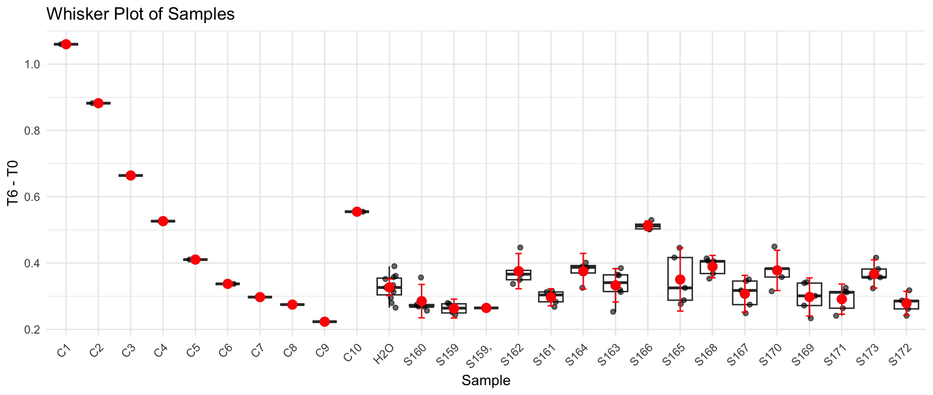
B6 | S162 | S162 | 1.51 | 1.096 | 1.0628992274 | 0.44710077263
B7 | S162 | S162 | 1.484 | 1.162 | 1.1466495676 | 0.33735043239
B8 | S162 | S161 | 1.449 | 1.133 | 1.1450382879 | 0.3039617121
B9 | S162 | S161 | 1.467 | 1.156 | 1.1539479096 | 0.31305209043
B10 | S162 | S161 | 1.466 | 1.151 | 1.1497405213 | 0.31625947874
B11 | H2O | S161 | 1.429 | 1.118 | 1.1456924714 | 0.28330752857
B12 | C2 | S161 | 1.424 | 1.124 | 1.1558854752 | 0.26811452481
C1 | S163 | C3 | 1.448 | 0.775 | 0.78377539422 | 0.66422460578
C2 | S163 | H2O | 1.465 | 1.108 | 1.1075430603 | 0.3574569397
C3 | S163 | S164 | 1.459 | 1.07 | 1.073957191 | 0.385042809
C4 | S163 | S164 | 1.493 | 1.113 | 1.0916761973 | 0.40132380275
C5 | S163 | S164 | 1.472 | 1.088 | 1.082379529 | 0.38962047101
C6 | S163 | S164 | 1.397 | 1.022 | 1.0713046111 | 0.32569538893
C7 | S164 | S163 | 1.475 | 1.118 | 1.1099624011 | 0.36503759887
C8 | S164 | S163 | 1.468 | 1.086 | 1.0833337023 | 0.38466629768
C9 | S164 | S163 | 1.474 | 1.118 | 1.1107154285 | 0.36328457146
C10 | S164 | S163 | 1.45 | 1.12 | 1.1311195402 | 0.31888045977
C11 | H2O | S163 | 1.446 | 1.119 | 1.1332357797 | 0.31276422026
C12 | C3 | S163 | 1.397 | 1.091 | 1.143633396 | 0.25336660403
D1 | S165 | C4 | 1.485 | 0.972 | 0.95851363636 | 0.52648636364
D2 | S165 | H2O | 1.439 | 1.124 | 1.1438366342 | 0.29516336576
D3 | S165 | S166 | 1.462 | 0.943 | 0.94454532889 | 0.51745467111
D4 | S165 | S166 | 1.5 | 1.021 | 0.99676543056 | 0.50323456944
D5 | S165 | S166 | 1.502 | 0.997 | 0.97203904516 | 0.52996095484
D6 | S166 | S166 | 1.47 | 0.972 | 0.96829438776 | 0.50170561224
D7 | S166 | S166 | 1.484 | 0.985 | 0.97198780043 | 0.51201219957
D8 | S166 | S165 | 1.444 | 0.984 | 0.99789854571 | 0.44610145429
D9 | S166 | S165 | 1.467 | 1.052 | 1.0501325267 | 0.4168674733
D10 | S166 | S165 | 1.453 | 1.119 | 1.1277762818 | 0.32522371817
D11 | H2O | S165 | 1.426 | 1.108 | 1.1378335086 | 0.28816649135
D12 | C4 | S165 | 1.419 | 1.107 | 1.1424145085 | 0.27658549154
E1 | S167 | C5 | 1.479 | 1.079 | 1.0683455741 | 0.41065442585
E2 | S167 | H2O | 1.464 | 1.184 | 1.1843201275 | 0.2796798725
E3 | S167 | S168 | 1.465 | 1.06 | 1.0595628555 | 0.40543714448
E4 | S167 | S168 | 1.51 | 1.13 | 1.0958723786 | 0.41412762141
E5 | S167 | S168 | 1.494 | 1.109 | 1.0870247518 | 0.40697524822
E6 | S168 | S168 | 1.5 | 1.159 | 1.1314898472 | 0.36851015278
E7 | S168 | S168 | 1.484 | 1.146 | 1.1308609333 | 0.35313906671
E8 | S168 | S167 | 1.443 | 1.081 | 1.0970283408 | 0.34597165916
E9 | S168 | S167 | 1.485 | 1.15 | 1.1340439113 | 0.35095608866
E10 | S168 | S167 | 1.46 | 1.139 | 1.1424293522 | 0.31757064783
E11 | H2O | S167 | 1.426 | 1.121 | 1.1511835408 | 0.27481645921
E12 | C5 | S167 | 1.41 | 1.118 | 1.1611308806 | 0.24886911939
F1 | S169 | C6 | 1.494 | 1.18 | 1.1566178603 | 0.33738213967
F2 | S169 | H2O | 1.495 | 1.255 | 1.2293088768 | 0.26569112319
F3 | S169 | S170 | 1.414 | 1.061 | 1.0988146953 | 0.31518530469
F4 | S169 | S170 | 1.518 | 1.176 | 1.1344726614 | 0.3835273386
F5 | S169 | S170 | 1.47 | 1.024 | 1.0200961451 | 0.44990385488
F6 | S170 | S170 | 1.499 | 1.142 | 1.1156371192 | 0.38336288081
F7 | S170 | S170 | 1.48 | 1.134 | 1.1220438345 | 0.35795616554
F8 | S170 | S169 | 1.468 | 1.131 | 1.1282232204 | 0.33977677963
F9 | S170 | S169 | 1.497 | 1.18 | 1.1542999889 | 0.34270001113
F10 | S170 | S169 | 1.466 | 1.166 | 1.1647241075 | 0.30127589245
F11 | H2O | S169 | 1.429 | 1.129 | 1.1569649376 | 0.2720350624
F12 | C6 | S169 | 1.408 | 1.129 | 1.1742208067 | 0.2337791933
G1 | S171 | C7 | 1.492 | 1.217 | 1.1944837327 | 0.29751626731
G2 | S171 | C9 | 1.442 | 1.2 | 1.2186373093 | 0.22336269071
G3 | S171 | H2O | 1.469 | 1.159 | 1.155367441 | 0.313632559
G4 | S171 | H2O | 1.494 | 1.165 | 1.1419150909 | 0.35208490908
G5 | S171 | H2O | 1.484 | 1.173 | 1.1575042537 | 0.32649574629
G6 | H2O | H2O | 1.488 | 1.173 | 1.1543926831 | 0.33360731687
G7 | H2O | H2O | 1.48 | 1.172 | 1.1596431869 | 0.32035681306
G8 | H2O | S171 | 1.494 | 1.192 | 1.1683800759 | 0.32561992414
G9 | H2O | S171 | 1.493 | 1.204 | 1.1809327417 | 0.31206725832
G10 | H2O | S171 | 1.477 | 1.173 | 1.1629900559 | 0.31400994414
G11 | C9 | S171 | 1.437 | 1.151 | 1.1729433571 | 0.26405664289
G12 | C7 | S171 | 1.411 | 1.127 | 1.1696485501 | 0.24135144992
H1 | S172 | C8 | 1.514 | 1.281 | 1.2390297639 | 0.27497023613
H2 | S172 | C10 | 1.737 | 1.402 | 1.181970615 | 0.55502938495
H3 | S172 | S173 | 1.476 | 1.068 | 1.0596034892 | 0.41639651084
H4 | S172 | S173 | 1.491 | 1.129 | 1.1088550609 | 0.38214493908
H5 | S172 | S173 | 1.485 | 1.144 | 1.1281271605 | 0.35687283951
H6 | S173 | S173 | 1.503 | 1.176 | 1.1457947438 | 0.35720525615
H7 | S173 | S173 | 1.476 | 1.161 | 1.1518723323 | 0.32412766768
H8 | S173 | S172 | 1.476 | 1.167 | 1.1578251609 | 0.31817483909
H9 | S173 | S172 | 1.459 | 1.169 | 1.1733233236 | 0.28567667638
H10 | S173 | S172 | 1.451 | 1.153 | 1.163644656 | 0.28735534402
H11 | C10 | S172 | 1.442 | 1.162 | 1.1800471278 | 0.26195287217
H12 | C8 | S172 | 1.407 | 1.12 | 1.1656882255 | 0.24131177446

Plate 12
Agarplate well | Sample Microplate | SAMPLE | Before | After | T6 adjusted | T6 - T0 | S174 | Bare_Cl_Vx_5 | 06:15 hours incubation
A1 | S174 | C1 | 1.408 | 0.428 | 0.43158123224 | 0.97641876776 | S175 | Bare_HP_Cp_5
A2 | S174 | H2O | 1.448 | 1.127 | 1.1050369259 | 0.34296307407 | S176 | Bare_HP_Ct_5
A3 | S174 | S175 | 1.442 | 1.161 | 1.1431109787 | 0.29888902132 | S177 | Bare_HP_Mg_5
A4 | S174 | S175 | 1.38 | 1.104 | 1.135825 | 0.244175 | S178 | Bare_HP_NP_5
A5 | S174 | S175 | 1.391 | 1.119 | 1.1421532845 | 0.24884671549 | S179 | Bare_HP_Vx_5
A6 | S175 | S175 | 1.39 | 1.121 | 1.1450178282 | 0.24498217176 | S180 | Bare_LP_Cp_5
A7 | S175 | S175 | 1.443 | 1.173 | 1.1541257147 | 0.28887428534 | S181 | Bare_LP_Ct_5
A8 | S175 | S174 | 1.332 | 1.037 | 1.1053402074 | 0.22665979261 | S182 | Bare_LP_Mg_5
A9 | S175 | S174 | 1.395 | 1.107 | 1.126665121 | 0.26833487903 | S183 | Bare_LP_NP_5
A10 | S175 | S174 | 1.424 | 1.142 | 1.1386167047 | 0.28538329529 | S184 | Bare_LP_Vx_5
A11 | H2O | S174 | 1.386 | 1.092 | 1.1186155303 | 0.2673844697 | S185 | Bare_NM_Cp_5
A12 | C1 | S174 | 1.301 | 1.03 | 1.1240389604 | 0.17696103958 | S186 | Bare_NM_Ct_5
B1 | S176 | C2 | 1.421 | 0.888 | 0.88723838846 | 0.53376161154 | S187 | Bare_NM_Mg_5
B2 | S176 | H2O | 1.41 | 1.056 | 1.0633255319 | 0.34667446809 | S188 | Bare_NM_NP_5
B3 | S176 | S177 | 1.429 | 1.077 | 1.0700520688 | 0.35894793125
B4 | S176 | S177 | 1.436 | 1.089 | 1.0767004048 | 0.35929959523
B5 | S176 | S177 | 1.43 | 1.077 | 1.0693037806 | 0.36069621941
B6 | S177 | S177 | 1.395 | 1.056 | 1.0747591398 | 0.32024086022
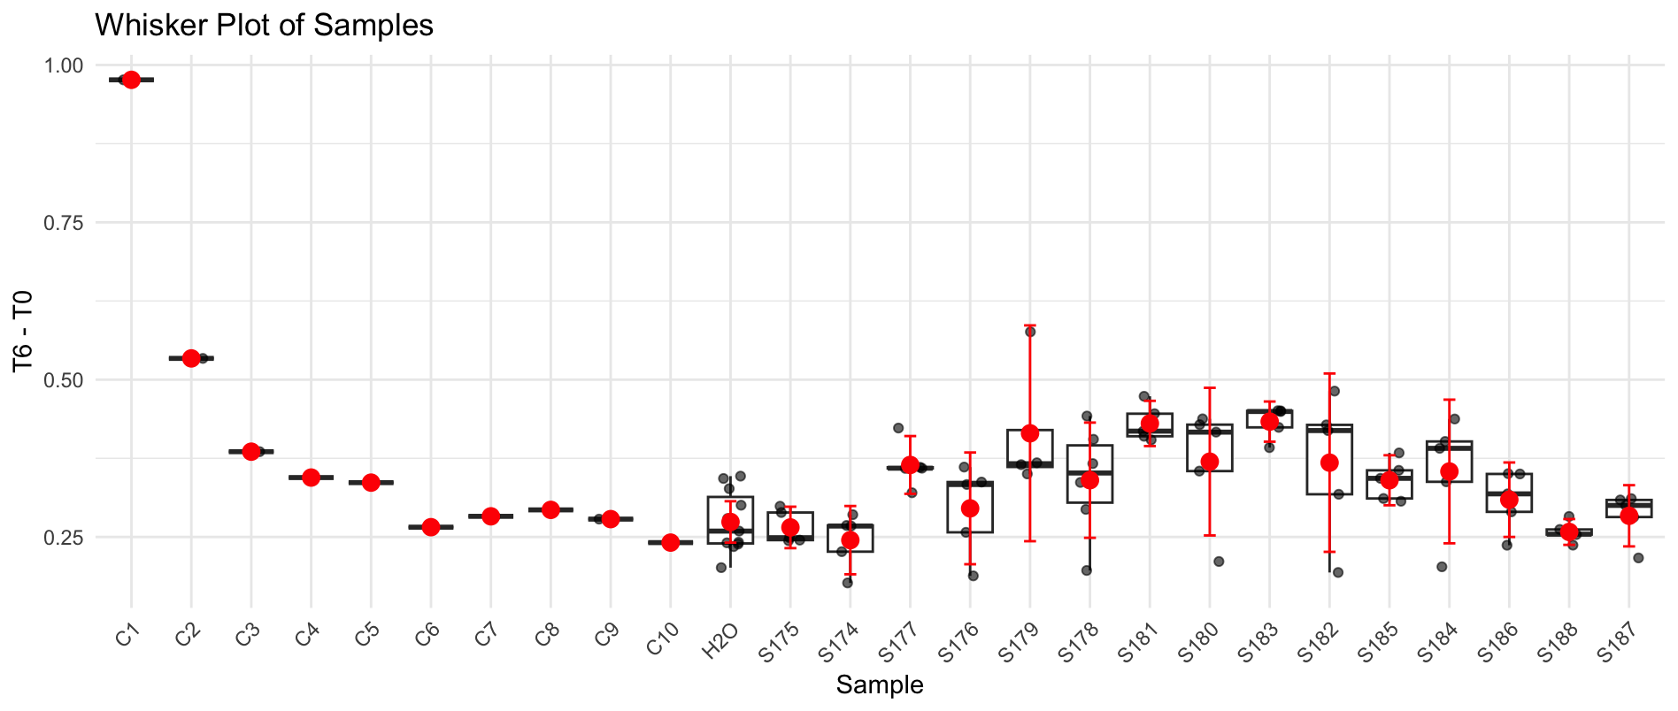
B7 | S177 | S177 | 1.453 | 1.054 | 1.0299032605 | 0.4230967395
B8 | S177 | S176 | 1.437 | 1.089 | 1.0759511352 | 0.36104886482
B9 | S177 | S176 | 1.442 | 1.122 | 1.1047119019 | 0.33728809813
B10 | S177 | S176 | 1.447 | 1.135 | 1.1136501166 | 0.33334988338
B11 | H2O | S176 | 1.385 | 1.1 | 1.1276240975 | 0.25737590253
B12 | C2 | S176 | 1.321 | 1.054 | 1.1328156226 | 0.18818437737
C1 | S178 | C3 | 1.415 | 1.026 | 1.0294668286 | 0.38553317138
C2 | S178 | H2O | 1.431 | 1.113 | 1.1042743056 | 0.32672569444
C3 | S178 | S179 | 1.412 | 1.056 | 1.0618194051 | 0.3501805949
C4 | S178 | S179 | 1.421 | 1.054 | 1.0530960151 | 0.36790398487
C5 | S178 | S179 | 1.469 | 0.924 | 0.89304143975 | 0.57595856025
C6 | S178 | S179 | 1.417 | 1.05 | 1.0520609121 | 0.36493908786
C7 | S179 | S178 | 1.484 | 1.089 | 1.0418745157 | 0.44212548433
C8 | S179 | S178 | 1.402 | 1.052 | 1.0653422789 | 0.33665772111
C9 | S179 | S178 | 1.426 | 1.064 | 1.0593599229 | 0.36664007714
C10 | S179 | S178 | 1.477 | 1.115 | 1.0718050736 | 0.40519492637
C11 | H2O | S178 | 1.399 | 1.089 | 1.1051763983 | 0.29382360168
C12 | C3 | S178 | 1.34 | 1.079 | 1.1432417677 | 0.19675823228
D1 | S180 | C4 | 1.411 | 1.06 | 1.0665968285 | 0.34440317151
D2 | S180 | H2O | 1.414 | 1.109 | 1.1135342336 | 0.30046576644
D3 | S180 | S181 | 1.41 | 0.985 | 0.99183300089 | 0.41816699911
D4 | S180 | S181 | 1.417 | 1.005 | 1.0069725873 | 0.41002741267
D5 | S180 | S181 | 1.441 | 1.01 | 0.99512773248 | 0.44587226752
D6 | S181 | S181 | 1.381 | 0.95 | 0.9766779055 | 0.4043220945
D7 | S181 | S181 | 1.493 | 1.072 | 1.0194276624 | 0.47357233758
D8 | S181 | S180 | 1.387 | 0.948 | 0.97040564167 | 0.41659435833
D9 | S181 | S180 | 1.461 | 1.053 | 1.0232920303 | 0.43770796971
D10 | S181 | S180 | 1.463 | 1.066 | 1.0345090995 | 0.42849090055
D11 | H2O | S180 | 1.439 | 1.099 | 1.0843221638 | 0.35467783617
D12 | C4 | S180 | 1.346 | 1.076 | 1.1349811478 | 0.21101885215
E1 | S182 | C5 | 1.411 | 1.068 | 1.0746466159 | 0.33635338412
E2 | S182 | H2O | 1.405 | 1.114 | 1.1257197954 | 0.27928020463
E3 | S182 | S183 | 1.42 | 0.996 | 0.9958465669 | 0.4241534331
E4 | S182 | S183 | 1.428 | 0.983 | 0.97734241509 | 0.45065758491
E5 | S182 | S183 | 1.446 | 1.015 | 0.99659610564 | 0.44940389436
E6 | S183 | S183 | 1.381 | 0.962 | 0.98901488957 | 0.39198511043
E7 | S183 | S183 | 1.446 | 1.014 | 0.99561423755 | 0.45038576245
E8 | S183 | S182 | 1.398 | 0.955 | 0.96987918008 | 0.42812081992
E9 | S183 | S182 | 1.467 | 1.018 | 0.98523334185 | 0.48176665815
E10 | S183 | S182 | 1.466 | 1.081 | 1.0469191891 | 0.41908081088
E11 | H2O | S182 | 1.417 | 1.097 | 1.0991531625 | 0.31784683751
E12 | C5 | S182 | 1.336 | 1.075 | 1.1424138052 | 0.1935861948
F1 | S184 | C6 | 1.403 | 1.124 | 1.1374441376 | 0.26555586244
F2 | S184 | H2O | 1.45 | 1.216 | 1.190657931 | 0.25934206897
F3 | S184 | S185 | 1.388 | 1.057 | 1.081202292 | 0.30679770803
F4 | S184 | S185 | 1.42 | 1.077 | 1.0768340889 | 0.34316591109
F5 | S184 | S185 | 1.438 | 1.096 | 1.0821142211 | 0.35588577886
F6 | S185 | S185 | 1.387 | 1.051 | 1.0758400099 | 0.31115999009
F7 | S185 | S185 | 1.442 | 1.075 | 1.0584360914 | 0.38356390863
F8 | S185 | S184 | 1.458 | 1.048 | 1.0205286351 | 0.43747136488
F9 | S185 | S184 | 1.44 | 1.053 | 1.0382150391 | 0.40178496094
F10 | S185 | S184 | 1.453 | 1.087 | 1.0621488085 | 0.3908511915
F11 | H2O | S184 | 1.445 | 1.127 | 1.1073311202 | 0.33766887976
F12 | C6 | S184 | 1.35 | 1.091 | 1.147393588 | 0.20260641204
G1 | S186 | C7 | 1.444 | 1.181 | 1.1611922827 | 0.28280771728
G2 | S186 | C9 | 1.441 | 1.18 | 1.1626244795 | 0.27837552047
G3 | S186 | H2O | 1.417 | 1.173 | 1.1753023333 | 0.24169766673
G4 | S186 | H2O | 1.429 | 1.196 | 1.1882843772 | 0.24071562281
G5 | S186 | H2O | 1.423 | 1.191 | 1.1883060216 | 0.23469397839
G6 | H2O | H2O | 1.389 | 1.162 | 1.1877507649 | 0.20124923506
G7 | H2O | H2O | 1.429 | 1.198 | 1.1902714748 | 0.23872852519
G8 | H2O | S186 | 1.39 | 1.077 | 1.1000751124 | 0.28992488759
G9 | H2O | S186 | 1.47 | 1.159 | 1.1194057611 | 0.35059423895
G10 | H2O | S186 | 1.485 | 1.187 | 1.1348689184 | 0.35013108165
G11 | C9 | S186 | 1.459 | 1.172 | 1.1404959733 | 0.31850402673
G12 | C7 | S186 | 1.385 | 1.12 | 1.1481263538 | 0.23687364621
H1 | S187 | C8 | 1.467 | 1.213 | 1.1739568209 | 0.29304317911
H2 | S187 | C10 | 1.399 | 1.141 | 1.1579488251 | 0.24105117495
H3 | S187 | S188 | 1.403 | 1.135 | 1.1485757083 | 0.2544242917
H4 | S187 | S188 | 1.445 | 1.183 | 1.1623537846 | 0.2826462154
H5 | S187 | S188 | 1.411 | 1.15 | 1.1571569366 | 0.25384306343
H6 | S188 | S188 | 1.427 | 1.171 | 1.1650762745 | 0.26192372547
H7 | S188 | S188 | 1.389 | 1.127 | 1.1519751395 | 0.23702486051
H8 | S188 | S187 | 1.465 | 1.193 | 1.1561768131 | 0.30882318686
H9 | S188 | S187 | 1.464 | 1.189 | 1.1530873677 | 0.31091263234
H10 | S188 | S187 | 1.458 | 1.189 | 1.1578325832 | 0.30016741684
H11 | C10 | S187 | 1.439 | 1.173 | 1.1573338473 | 0.28166615271
H12 | C8 | S187 | 1.374 | 1.12 | 1.1573180495 | 0.21668195051

Plate 13
Agarplate well | Sample Microplate | SAMPLE | Before | After | T6 adjusted | T6 - T0 | S189 | Bare_NM_Vx_5 | Plate 15 min in different (26*C incubator) and longer in higher temperature
A1 | S189 | C1 | 1.196 | 0.312 | 0.3822173913 | 0.8137826087 | S190 | mix_Cl_Cp_1
A2 | S189 | H2O | 1.477 | 0.876 | 0.8689817197 | 0.6080182803 | S191 | mix_Cl_Ct_1
A3 | S189 | S190 | 1.51 | 0.826 | 0.80147527594 | 0.70852472406 | S192 | mix_Cl_Mg_1
A4 | S189 | S190 | 1.518 | 0.917 | 0.88508421168 | 0.63291578832 | S193 | mix_Cl_NP_1
A5 | S189 | S190 | 1.477 | 0.902 | 0.89477341458 | 0.58222658542 | S194 | mix_Cl_Vx_1
A6 | S190 | S190 | 1.454 | 0.859 | 0.86559708849 | 0.58840291151 | S195 | mix_HP_Cp_1
A7 | S190 | S190 | 1.495 | 0.927 | 0.90850133779 | 0.58649866221 | S196 | mix_HP_Ct_1
A8 | S190 | S189 | 1.424 | 1.015 | 1.0443428137 | 0.37965718633 | S197 | mix_HP_Mg_1
A9 | S190 | S189 | 1.425 | 1.059 | 1.0888501754 | 0.33614982456 | S198 | mix_HP_NP_1
A10 | S190 | S189 | 1.44 | 1.081 | 1.0998924769 | 0.34010752315 | S199 | mix_HP_Vx_1
A11 | H2O | S189 | 1.374 | 0.977 | 1.0418252062 | 0.33217479379 | S200 | mix_LP_Cp_1
A12 | C1 | S189 | 1.394 | 1.039 | 1.0920431612 | 0.30195683883 | S201 | mix_LP_Ct_1
B1 | S191 | C2 | 1.355 | 0.415 | 0.44874108241 | 0.90625891759 | S202 | mix_LP_Mg_1
B2 | S191 | H2O | 1.496 | 0.922 | 0.90299710339 | 0.59300289661 | S203 | mix_LP_NP_1
B3 | S191 | S192 | 1.503 | 0.862 | 0.84030184076 | 0.66269815924
B4 | S191 | S192 | 1.526 | 0.889 | 0.85356039755 | 0.67243960245
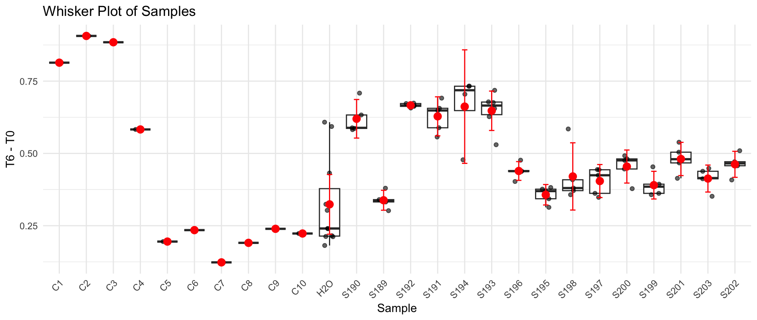
B5 | S191 | S192 | 1.521 | 0.888 | 0.85540302433 | 0.66559697567
B6 | S192 | S192 | 1.476 | 0.825 | 0.8189447832 | 0.6570552168
B7 | S192 | S192 | 1.522 | 0.881 | 0.84810238721 | 0.67389761279
B8 | S192 | S191 | 1.456 | 0.795 | 0.8000051511 | 0.6559948489
B9 | S192 | S191 | 1.456 | 0.76 | 0.76478479853 | 0.69121520147
B10 | S192 | S191 | 1.44 | 0.778 | 0.79159699074 | 0.64840300926
B11 | H2O | S191 | 1.373 | 0.735 | 0.7843390386 | 0.5886609614
B12 | C2 | S191 | 1.365 | 0.753 | 0.80825677656 | 0.55674322344
C1 | S193 | C3 | 1.488 | 0.613 | 0.60359352599 | 0.88440647401
C2 | S193 | H2O | 1.528 | 1.143 | 1.0959983639 | 0.43200163613
C3 | S193 | S194 | 1.524 | 0.823 | 0.79122845582 | 0.73277154418
C4 | S193 | S194 | 1.505 | 0.822 | 0.80024385382 | 0.70475614618
C5 | S193 | S194 | 1.516 | 0.811 | 0.78380617854 | 0.73219382146
C6 | S193 | S194 | 1.484 | 1.019 | 1.006067947 | 0.47793205301
C7 | S194 | S193 | 1.494 | 0.791 | 0.77573415886 | 0.71826584114
C8 | S194 | S193 | 1.465 | 0.789 | 0.78908976109 | 0.67591023891
C9 | S194 | S193 | 1.489 | 0.824 | 0.81081083501 | 0.67818916499
C10 | S194 | S193 | 1.409 | 0.752 | 0.78197681571 | 0.62702318429
C11 | H2O | S193 | 1.469 | 0.816 | 0.81387066031 | 0.65512933969
C12 | C3 | S193 | 1.316 | 0.706 | 0.78602406282 | 0.52997593718
D1 | S195 | C4 | 1.448 | 0.855 | 0.86513639503 | 0.58286360497
D2 | S195 | H2O | 1.539 | 1.276 | 1.2147840589 | 0.32421594109
D3 | S195 | S196 | 1.542 | 1.159 | 1.1012504323 | 0.44074956766
D4 | S195 | S196 | 1.51 | 1.065 | 1.0333791391 | 0.47662086093
D5 | S195 | S196 | 1.504 | 1.095 | 1.0667270612 | 0.43727293883
D6 | S196 | S196 | 1.51 | 1.141 | 1.1071226269 | 0.40287737307
D7 | S196 | S196 | 1.506 | 1.097 | 1.0672561974 | 0.43874380257
D8 | S196 | S195 | 1.475 | 1.106 | 1.0986266667 | 0.37637333333
D9 | S196 | S195 | 1.447 | 1.064 | 1.0773582124 | 0.36964178761
D10 | S196 | S195 | 1.422 | 1.047 | 1.078783052 | 0.34321694796
D11 | H2O | S195 | 1.464 | 1.081 | 1.0818614526 | 0.38213854736
D12 | C4 | S195 | 1.414 | 1.062 | 1.1004292786 | 0.31357072136
E1 | S197 | C5 | 1.347 | 1.059 | 1.1519016333 | 0.19509836674
E2 | S197 | H2O | 1.541 | 1.302 | 1.2379279689 | 0.30307203115
E3 | S197 | S198 | 1.548 | 1.018 | 0.96352691645 | 0.58447308355
E4 | S197 | S198 | 1.529 | 1.169 | 1.1201960977 | 0.40880390233
E5 | S197 | S198 | 1.524 | 1.199 | 1.1527131452 | 0.37128685477
E6 | S198 | S198 | 1.512 | 1.168 | 1.1318218695 | 0.38017813051
E7 | S198 | S198 | 1.495 | 1.161 | 1.1378317726 | 0.35716822742
E8 | S198 | S197 | 1.508 | 1.095 | 1.0638975464 | 0.44410245358
E9 | S198 | S197 | 1.465 | 1.103 | 1.1031254835 | 0.3618745165
E10 | S198 | S197 | 1.414 | 0.955 | 0.98955740217 | 0.42444259783
E11 | H2O | S197 | 1.511 | 1.101 | 1.0676032429 | 0.44339675711
E12 | C5 | S197 | 1.433 | 1.061 | 1.0848163526 | 0.34818364736
F1 | S199 | C6 | 1.406 | 1.124 | 1.1712996681 | 0.23470033191
F2 | S199 | H2O | 1.499 | 1.316 | 1.2862970869 | 0.21270291305
F3 | S199 | S200 | 1.536 | 1.106 | 1.0549963108 | 0.48100368924
F4 | S199 | S200 | 1.509 | 1.064 | 1.0330929976 | 0.47590700243
F5 | S199 | S200 | 1.53 | 1.084 | 1.0380657952 | 0.49193420479
F6 | S200 | S200 | 1.496 | 1.072 | 1.0499055258 | 0.44609447415
F7 | S200 | S200 | 1.3 | 0.818 | 0.92192794872 | 0.37807205128
F8 | S200 | S199 | 1.49 | 1.054 | 1.0364333333 | 0.45356666667
F9 | S200 | S199 | 1.448 | 1.078 | 1.0907801565 | 0.35721984346
F10 | S200 | S199 | 1.49 | 1.115 | 1.0964166667 | 0.39358333333
F11 | H2O | S199 | 1.443 | 1.042 | 1.058006699 | 0.38499330099
F12 | C6 | S199 | 1.403 | 0.997 | 1.0411768829 | 0.36182311713
G1 | S201 | C7 | 1.243 | 0.95 | 1.1197975329 | 0.12320246715
G2 | S201 | C9 | 1.517 | 1.323 | 1.2777953197 | 0.23920468029
G3 | S201 | H2O | 1.524 | 1.336 | 1.284424322 | 0.23957567804
G4 | S201 | H2O | 1.497 | 1.313 | 1.285079381 | 0.21192061902
G5 | S201 | H2O | 1.491 | 1.298 | 1.2755106193 | 0.21548938073
G6 | H2O | H2O | 1.476 | 1.304 | 1.2944290876 | 0.18157091238
G7 | H2O | H2O | 1.515 | 1.318 | 1.2746466447 | 0.24035335534
G8 | H2O | S201 | 1.477 | 1.018 | 1.0098440533 | 0.46715594674
G9 | H2O | S201 | 1.507 | 0.996 | 0.9683516921 | 0.5386483079
G10 | H2O | S201 | 1.45 | 0.96 | 0.97004137931 | 0.47995862069
G11 | C9 | S201 | 1.485 | 0.994 | 0.98072435466 | 0.50427564534
G12 | C7 | S201 | 1.385 | 0.918 | 0.97113574007 | 0.41386425993
H1 | S202 | C8 | 1.407 | 1.168 | 1.2162861881 | 0.19071381189
H2 | S202 | C10 | 1.494 | 1.296 | 1.2709879518 | 0.22301204819
H3 | S202 | S203 | 1.488 | 1.09 | 1.0732739695 | 0.41472603047
H4 | S202 | S203 | 1.503 | 1.082 | 1.0547640275 | 0.4482359725
H5 | S202 | S203 | 1.46 | 1.044 | 1.0476945205 | 0.41230547945
H6 | S203 | S203 | 1.396 | 0.995 | 1.0442985912 | 0.35170140879
H7 | S203 | S203 | 1.5 | 1.087 | 1.0617574444 | 0.43824255556
H8 | S203 | S202 | 1.48 | 1.033 | 1.0226467342 | 0.45735326577
H9 | S203 | S202 | 1.497 | 1.054 | 1.0315869517 | 0.46541304832
H10 | S203 | S202 | 1.501 | 1.016 | 0.99174505885 | 0.50925494115
H11 | C10 | S202 | 1.411 | 0.905 | 0.93974190881 | 0.47125809119
H12 | C8 | S202 | 1.434 | 1.004 | 1.0258210135 | 0.40817898652

Plate 14
Agarplate well | Sample Microplate | SAMPLE | Before | After | T6 adjusted | T6 - T0 | S204 | mix_LP_Vx_1 | Plate 15 min in different (26*C incubator) and longer in higher temperature
A1 | S204 | C1 | 1.226 | 0.315 | 0.38220139172 | 0.84379860828 | S205 | mix_NM_Cp_1
A2 | S204 | H2O | 1.511 | 1.041 | 1.0248456114 | 0.48615438865 | S206 | mix_NM_Ct_1
A3 | S204 | S205 | 1.466 | 0.853 | 0.86554019583 | 0.60045980417 | S207 | mix_NM_Mg_1
A4 | S204 | S205 | 1.456 | 1.053 | 1.0758189174 | 0.38018108259 | S208 | mix_NM_NP_1
A5 | S204 | S205 | 1.442 | 1.11 | 1.1450643637 | 0.29693563627 | S209 | mix_NM_Vx_1
A6 | S205 | S205 | 1.446 | 1.118 | 1.1501267145 | 0.2958732855 | S210 | mix_Cl_Cp_2
A7 | S205 | S205 | 1.425 | 1.108 | 1.1566369883 | 0.2683630117 | S211 | mix_Cl_Ct_2
A8 | S205 | S204 | 1.431 | 1.055 | 1.0966928357 | 0.33430716428 | S212 | mix_Cl_Mg_2
A9 | S205 | S204 | 1.37 | 0.971 | 1.0543161116 | 0.31568388838 | S213 | mix_Cl_NP_2
A10 | S205 | S204 | 1.49 | 1.045 | 1.0432831725 | 0.44671682746 | S214 | mix_Cl_Vx_2
A11 | H2O | S204 | 1.471 | 1.035 | 1.0466460953 | 0.42435390466 | S215 | mix_HP_Ct_2
A12 | C1 | S204 | 1.375 | 0.946 | 1.0234358333 | 0.35156416667 | S216 | mix_HP_Mg_2
B1 | S206 | C2 | 1.394 | 0.454 | 0.48446818209 | 0.90953181791 | S217 | mix_HP_NP_2
B2 | S206 | H2O | 1.522 | 1.097 | 1.0721712453 | 0.44982875465 | S218 | mix_HP_Vx_2
B3 | S206 | S207 | 1.53 | 1.036 | 1.0072574891 | 0.52274251089
B4 | S206 | S207 | 1.506 | 1.027 | 1.0144196478 | 0.4915803522
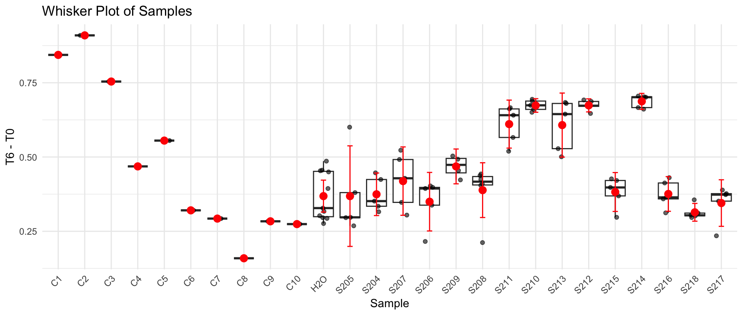
B5 | S206 | S207 | 1.502 | 1.084 | 1.0735728751 | 0.42842712494
B6 | S207 | S207 | 1.484 | 1.134 | 1.1367143278 | 0.34728567217
B7 | S207 | S207 | 1.437 | 1.094 | 1.1324857197 | 0.30451428033
B8 | S207 | S206 | 1.469 | 1.117 | 1.1311066556 | 0.3378933444
B9 | S207 | S206 | 1.505 | 1.124 | 1.1109691307 | 0.39403086932
B10 | S207 | S206 | 1.51 | 1.124 | 1.1072904249 | 0.40270957506
B11 | H2O | S206 | 1.498 | 1.108 | 1.1002721684 | 0.39772783155
B12 | C2 | S206 | 1.246 | 0.863 | 1.0303029277 | 0.2156970723
C1 | S208 | C3 | 1.447 | 0.674 | 0.6928888073 | 0.7541111927
C2 | S208 | H2O | 1.565 | 1.232 | 1.1710314164 | 0.3939685836
C3 | S208 | S209 | 1.526 | 1.049 | 1.0225702067 | 0.5034297933
C4 | S208 | S209 | 1.516 | 1.043 | 1.0234279835 | 0.49257201655
C5 | S208 | S209 | 1.515 | 1.08 | 1.0604331683 | 0.45456683168
C6 | S208 | S209 | 1.504 | 1.093 | 1.0810468265 | 0.42295317348
C7 | S209 | S208 | 1.529 | 1.122 | 1.091584982 | 0.43741501799
C8 | S209 | S208 | 1.515 | 1.126 | 1.1055997662 | 0.40940023377
C9 | S209 | S208 | 1.509 | 1.1 | 1.0843653358 | 0.42463466424
C10 | S209 | S208 | 1.49 | 1.087 | 1.0852141709 | 0.40478582914
C11 | H2O | S208 | 1.526 | 1.111 | 1.0830081026 | 0.44299189739
C12 | C3 | S208 | 1.255 | 0.88 | 1.043064409 | 0.21193559097
D1 | S210 | C4 | 1.494 | 1.03 | 1.0255546492 | 0.46844535085
D2 | S210 | H2O | 1.538 | 1.119 | 1.0822956965 | 0.45570430348
D3 | S210 | S211 | 1.528 | 1.036 | 1.008575889 | 0.51942411104
D4 | S210 | S211 | 1.52 | 0.975 | 0.95418636924 | 0.56581363076
D5 | S210 | S211 | 1.501 | 0.868 | 0.86022332334 | 0.64077667666
D6 | S211 | S211 | 1.551 | 0.927 | 0.88907851789 | 0.66192148211
D7 | S211 | S211 | 1.519 | 0.871 | 0.85296765279 | 0.66603234721
D8 | S211 | S210 | 1.524 | 0.85 | 0.82967143755 | 0.69432856245
D9 | S211 | S210 | 1.521 | 0.866 | 0.84695601852 | 0.67404398148
D10 | S211 | S210 | 1.463 | 0.799 | 0.81240882747 | 0.65059117253
D11 | H2O | S210 | 1.49 | 0.831 | 0.82963475252 | 0.66036524748
D12 | C4 | S210 | 1.403 | 0.674 | 0.71461874852 | 0.68838125148
E1 | S212 | C5 | 1.628 | 1.174 | 1.0727187628 | 0.5552812372
E2 | S212 | H2O | 1.534 | 1.114 | 1.0802692444 | 0.45373075565
E3 | S212 | S213 | 1.532 | 1.062 | 1.0311881935 | 0.50081180646
E4 | S212 | S213 | 1.512 | 1 | 0.98383074295 | 0.52816925705
E5 | S212 | S213 | 1.519 | 0.893 | 0.87451218592 | 0.64448781408
E6 | S213 | S213 | 1.514 | 0.845 | 0.83023877835 | 0.68376122165
E7 | S213 | S213 | 1.499 | 0.825 | 0.81869944546 | 0.68030055454
E8 | S213 | S212 | 1.489 | 0.817 | 0.81620554203 | 0.67279445797
E9 | S213 | S212 | 1.527 | 0.857 | 0.83486059949 | 0.69213940051
E10 | S213 | S212 | 1.527 | 0.879 | 0.85629226015 | 0.67070773985
E11 | H2O | S212 | 1.504 | 0.826 | 0.81696676917 | 0.68703323083
E12 | C5 | S212 | 1.434 | 0.759 | 0.78734451273 | 0.64665548727
F1 | S214 | C6 | 1.559 | 1.298 | 1.238513537 | 0.32048646301
F2 | S214 | H2O | 1.51 | 1.235 | 1.2166402801 | 0.29335971992
F3 | S214 | S215 | 1.485 | 1.114 | 1.1159144921 | 0.36908550786
F4 | S214 | S215 | 1.52 | 1.123 | 1.0990269668 | 0.42097303317
F5 | S214 | S215 | 1.382 | 1.008 | 1.0849873372 | 0.29701266281
F6 | S215 | S215 | 1.529 | 1.163 | 1.1314735598 | 0.39752644021
F7 | S215 | S215 | 1.53 | 1.135 | 1.1035108592 | 0.4264891408
F8 | S215 | S214 | 1.509 | 0.818 | 0.80637349514 | 0.70262650486
F9 | S215 | S214 | 1.44 | 0.754 | 0.77889879919 | 0.66110120081
F10 | S215 | S214 | 1.512 | 0.824 | 0.81067653219 | 0.70132346781
F11 | H2O | S214 | 1.488 | 0.783 | 0.78276430192 | 0.70523569808
F12 | C6 | S214 | 1.462 | 0.782 | 0.79566739341 | 0.66633260659
G1 | S216 | C7 | 1.542 | 1.295 | 1.2492736368 | 0.29272636322
G2 | S216 | C9 | 1.516 | 1.256 | 1.2324310136 | 0.28356898637
G3 | S216 | H2O | 1.568 | 1.307 | 1.2399429674 | 0.32805703258
G4 | S216 | H2O | 1.501 | 1.236 | 1.2249262991 | 0.27607370087
G5 | S216 | H2O | 1.54 | 1.266 | 1.2228837256 | 0.31711627435
G6 | H2O | H2O | 1.528 | 1.259 | 1.2256728226 | 0.30232717741
G7 | H2O | H2O | 1.54 | 1.288 | 1.2441344697 | 0.2958655303
G8 | H2O | S216 | 1.498 | 1.147 | 1.1390001599 | 0.35899984006
G9 | H2O | S216 | 1.534 | 1.138 | 1.1035425494 | 0.43045745056
G10 | H2O | S216 | 1.518 | 1.128 | 1.1053746706 | 0.41262532938
G11 | C9 | S216 | 1.34 | 0.926 | 1.0279650964 | 0.31203490361
G12 | C7 | S216 | 1.432 | 1.028 | 1.0678795682 | 0.3641204318
H1 | S217 | C8 | 1.473 | 1.301 | 1.3138528584 | 0.1591471416
H2 | S217 | C10 | 1.52 | 1.273 | 1.2458248698 | 0.27417513021
H3 | S217 | S218 | 1.556 | 1.302 | 1.2447254579 | 0.3112745421
H4 | S217 | S218 | 1.538 | 1.276 | 1.2341459417 | 0.3038540583
H5 | S217 | S218 | 1.523 | 1.25 | 1.2209061748 | 0.30209382524
H6 | S218 | S218 | 1.522 | 1.254 | 1.2256178137 | 0.29638218627
H7 | S218 | S218 | 1.528 | 1.204 | 1.1721287358 | 0.35587126418
H8 | S218 | S217 | 1.483 | 1.128 | 1.1314624073 | 0.35153759272
H9 | S218 | S217 | 1.509 | 1.152 | 1.1356262425 | 0.37337375746
H10 | S218 | S217 | 1.512 | 1.154 | 1.1353406774 | 0.37665932264
H11 | C10 | S217 | 1.49 | 1.103 | 1.1011878845 | 0.38881211549
H12 | C8 | S217 | 1.288 | 0.912 | 1.0532977484 | 0.23470225155

Plate 16
Agarplate well | Sample Microplate | SAMPLE | Before | After | T6 adjusted | T6 - T0 | S234 | mix_HP_Ct_3 | Plate 15 min in different (26*C incubator) and longer in higher temperature
A1 | S234 | C1 | 1.429 | 0.357 | 0.3703942661 | 1.0586057339 | S235 | mix_HP_Mg_3
A2 | S234 | H2O | 1.51 | 0.987 | 0.96909973096 | 0.54090026904 | S236 | mix_HP_NP_3
A3 | S234 | S235 | 1.456 | 1.044 | 1.0630835337 | 0.39291646635 | S237 | mix_HP_Vx_3
A4 | S234 | S235 | 1.514 | 1.118 | 1.0948237148 | 0.41917628523 | S238 | mix_LP_Cp_3
A5 | S234 | S235 | 1.452 | 1.054 | 1.0762229827 | 0.37577701733 | S239 | mix_LP_Ct_3
A6 | S235 | S235 | 1.523 | 1.113 | 1.0834865602 | 0.43951343976 | S240 | mix_LP_Mg_3
A7 | S235 | S235 | 1.46 | 1.058 | 1.0743878282 | 0.3856121718 | S241 | mix_LP_NP_3
A8 | S235 | S234 | 1.478 | 1.103 | 1.1064437655 | 0.37155623449 | S242 | mix_LP_Vx_3
A9 | S235 | S234 | 1.48 | 1.102 | 1.1039468046 | 0.37605319538 | S243 | mix_NM_Cp_3
A10 | S235 | S234 | 1.46 | 1.088 | 1.1048525114 | 0.35514748858 | S244 | mix_NM_Ct_3
A11 | H2O | S234 | 1.429 | 1.057 | 1.0966575329 | 0.33234246705 | S245 | mix_NM_Mg_3
A12 | C1 | S234 | 1.403 | 1.03 | 1.0884483399 | 0.31455166013 | S246 | mix_NM_NP_3
B1 | S236 | C2 | 1.437 | 0.45 | 0.46428431628 | 0.97271568372 | S247 | mix_NM_Vx_3
B2 | S236 | H2O | 1.497 | 1.061 | 1.0508043239 | 0.44619567607 | S248 | mix_Cl_Cp_4
B3 | S236 | S237 | 1.478 | 1.074 | 1.0773532223 | 0.40064677774
B4 | S236 | S237 | 1.502 | 1.089 | 1.0749449276 | 0.4270550724
B5 | S236 | S237 | 1.49 | 1.082 | 1.0766368988 | 0.41336310123
B6 | S237 | S237 | 1.5 | 1.075 | 1.0625404514 | 0.43745954861
B7 | S237 | S237 | 1.48 | 1.069 | 1.0708885065 | 0.40911149352
B8 | S237 | S236 | 1.503 | 1.13 | 1.1146736388 | 0.38832636117
B9 | S237 | S236 | 1.45 | 1.079 | 1.1032697486 | 0.34673025144
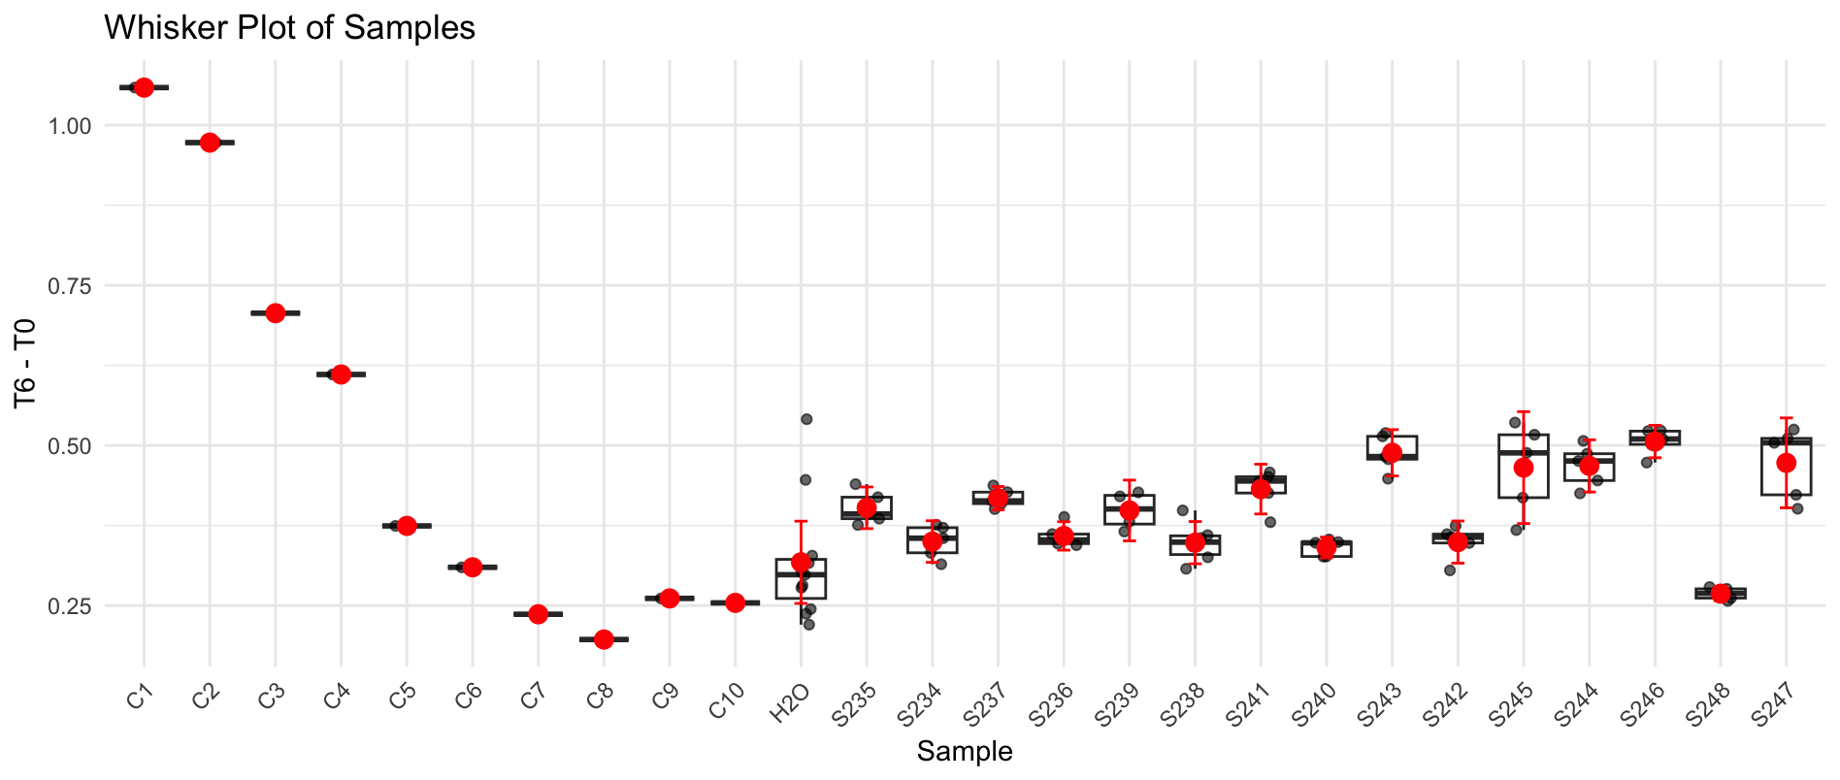
B10 | S237 | S236 | 1.455 | 1.082 | 1.1025353809 | 0.35246461913
B11 | H2O | S236 | 1.474 | 1.106 | 1.1124638597 | 0.36153614032
B12 | C2 | S236 | 1.448 | 1.078 | 1.1037696967 | 0.34423030329
C1 | S238 | C3 | 1.344 | 0.578 | 0.6376125217 | 0.7063874783
C2 | S238 | H2O | 1.476 | 1.143 | 1.1481222688 | 0.3278777312
C3 | S238 | S239 | 1.478 | 1.109 | 1.1124624986 | 0.36553750141
C4 | S238 | S239 | 1.53 | 1.145 | 1.1095383647 | 0.42046163535
C5 | S238 | S239 | 1.458 | 1.059 | 1.0768784937 | 0.38112150634
C6 | S238 | S239 | 1.496 | 1.079 | 1.0693456788 | 0.42665432125
C7 | S239 | S238 | 1.486 | 1.09 | 1.0875167536 | 0.39848324641
C8 | S239 | S238 | 1.435 | 1.074 | 1.1096362805 | 0.32536371951
C9 | S239 | S238 | 1.502 | 1.157 | 1.1420672922 | 0.35993270778
C10 | S239 | S238 | 1.478 | 1.119 | 1.1224937204 | 0.3555062796
C11 | H2O | S238 | 1.487 | 1.148 | 1.1446143522 | 0.34238564784
C12 | C3 | S238 | 1.444 | 1.107 | 1.1366027311 | 0.30739726887
D1 | S240 | C4 | 1.454 | 0.827 | 0.84327528227 | 0.61072471773
D2 | S240 | H2O | 1.465 | 1.153 | 1.1668632181 | 0.29813678185
D3 | S240 | S241 | 1.465 | 1.072 | 1.084889306 | 0.38011069397
D4 | S240 | S241 | 1.527 | 1.115 | 1.0825902164 | 0.44440978362
D5 | S240 | S241 | 1.496 | 1.08 | 1.0703367313 | 0.42566326872
D6 | S241 | S241 | 1.512 | 1.075 | 1.0541075907 | 0.45789240934
D7 | S241 | S241 | 1.512 | 1.082 | 1.0609715471 | 0.45102845293
D8 | S241 | S240 | 1.498 | 1.162 | 1.1500655179 | 0.34793448209
D9 | S241 | S240 | 1.517 | 1.195 | 1.1679132677 | 0.34908673231
D10 | S241 | S240 | 1.511 | 1.18 | 1.1578326991 | 0.3531673009
D11 | H2O | S240 | 1.461 | 1.118 | 1.1345401124 | 0.32645988763
D12 | C4 | S240 | 1.473 | 1.139 | 1.1464344945 | 0.32656550549
E1 | S242 | C5 | 1.475 | 1.095 | 1.1006528602 | 0.37434713983
E2 | S242 | H2O | 1.52 | 1.234 | 1.2036489446 | 0.31635105537
E3 | S242 | S243 | 1.494 | 1.054 | 1.0459677181 | 0.44803228191
E4 | S242 | S243 | 1.515 | 1.055 | 1.0324477792 | 0.48255222085
E5 | S242 | S243 | 1.514 | 1.021 | 0.99983453737 | 0.51416546263
E6 | S243 | S243 | 1.552 | 1.081 | 1.0326716267 | 0.51932837334
E7 | S243 | S243 | 1.512 | 1.054 | 1.0335157215 | 0.47848427855
E8 | S243 | S242 | 1.495 | 1.143 | 1.1335307483 | 0.36146925167
E9 | S243 | S242 | 1.517 | 1.169 | 1.1425026025 | 0.37449739755
E10 | S243 | S242 | 1.498 | 1.153 | 1.1411579537 | 0.35684204634
E11 | H2O | S242 | 1.49 | 1.148 | 1.1423097595 | 0.34769024049
E12 | C5 | S242 | 1.42 | 1.068 | 1.1150932218 | 0.30490677817
F1 | S244 | C6 | 1.491 | 1.188 | 1.181318662 | 0.30968133803
F2 | S244 | H2O | 1.491 | 1.278 | 1.2708125 | 0.2201875
F3 | S244 | S245 | 1.458 | 1.072 | 1.0900979652 | 0.36790203475
F4 | S244 | S245 | 1.501 | 1.096 | 1.0825753387 | 0.41842466134
F5 | S244 | S245 | 1.502 | 0.979 | 0.96636463188 | 0.53563536812
F6 | S245 | S245 | 1.506 | 1.005 | 0.98939419406 | 0.51660580594
F7 | S245 | S245 | 1.505 | 1.032 | 1.01665 | 0.48835
F8 | S245 | S244 | 1.475 | 0.963 | 0.96797141949 | 0.50702858051
F9 | S245 | S244 | 1.513 | 1.047 | 1.0259732113 | 0.48702678866
F10 | S245 | S244 | 1.501 | 1.038 | 1.0252857678 | 0.47571423218
F11 | H2O | S244 | 1.399 | 0.919 | 0.97392623451 | 0.42507376549
F12 | C6 | S244 | 1.455 | 0.991 | 1.0098082832 | 0.44519171678
G1 | S246 | C7 | 1.44 | 1.169 | 1.2035947555 | 0.2364052445
G2 | S246 | C9 | 1.496 | 1.246 | 1.2348514511 | 0.26114854891
G3 | S246 | H2O | 1.506 | 1.244 | 1.2246829626 | 0.28131703741
G4 | S246 | H2O | 1.509 | 1.228 | 1.2065279711 | 0.30247202894
G5 | S246 | H2O | 1.517 | 1.268 | 1.239258597 | 0.27774140299
G6 | H2O | H2O | 1.482 | 1.237 | 1.2375129822 | 0.24448701783
G7 | H2O | H2O | 1.466 | 1.215 | 1.2287699309 | 0.23723006907
G8 | H2O | S246 | 1.517 | 1.017 | 0.99394794413 | 0.52305205587
G9 | H2O | S246 | 1.523 | 1.028 | 1.0007405067 | 0.52225949332
G10 | H2O | S246 | 1.479 | 0.975 | 0.97738283891 | 0.50161716109
G11 | C9 | S246 | 1.505 | 1.01 | 0.99497722868 | 0.51002277132
G12 | C7 | S246 | 1.462 | 0.975 | 0.98874775564 | 0.47325224436
H1 | S247 | C8 | 1.447 | 1.22 | 1.2500274994 | 0.19697250058
H2 | S247 | C10 | 1.49 | 1.242 | 1.2358438339 | 0.25415616611
H3 | S247 | S248 | 1.508 | 1.253 | 1.2319072102 | 0.27609278984
H4 | S247 | S248 | 1.502 | 1.249 | 1.2328799032 | 0.26912009682
H5 | S247 | S248 | 1.487 | 1.229 | 1.2253754693 | 0.26162453065
H6 | S248 | S248 | 1.478 | 1.217 | 1.2207996941 | 0.25720030588
H7 | S248 | S248 | 1.48 | 1.199 | 1.2011181658 | 0.27888183418
H8 | S248 | S247 | 1.525 | 1.156 | 1.1238704645 | 0.40112953552
H9 | S248 | S247 | 1.481 | 1.057 | 1.0581523394 | 0.42284766065
H10 | S248 | S247 | 1.496 | 0.98 | 0.97123147839 | 0.52476852161
H11 | C10 | S247 | 1.451 | 0.92 | 0.94004508385 | 0.51095491615
H12 | C8 | S247 | 1.472 | 0.961 | 0.96792976534 | 0.50407023466

