Metadata & Header
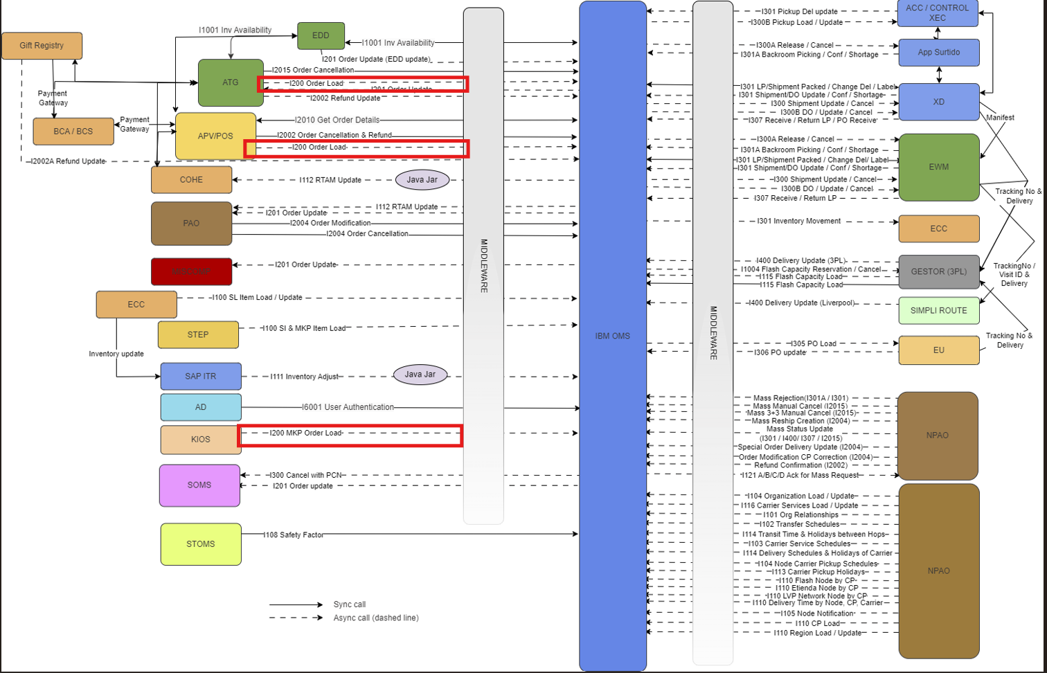
Metadata & Header

Element | Value | Comments
Service/Interface Name: | EPL OMS SL [INT200_ATG_APV_OMS_Order_Load]" | IBM OMS uses this interface to create sales order in OMS.
Means of Communication: | Asynchronous MQSeries JMS
Source System: | ATG/APV/ POS
Destination System(s): | IBM OMS
Integrator: | Middleware Team / IBM Message Broker V10.0
Message Exchange Pattern | Asynchronous MQSeries JMS queue
Components/API's: | Integration SDF service | EPLCreateOrderAsyncService
Source XSD/XML File:
Source Sample File:
Response XSD/XML File: | None
Response Sample File: | None
Error XSD
Error XML
Timing:
MQ Queue Name | QA.VAD.OMS.ORDER.CREATE.IN | QA.VAD.OMS.ORDER.CREATE.IN

