Bai1
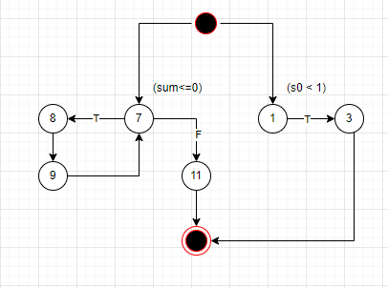
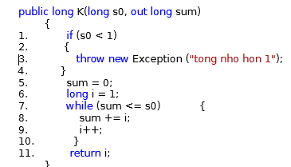
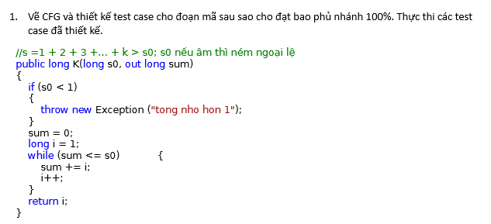
# | Condition | Input | Path | Expceted Result
1 | (s0<1)(T) | -5 | 1,3 | tong nho hon 1
2 | (s0<1)(T),(sum<=s0)(T) | 5 | 7,8,9,7,11 | 4

Bai2
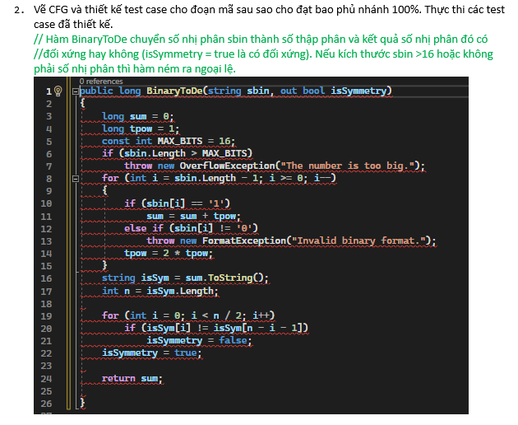
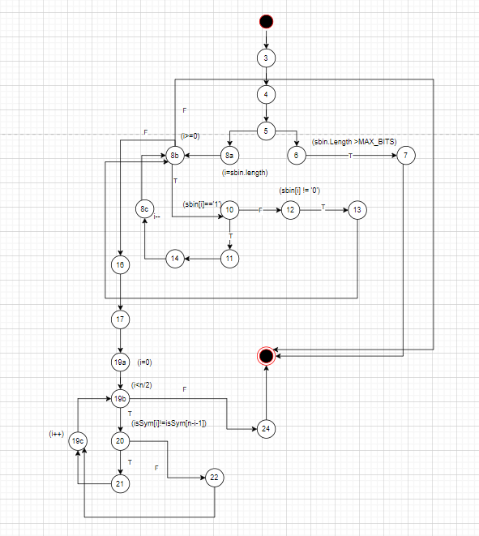
# | Condition | Input | Path | Expceted Result
1 | (sbin.Length>MAX_BITS) | '100100111011010000' | 3,4,5,6,7 | "The number is too big"
2 | (i=sbin.length), (i>=0), (sbin[i]!=0) | '120' | 3,4,5,8a,8b,10,12,13,8b | "Invalid binary format"
3 | (i=sbin.length),(i>=0),(sbin[i]=='1'),(i--), (i=0),(i<n/2),(isSym[i]==isSym[n-i-1]) | '101' | 3,4,5,8a,8b,10,11,14,8c,8b,16,17,19a,19b,20,22,19c,19b,24 | 5
4 | (i=sbin.length),(i>=0),(sbin[i]=='1'),(i--), (i=0),(i<n/2),(isSym[i]!=isSym[n-i-1]) | '100' | 3,4,5,8a,8b,10,11,14,8c,8b,16,17,19a,19b,20,21,19c,19b,24 | 4

