Bai1
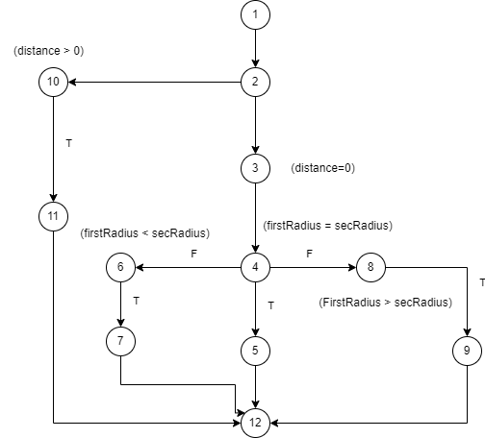
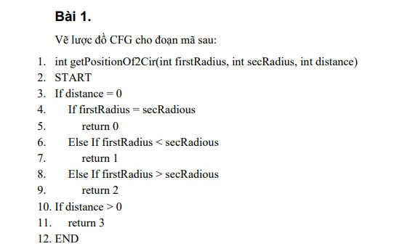
# | Condition | Input | Path | Excepted Result | Actual result | Status
1 | (distance = 0)(T), (firstRadius = secRadius)(T) | firstRadius = 2, secRadius = 2, distance = 0 | 1,2,3,4,5,12 | 0 |  | Pass
2 | (distance = 0)(F),(distance >0)(T) | firstRadius = 2, secRadius = 2, distance = 4 | 1,2,10,11,12 | 3 |  | Pass
3 | (distance = 0)(T), (distance >0)(F), (firstRadius < secRadius)(T) | firstRadius = 6, secRadius =7, distance = 0 | 1,2,3,4,6,7,12 | 1 |  | Pass
4 | (distance = 0)(T), (distance >0)(F), (firstRadius < secRadius)(F), (firstRadius > secRadius)(T) | firstRadius = 10, secRadius = 5, distance = 0 | 1,2,3,4,6,8,9,12 | 2 |  | Pass

Bai2
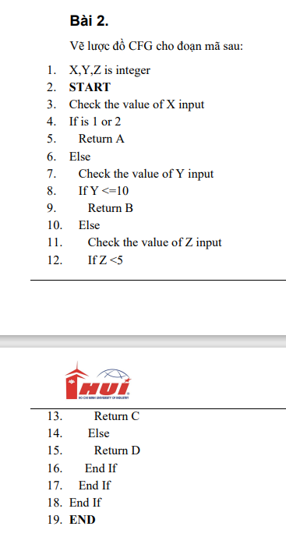
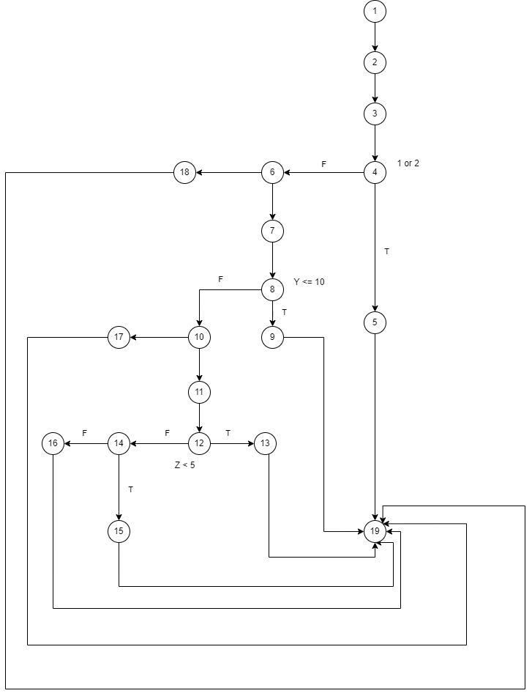
# | Condition | Input | Path | Excepted Result | Actual result | Status
1 | (is 1 or 2)(T) | X = 1, Y =2, Z =5 | 1,2,3,4,5,19 | A |  | Pass
2 | (is 1 or 2)(F), (Y <= 10)(T) | X = 3, Y =8, Z =5 | 1,2,3,4,6,7,8,9,19 | B |  | Pass
3 | (is 1 or 2)(F), (Y <= 10)(F), ( Z < 5)(T) | X =3, Y=12, Z =4 | 1,2,3,4,6,7,8,10,11,12,13,19 | C |  | Pass
4 | (is 1 or 2)(F), (Y <= 10)(F), ( Z < 5)(F) | X = 3, Y =12, Z =8 | 1,2,3,4,6,7,8,10,11,12,14,15,19 | D |  | Pass

Bai3
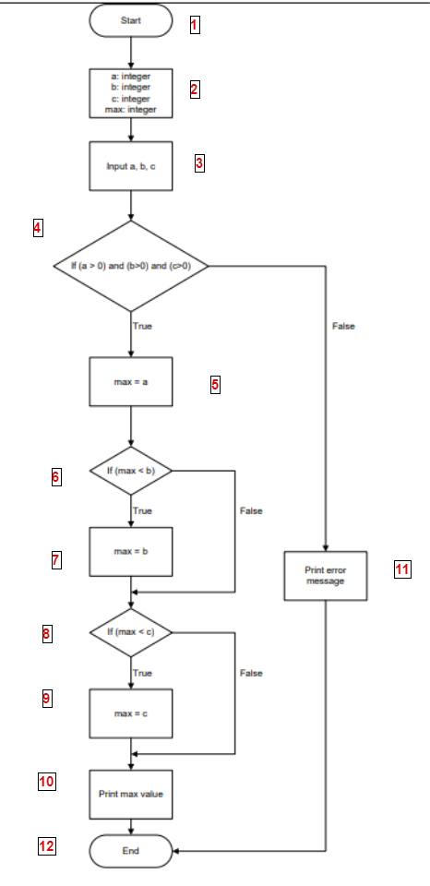
# | Condition | Input | Path | Expceted Result | Actual result | Status
1 | (a>0) and (b>0) and (c>0)(T) && (max < b)(T) && (max < c)(T) | A=7,b=12,c=15 | 1,2,3,4,5,6,7,8,9,10,12 | 15 |  | Pass
2 | (a>0) and (b>0) and (c>0)(T) && (max < b) (F) && (max < c) (F) | A=10,b=7,c=9 | 1,2,3,4,5,6,8,10,12 | 10 |  | Pass
3 | (a>0) and (b>0) and (c>0) | a=4,b=8,c=-2 | 1,2,3,4,11,12 | erro message |  | Pass

Bai4
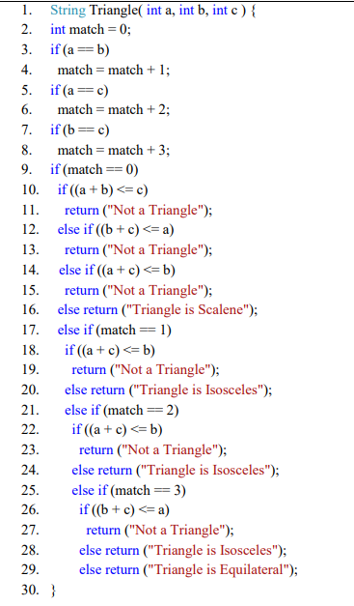
# | Condition | Input | Path | Expceted Result | Actual result | Status
1 | (a=b,a=c,b=c)(T),(match=0)(F), (match=1)(F),(match=2)(F),(match=3)=(F) | 3,3,3 | 1,2,3,4,5,6,7,8,9,17,21,25,29,30 | Triangle is Equilateral |  | Pass
2 | (a=b,a=c,b=c)(F),(match=0)(T),((a+b)<=c)(F),((b+c)<=a)(F),((a+c)<=b)(F) | 10,5,6 | 1,2,3,5,7,9,10,12,14,16,30 | Triangle is Scalene |  | Pass
3 | (a=b)(T),(a=c,b=c)(F),(match=0)(F),(match=1)(T),((a+c)<=b)(F) | 5,5,2 | 1,2,3,5,7,9,17,18,20,30 | Triangle is Isosceles |  | Pass
4 | (a=c)(T),(a=b,b=c)(F),(match=0)(F),(match=1)(F),(match=2)(T),((a+c)<=b)(T) | 2,7,2 | 1,2,3,5,7,9,17,21,22,23,30 | Not a Triangle |  | Pass
5 | (a=b,a=c,b=c)(F),(match=0)(T),((a+b)<=c)(T) | 3,5,11 | 1,2,3,5,7,9,10,11,30 | Not a Triangle |  | Pass
6 | (a=b,a=c,b=c)(F),(match=0)(T),((a+b)<=c)(F),((b+c)<=a)(T) | 11,3,5 | 1,2,3,5,7,9,10,12,13,30 | Not a Triangle |  | Pass
7 | (a=b,a=c,b=c)(F),(match=0)(T),((a+b)<=c)(F),((b+c)<=a)(F),((a+c)<=b)(T) | 3,11,5 | 1,2,3,5,7,9,10,12,14,15,30 | Not a Triangle |  | Pass
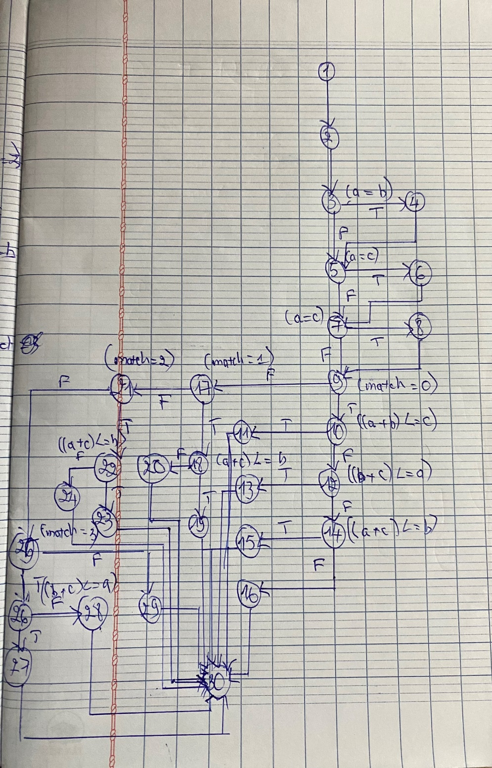
8 | (a=b)(T),(a=c,b=c)(F),(match=0)(F),(match=1)(T),((a+c)<=b)(F) | 8,8,11 | 1,2,3,5,7,9,17,18,20,30 | Triangle is Isosceles |  | Pass
9 | (a=c)(T),(a=b,b=c)(F),(match=0)(F),(match=1)(F),(match=2)(T),((a+c)<=b)(F) | 8,5,8 | 1,2,3,5,7,9,17,21,22,24,30 | Triangle is Isosceles |  | Pass
10 | (is=b,b=c,b=c)(F),(match=0)(F),(match=1)(F),(match=2)(F),(match=3)(F) | 8,5,13 | 1,2,3,5,7,9,17,21,25,29,30 | Triangle is Equilateral | Assert.AreEqual failed. Expected:<Triangle is Equilateral>. Actual:<Not a Triangle>. | Fail
11 | (is=b,is=c,b=c)(F),(match=0)(F),(match=1)(F),(match=2)(F),(match=3)(T),((b+c)<=a)(F) | 8,13,8 | 1,2,3,5,7,9,21,25,26,28,30 | Triangle is Isosceles |  | Pass

Bai5
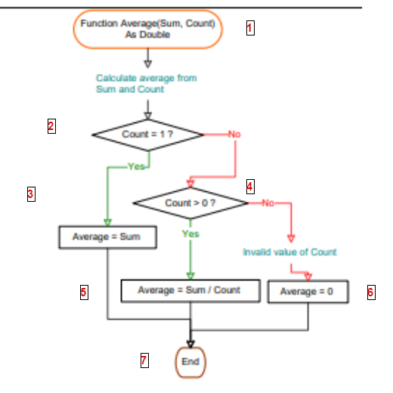
# | Condition | Input | Path | Expceted Result | Actual result | Status
1 | count = 1(T) | 5,1 | 1,2,3,5,7 | 5 |  | Pass
2 | (count=1)(F),(count > 0)(T) | 15,60 | 1,2,4,5,7 | 0.25 |  | Pass
3 | (count=1)(F),(count > 0)(F) | 11,-5 | 1,2,3,4,6,7 | 0 |  | Pass

Bai6
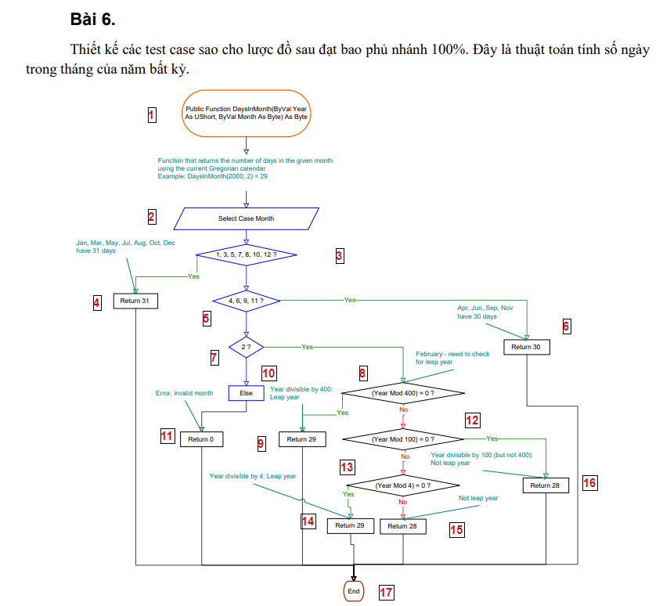
# | Condition | Input | Path | Expceted Result | Actual result | Status
1 | (1,3,5,7,8,10,12?)(T) | 2002,3 | 1,2,3,4,17 | 31 |  | Pass
2 | (1,3,5,7,8,10,12?)(F),(4,6,9,11?)(F),(2?)(F) | 2004,13 | 1,2,3,5,7,10,11,17 | 0 |  | Pass
3 | (1,3,5,7,8,10,12?)(F),(4,6,9,11)(T) | 2004,11 | 1,2,3,5,6,17 | 30 |  | Pass
4 | (1,3,5,7,8,10,12?)(F),(4,6,9,11?)(F),(2?)(T), ((Year Mod 400)=0)(T) | 2032,2 | 1,2,3,5,7,8,12,13,14,17 | 29 |  | Pass
5 | (1,3,5,7,8,10,12?)(F),(4,6,9,11?)(F),(2?)(T), ((Year Mod 400)=0)(F), ((Year Mod 100)=0)(T) | 2100,2 | 1,2,3,5,7,8,12,16,17 | 28 |  | Pass
6 | (1,3,5,7,8,10,12?)(F),(4,6,9,11?)(F),(2?)(T), ((Year Mod 400)=0)(F), ((Year Mod 100)=0)(F),((Year Mod 4)=0)(F) | 2025,2 | 1,2,3,5,7,8,12,13,15,17 | 28 |  | Pass
7 | (1,3,5,7,8,10,12?)(F),(4,6,9,11?)(F),(2?)(T), ((Year Mod 400)=0)(F), ((Year Mod 100)=0)(F),((Year Mod 4)=0)(T) | 2400,2 | 1,2,3,5,7,8,9,17 | 29 |  | Pass

Bai7
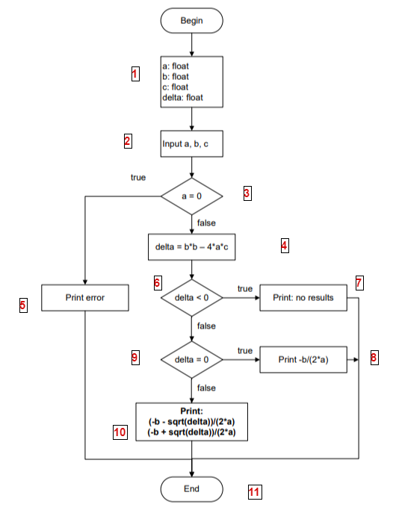
# | Condition | Input | Path | Expceted Result | Actual result | Status
1 | (a = 0)(T) | 0,4,7 | 1,2,3,5,11 | erro |  | Pass
2 | (a=0)(F),(delta < 0)(F),(delta=0)(F) | 1,-3,2 | 1,2,3,4,6,9,10,11 | '2,1' | Assert.AreEqual failed. Expected:<Coefficient 'a' cannot be zero>. Actual:<Assert.AreEqual failed. Expected:<2,1>. Actual:<1, 2>. >. | Fail
3 | (a=0)(F),(delta < 0)(T) | 1,2,3 | 1,2,3,4,6,7,11 | no result | Assert.AreEqual failed. Expected:<Coefficient 'a' cannot be zero>. Actual:<Assert.AreEqual failed. Expected:<no result>. Actual:<no results>. >. | Fail
4 | (a=0)(F),(delta < 0)(F),(delta=0)(T) | 1,2,1 | 1,2,3,4,6,9,8,11 | '-1' |  | Pass

Bai8
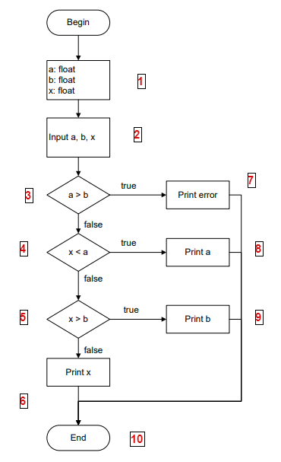
# | Condition | Input | Path | Expceted Result | Actual result | Status
1 | (a>b)&&(c<a)&&(x>b) = F | 4,6,5 | 1,2,3,4,5,6,10 | 5 |  | Pass
2 | a>b = T | 10,6,3 | 1,2,3,7,10 | erro |  | Pass
3 | a>b = F, x < a=T | 3,5,1 | 1,2,3,4,8,10 | 3 |  | Pass
4 | a>b= F,x<a=F,x>b=T | 10,15,16 | 1,2,3,4,5,9,10 | 15 |  | Pass

Bai9
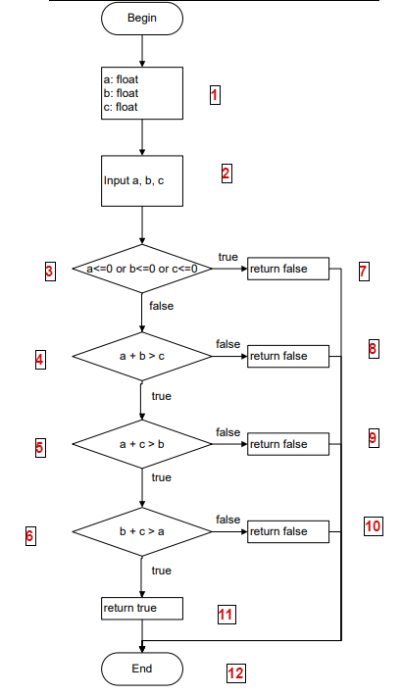
# | Condition | Input | Path | Expceted Result | Actual result | Status
1 | [(a+b>c),(a+c>b),(b+c>a)] = T | 3,4,5 | 1,2,3,4,5,6,11,12 | TRUE |  | Pass
2 | (a<=0 or b<=0 or c<=0) = T | -15,-6,5 | 1,2,3,7,12 | FALSE |  | Pass
3 | (a+b>c)=F | 1,3,6 | 1,2,3,4,8,12 | FALSE |  | Pass
4 | (a+c>b)=F | 2,5,1 | 1,2,3,4,5,9,12 | FALSE |  | Pass
5 | (b+c>a)=F | 10,5,3 | 1,2,3,4,5,6,10,12 | FALSE |  | Pass

Bai10
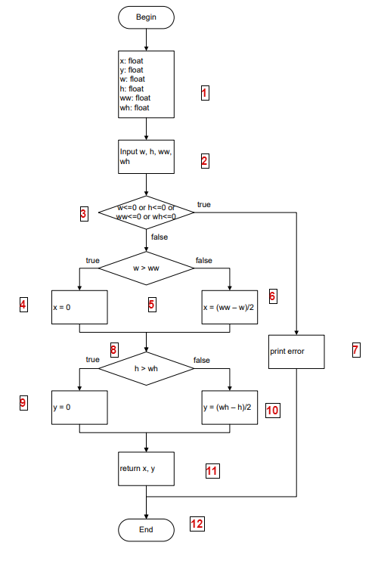
# | Condition | Input | Path | Expceted Result | Actual result | Status
1 | (w<=0 or h<=0 or ww<=0 or wh<=0)=T | -5,5,8,6 | 1,2,3,7,12 | error |  | Pass
2 | (w<=0 or h<=0 or ww<=0 or wh<=0)=F,w>ww=T | 10,8,7,5 | 1,2,3,5,4,8,9,11,12 | x=0,y=0 |  | Pass
3 | (w<=0 or h<=0 or ww<=0 or wh<=0)=F,w>ww=F | 1,5,8,10 | 1,2,3,5,6,8,10,11,12 | x=(ww-w)/2 && y=(wh-h)/2 |  | Pass

Bai11
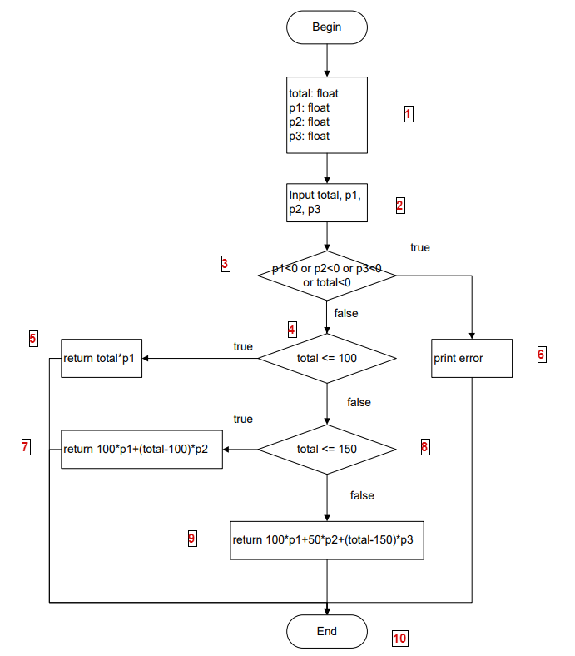
# | Condition | Input | Path | Expceted Result | Actual result | Status
1 | [p1<0 or p2<0 or p3< or total<0]=T | 500,-9,151,200 | 1,2,3,6,10 | error |  | Pass
2 | [p1<0 or p2<0 or p3< or total<0]=F, total<=100 | 60,80,125,152 | 1,2,3,4,5,7,10 | 4800 |  | Pass
3 | [p1<0 or p2<0 or p3< or total<0]=F, total>=150 | 200,50,130,160 | 1,2,3,4,8,9,10 | 19500 |  | Pass
4 | [p1<0 or p2<0 or p3< or total<0]=F, total<=150 | 111,62,127,175 | 1,2,3,4,5,7,10 | 7597 |  | Pass

Bai12
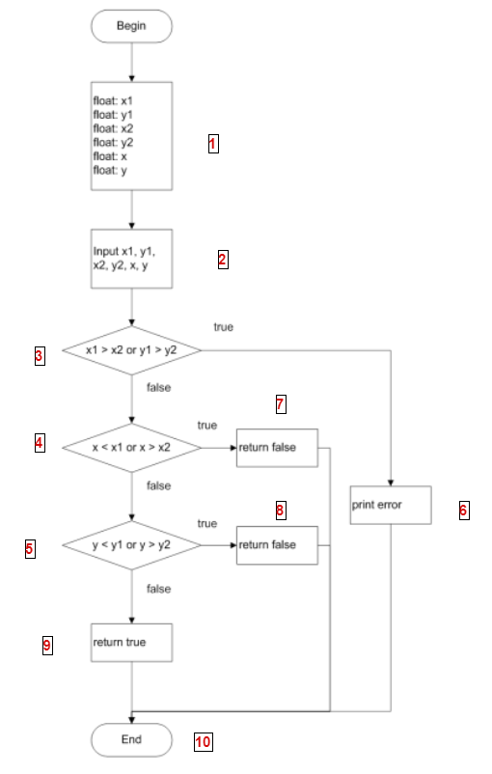
# | Condition | Input | Path | Expceted Result | Actual result | Status
1 | [(x1>x2 or y1>y2)&&(x<x1 or x>x2)&&(y<y1 or y>y2)]=F | 5,5,7,1,3,3 | 1,2,3,4,5,9,10 | TRUE |  | Pass
2 | (x1>x2 or y1>y2)=T | 9,5,2,1,3,3 | 1,2,3,6,10 | ERROR |  | Pass
3 | (x1>x2 or y1>y2)=F,(x<x1 or x>x2)=T | 7,1,5,5,6,3 | 1,2,3,4,7,10 | FALSE |  | Pass

Bai13
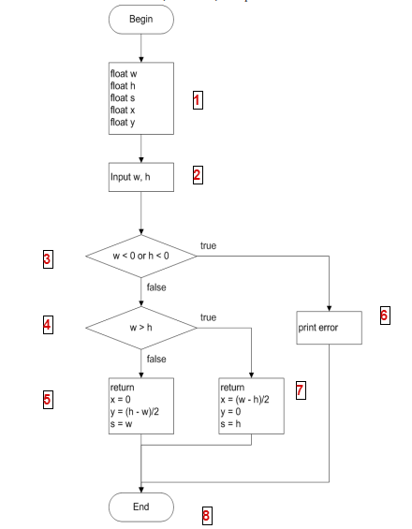
# | Condition | Input | Path | Expceted Result | Actual result | Status
1 | (w<0 or h<0)(T) | -1,0 | 1,2,6,8 | error |  | Pass
2 | (w<0 or h<0)(F),(w>h)(T) | 5,2 | 1,2,3,4,7,8 | x=1.5,y=0,s=2 |  | Pass
3 | (w<0 or h<0)(F),(w>h)(F) | 3,7 | 1,2,3,4,5,8 | x=0,y=2,s=3 |  | Pass

Bai14
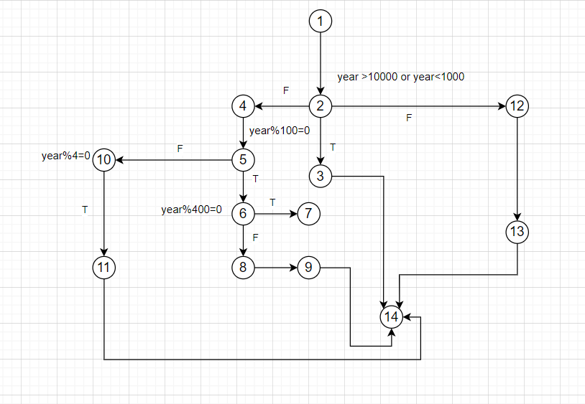
# | Condition | Input | Path | Expceted Result | Actual result | Status
1 | (year>10000 or year<1000) =T | 980 | 1,2,3,14 | FALSE |  | Pass
2 | (year>10000 or year<1000) =F, (year%100=0)=F | 20144 | 1,2,12,13,14 | FALSE |  | Pass
3 | (year>10000 or year<1000) =F, (year%100=0)=T,(year%400=0)=F | 1900 | 1,2,4,5,6,8,9,14 | FALSE |  | Pass
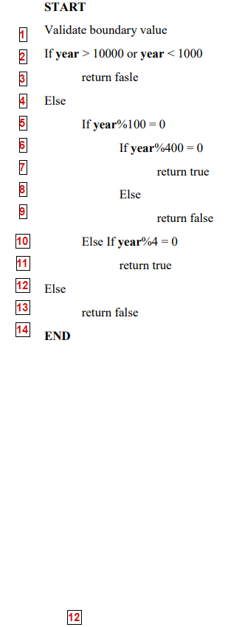
4 | (year>10000 or year<1000) =F, (year%100=0)=T,(year%4=0)=T | 2040 | 1,2,4,5,10,11,14 | TRUE |  | Pass

Bai15
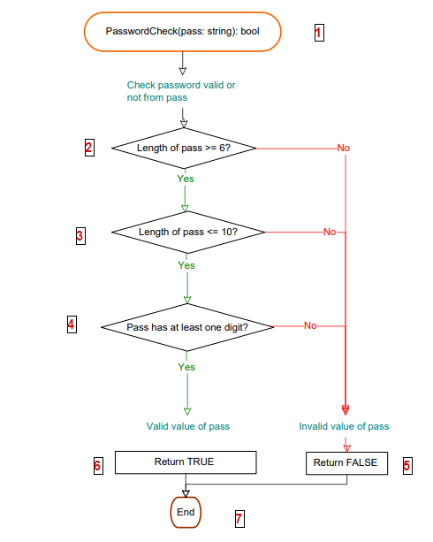
# | Condition | Input | Path | Expceted Result | Actual result | Status
1 | pass <= 6 | pas1 | 1,2,5,7 | FALSE |  | Pass
2 | pass <= 10 | password1 | 1,2,3,4,6,7 | TRUE |  | Pass
3 | pass >= 10 | password123 | 1,2,3,5,7 | FALSE |  | Pass
4 | pass has not at least one digit | password | 1,2,3,4,5,7 | FALSE |  | Pass

Bai16
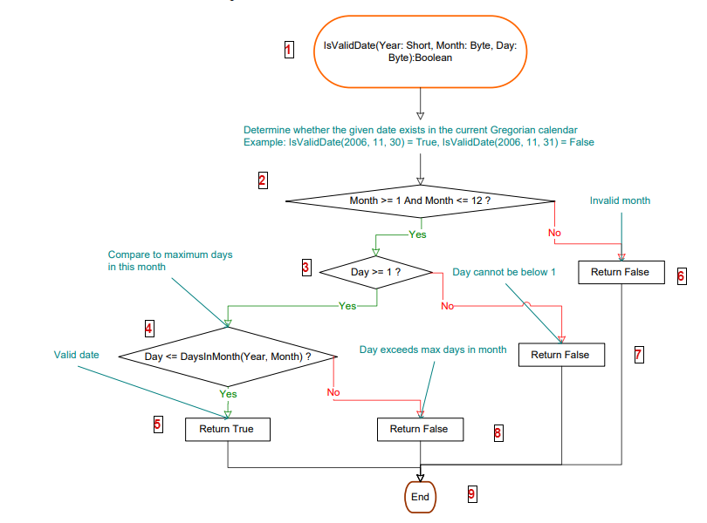
# | Condition | Input | Path | Expceted Result | Actual result | Status
1 | [Month>=1 and Month<=12,Day>=1,Day<=DaysInMonth(Year,Month) ]=T | 2002,3,21 | 1,2,3,4,5,9 | TRUE |  | Pass
2 | (Month>=1 and Month<=12)=T,(Day>=1) = T,Day<=DaysInMonth(Year,Month) =F | 2006,5,32 | 1,2,3,4,8,9 | FALSE |  | Pass
3 | (Month>=1 and Month<=12)=T,(Day>=1) = F,Day<=DaysInMonth(Year,Month) =T | 2006,10,0 | 1,2,3,7,9 | FALSE |  | Pass
4 | (Month>=1 and Month<=12)=F,(Day>=1) = T,Day<=DaysInMonth(Year,Month) =T | 2006,13,13 | 1,2,6,9 | FALSE |  | Pass

Bai17
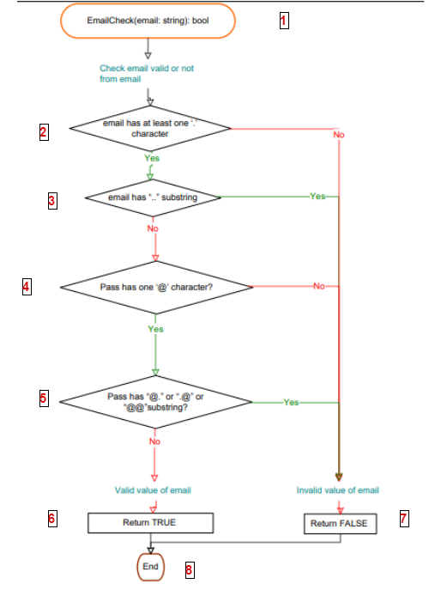
# | Condition | Input | Path | Expceted Result | Actual result | Status
1 | email has least '.' character | hello@gmailcom | 1,2,7,8 | FALSE |  | Pass
2 | email not ( '..','@.','.@','@@'), has ('.','@') | helloword@gmail.com | 1,2,3,4,5,6,8 | TRUE |  | Pass
3 | email has least '..' character | hello2@gmail..com | 1,2,3,7,8 | FALSE |  | Pass
4 | email has not '@' | hello23gmail.com | 1,2,3,4,7,8 | FALSE |  | Pass
5 | email has '@.' | hello23@.gmail.com | 1,2,3,4,5,7,8 | FALSE |  | Pass

Bai18
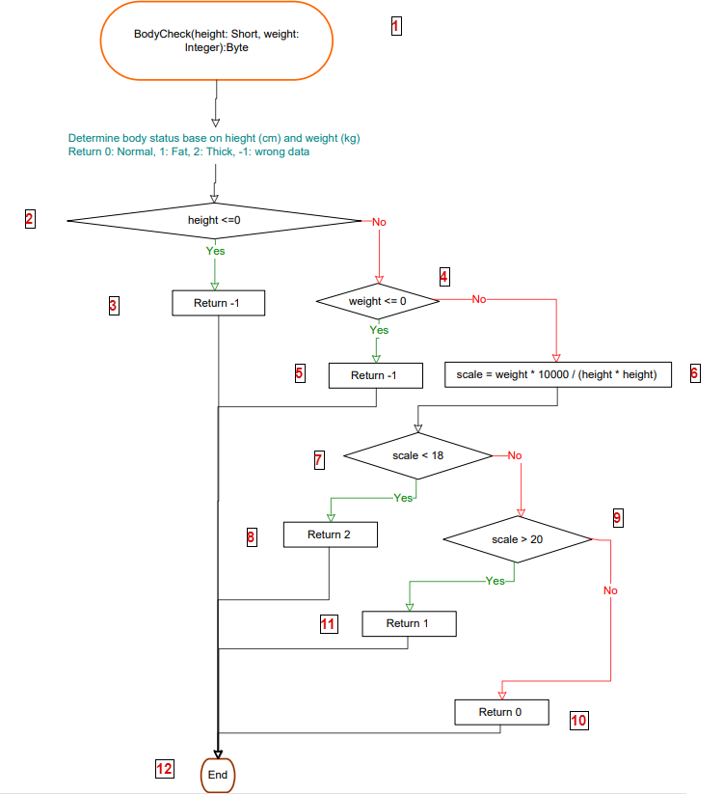
# | Condition | Input | Path | Expceted Result | Actual result | Status
1 | height<=0 | -100,54 | 1,2,3,12 | -1 |  | Pass
2 | weight<=0 | 155,0 | 1,2,4,5,12 | -1 |  | Pass
3 | scale>20 | 170,90 | 1,2,4,6,7,9,11,12 | 1 |  | Pass
4 | scale<20,scale>18 | 170,55 | 1,2,4,6,7,9,10,12 | 0 |  | Pass
5 | scale<18 | 162,45 | 1,2,4,6,7,8,12 | 2 |  | Pass

Bai19
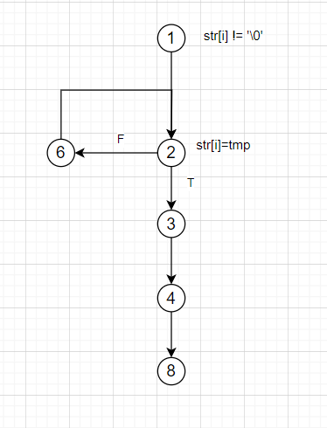
# | Condition | Input | Path | Expceted Result | Actual result | Status
1 | str[i]=tmp | S | 1,2,3,4,5,8 | 0 |  | Pass
2 | str[i]!=tmp and loop 1 lần | t | 1,2,6,2,3,4,5,8 | 1 |  | Pass

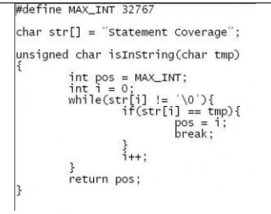
 |  |  |  |  |  |  | 1. while(str[i] != '\0'){
 |  |  |  |  |  |  | 2. if(str[i] ==tmp){
 |  |  |  |  |  |  | 3. pos = I;
 |  |  |  |  |  |  | 4. break;
 |  |  |  |  |  |  | 5. }
 |  |  |  |  |  |  | 6. i++;
 |  |  |  |  |  |  | 7. }
 |  |  |  |  |  |  | 8. return pos;
 |  |  |  |  |  |  | 9. }

