Midship Section
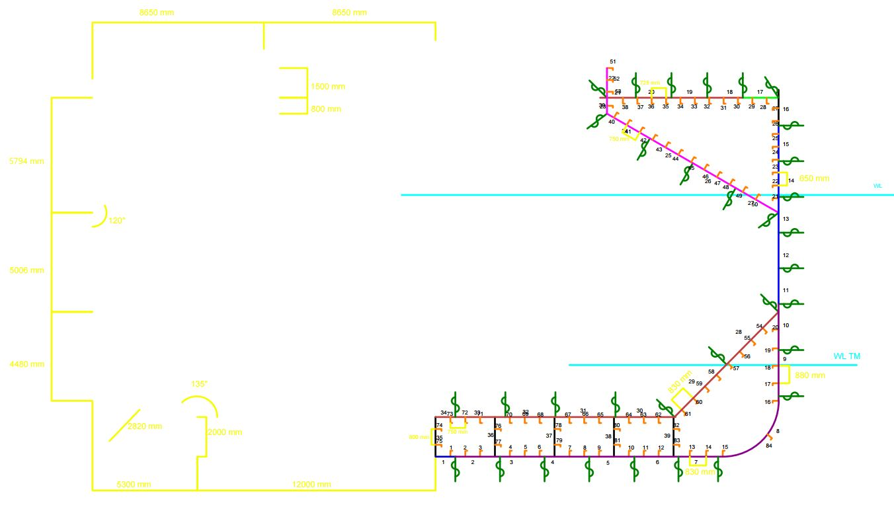
Geometrical Basic Dimensions
B1 | 12000 | [mm]
B2 | 5300 | [mm]
B3 | 8650 | [mm]
B4 | 8651 | [mm]
C1 | 4480 | [mm]
C2 | 5006 | [mm]
C3 | 5794 | [mm]
h | 2000 | [mm]
h1 | 800 | [mm]
h2 | 1500 | [mm]
R_b | 2820 | [mm]
l | 3672 | [mm]

Plate Restrictions
 | Min Lenght [mm] | Max Lenght [mm]
Keel | 1955 | -
Bottom | 1955 | -
Inner Bottom | 1955 | -
Bilge | 1955 | -
Side | 1955 | 1800
Deck | 1955 | 1800

Material Proprieties
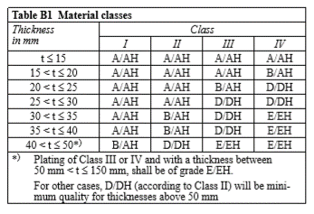
Material Selection- Hull structural steel |  |  |  | Thickness Requirements | S2-B204 | Corrosion addition tk on number of components
 | Yield Stress [N/mm2] | Grade | f1 |  |  | Plates |  | Stiffeners
NV-NS | 235 | A,B,D, E | 1 |  |  | Number | tk [mm] | Number | tk [mm]
NV-27 | 265 | - | 1.08 |  |  | 1 | 1 | 1 | 1.5
NV-32 | 315 | - | 1.28 |  |  | 2 | 1 | 2 | 1.5
NV-36 | 355 | - | 1.39 |  |  | 3 | 1 | 3 | 1.5
NV-40 | 390 | - | 1.47 |  |  | 4 | 1 | 4 | 1.5
Ref | S2-B201 | S2-B202 | S2-B203 |  |  | 5 | 1 | 5 | 1.5
 |  |  |  |  |  | 6 | 1 | 6 | 1.5
Young Modulos for Steel |  |  |  |  |  | 7 | 1 | 7 | 1.5
E | 206000 | N/mm^2 |  |  |  | 8 | 1 | 8 | 1.5
 |  |  |  |  |  | 9 | 1 | 9 | 1.5
 |  |  |  |  |  | 10 | 1 | 10 | 1.5
SOLAS Requirements |  | S2-B302 |  |  |  | 11 | 0.5 | 11 | 1.5
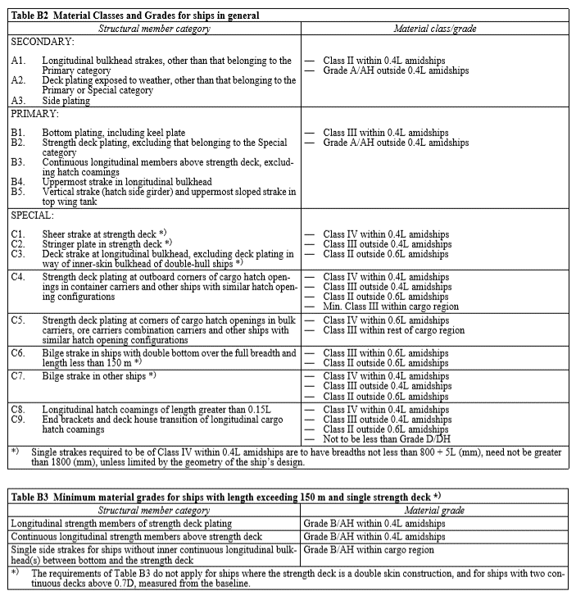
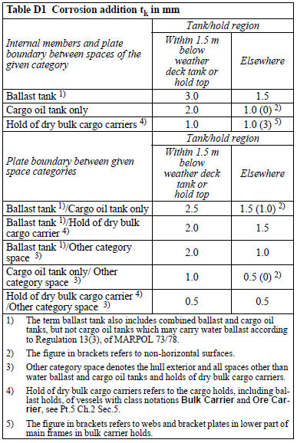
 |  |  |  |  |  | 12 | 0.5 | 12 | 1.5
 |  |  |  |  |  | 13 | 0.5 | 13 | 1.5
 |  |  |  |  |  | 14 | 1 | 14 | 1.5
 |  |  |  |  |  | 15 | 1 | 15 | 1.5
 |  |  |  |  |  | 16 | 2 | 16 | 1.5
 |  |  |  |  |  | 17 | 2 | 17 | 1.5
 |  |  |  |  |  | 18 | 2 | 18 | 1.5
 |  |  |  |  |  | 19 | 2 | 19 | 1.5
 |  |  |  |  |  | 20 | 2 | 20 | 1.5
 |  |  |  |  |  | 21 | 2 | 21 | 1.5
 |  |  |  |  |  | 22 | 2 | 22 | 1.5
 |  |  |  |  |  | 23 | 2 | 23 | 1.5
 |  |  |  |  |  | 24 | 2 | 24 | 1.5
 |  |  |  |  |  | 25 | 1.5 | 25 | 1.5
 |  |  |  |  |  | 26 | 1.5 | 26 | 3
 |  |  |  |  |  | 27 | 1.5 | 27 | 3
 |  |  |  |  |  | 28 | 1.5 | 28 | 3
 |  |  |  |  |  | 29 | 1.5 | 29 | 3
 |  |  |  |  |  | 30 | 1.5 | 30 | 3
 |  |  |  |  |  | 31 | 1.5 | 31 | 3
 |  |  |  |  |  | 32 | 1.5 | 32 | 3
 |  |  |  |  |  | 33 | 1.5 | 33 | 3
 |  |  |  |  |  | 34 | 1.5 | 34 | 3
 |  |  |  |  |  | 35 | 1.5 | 35 | 3
 |  |  |  |  |  | 36 | 1.5 | 36 | 3
 |  |  |  |  |  | 37 | 1.5 | 37 | 3
 |  |  |  |  |  | 38 | 1.5 | 38 | 3
 |  |  |  |  |  | 39 | 1.5 | 39 | 1.5
 |  |  |  |  |  |  |  | 40 | 1.5
 |  |  |  |  |  |  |  | 41 | 1.5
 |  |  |  |  |  |  |  | 42 | 1.5
 |  |  |  |  |  |  |  | 43 | 1.5
 |  |  |  |  |  |  |  | 44 | 1.5
 |  |  |  |  |  |  |  | 45 | 1.5
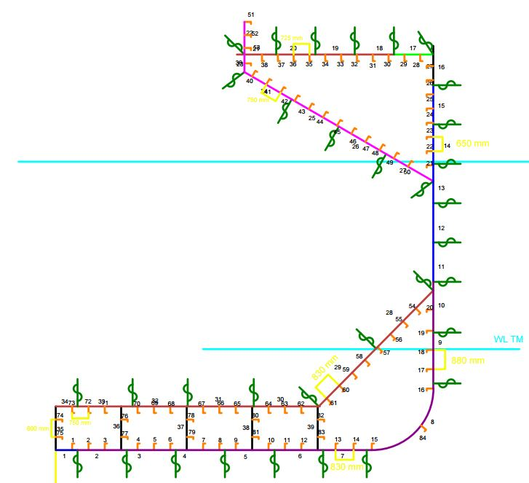
 |  |  |  |  |  |  |  | 46 | 1.5
 |  |  |  |  |  |  |  | 47 | 1.5
 |  |  |  |  |  |  |  | 48 | 1
 |  |  |  |  |  |  |  | 49 | 1
 |  |  |  |  |  |  |  | 50 | 1.5
 |  |  |  |  |  |  |  | 51 | 1.5
 |  |  |  |  |  |  |  | 52 | 1.5
 |  |  |  |  |  |  |  | 53 | 1.5
 |  |  |  |  |  |  |  | 54 | 1.5
 |  |  |  |  |  |  |  | 55 | 1.5
 |  |  |  |  |  |  |  | 56 | 1.5
 |  |  |  |  |  |  |  | 57 | 1.5
 |  |  |  |  |  |  |  | 58 | 1.5
 |  |  |  |  |  |  |  | 59 | 1.5
 |  |  |  |  |  |  |  | 60 | 1.5
 |  |  |  |  |  |  |  | 61 | 1.5
 |  |  |  |  |  |  |  | 62 | 1.5
 |  |  |  |  |  |  |  | 63 | 1.5
 |  |  |  |  |  |  |  | 64 | 1.5
 |  |  |  |  |  |  |  | 65 | 1.5
 |  |  |  |  |  |  |  | 66 | 1.5
 |  |  |  |  |  |  |  | 67 | 1.5
 |  |  |  |  |  |  |  | 68 | 1.5
 |  |  |  |  |  |  |  | 69 | 1.5
 |  |  |  |  |  |  |  | 70 | 1.5
 |  |  |  |  |  |  |  | 71 | 1.5
 |  |  |  |  |  |  |  | 72 | 1.5
 |  |  |  |  |  |  |  | 73 | 1.5
 |  |  |  |  |  |  |  | 74 | 1.5
 |  |  |  |  |  |  |  | 75 | 1.5
 |  |  |  |  |  |  |  | 76 | 1.5
 |  |  |  |  |  |  |  | 77 | 1.5
 |  |  |  |  |  |  |  | 78 | 1.5
 |  |  |  |  |  |  |  | 79 | 1.5

Longitudinal design strenght
Still water condition |  |  |  |  |  |  |  | Wave load condition |  |  |  |  |  |  |  |  | Horizontal bending moment on a wave load
S5-B106 to B108 |  |  |  |  |  |  |  | S5-B201 to B203 |  |  |  |  |  |  |  |  | S5-B205
Section | x [m] | ksm | MS (sagging) [kN.m] | MS (hogging) [kN.m] | ksq | QS (sagging) [kN] | QS (hogging) [kN] | Section | x [m] | ksm | MS (sagging) [kN.m] | MS (hogging) [kN.m] | ksq,neg | ksq,pos | QS (sagging) [kN] | QS (hogging) [kN] | Section | x [m] | x/L | M_wh [kN*m]
0 | 0 | 0 | 0 | 0 | 0.00 | 0 | 0 | 0 | 0 | 0.000 | 0 | 0 | 0.000 | 0.000 | 0 | 0 | 0 | 0 | 0 | 0
1 | 11.55 | 0.075 | -135,566 | 156,140 | 0.33 | -13,041 | 15,021 | 1 | 11.55 | 0.125 | -382,364 | 348,074 | 0.230 | 0.209 | -8,306 | 7,566 | 1 | 11.55 | 0.05 | 41,199
2 | 23.1 | 0.15 | -271,131 | 312,280 | 0.67 | -26,083 | 30,041 | 2 | 23.1 | 0.250 | -764,729 | 696,148 | 0.460 | 0.419 | -16,613 | 15,132 | 2 | 23.1 | 0.1 | 160,762
3 | 34.65 | 0.3625 | -655,234 | 754,677 | 1.00 | -39,124 | 45,062 | 3 | 34.65 | 0.375 | -1,147,093 | 1,044,221 | 0.690 | 0.628 | -24,919 | 22,697 | 3 | 34.65 | 0.15 | 346,986
4 | 46.2 | 0.575 | -1,039,336 | 1,197,073 | 1.00 | -39,124 | 45,062 | 4 | 46.2 | 0.500 | -1,529,458 | 1,392,295 | 0.920 | 0.838 | -33,226 | 30,263 | 4 | 46.2 | 0.2 | 581,642
5 | 57.75 | 0.7875 | -1,423,439 | 1,639,470 | 1.00 | -39,124 | 45,062 | 5 | 57.75 | 0.625 | -1,911,822 | 1,740,369 | 0.920 | 0.838 | -33,226 | 30,263 | 5 | 57.75 | 0.25 | 841,760
6 | 69.3 | 1.0 | -1,807,541 | 2,081,867 | 1.00 | -39,124 | 45,062 | 6 | 69.3 | 0.750 | -2,294,187 | 2,088,443 | 0.920 | 0.838 | -33,226 | 30,263 | 6 | 69.3 | 0.3 | 1,101,878
7 | 80.85 | 1.0 | -1,807,541 | 2,081,867 | 0.90 | -35,212 | 40,556 | 7 | 80.85 | 0.875 | -2,676,551 | 2,436,517 | 0.810 | 0.769 | -29,253 | 27,772 | 7 | 80.85 | 0.35 | 1,336,533
8 | 92.4 | 1.0 | -1,807,541 | 2,081,867 | 0.80 | -31,299 | 36,050 | 8 | 92.4 | 1.000 | -3,058,916 | 2,784,590 | 0.700 | 0.700 | -25,280 | 25,280 | 8 | 92.4 | 0.4 | 1,522,757
9 | 103.95 | 1.0 | -1,807,541 | 2,081,867 | 0.80 | -31,299 | 36,050 | 9 | 103.95 | 1.000 | -3,058,916 | 2,784,590 | 0.700 | 0.700 | -25,280 | 25,280 | 9 | 103.95 | 0.45 | 1,642,320
10 | 115.5 | 1.0 | -1,807,541 | 2,081,867 | 0.80 | -31,299 | 36,050 | 10 | 115.5 | 1.000 | -3,058,916 | 2,784,590 | 0.700 | 0.700 | -25,280 | 25,280 | 10 | 115.5 | 0.5 | 1,683,519
11 | 127.05 | 1.0 | -1,807,541 | 2,081,867 | 0.80 | -31,299 | 36,050 | 11 | 127.05 | 1.000 | -3,058,916 | 2,784,590 | 0.700 | 0.700 | -25,280 | 25,280 | 11 | 127.05 | 0.55 | 1,642,320
12 | 138.6 | 1.0 | -1,807,541 | 2,081,867 | 0.80 | -31,299 | 36,050 | 12 | 138.6 | 1.000 | -3,058,916 | 2,784,590 | 0.700 | 0.700 | -25,280 | 25,280 | 12 | 138.6 | 0.6 | 1,522,757
13 | 150.15 | 1.0 | -1,807,541 | 2,081,867 | 0.90 | -35,212 | 40,556 | 13 | 150.15 | 1.000 | -3,058,916 | 2,784,590 | 0.806 | 0.850 | -29,104 | 30,698 | 13 | 150.15 | 0.65 | 1,336,533
14 | 161.7 | 1.0 | -1,807,541 | 2,081,867 | 1.00 | -39,124 | 45,062 | 14 | 161.7 | 0.857 | -2,621,928 | 2,386,792 | 0.912 | 1.000 | -32,928 | 36,115 | 14 | 161.7 | 0.7 | 1,101,878
15 | 173.25 | 0.7875 | -1,423,439 | 1,639,470 | 1.00 | -39,124 | 45,062 | 15 | 173.25 | 0.714 | -2,184,940 | 1,988,993 | 0.912 | 1.000 | -32,928 | 36,115 | 15 | 173.25 | 0.75 | 841,760
16 | 184.8 | 0.575 | -1,039,336 | 1,197,073 | 1.00 | -39,124 | 45,062 | 16 | 184.8 | 0.571 | -1,747,952 | 1,591,195 | 0.912 | 1.000 | -32,928 | 36,115 | 16 | 184.8 | 0.8 | 581,642
17 | 196.35 | 0.3625 | -655,234 | 754,677 | 1.00 | -39,124 | 45,062 | 17 | 196.35 | 0.429 | -1,310,964 | 1,193,396 | 0.912 | 1.000 | -32,928 | 36,115 | 17 | 196.35 | 0.85 | 346,986
18 | 207.9 | 0.15 | -271,131 | 312,280 | 0.67 | -26,083 | 30,041 | 18 | 207.9 | 0.286 | -873,976 | 795,597 | 0.608 | 0.667 | -21,952 | 24,076 | 18 | 207.9 | 0.9 | 160,762
19 | 219.45 | 0.075 | -135,566 | 156,140 | 0.33 | -13,041 | 15,021 | 19 | 219.45 | 0.143 | -436,988 | 397,799 | 0.304 | 0.333 | -10,976 | 12,038 | 19 | 219.45 | 0.95 | 41,199
20 | 231 | 0 | 0 | 0 | 0.00 | 0 | 0 | 20 | 231 | 0.000 | 0 | 0 | 0.000 | 0.000 | 0 | 0 | 20 | 231 | 1 | 0

 |  |  | Cw | Ms Sag [kN*m] | Ms Hog [kN*m] | Q Sag [kN*m] | Q Hog [kN*m] |  |  |  | Cw | Ms Sag [kN*m] | Ms Hog [kN*m] | Q Neg [kN*m] | Q Pos [kN*m]
 |  |  | 10.18 | -1,807,541 | 2,081,867 | -39,124 | 45,062 |  |  |  | 10.18 | -3,058,916 | 2,784,590 | -36,115 | 36,115

Longitudinal components
Requirements |  |  |  |  |  |  | Requirements Maximum
Structure | Stiffener | SecMudul. [cm^3] | Thickness [mm] | Area [cm^2] | Material | Plate | Structure | SecMudul. [cm^3] | Thickness [mm] | Area [cm^2] | Longitudinal
 | nº | Z | t | A | f1 | nº |  | Z | t | A
Outer Bottom | 1 | 1067.7 | 10 | 85 | 1.28 | 1 | Outer Bottom | 1404 | 10 | 86 | HP400 X 16
 | 2 | 1067.7 | 10 | 85 | 1.28 | 2 | Inner Bottom | 1036 | 10 | 70 | HP370 X 15
 | 3 | 1067.7 | 10 | 85 | 1.28 |  | Double Bottom | 973 | 10 | 67 | HP340 x 12
 | 4 | 1067.7 | 10 | 85 | 1.28 | 3 | Side | 276 | 10 | 29 | HP220 X 10
 | 5 | 1067.7 | 10 | 85 | 1.28 |  | Shear Strake | 214 | 10 | 29 | HP220 X 10
 | 6 | 1067.7 | 10 | 85 | 1.28 |  | Strength Deck | 438 | 10 | 40 | HP260 x 12
 | 7 | 1067.7 | 10 | 85 | 1.28 | 4 | Below Deck | 1207 | 10 | 78 | HP370 X 13
 | 8 | 1067.7 | 10 | 85 | 1.28 |  | Above Deck | 87 | 9 | 14 | HP140 X 10
 | 9 | 1067.7 | 10 | 85 | 1.28 | 5 | Trans. Stiff. | 426 | - | 38 | HP260 x 12
 | 10 | 1077.2 | 10 | 85 | 1.28
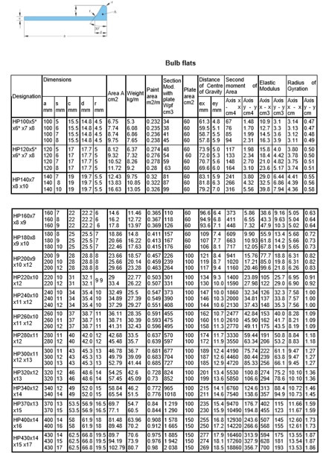
 | 11 | 1083.7 | 10 | 85 | 1.28 | 6
 | 12 | 1090.2 | 10 | 85 | 1.28
 | 13 | 1221.5 | 10 | 85 | 1.28 | 7
 | 14 | 1229.5 | 10 | 85 | 1.28
 | 15 | 1237.4 | 10 | 85 | 1.28 | 8
 | 16 | 1368.4 | 10 | 85 | 1.28
 | 17 | 1377.1 | 10 | 85 | 1.28 | 9
 | 18 | 1385.8 | 10 | 85 | 1.28
 | 19 | 1394.5 | 10 | 85 | 1.28 | 10
 | 20 | 1403.2 | 10 | 85 | 1.28
Inner Bottom | 50 | 1025.7 | 10 | 70 | 1.28 | 28
 | 51 | 1025.7 | 10 | 70 | 1.28
 | 52 | 1025.7 | 10 | 70 | 1.28
 | 53 | 1025.7 | 10 | 70 | 1.28
 | 54 | 1025.7 | 10 | 70 | 1.28 | 29
 | 55 | 1025.7 | 10 | 70 | 1.28
 | 56 | 1025.7 | 10 | 70 | 1.28
 | 57 | 1027.1 | 10 | 70 | 1.28
 | 58 | 1035.1 | 10 | 70 | 1.28 | 30
 | 59 | 1035.1 | 10 | 70 | 1.28
 | 60 | 1035.1 | 10 | 70 | 1.28
 | 61 | 1035.1 | 10 | 70 | 1.28 | 31
 | 62 | 1035.1 | 10 | 70 | 1.28
 | 63 | 1035.1 | 10 | 70 | 1.28
 | 64 | 1035.1 | 10 | 70 | 1.28 | 32
 | 65 | 1035.1 | 10 | 70 | 1.28
 | 66 | 1035.1 | 10 | 70 | 1.28
 | 67 | 1035.1 | 10 | 70 | 1.28 | 33
 | 68 | 1035.1 | 10 | 70 | 1.28
 | 69 | 1035.1 | 10 | 70 | 1.28 | 34
Double Bottom | 70 | 936.1 | 10 | 67 | 1.28 | 35
 | 71 | 972.2 | 10 | 67 | 1.28
 | 72 | 936.1 | 10 | 67 | 1.28 | 36
 | 73 | 972.2 | 10 | 67 | 1.28
 | 74 | 936.1 | 10 | 67 | 1.28 | 37
 | 75 | 972.2 | 10 | 67 | 1.28
 | 76 | 936.1 | 10 | 67 | 1.28 | 38
 | 77 | 972.2 | 10 | 67 | 1.28
 | 78 | 936.1 | 10 | 67 | 1.28 | 39
 | 79 | 972.2 | 10 | 67 | 1.28
Side | 21 | 275.9 | 10 | 29 | 1.28 | 13
 | 22 | 262.8 | 10 | 29 | 1.28 | 14
 | 23 | 249.6 | 10 | 29 | 1.28
 | 24 | 236.4 | 10 | 29 | 1.28 | 15
 | 25 | 223.3 | 10 | 29 | 1.28
 | 26 | 227.5 | 10 | 29 | 1.28
Shear Strake | 27 | 213.2 | 10 | 29 | 1.28 | 16
Strenght Deck | 28 | 437.8 | 10 | 40 | 1.28 | 17
 | 29 | 437.8 | 10 | 40 | 1.28
 | 30 | 437.8 | 10 | 40 | 1.28 | 18
 | 31 | 437.8 | 10 | 40 | 1.28
 | 32 | 437.8 | 10 | 40 | 1.28 | 19
 | 33 | 437.8 | 10 | 40 | 1.28
 | 34 | 437.8 | 10 | 40 | 1.28 | 20
 | 35 | 437.8 | 10 | 40 | 1.28
 | 36 | 437.8 | 10 | 40 | 1.28 | 21
Below Deck | 37 | 47.6 | 10 | 78 | 1.28 | 23
 | 38 | 670.3 | 10 | 78 | 1.28 | 24
 | 39 | 672.9 | 9 | 78 | 1.28
 | 40 | 726.7 | 9 | 78 | 1.28 | 25
 | 41 | 780.4 | 9 | 78 | 1.28
 | 42 | 834.2 | 9 | 78 | 1.28
 | 43 | 887.9 | 9 | 78 | 1.28 | 26
 | 44 | 965.7 | 9 | 78 | 1.28
 | 45 | 1045.9 | 9 | 78 | 1.28
 | 46 | 1126.1 | 9 | 78 | 1.28 | 27
 | 47 | 1206.3 | 9 | 78 | 1.28
Above Deck | 48 | 86.8 | 9 | 14 | 1.28 | 22
 | 49 | 60.9 | 9 | 14 | 1.28

Transversal Bulkhead
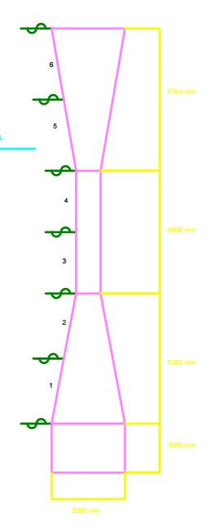
Main Charateristics |  |  |  | SecMudul. [cm^3] | Thickness [mm] | Area [cm^2] | t_min | A_req | l | s | wk | σ | p | Material
tank breadth | 34.6 | [m] |  | Z | t | A | [mm] | [cm^2] | [m] | [m] | [-] | [-] | [KN/m^2] | f1
s1 / sc | 1.44 | [m] |  | 921 | 9 | 65 | 8.31 | 64.388571098 | 3.4 | 0.85 | 1.18 | 204.8 | 163 | 1.28
s2 / a | 0.94 | [m]
s3 / c | 1.12 | [m] |  | s | wk | σ | p | Material
α | 1.11 | [rad] |  | [m] | [-] | [-] | [KN/m^2] | f1 |  |  |  |  |  |  |  |  |  |  | Structure | SecMudul. [cm^3] | Thickness [mm] | Area [cm^2] | Longitudinal
d | 1 | [m] |  | 0.85 | 1.18 | 204.8 | 162.75 | 1.28 |  |  |  |  |  |  |  |  |  |  |  | Z | t | A
Height of lower ends | 5.3 | [m] |  | Trans. Bulkhead | 1018 | 14 | 65.54 | HP 340x14 |  |  |  |  |  |  |  |  |  |  | Trans. Bulkhead | 1018 | 14 | 65.54 | HP 340x14
Height of upper end | 5.794 | [m]

Plate | Breadth | Final thickness | corrugated thickness | required thickness | minimum thickness | P | σ | s | t_k | tn | k | p1 | p2 | K | δ | hc | hb | Material
nº | [m] | [mm] | [mm] | [mm] | [mm] | [kN/m²] | [-] | [m] | [mm] | [mm] | [-] | [kN/m²] | [kN/m²] | [-] | [º] | [m] | [m] | f1
1 | 2.7 | 17 | 16.1 | 14.6 | 10.4 | 163 | 305.8 | 1.17 | 1.5 | 14 | 0.02 | 163 | 83 | 0.56 | 20 | 16.275 | 16.275 | 1.39
2 | 2.7 | 17 | 16.1 | 14.6 | 10.4 | 163 | 305.8 | 1.17 | 1.5 | 14 | 0.02 | 136 | 70 | 0.56 | 20 | 13.625 | 13.625 | 1.39
3 | 2.5 | 17 | 16.1 | 14.6 | 10.4 | 163 | 305.8 | 1.17 | 1.5 | 14 | 0.02 | 110 | 57 | 0.56 | 20 | 11.048 | 11.048 | 1.39
4 | 2.5 | 17 | 16.1 | 14.6 | 10.4 | 163 | 305.8 | 1.17 | 1.5 | 14 | 0.02 | 85 | 44 | 0.56 | 20 | 8.545 | 8.545 | 1.39
5 | 2.94 | 17 | 16.1 | 14.6 | 10.4 | 163 | 305.8 | 1.17 | 1.5 | 14 | 0.02 | 58 | 30 | 0.56 | 20 | 5.845 | 5.845 | 1.39
6 | 2.94 | 17 | 16.1 | 14.6 | 10.4 | 163 | 305.8 | 1.17 | 1.5 | 14 | 0.02 | 30 | 15 | 0.56 | 20 | 2.95 | 2.95 | 1.39

Fatigue
C-1 The example ship’s main dimensions |  |  |  |  | Local Stress |  |  | S-N parameters for N </= 10^7 cycles |  |  | S-N parameters for N >/= 10^7 cycles |  |  | Stress range
Length of ship | L | 231 | m |  | K | 1.2995 | - | log (a) | a barra 1 | m1 | log (a) | a barra 2 | m2 | S1 [Mpa]
Breadth of ship | B | 34.60 | m |  | Me | 3.93E+07 | N*mm | 12.164 | 1.46E+12 | 3 | 15.606 | 4.04E+15 | 5 | 50
Block coefficient | Cb | 0.78 | - |  | pe | 45.50 | kN/m^2
Design speed | Vs | 18.20 | knots |  | rp | 1 | -
Depth of ship | D | 18.10 | m |  | Sigma 2A | 12.85 | N/mm^2
Moment of inertia of hull cross-section about transverse neutral axis | I N | 226 | m^4 |  | Delta Sigma 1 | 25.7 | N/mm^2
Neutral axis above keel | Z NA | 7.56 | m
 |  |  |  |  | Global hull stresses
C-2 Definition of load conditions |  |  |  |  | Δσv | 114.9 | N/mm^2
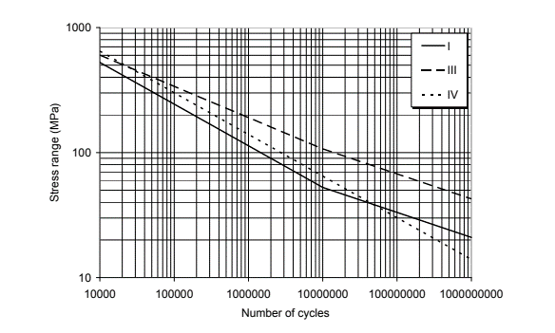
 | Fully loaded |  |  |  | Δσhg | 0 | N/mm^2
Stillwater bending moment Hogging | 2,081,867 | kN*m |  |  | ρvh | 0.1 | -
Stillwater bending moment Sagging | -1,807,541 | kN*m |  |  | Δσg | 114.9 | N/mm^2
Draught | 13.2 | m
Metacentric height | 4.152 | m |  |  | Combined hot spot stresses
Roll radius of gyration | 8.65 | m |  |  | a | 0.6 | -
Part of time in load condition | 0.65 | - |  |  | b | 0.6 | -
Part of time in ballast condition | 0.2 | - |  |  | Δσ | 130.3 | N/mm^2

C-4 Scantlings and properties of stiffener considered |  |  |  |  | Auxiliary Table
Total Stiffener sectional modulus at top of flange | Zs | 5160000 | mm^3 |  | alfa 1 | 4.2131971375
Quantity in plate | nº | 4 | stiffener |  | x1 | 3.7666005759
Stiffener sectional modulus at top of flange | Z | 1290000 | mm^3 |  | Γ(α1,x1) | 4.138467984
Distance above keel | z | 17.84 | m |  | alfa 2 | 6.3553285625
Effective span length | l | 3460 | mm |  | x2 | 3.7666005759
Distance from end of stiffener to hot spot | x | 0 | mm |  | γ(α1,x1) | 31.394404998
Web frame spacing | ls | 3460 | mm |  | (q^m1)/a barra 1 | 1.21E-09 |  | Fatigue part damage
Stiffener spacing | s | 865 | mm |  | (q^m2)/a barra 2 | 6.37E-11 |  | T d | 25 | years
Thickness of plate (plate 18) | tp | 25 | mm |  |  |  |  | v0 Td | 83389321.799 | cycles
Height of stiffener | h | 370 | mm |  |  |  |  | n0 | 10000 | -
Thickness of web | tw | 15 | mm |  |  |  |  | q | 12.080646308 | N/mm^2
 |  |  |  |  |  |  |  | D non corrosive | 0.584 | -
C.6.8 Long term distribution |  |  |  |  |  |  |  | D corrosive | 1.168 | -
ha | 0.05 |  |  |  |  |  |  | T c | 15 | years
h0 | 0.934
h | 0.934
 |  |  |  |  |  |  |  | D full load | D total | T Fatigue | D acceptable
K-Factor |  |  |  |  |  |  |  | 0.734 | 0.734 | 34.2 | 1
Misalignment | Misalignment inherent | Plate thickness | Factor
e | e_0 | t | Kte | Kg | Kaxial
[mm] | [mm] | [mm] | [-] | [-] | [-]
3.75 | 2.5 | 25 | 1.15 | 1.13 | 1.4

