Hoja1
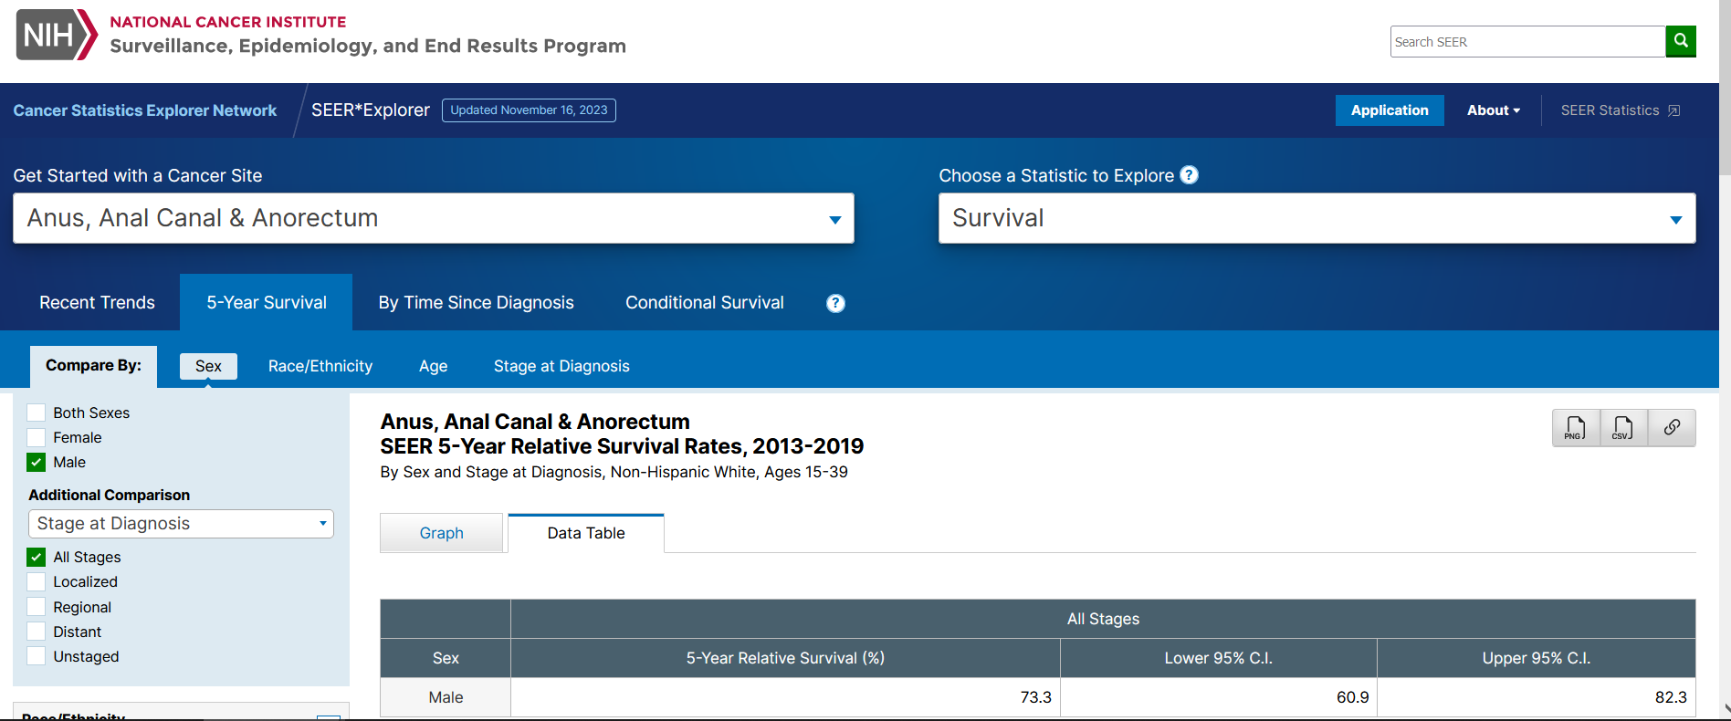
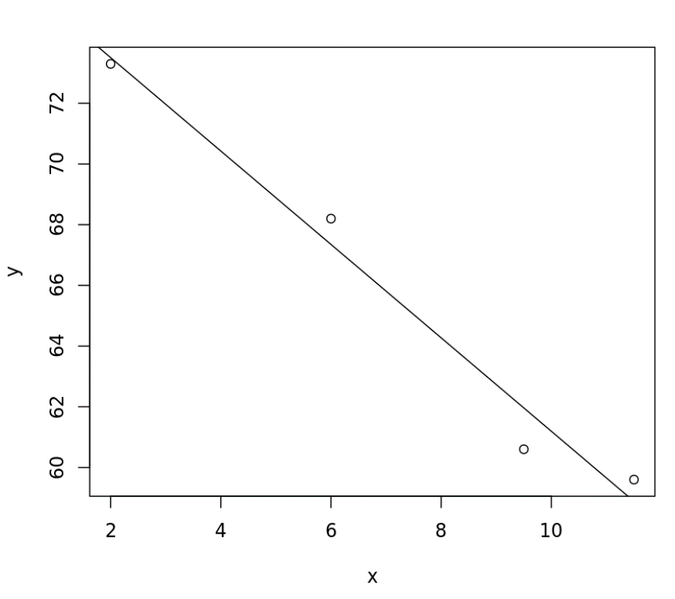
age | Anus, anal canal, anorectum 5-year survival rate (SEER) | Interpolated rates using linear trend with middle points of each interval (rate(n) = 76.584-1.539*n)
25-29 | 73.3 | 75.045
30-34 | 73.3 | 73.506
35-39 | 73.3 | 71.967
40-44 | 68.2 | 70.428
45-49 | 68.2 | 68.889
50-54 | 68.2 | 67.35
55-59 | 68.2 | 65.811
60-64 | 68.2 | 64.272
65-69 | 60.6 | 62.733
70-74 | 60.6 | 61.194
75-79 | 59.6 | 59.655
80-84 | 59.6 | 58.116

old
Age | 5-year AC survival (SEER) | HIV MSM AC survival (SEER) | HR | Adjusted survival rates | Original probabilities | Probabilities (using survival rates * HR) | Original probabilities * HR | Survival rates calculated using probabilities * HR
0-44 | 0.901 |  |  | 0.71528992072 | 0.011053590187 | 0.027974843932 | 0.013923423873 | 0.85483653729
45-54 | 0.896 |  |  | 0.7113204983 | 0.011333413155 | 0.028535610184 | 0.014275897026 | 0.84983653729
55-64 | 0.885 |  |  | 0.70258776897 | 0.011974211301 | 0.029809181025 | 0.015083065019 | 0.83883653729
65-74 | 0.878 |  |  | 0.69703057758 | 0.01240072922 | 0.030649072199 | 0.015620319403 | 0.83183653729
75+ | 0.863 |  |  | 0.68512231031 | 0.013366549486 | 0.032529381512 | 0.016836894716 | 0.81683653729

All ages | 0.883 | 0.701 | 0.79388448471
 |  |  |  |  | Original survival rates | Survival rates * HR | Survival rates calculated using probabilities * HR
Sources | https://canques.seer.cancer.gov/cgi-bin/cq_submit?dir=surv2020&db=103&rpt=TAB&sel=1^4^1^1^3,4,6,8,9^2&x=Age%20at%20diagnosis^3,4,6,8,9&dec=1,0,1&template=null | SEER, Anal cancer in HIV+MSM |  |  | 0.901 | 0.71528992072 | 0.85483653729
 |  |  |  |  | 0.896 | 0.7113204983 | 0.84983653729

 |  |  |  |  | 0.885 | 0.70258776897 | 0.83883653729
 |  |  |  |  | 0.878 | 0.69703057758 | 0.83183653729
 |  |  |  |  | 0.863 | 0.68512231031 | 0.81683653729

