Hoja1
Ong 2016 |  |  |  |  | Adjusted Deshmuk (0.84) | % (SEER cervix white women all ages) | Average utility cancer | Average utility delayed cancer
 | No cancer | 0.76 |  |  | 0.84
 | Localized | 0.71 |  |  | 0.79 | 0.44
 | Regional | 0.66 | Source: Djalalov 2014 |  | 0.74 | 0.367
 | Distal | 0.52 | Source: Djalalov 2014 |  | 0.6 | 0.156
 |  |  |  |  |  |  | 0.76726146221 | 0.69824091778
Djalalov 2014 |  | Main model | Supplemental model
 | Colon | 0.7 | 0.69
 | Rectal | 0.8 | 0.79
 | Colorectal | 0.73 | 0.67

 | Stage I-III | 0.74 | 0.75
 | Stage IV | 0.68 | 0.63
 | Undefined | 0.8 | 0.8

Deshmuk 2015 | Anal cancer | 0.58
 | MSM HIV+ | 0.84 | Source: calculation below

Deshmuk 2017 | ??? | ??? |  | Source: Czosky-Murray 2010

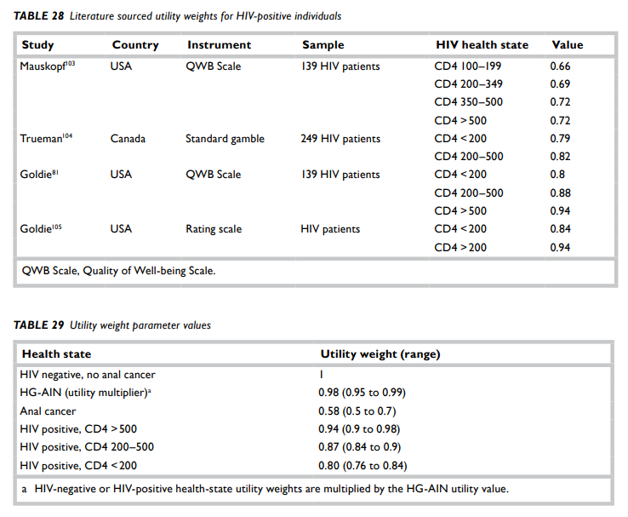
Czosky-Murray 2010

Utility | % CD4 | Weighted average utility
0.94 | 0.1165
0.87 | 0.2973
0.8 | 0.5862
 |  | 0.837121

