Procedures
Foreign Currency Billings Database

NOTE: There have been a large increase in 36M billings, so these tables have been updated to include 36M billings.

These databases get updated during the Matlab Deferred Revenue Model

The 'build_for_curr_billings' procudure updates these database
 | This program will create a dialog box that gives the user the choice of overwriting the Foreign Currency Billings Database

The GBP, JPY and EUR tabs contain historical billings for each currency

 | Deferred Billings are broken down by the length of time they amortize to revenue
 | The Service and Perpetual Billings go to revenue immediately

 | Calculations for the amount of billings that amortize to revenue within one month
 | and over 12 months are to the right of the billings table

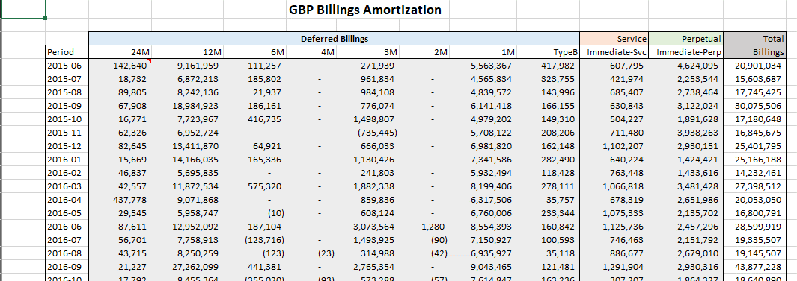

The GBP_fcst, EUR_fcst, and JPY_fcst tabs contain an estimate of the foreign currency billings over the next 12 months.

 | For the billings forecast, it is not necessary to break the deferred billings down by amortization length, but to save time they are copied here
 | in the same format.

 | NOTE: We do not have an explicit forecast of service and perpetual billings. As a result these fields need to be manually entered. The spreadsheet here
 | assumes that the billings for these categories match the prior year for the same period. (i.e. no growth).

AUD_fcst
 |  |  |  |  | AUD Billings Forecast

 |  | Deferred Billings |  |  |  |  |  |  |  | Service | Perpetual | Total | To Rev. W/in 1 Month |  | To Rev. over 12M
Period |  | 24M | 12M | 6M | 4M | 3M | 2M | 1M | TypeB | Immediate-Svc | Immediate-Perp | Billings | Amount | % | Amount | %
2019-06 | 0 | 14,931,170 | 13,728,186 | (176,151) | - | 1,566,285 | - | 24,218,443 | - | - | - | 54,267,934 | 24,218,443 | 45% | 13,728,186 | 25%
2020-01 | 0 | 1,541,138 | 15,045,178 | 162,615 | - | 1,331,505 | 6,000 | 19,630,837 | - | - | - | 37,717,272 | 19,630,837 | 52% | 15,045,178 | 40%
2020-02 | 0 | 7,645,076 | 27,513,908 | - | - | 1,751,825 | - | 19,890,172 | - | - | - | 56,800,980 | 19,890,172 | 35% | 27,513,908 | 48%
 |  |  |  |  |  |  |  |  |  |  |  |  | - | #DIV/0! | - | #DIV/0!
 |  |  |  |  |  |  |  |  |  |  |  |  | - | #DIV/0! | - | #DIV/0!
 |  |  |  |  |  |  |  |  |  |  |  |  | - | #DIV/0! | - | #DIV/0!
 |  |  |  |  |  |  |  |  |  |  |  |  | - | #DIV/0! | - | #DIV/0!
 |  |  |  |  |  |  |  |  |  |  |  |  | - | #DIV/0! | - | #DIV/0!
 |  |  |  |  |  |  |  |  |  |  |  |  | - | #DIV/0! | - | #DIV/0!
 |  |  |  |  |  |  |  |  |  |  |  |  | - | #DIV/0! | - | #DIV/0!
 |  |  |  |  |  |  |  |  |  |  |  |  | - | #DIV/0! | - | #DIV/0!
 |  |  |  |  |  |  |  |  |  |  |  |  | - | #DIV/0! | - | #DIV/0!

Billing Term Forecast AUD

Note: Need to adjust the service and perpetual billings manually as these are not forecasted in the deferred revenue program. Simply link to last years billings

GBP_fcst
 |  |  |  |  | GBP Billings Forecast

 |  | Deferred Billings |  |  |  |  |  |  |  | Service | Perpetual | Total | To Rev. W/in 1 Month |  | To Rev. over 12M
Period |  | 24M | 12M | 6M | 4M | 3M | 2M | 1M | TypeB | Immediate-Svc | Immediate-Perp | Billings | Amount | % | Amount | %
2019-06 | 0 | 2,941,822 | 17,292,573 | 713,646 | - | 999,431 | - | 22,585,953 | - | - | - | 44,533,425 | 22,585,953 | 51% | 17,292,573 | 39%
2020-01 | 0 | 9,862,822 | 14,566,085 | 34,886 | - | 1,621,072 | - | 18,313,905 | - | - | - | 44,398,771 | 18,313,905 | 41% | 14,566,085 | 33%
2020-02 | 0 | 1,401,905 | 24,055,822 | 302,812 | - | 3,123,601 | - | 18,562,262 | - | - | - | 47,446,402 | 18,562,262 | 39% | 24,055,822 | 51%
 |  |  |  |  |  |  |  |  |  |  |  |  | - | #DIV/0! | - | #DIV/0!
 |  |  |  |  |  |  |  |  |  |  |  |  | - | #DIV/0! | - | #DIV/0!
 |  |  |  |  |  |  |  |  |  |  |  |  | - | #DIV/0! | - | #DIV/0!
 |  |  |  |  |  |  |  |  |  |  |  |  | - | #DIV/0! | - | #DIV/0!
 |  |  |  |  |  |  |  |  |  |  |  |  | - | #DIV/0! | - | #DIV/0!
 |  |  |  |  |  |  |  |  |  |  |  |  | - | #DIV/0! | - | #DIV/0!
 |  |  |  |  |  |  |  |  |  |  |  |  | - | #DIV/0! | - | #DIV/0!
 |  |  |  |  |  |  |  |  |  |  |  |  | - | #DIV/0! | - | #DIV/0!
 |  |  |  |  |  |  |  |  |  |  |  |  | - | #DIV/0! | - | #DIV/0!

Billing Term Forecast GBP
Note: Need to adjust the service and perpetual billings manually as these are not forecasted in the deferred revenue program. Simply link to last years billings

JPY_fcst
 |  |  |  |  | JPY Billings Forecast

 |  | Deferred Billings |  |  |  |  |  |  |  | Service | Perpetual | Total | To Rev. W/in 1 Month |  | To Rev. over 12M
Period |  | 24M | 12M | 6M | 4M | 3M | 2M | 1M | TypeB | Immediate-Svc | Immediate-Perp | Billings | Amount | % | Amount | %
2019-06 | 0 | 142,183,500 | 3,770,122,353 | 40,336,252 | - | - | - | 2,612,514,677 | - | - | - | 6,565,156,781 | 2,612,514,677 | 40% | 3,770,122,353 | 57%
2020-01 | 0 | 477,873,538 | 7,351,958,755 | 13,948,200 | - | - | - | 2,115,681,941 | - | - | - | 9,959,462,433 | 2,115,681,941 | 21% | 7,351,958,755 | 74%
2020-02 | 0 | 157,741,082 | 5,522,551,129 | 27,017,250 | - | 3,798,180 | - | 2,141,534,069 | - | - | - | 7,852,641,710 | 2,141,534,069 | 27% | 5,522,551,129 | 70%
 |  |  |  |  |  |  |  |  |  |  |  |  | - | #DIV/0! | - | #DIV/0!
 |  |  |  |  |  |  |  |  |  |  |  |  | - | #DIV/0! | - | #DIV/0!
 |  |  |  |  |  |  |  |  |  |  |  |  | - | #DIV/0! | - | #DIV/0!
 |  |  |  |  |  |  |  |  |  |  |  |  | - | #DIV/0! | - | #DIV/0!
 |  |  |  |  |  |  |  |  |  |  |  |  | - | #DIV/0! | - | #DIV/0!
 |  |  |  |  |  |  |  |  |  |  |  |  | - | #DIV/0! | - | #DIV/0!
 |  |  |  |  |  |  |  |  |  |  |  |  | - | #DIV/0! | - | #DIV/0!
 |  |  |  |  |  |  |  |  |  |  |  |  | - | #DIV/0! | - | #DIV/0!
 |  |  |  |  |  |  |  |  |  |  |  |  | - | #DIV/0! | - | #DIV/0!

Billing Term Forecast JPY

EUR_fcst
 |  |  |  |  | EUR Billings Forecast

 | Deferred Billings |  |  |  |  |  |  |  |  | Service | Perpetual | Total | To Rev. W/in 1 Month |  | To Rev. over 12M
Period | 36M | 24M | 12M | 6M | 4M | 3M | 2M | 1M | TypeB | Immediate-Svc | Immediate-Perp | Billings | Amount | % | Amount | %
2019-06 | 0 | 226,375 | 53,974,009 | 162,730 | - | 3,558,367 | - | 57,239,107 | - | - | - | 115,160,587 | 57,239,107 | 50% | 53,974,009 | 47%
2020-01 | 0 | 236,096 | 60,579,826 | 267,009 | - | 2,153,588 | - | 46,423,249 | - | - | - | 109,659,768 | 46,423,249 | 42% | 60,579,826 | 55%
2020-02 | 0 | 1,047,865 | 84,437,483 | 641,602 | - | 2,067,218 | - | 47,063,763 | - | - | - | 135,257,931 | 47,063,763 | 35% | 84,437,483 | 62%
 |  |  |  |  |  |  |  |  |  |  |  |  | - | #DIV/0! | - | #DIV/0!
 |  |  |  |  |  |  |  |  |  |  |  |  | - | #DIV/0! | - | #DIV/0!
 |  |  |  |  |  |  |  |  |  |  |  |  | - | #DIV/0! | - | #DIV/0!
 |  |  |  |  |  |  |  |  |  |  |  |  | - | #DIV/0! | - | #DIV/0!
 |  |  |  |  |  |  |  |  |  |  |  |  | - | #DIV/0! | - | #DIV/0!
 |  |  |  |  |  |  |  |  |  |  |  |  | - | #DIV/0! | - | #DIV/0!
 |  |  |  |  |  |  |  |  |  |  |  |  | - | #DIV/0! | - | #DIV/0!
 |  |  |  |  |  |  |  |  |  |  |  |  | - | #DIV/0! | - | #DIV/0!
 |  |  |  |  |  |  |  |  |  |  |  |  | - | #DIV/0! | - | #DIV/0!

Billing Term Forecast EUR

