주문서
PURCHASE ORDER
 |  |  |  |  | Migun Techno World 2cha #A 204. Techno 2-ro 187,
 |  |  |  |  | Yuseong-gu, Daejeon, Korea 34025
 |  |  |  |  | TEL : 82-42-721-0721 |  | C.P : 82-10-3188-3265
 |  |  |  |  | FAX : 82-42-721-0722
 |  |  |  |  | Contact to : David Kang |  | E-mail : davidkang@inlct.com
P/O-No |  | TO-PO-26-264 |  |  | Date | 2026-09-01
Payment Terms |  | T/T(NET 30 day) |  |  | Destination | INLC Technology, Daejeon, Korea
Reference NO.(품의번호) |  |  |  |  | Maker
Amount |  | $27,706.00 |  |  | Shipper | COHERENT
No | DESCRIPTION |  | QUANTITY |  | UNIT PRICE | AMOUNT | DEL'Y DATE | REMARK
1 | T3PO1-905-E0_SL1-T1 |  | 20 | ea | $136.00 | $2,720.00
2 | T3PO1-906-E0_SL2-T1 |  | 20 | ea | $281.00 | $5,620.00
3 | T3PO1-907-E0_SL3-T1 |  | 20 | ea | $251.00 | $5,020.00
4 | T3PO1-908-E0_SL4-T1 |  | 20 | ea | $303.00 | $6,060.00
5 | T3PO1-909-E0_SL5-T1 |  | 20 | ea | $224.10 | $4,482.00
6 | T3PO1-910-E0_SL6-T1 |  | 20 | ea | $190.20 | $3,804.00

 |  |  |  |  |  | $27,706.00

 | Quantity indicated in the schedule must be delivered to destination on dates indicated.
 | 상기와 같이 주문하오니 납기 준수하여 납품하여 주시기 바랍니다.

 | Accepted by : | COHERENT |  |  | Issued by : InLC Technology
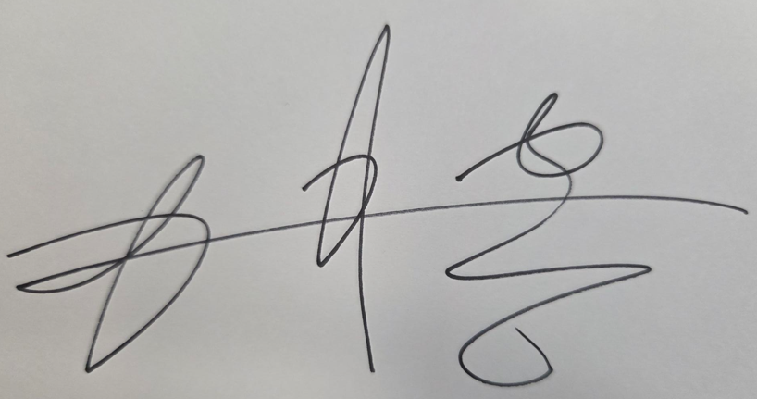

 |  |  |  |  |  |  | QF-741-2 Rev 0

General Terms and Conditions of Purchase

InLC Technology Inc.
(Standard terms attached to and forming part of InLC Purchase Orders)
These General Terms and Conditions of Purchase (the "Terms") apply to and form part of each purchase order ("PO") issued by InLC Technology Inc. ("Buyer") to the supplier ("Supplier"). An individual contract incorporating these Terms is formed when the Supplier, after receiving a PO, first performs any of the following: (i) issues an order acknowledgment, (ii) commences manufacture, or (iii) ships the goods.
Article 1 (Purpose and Scope)
These Terms apply commonly to all purchases of goods and parts by Buyer from Supplier. Where a PO expressly provides otherwise, the PO governs.
Article 2 (Formation of Contract; Deemed Acceptance)
The PO constitutes an offer. The Supplier's order acknowledgment, commencement of manufacture, or shipment, whichever occurs first, constitutes acceptance and forms the individual contract. By accepting a PO and performing it without objection, the Supplier is deemed to have reviewed and agreed to these Terms; no separate signature is required for these Terms to be effective. The Supplier shall promptly return an order acknowledgment upon receipt of a PO.
Article 3 (Specification Compliance; Order of Precedence)
The purchase specification and drawing numbers referenced in the PO are incorporated into the contract, and the Supplier shall deliver goods in strict conformance therewith. In the event of conflict between these Terms and the Supplier's forms (quotation, acknowledgment, etc.), these Terms shall prevail. The Supplier's pre-printed or standard terms shall not apply unless expressly agreed by Buyer in writing.
Article 4 (Quality Requirements)
(1) Quality system: The Supplier shall maintain a certified quality management system such as ISO 9001 and, upon Buyer's request, submit a copy of the certificate.
(2) Initial sample / change approval: New or changed items shall be mass-produced and delivered only after Buyer's initial sample (first article) approval.
(3) Advance notice of 4M / process change: The Supplier shall give written notice at least thirty (30) days in advance of any change to manpower, machine, material, or method (4M), or to the process, specification, raw material, or place of manufacture, and obtain Buyer's approval.
(4) Nonconformance notice / corrective action: Upon becoming aware of any nonconformance after shipment, the Supplier shall immediately notify Buyer and, upon request, submit corrective and preventive action (e.g., 8D) within ten (10) business days.
(5) Traceability / records retention: The Supplier shall maintain lot traceability and retain quality-related records for at least five (5) years.
(6) Verification / audit right: Buyer and its end customer may, upon reasonable prior notice and during normal business hours, audit the Supplier's manufacturing processes and quality records.
(7) Sub-tier management: The Supplier shall flow down these quality requirements to its sub-suppliers.
Article 5 (Inspection and Acceptance)
Goods received are subject to Buyer's incoming inspection, and the Supplier shall not ship nonconforming goods. Upon Buyer's request, the Supplier shall furnish test/inspection reports or a Certificate of Conformance (CoC) together with the goods.
Article 6 (Delivery)
Delivery date, place, delivery terms (Incoterms 2020, with named place), and currency shall be as stated in the PO. The Supplier shall meet the delivery schedule and immediately notify Buyer of any anticipated delay.
Article 7 (Warranty; Return; Replacement)
Goods that fail to meet the acceptance criteria or are defective shall be returned, replaced, or reworked at the Supplier's cost and responsibility. The Supplier shall be liable for damages incurred by Buyer arising from such defects.
Article 8 (Price and Payment)
The price shall be as stated in the PO. Payment terms and method shall be as set out in the PO or as separately agreed between the parties.
Article 9 (Confidentiality)
The Supplier shall not use, for any purpose other than this transaction, or disclose to any third party, Buyer's specifications, drawings, prices, technical information, or trade secrets obtained through this transaction. This obligation survives termination of the transaction.
Article 10 (Intellectual Property)
Intellectual property rights in the specifications, drawings, and technical data provided by Buyer, and in any deliverables made based thereon, shall belong to Buyer.
Article 11 (Force Majeure)
Neither party shall be liable for non-performance caused by events beyond its reasonable control, such as acts of God, war, or governmental action; provided that the affected party shall promptly notify the other and use reasonable efforts to mitigate the resulting loss.
Article 12 (Governing Law; Dispute Resolution)
These Terms shall be governed by the laws of the Republic of Korea. Any dispute arising out of or in connection with these Terms shall be finally settled by arbitration under the Rules of the Korean Commercial Arbitration Board (KCAB) in Seoul, Korea, conducted in the English language, or as otherwise agreed in the PO.
Effective date: These Terms take effect on January 1, 2026 and apply to POs issued on or after the effective date.

