Sheet1
section-id | file-id | filename | url | heading | Andrew | Brandon | David | AB | BD | AD | Total | Number of | 1 | 2 | 3 | 4 | 5 | 6 | 7 | 8 | Total Annotations
1 | 1 | 2013 OOP |  | ### Latest News and Announcements | 1 | 1 | 4 | 1 | 0 | 0 | 1 | Brandon | 31 | 4 | 35 | 3 | 8 | 5 | 8 | 2 | 96
2 | 1 | 2013 OOP |  | # .NET Core Libraries (CoreFX) | 1 | 1 | 1 | 1 | 1 | 1 | 1 | Andrew | 20 | 2 | 42 | 6 | 10 | 16 | 3 | 1 | 100
3 | 1 | 2013 OOP |  | ## .NET Core | 2020-01-03 | 1,3 | 3,6 | 1 | 0.5 | 0.5 | 1 | David |  |  |  |  |  |  |  |  |  | 1 |  |  |  | 2 |  |  |  | 3
4 | 1 | 2013 OOP |  | ## How to Engage, Contribute and Provide Feedback | 3 | 7 | 7 | 0 | 1 | 0 | 1 |  | 51 | 6 | 77 | 9 | 18 | 21 | 11 | 3 | 196 |  | Andrew |  |  |  |  | Andrew |  |  |  | Andrew
5 | 1 | 2014 OOP |  | ### Issue Guide | 2020-03-04 | 3 | 4 | 0.5 | 0.5 | 0.5 | 1 |  |  |  |  |  |  |  |  |  |  |  |  | yes | no |  |  | yes | no |  |  | yes | no
6 | 1 | 2015 OOP |  | ### Contributing Guide | 2020-03-04 | 3 | 6,7 | 0.5 | 0 | 0 | 1 |  |  |  |  |  |  |  |  |  |  | Brandon | yes | 16 | 15 | Brandon | yes | 1 | 3 | Brandon | yes | 31 | 4
7 | 1 | 2016 OOP |  | ### Useful Links | 2020-01-06 | 6 | 6 | 0.5 | 1 | 0.5 | 1 |  | 1 | 2 | 3 | 4 | 5 | 6 | 7 | 8 |  |  | no | 4 | 35 |  | no | 1 | 80 |  | no | 11 | 9
8 | 1 | 2017 OOP |  | ### Community | 5 | 5 | 5 | 1 | 0 | 0 | 1 | Brandon | 0.32 | 0.04 | 0.36 | 0.03 | 0.08 | 0.05 | 0.08 | 0.02 |  |  |  | sum | 70 |  |  | sum | 85 |  |  | sum | 55
9 | 1 | 2018 OOP |  | ### Reporting security issues and security bugs | 3 | 3 | 3,7 | 1 | 0.5 | 0.5 | 1 | Andrew | 0.20 | 0.02 | 0.42 | 0.06 | 0.10 | 0.16 | 0.03 | 0.01
10 | 1 | 2019 OOP |  | ## License | 5 | 5 | 5 | 1 | 1 | 1 | 1 | David |  |  |  |  |  |  |  |  |  | po | 0.73 |  |  | po | 0.95 |  |  | po | 0.73
11 | 1 | 2020 OOP |  | ## .NET Foundation | 5 | 1 | 1,6 | 0 | 0.5 | 0 | 1 |  |  |  |  |  |  |  |  |  |  |  |  | 0.44 | 0.29 |  |  | 0.05 | 0.02 |  |  | 0.64 | 0.76
12 | 1 | 2021 OOP |  | ## CoreFX Project | 4 | 1 | 1 | 0 | 1 | 0 | 1 | Number Agreed |  |  |  |  |  |  |  |  |  | pyes | 0.13 |  |  | pyes | 0.00 |  |  | pyes | 0.49
13 | 1 | 2022 OOP |  | ### Daily Builds | 4 | 4 | 4 | 1 | 1 | 1 | 1 | Andrew Brandon | 16.00 | 1.00 | 31.00 | 2.00 | 8.00 | 5.00 | 3.00 | 1.00 |  |  |  | 0.56 | 0.71 |  |  | 0.95 | 0.98 |  |  | 0.36 | 0.24
14 | 1 | 2023 OOP |  | ### Build & Test Status | 4 | 4 | 4 | 1 | 1 | 1 | 1 |  |  |  |  |  |  |  |  |  |  | pno | 0.40 |  |  | pno | 0.93 |  |  | pno | 0.09
15 | 2 | amminadab |  | # amminadab | 1 | 1 | 1 | 1 | 1 | 1 | 1 |  |  |  |  |  |  |  |  |  |  | pe | 0.52 |  |  | pe | 0.93 |  |  | pe | 0.57
16 | 2 | amminadab |  | ## Genealogy of Amminadab | 1 | 1 | 1,6 | 1 | 0.5 | 0.5 | 1 |  |  |  |  |  |  |  |  |  |  | kappa 1 | 0.43 |  |  | k1 | 0.31 |  |  | k1 | 0.36
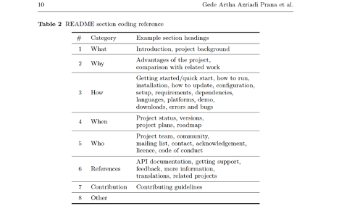
17 | 2 | amminadab |  | ### Installation of Amminadab | 2020-01-02 | 3 | 3 | 0 | 0 | 0 | 1
18 | 2 | amminadab |  | ### Running | 3 | 3 | 3 | 1 | 1 | 1 | 1 |  |  |  |  |  |  |  |  |  |  |  |  |  |  |  |  | Andrew |  |  |  | Andrew
19 | 2 | amminadab |  | # Samu | 1 | 1 | 2 | 1 | 0 | 0 | 1 |  |  |  |  |  |  |  |  |  |  |  |  |  |  |  |  | yes | no |  |  | yes | no
20 | 2 | amminadab |  | ## Highlights of Samu | 2020-01-02 | 1,2 | 1,2 | 1 | 1 | 1 | 1 |  |  |  |  |  |  |  |  |  |  | % of Data |  |  |  | Brandon | yes | 2 | 1 | Brandon | yes | 8 | 0
21 | 3 | cabello.portlet |  | # Collaborative Programmable Music. | 1 | 1 | 1,2 | 1 | 0.5 | 0.5 | 1 |  |  |  |  |  |  |  |  |  | What | 26.02% |  |  |  |  | no | 4 | 77 |  | no | 2 | 68
22 | 3 | cabello.portlet |  | ## Quick Start | 2020-01-03 | 3 | 3 | 0.5 | 1 | 0.5 | 1 |  |  |  |  |  |  |  |  |  | Why | 3.06% |  |  |  |  |  | sum | 84 |  |  | sum | 78
23 | 3 | cabello.portlet |  | ### Installation | 3 | 3 | 3 | 1 | 1 | 1 | 1 |  |  |  |  |  |  |  |  |  | How | 39.29%
24 | 3 | cabello.portlet |  | ### Making sounds | 3 | 3 | 3 | 1 | 1 | 1 | 1 |  |  |  |  |  |  |  |  |  | When | 4.59% |  |  |  | po | 0.94 |  |  | po | 0.97
25 | 3 | cabello.portlet |  | ### Detailed Instructions | 2020-03-06 | 3 | 3,6 | 0.5 | 0.5 | 1 | 1 |  |  |  |  |  |  |  |  |  | Who | 9.18% |  |  |  |  |  | 0.04 | 0.07 |  |  | 0.10 | 0.13
26 | 3 | cabello.portlet |  | ## Cheat Sheet | 6 | 1 | 6 | 0 | 0 | 1 | 1 |  |  |  |  |  |  |  |  |  | References | 10.71% |  |  | 1 | pyes | 0.00 |  |  | pyes | 0.01
27 | 3 | cabello.portlet |  | ## Overtone Powered Bands | 2020-05-06 | 1 | 6 | 0 | 0 | 0.5 | 1 |  |  |  |  |  |  |  |  |  | Contribution | 5.61% |  |  |  |  |  | 0.96 | 0.93 |  |  | 0.90 | 0.87
28 | 3 | cabello.portlet |  | ## Community | 5 | 5 | 5 | 1 | 1 | 1 | 1 |  |  |  |  |  |  |  |  |  | Other | 1.53% |  |  |  | pno | 0.90 |  |  | pno | 0.78
29 | 3 | cabello.portlet |  | ### Mailing List | 5 | 5,7 | 7 | 0.5 | 0.5 | 0 | 1 |  |  |  |  |  |  |  |  |  |  |  |  |  |  | pe | 0.90 |  |  | pe | 0.80
30 | 3 | cabello.portlet |  | ### Twitter | 5 | 5 | 5,7 | 1 | 0.5 | 0.5 | 1 |  |  |  |  |  |  |  |  |  |  |  |  |  |  | k1 | 0.42 |  |  | k1 | 0.87
31 |  | cabello.portlet |  | ## Videos | 6 | 1,2,3 | 6 | 0 | 0 | 1 | 1
32 | 3 | cabello.portlet |  | ### Web | 6 | 5 | 6 | 0 | 0 | 1 | 1
33 | 3 | cabello.portlet |  | ### Introductions | 2020-01-06 | 1,2,3,5,8 | 1,6 | 0.166 | 0.166 | 1 | 1 |  |  |  |  |  |  |  |  |  |  |  |  |  |  |  |  | Andrew |  |  |  | Andrew
34 | 3 | cabello.portlet |  | ### Presentations | 5 | 2,5 | 5,6 | 0.5 | 0.5 | 0.5 | 1 |  |  |  |  |  |  |  |  |  |  |  |  |  |  |  |  | yes | no |  |  | yes | no
35 | 3 | cabello.portlet |  | ### Interviews | 6 | 1,2,5 | 6 | 0 | 0 | 1 | 1 |  |  |  |  |  |  |  |  |  |  |  |  |  |  | Brandon | yes | 5 | 0 | Brandon | yes | 3 | 5
36 | 3 | cabello.portlet |  | ### Performances | 6 | 1 | 6 | 0 | 0 | 1 | 1 |  |  |  |  |  |  |  |  |  |  |  |  |  |  |  | no | 11 | 65 |  | no | 0 | 75
37 | 3 | cabello.portlet |  | ## Source Repository | 2020-03-06 | 6 | 6 | 0.5 | 1 | 0.5 | 1 |  |  |  |  |  |  |  |  |  |  |  |  |  |  |  |  | sum | 81 |  |  | sum | 83
38 | 3 | cabello.portlet |  | ## Lein Support | 6 | 7 | 6 | 0 | 0 | 1 | 1
39 | 3 | cabello.portlet |  | ## Contributors | 7 | 7 | 7 | 1 | 1 | 1 | 1 |  |  |  |  |  |  |  |  |  |  |  |  |  |  | po | 0.86 |  |  | po | 0.94
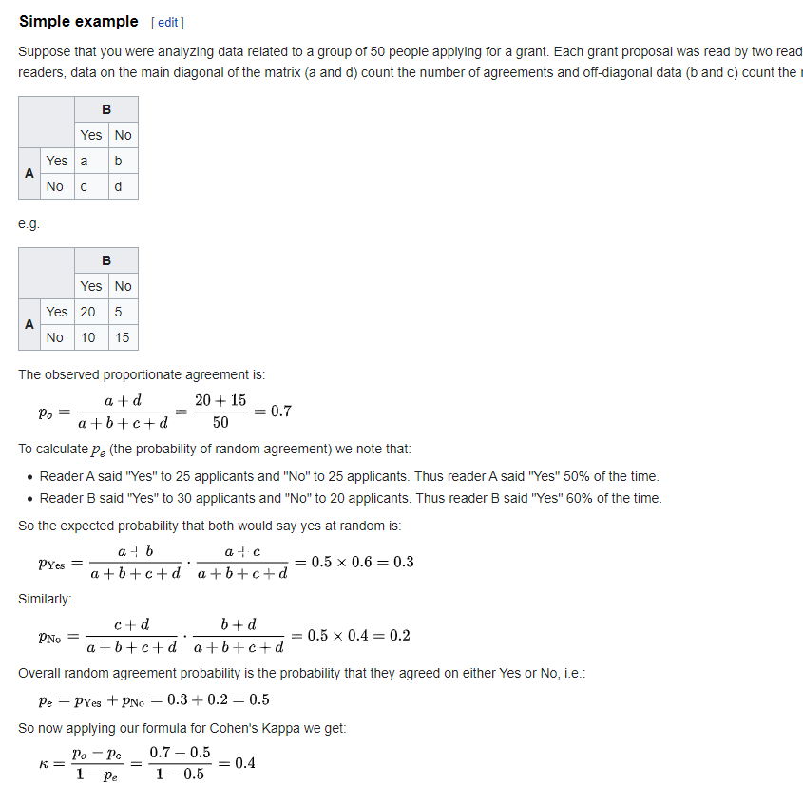
40 | 4 | katialobanovl.Everything-about-Photographer-Montpellier |  | # Note | 3 | 3 | 3 | 1 | 1 | 1 | 1 |  |  |  |  |  |  |  |  |  |  |  |  |  |  |  |  | 0.06 | 0.20 |  |  | 0.10 | 0.04
41 | 4 | katialobanovl.Everything-about-Photographer-Montpellier |  | # Introduction | 2020-01-03 | 1 | 1 | 0.5 | 1 | 0.5 | 1 |  |  |  |  |  |  |  |  |  |  |  |  |  |  | pyes | 0.01 |  |  | pyes | 0.00
42 | 4 | katialobanovl.Everything-about-Photographer-Montpellier |  | ## Related GitHub projects | 6 | 6 | 6 | 1 | 1 | 1 | 1 |  |  |  |  |  |  |  |  |  |  |  |  |  |  |  |  | 0.94 | 0.80 |  |  | 0.90 | 0.96
43 | 4 | katialobanovl.Everything-about-Photographer-Montpellier |  | ## Community Sample Projects | 6 | 6 | 6 | 1 | 1 | 1 | 1 |  |  |  |  |  |  |  |  |  |  |  |  |  |  | pno | 0.75 |  |  | pno | 0.87
44 | 4 | katialobanovl.Everything-about-Photographer-Montpellier |  | # Categories | 1 | 1 | 1 | 1 | 1 | 1 | 1 |  |  |  |  |  |  |  |  |  |  |  |  |  |  | pe | 0.77 |  |  | pe | 0.87
45 | 4 | katialobanovl.Everything-about-Photographer-Montpellier |  | ## DSL | 1 | 4 | 4 | 0 | 1 | 0 | 1 |  |  |  |  |  |  |  |  |  |  |  |  |  |  | k1 | 0.42 |  |  | k1 | 0.52
46 | 4 | katialobanovl.Everything-about-Photographer-Montpellier |  | ## Basic | 3 | 3 | 3 | 1 | 1 | 1 | 1
47 | 4 | katialobanovl.Everything-about-Photographer-Montpellier |  | ## Intermediate | 3 | 3 | 3 | 1 | 1 | 1 | 1 |  |  |  |  |  |  |  |  |  |  |  |  |  |  |  |  | Andrew
48 | 4 | katialobanovl.Everything-about-Photographer-Montpellier |  | ## Advanced | 3 | 3 | 3 | 1 | 1 | 1 | 1 |  |  |  |  |  |  |  |  |  |  |  |  |  |  |  |  | yes | no
49 | 4 | katialobanovl.Everything-about-Photographer-Montpellier |  | ## Applications | 3 | 3 | 3 | 1 | 1 | 1 | 1 |  |  |  |  |  |  |  |  |  |  |  |  |  |  | Brandon | yes | 1 | 1 | Average Kappa
50 | 4 | katialobanovl.Everything-about-Photographer-Montpellier |  | #Contributing | 7 | 7 | 7 | 1 | 1 | 1 | 1 |  |  |  |  |  |  |  |  |  |  |  |  |  |  |  | no | 0 | 83 | 4.00
51 | 4 | katialobanovl.Everything-about-Photographer-Montpellier |  | #Resources | 6 | 6 | 6 | 1 | 1 | 1 | 1 |  |  |  |  |  |  |  |  |  |  |  |  |  |  |  |  | sum | 85 | 0.50
52 | 5 | LeiSe7en.Plugin |  | # ENTRUST (Laravel 5 Package) | 1 | 1 | 2020-05-01 | 1 | 0.5 | 0.5 | 1
53 | 5 | LeiSe7en.Plugin |  | ## Contents | 2020-01-08 | 1 | 8 | 0.5 | 0.5 | 0.5 | 1 |  |  |  |  |  |  |  |  |  |  |  |  |  |  | po | 0.99
54 | 5 | LeiSe7en.Plugin |  | ## Installation | 3 | 3 | 3 | 1 | 1 | 1 | 1 |  |  |  |  |  |  |  |  |  |  |  |  |  |  |  |  | 0.02 | 0.01
55 | 5 | LeiSe7en.Plugin |  | ## Configuration | 3 | 3 | 3 | 1 | 1 | 1 | 1 |  |  |  |  |  |  |  |  |  |  |  |  |  |  | pyes | 0.00
56 | 5 | LeiSe7en.Plugin |  | ### User relation to roles | 3 | 3 | 3 | 1 | 1 | 1 | 1 |  |  |  |  |  |  |  |  |  |  |  |  |  |  |  |  | 0.98 | 0.99
57 | 5 | LeiSe7en.Plugin |  | #### Role | 3 | 3 | 3 | 1 | 1 | 1 | 1 |  |  |  |  |  |  |  |  |  |  |  |  |  |  | pno | 0.96
58 | 5 | LeiSe7en.Plugin |  | ### Models | 3 | 1 | 8 | 0 | 0 | 0 | 1 |  |  |  |  |  |  |  |  |  |  |  |  |  |  | pe | 0.97
59 | 5 | LeiSe7en.Plugin |  | #### Permission | 3 | 3 | 3 | 1 | 1 | 1 | 1 |  |  |  |  |  |  |  |  |  |  |  |  |  |  | k1 | 0.66
60 | 5 | LeiSe7en.Plugin |  | #### User | 3 | 3 | 3 | 1 | 1 | 1 | 1
61 | 5 | LeiSe7en.Plugin |  | #### Soft Deleting | 3 | 3 | 3 | 1 | 1 | 1 | 1
62 | 5 | LeiSe7en.Plugin |  | ### Concepts | 3 | 1 | 3 | 0 | 0 | 1 | 1
63 | 5 | LeiSe7en.Plugin |  | ## Usage | 3 | 2 | 3 | 0 | 0 | 1 | 1
64 | 5 | LeiSe7en.Plugin |  | #### User ability | 3 | 1 | 3 | 0 | 0 | 1 | 1
65 |  | LeiSe7en.Plugin |  | ### Blade templates | 3 | 1,3 | 3 | 0.5 | 0.5 | 1 | 1
66 |  | LeiSe7en.Plugin |  | ### Middleware | 3 | 1,3 | 3 | 0.5 | 0.5 | 1 | 1
67 | 5 | LeiSe7en.Plugin |  | ### Short syntax route filter | 3 | 3 | 3 | 1 | 1 | 1 | 1
68 | 5 | LeiSe7en.Plugin |  | ### Route filter | 3 | 3 | 3 | 1 | 1 | 1 | 1
69 | 5 | LeiSe7en.Plugin |  | ## License | 5 | 5 | 5 | 1 | 1 | 1 | 1
70 | 5 |  |  | ## Contribution guidelines | 7 | 7 | 7 | 1 | 1 | 1 | 1
71 | 6 | wuyu201321060203.cockroach |  | # Cockroach | 1 | 1 | 1 | 1 | 1 | 1 | 1
72 | 6 |  |  | ## Status | 2020-03-04 | 1 | 4 | 0 | 0 | 0.5 | 1
73 | 6 |  |  | ## Next Steps | 6 | 3 | 4 | 0 | 0 | 0 | 1
74 | 6 |  |  | ## Instructions for building Cockroach Docker Container | 3 | 3 | 3 | 1 | 1 | 1 | 1
75 | 6 |  |  | ## Local Cluster Setup | 3 | 3 | 3 | 1 | 1 | 1 | 1
76 | 6 |  |  | ## Get in touch | 5 | 7 | 7 | 0 | 1 | 0 | 1
77 | 6 |  |  | ## Contributing | 7 | 7 | 7 | 1 | 1 | 1 | 1
78 | 6 |  |  | ## Design | 2020-01-03 | 1,2 | 1,3,6 | 0.33 | 0.25 | 0.5 | 1
79 | 6 |  |  | #### SQL - NoSQL - NewSQL Capabilities | 3 | 1 | 3 | 0 | 0 | 1 | 1
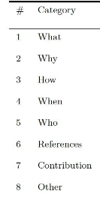
80 | 6 |  |  | ## Architecture | 2020-03-06 | 1 | 1 | 0 | 1 | 0 | 1
81 | 7 | yeshengchen.wild-ahk.md |  | # Nodejs Express Mongoose Demo | 1 | 1 | 1 | 1 | 1 | 1 | 1
82 | 7 |  |  | ## Boilerplate | 3 | 3 | 6 | 1 | 0 | 0 | 1
83 | 7 |  |  | ## Requirements | 3 | 3 | 3 | 1 | 1 | 1 | 1
84 | 7 |  |  | ## Install | 3 | 3 | 3 | 1 | 1 | 1 | 1
85 | 7 |  |  | ## Tests | 3 | 3 | 3 | 1 | 1 | 1 | 1
86 | 7 |  |  | ## License | 5 | 5 | 5 | 1 | 1 | 1 | 1
87 |  |  |  |  |  |  |  | 66.86% | 66.76% | 73.26% | 86
88
89
90
91
92

