bending
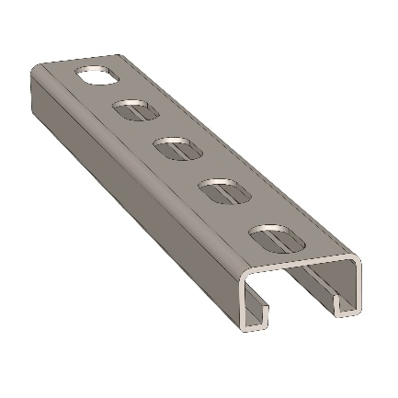
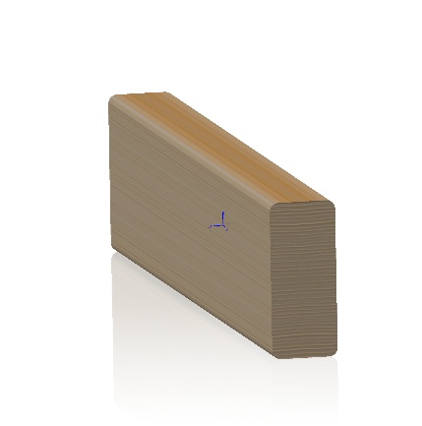
Beam Strength for aluminum & steel
Created | 2026-07-27 |  |  | Author | David Malawey
Updated | 2026-07-27

What is the appropriate load limit for each type of beam material?

Bending Rigidity
Compare the FLEXURAL RIGIDITY: Modulus * Area Moment of Inertia
L-critical is the length for which a 10kg mass causes 2mm of deflection

Material | E | I | EI | L-critical
Aluminum 2020 | 69 | 7,200 | 497 | 0.8
Aluminum 3030 | 69 | 28,500 | 1,967 | 1.2
Steel Strut (axis1) | 200 | 6,240 | 1,248 | 1.1
Steel Strut (axis2) | 200 | 25,390 | 5,078 | 1.7
Pine 2x4 (axis1) | 10 | 410,000 | 4,100 | 1.6
Pine 2x4 (axis2) | 10 | 2,231,000 | 22,310 | 2.8

Units of Measure
 | E (modulus of elasticity) | Gigapascals (GPa), GPa
 | I (area moment of inertia) | mm^4
 | EI(Flexural Rigidity) | Nm^2

Materials Notes
Pine | southen yellow kiln-dried pine
pine axis 1, 2 | bending along short profile, long profile
strut axis 1, 2 | bending along short profile, long profile

Bending Length for 2mm Deflection

roundSteel
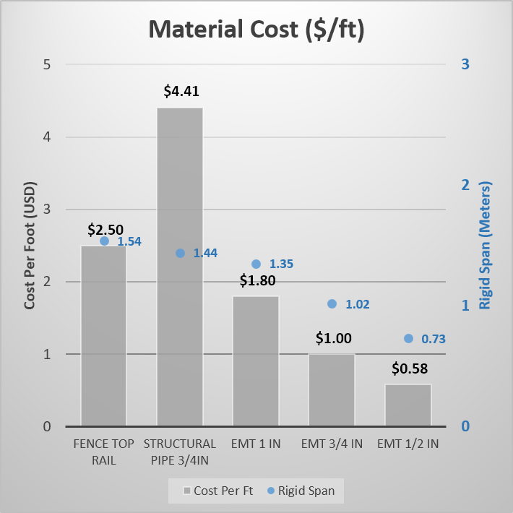
Round Steel Stock
Record key data for common available steel round materials |  |  |  |  | Author | David Malawey
Created | 2026-07-28

Material Characteristics

 | Type | Trade Size | OD measure | ID | Wall
 | Fence Rail 17 ga | 1 3/8 in | 33.3
 | EMT 1 in | 1in | 29.6 | 26.6
 | EMT 3/4 in | 3/4 in | 23.5
 | EMT 1/2 in | 1/2in | 18
 | Structural Pipe | 3/4 in | 26.8

 | Notes for above table:
 |  | specific cost is $ per foot
 |  | length in feet
 |  | trade size is shopping keyword

 | EMT Conduit |  | Fence rail, swaged end |  |  | Structural Pipe
 |  |  |  |  |  | Sch 40
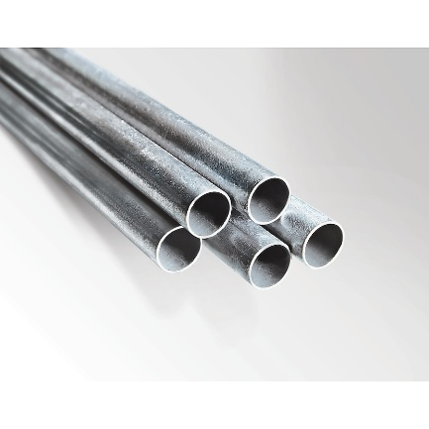
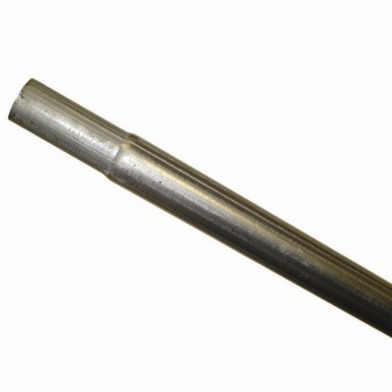

 | Links
 | Threaded Structural Pipe |  | Southland 10ft Steel Pipe, Galv 10524
 | Conduit, 1in |  | American Metal 5184473
 | Fence Rail, 1 3/8 in |  | Everbilt pn 328913DPTEB
 | Conduit, 3/4in |  | American Metal 0550110000
 | Conduit, 1/2in |  | American Metal 3550010000

Beam Rigidity
What is the stiffness of these pipes in bending conditions?
Rigid Span describes the length of tube that deflects 2mm under simple supports & 10kg center load.

 | Type | Trade Size | E modulus (GPa) | OD Diameter (mm) | I Moment | EI flexural rigidity | Rigid Span
 | Fence Top Rail | 1 3/8 in | 200 | 34.9 | 18.8 | 3760 | 1.54
 | Iron' Pipe 3/4in | 3/4 in | 200 | 26.7 | 15.4 | 3080 | 1.44
 | EMT 1 in | 1in | 200 | 29.5 | 12.6 | 2522 | 1.35
 | EMT 3/4 in | 3/4 in | 200 | 23.4 | 5.4 | 1074 | 1.02
 | EMT 1/2 in | 1/2in | 200 | 17.9 | 2.0 | 399 | 0.73

 |  | Column | Units
 |  | Flexural rigidity (EI) | N*m²
 |  | Area Moment of Inertia (I) | mm⁴
 |  | Rigid Span (L) | m

Rigid Span (10Kg load & 2mm deflection)

Material Strength
The tensile strength for each steel material & reference standards

 | Type | E, Modulus (GPa) | UTS, Tensile strength (MPa) | Standard
 | Fence Rail | 200 | 345 | ASTM A53 Grade B
 | Structural Pipe 3/4 in | 200 | 400 | ASTM A53
 | EMT 1 in | 200 | 310 | Low-carbon Strip Steel A1008
 | EMT 3/4 in | 200 | 310 | Low-carbon Strip Steel A1008
 | EMT 1/2 in | 200 | 310 | Low-carbon Strip Steel A1008

 | Notes
 | Ultimate Tensile Strength | reported low end of the typical range, per standards

Cost of Materials
Typical length in hardware stores and cost

 | Type | Cost | Length | Cost Per Ft | Rigid Span
 | Fence Top Rail | 26.28 | 10.5 | $2.50 | 1.54
 | Structural Pipe 3/4in | 44.1 | 10 | $4.41 | 1.44
 | EMT 1 in | 17.98 | 10 | $1.80 | 1.35
 | EMT 3/4 in | 9.98 | 10 | $1.00 | 1.02
 | EMT 1/2 in | 5.81 | 10 | $0.58 | 0.73

Material Cost ($/ft)

