_measures_full_list
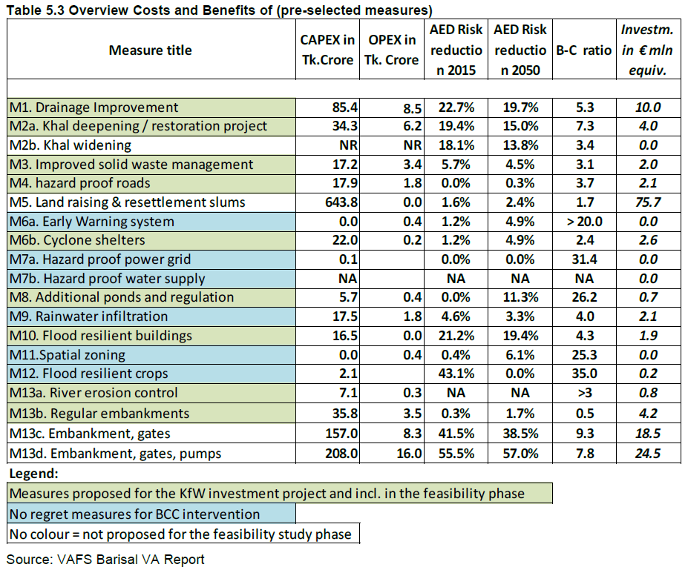
name | cost | benefit | Value_display_unit_name | Value_display_unit_fact | cost_display_unit_name | cost_display_unit_fact | bc_ratio | benefit 2015 (%) | benefit 2050 (%) | bc_ratio orig | Investment (EUR min equivalent) | capex and opex (TK crore, 10 million bangaldeshi taka) | cost capex (TK. crore) | cost opex (TK. crore) | color | hazard intensity impact | hazard high frequency cutoff | hazard event set | MDD impact a | MDD impact b | PAA impact a | PAA impact b | damagefunctions map | risk transfer attachement | risk transfer cover
Drainage improvement | 11.9 | 74 | USD mn | 1e-06 | USD mn | 1e-06 | 6.2 | 22.7% | 19.7% | 5.3 | 10 | 93.9 | 85.4 | 8.5 | 0.5 0.694 0.135 | 0 | 0 | 0 | 0 | 0 | 0 | 0 | nil | 0 | 0
Khal deepening, restoration project | 5.1 | 59 |  |  |  |  | 11.5 | 19.4% | 15.0% | 7.3 | 4 | 40.5 | 34.3 | 6.2 | 0.5 0.694 0.136 | 0 | 0 | 0 | 0 | 0 | 0 | 0 | nil | 0 | 0
Solid waste management improvement | 2.6 | 18 |  |  |  |  | 6.7 | 5.7% | 4.5% | 3.1 | 2 | 20.6 | 17.2 | 3.4 | 0.5 0.694 0.137 | 0 | 0 | 0 | 0 | 0 | 0 | 0 | nil | 0 | 0
Land raising & resettlement slums | 81.9 | 139 |  |  |  |  | 1.7 | 1.6% | 2.4% | 1.7 | 75.7 | 643.8 | 643.8 | 0 | 0.5 0.694 0.138 | 0 | 0 | 0 | 0 | 0 | 0 | 0 | nil | 0 | 0
Early warning system | 0.1 | 1 |  |  |  |  | 23.6 | 1.2% | 4.9% | 20 | 0 | 0.4 | 0 | 0.4 | 0.5 0.694 0.139 | 0 | 0 | 0 | 0 | 0 | 0 | 0 | nil | 0 | 0
Cyclone shelters | 2.8 | 12 |  |  |  |  | 4.3 | 1.2% | 4.9% | 2.4 | 2.6 | 22.2 | 22 | 0.2 | 0.5 0.694 0.140 | 0 | 0 | 0 | 0 | 0 | 0 | 0 | nil | 0 | 0
Additional pond | 0.8 | 24 |  |  |  |  | 31.4 | 0.0% | 11.3% | 26.2 | 0.7 | 6.1 | 5.7 | 0.4 | 0.5 0.694 0.141 | 0 | 0 | 0 | 0 | 0 | 0 | 0 | nil | 0 | 0
Rain water infiltration | 2.5 | 13 |  |  |  |  | 5.5 | 4.6% | 3.3% | 4 | 2.1 | 19.3 | 17.5 | 1.8 | 0.5 0.694 0.142 | 0 | 0 | 0 | 0 | 0 | 0 | 0 | nil | 0 | 0
Flood resilient buildings | 2.1 | 12 |  |  |  |  | 5.7 | 21.2% | 19.4% | 4.3 | 1.9 | 16.5 | 16.5 | 0 | 0.5 0.694 0.143 | 0 | 0 | 0 | 0 | 0 | 0 | 0 | nil | 0 | 0
Spatial zoning | 0.1 | 1 |  |  |  |  | 27.5 | 0.4% | 6.1% | 25.3 | 0 | 0.4 | 0 | 0.4 | 0.5 0.694 0.144 | 0 | 0 | 0 | 0 | 0 | 0 | 0 | nil | 0 | 0
Flood resilient crops | 0.3 | 11 |  |  |  |  | 39.3 | 43.1% | 0.0% | 35 | 0.2 | 2.1 | 2.1 | 0 | 0.5 0.694 0.145 | 0 | 0 | 0 | 0 | 0 | 0 | 0 | nil | 0 | 0
Regular embankments | 5.0 | 4 |  |  |  |  | 0.8 | 0.3% | 1.7% | 0.5 | 4.2 | 39.3 | 35.8 | 3.5 | 0.5 0.694 0.146 | 0 | 0 | 0 | 0 | 0 | 0 | 0 | nil | 0 | 0
Embankment and gates | 21.0 | 141 |  |  |  |  | 6.7 | 41.5% | 38.5% | 9.3 | 18.5 | 165.3 | 157 | 8.3 | 0.5 0.694 0.147 | 0 | 0 | 0 | 0 | 0 | 0 | 0 | nil | 0 | 0
Embankment, gates and pumps | 28.5 | 200 |  |  |  |  | 7.0 | 55.5% | 57.0% | 7.8 | 24.5 | 224 | 208 | 16 | 0.5 0.694 0.148 | 0 | 0 | 0 | 0 | 0 | 0 | 0 | nil | 0 | 0

