Open rate dataset
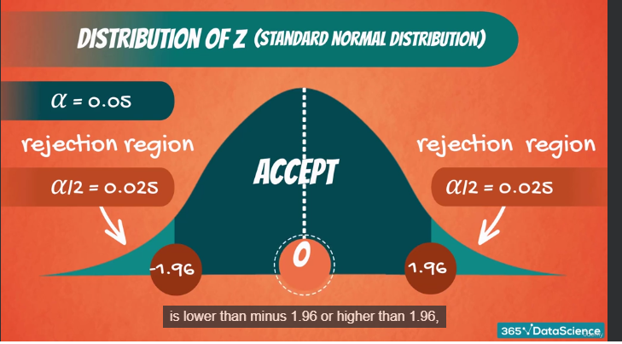
Test for the mean. Population variance unknown
Email spying example

Background | You are given the data from the lesson.
Task 1 | What if the question was: is the competitor open rate EXACTLY 40%. What would be the decision then?
 | Task 1.1 | Test at 5% significance. Comment on the decision with the appropriate statistical jargon.
 | Task 1.2 | Test at 1% significance. Comment on the decision with the appropriate statistical jargon.
 | Task 1.3 | Calculate the p-value of the test. Solve 1.1 and 1.2 using the p-value

Open rate
26% |  | Sample mean | 37.70% |  | Tests
23% |  | Sample standard dev | 13.74%
42% |  | Standard error | 4.34% |  |  | One-sided | Two-sided | Decision | Comment
49% |  |  |  | Task 1.1 | t 9, 5% significance | 1.83 | 2.262
23% |  | Null hypothesis value | 40% | Task 1.2 | t 9, 1% significance | 2.82 | 3.25
59% |  | T-score | -0.53 |  | p-value | 0.305 | 0.609 | - | Task 1.3
29% |  | degrees of fredom | 9
29% |  |  |  | Task 1.3 |  |  | 0,609> 0,05 | No rechamos la hipotesis nula o sea que puede ser igual
57%
40%

 |  | Null hypothesis value | Equal to 40
 |  | H1 |  |  |  | T 0,53 < t 1,83 se acepta la el valor nulo - Recuerda que 1,83 es el limite y es dado por la tabla t, que solo necesita degrees fredom and the significance level
 |  |  |  |  |  | T 0,53 < t 2,262 se acepta la el valor nulo

