Application Deployment
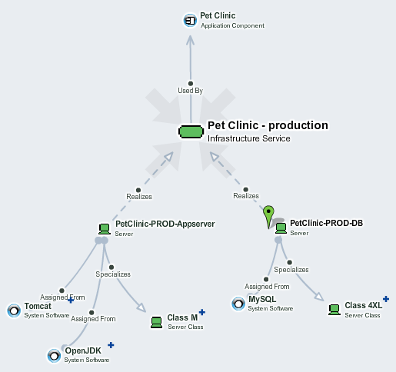
Application Deployment Model
Spreadsheet that describes application deployment, its servers and used software
This spreadsheet creates and connects a single specific deployment model to your existing application. You can have more spreadsheets to describe multiple different deployment models of the same application.
1. Specify Application Deployment properties in B4-B7 cells of this sheet, bold items are mandatory
2. Specify used servers and system software in the Servers sheet
3. Specify system software that is required to be installed on servers in the System Software sheet
To import the deployment with associated servers and installed software, drag and drop this file to EM UI > Import > Spreadsheet > Upload Data and start import.
Application Deployment
Application Name: | for example: Pet Clinic
Application Deployment Name: | for example: Pet Clinic - production
Application Deployment Description: | for example: Pet clinic production deployment
Environments: | see Environments sheet, for example: production

