Overview
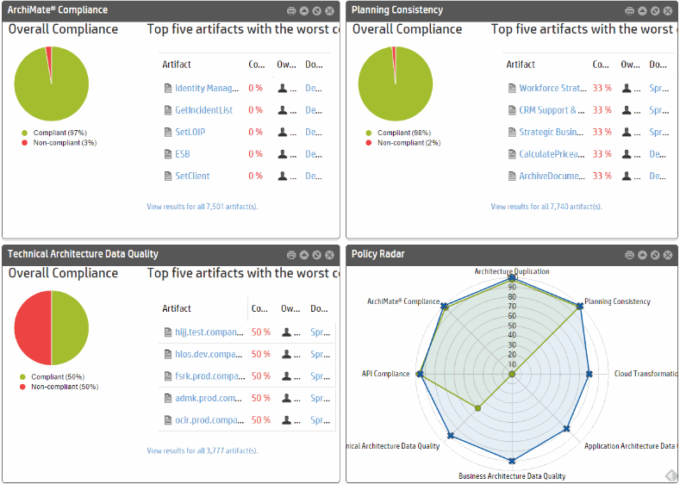
HP Enterprise Maps Spreadsheet Import Demo
V1.00
In this example we would like to show you how you can easily import customer data exported from multiple systems into spreadsheet or CSV.
We use generated demo data any similarity with any real data is not intentional.

Description of data
Customer data is represented by Applications, Servers, OS and Contacts sheets. Additional details can be entered to green columns in businessFunctionArtifact and appFinancialProfileArtifact. If you want to import your data, feel free to replace the data there with your ones. Data from these sheets are transformed using formulas into all the other sheets where every sheet represents one EM artifact type. Mapping of the customer data to artifact types is described by this picture below:
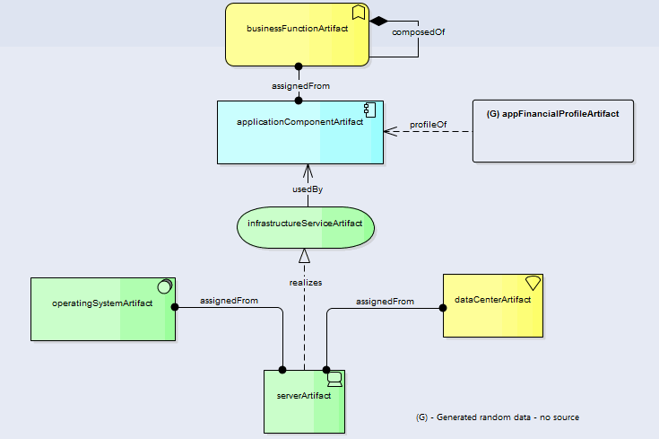

Mapping of the customer data to artifact type sheets
Applications - businessFunctionArtifact, applicationComponentArtifact, appFinancialProfile(this sheet is generated and from applications sheet we use only annualTotalCost number and of course the application names)
Contacts - personArtifact
Servers - serverArtifact, operatingSystemArtifact, dataCenterArtifact, infrastructureServiceArtifact
Sheets are generated for specified amount of applications and servers, please extend rows in all tabs if you want to import more rows!

How to use this file
1) Login to EM as Administrator and go to Administration->Governance->Lifecycle Processes
2) Publish System Software Lifecycle process
3) Go to web UI->Catalog->Import->Spreadsheet
4) Drag&drop or simply select this spreadsheet
5) Click start import
6) Once imported go to Administration->Configuration->Tasks and run Policy Report Validation Task

HINTS
1) In order to see the data correctly we strongly recommend to delete the demo data first - use the reset tool (in case of VA login to the appliance and run "hp stop", "reset" and "hp start" sequence) or at least create specific domain just for this data (Administration->Users->Domains).
2) In case of troubles importing this file it's good to divide the spreadsheet into multiple files - one for each artifact type and import them one by one until you find the problematic data (order of the files has to follow the hierarchy of the artifacts described on the picture above so one of the possible orders is: personArtifact, dataCenterArtifact, applicationComponentArtifact, infraStructureServiceArtifact, serverArtifact, operatingSystemArtifact, OS, appFinanceProfileArtifact, businessFunctionArtifact).
3) You can use this file also as learning material to understand how EM supports import of spreadsheet files. Feel free to extend this file according to your needs.
4) It is also recommended to create special domain just for this spready sheet so you can easily identify and manage it.
5) The spreadsheet import is time consuming activity, it can take even several hours (depending on HW and spreadsheet size) The import process is not blocking EM UI, you can work with EM during import.
6) Spreadsheets import is supported from EM 3.01+
7) If you need to add a new attribute that is not supported by this template, add column to input tabs and update specified collection tab where this attribute should be mapped. If the attribute is not supported by EM, you need to update SDM first and then follow the procedure above. SDM update procedure is describe in the EM guide.
8) SDM update is time consuming process that also requires some experience. For short projects or POCs, we recommend to store some extra data using some existing attribute (e.g. description) to avoid SDM change.
9) If you want to remove the imported data, you can either use clean procedure (hint 1) or click to search in web UI and filter all data according to domain or time, select all and delete them from EM web UI. The data need to be purged via recycle bin.
10) Generate OS tab from existing data, it should contain unique list of used OSes from Servers tab
11) There are some hidden rows in this spreadsheet to drive the import process, you can use the same approach to build advanced import templates.
12) Please do not use number format with 1000 separator.
13) Demo data in this template will create over 4000 artifacts and the import process will take 135 minutes (Core i5-2520M, 8GB RAM, SSD, Oracle 12c; self-test performance indexes CPU:307 File:128 DB:543)

Data in Enterprise Maps
Once imported you can observe the data in enterprise maps Catalog section (Navigator view is strongly recommended) as well as in Reports.

Catalog->Application Components->Air Ranlam->Navigator
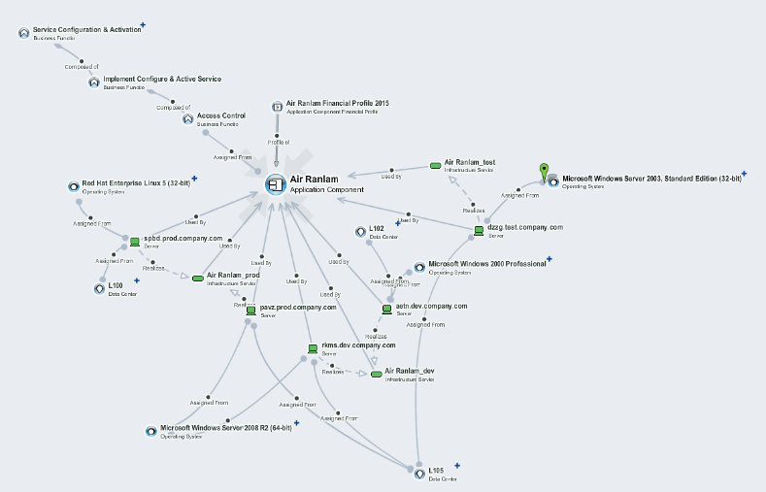

Catalog->Application Components->Air Ranlam->Navigator->Architectural View Layout
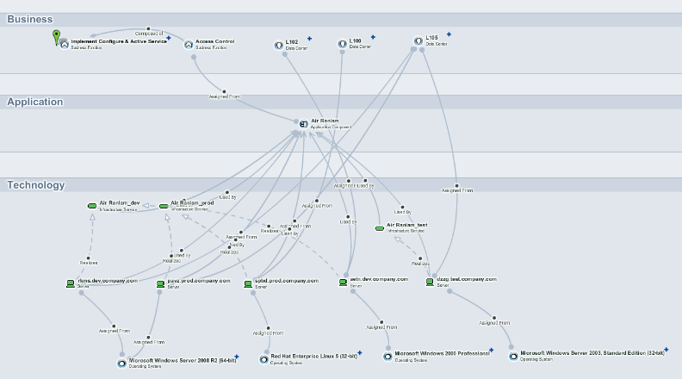

Reports->Transformation->Installed Software Map
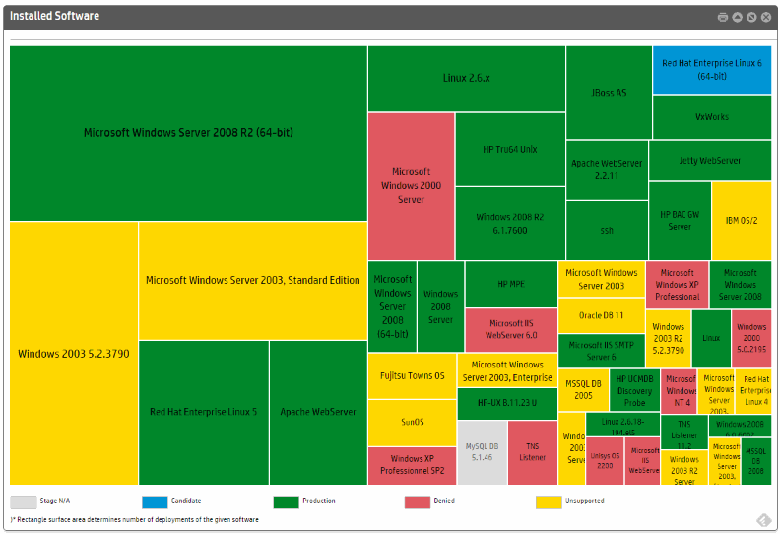

Reports->Transformation->Capabilities to Application Mapping
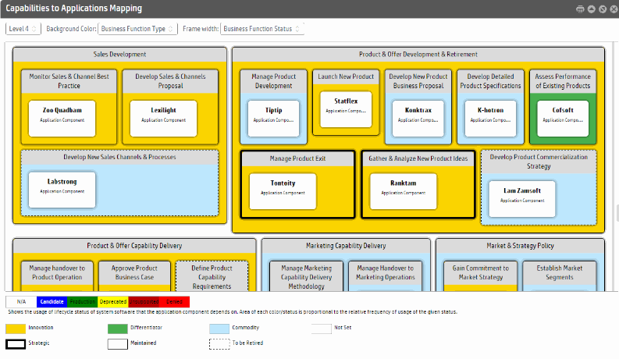

Reports->Financial->Investments per Capability
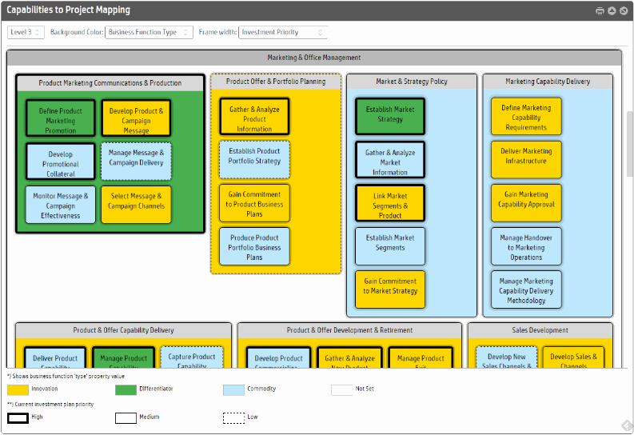

Reports->Financial->Application Costs Map
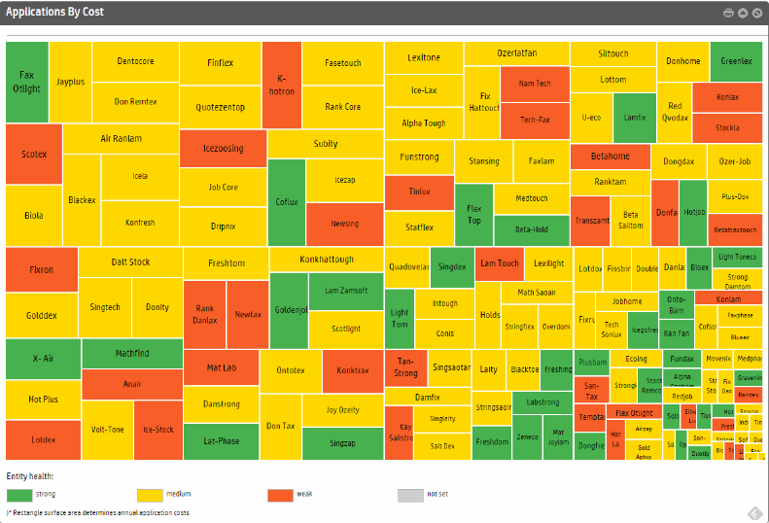

Reports->Financial->Most Expensive Applications

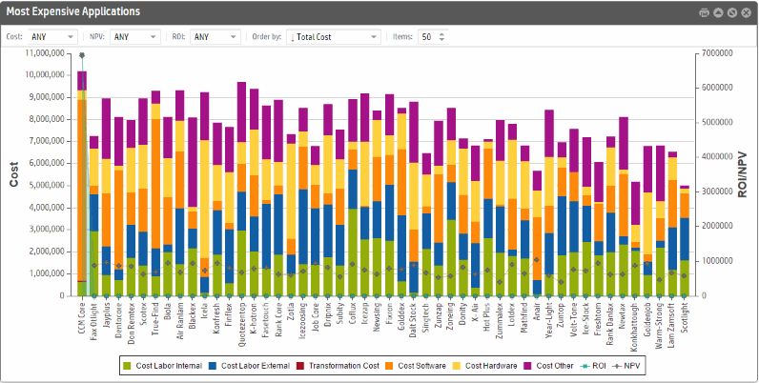

Reports->Financial->Application Costs Chart
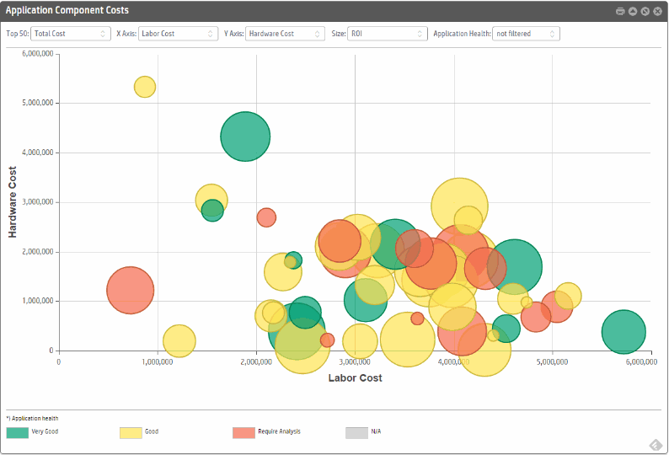

Reports->Governance->Governance Dashboard
In order to see all the reports you can run task in Administration->Configuration->Tasks->Policy Report Validation Tasks.

