Overview
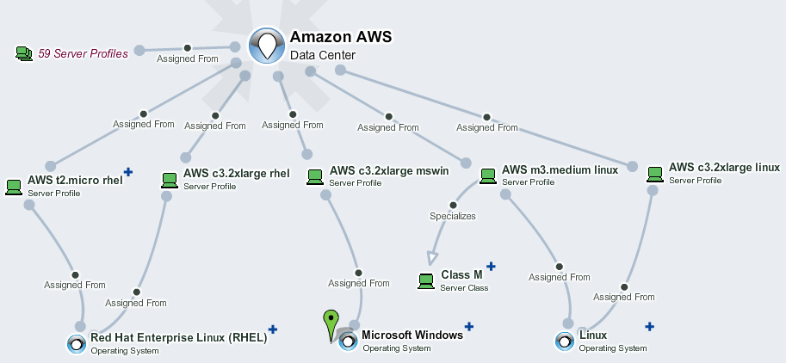
Data Centers
Describe data centers and types of servers that can be rented/hosted
Data Centers sheet describe facilities that can be used to house/rent servers and associated components.
Server Classes sheet describe types of servers of similar performance and hardware configuration independently on data centers.
Operating Systems sheet describe operating systems that can be run on specific server (classes) independently on data centers in use.
Blue sheets describe server profiles that can be housed/rented in specified data center. A profile specializes a specific server class, runs a specific operating system and includes cost information that is specific to a data center. Amazon and HP Cloud data centers are described in separate sheets as an example. EM_HOME/demos/cloud-pricing-import demo can be used to re-create files that can be used to fill in server profiles of HP Cloud and AWS data centers.
Only columns with bold header are mandatory. Other columns are optional.
To import data centers and associated server types and profiles, drag and drop this file to EM UI > Import > Spreadsheet > Upload Data and start import.

