Overview
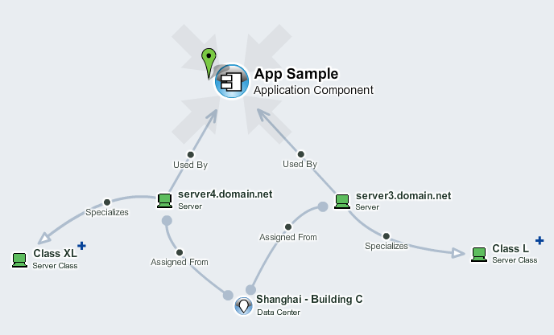
Servers
List servers used by applications
Servers sheet let you list currently used servers and connect them to data center, technical class and application. You can also initially import the list of servers from HP UCMDB or HP PPM and then use this spreadsheet to assign missing properties.
Only columns with bold header are mandatory. Other columns are optional.
To import data into Enterprise Maps, drag and drop this file to EM UI > Import > Spreadsheet > Upload Data and start import.

