EN Content
VLB EN
IGA-979-VLBWeekly-20-06-2023-EN | IGA-979-VLBWeekly-20-06-2023-FR

Block Visual | Segmentation | Block | Item in block | Text | Desktop Image Name | Mobile Image Name | Alt Tag | Link | Final Link (don't input content this column)
 |  | Preheader | Date | <Dynamic> | - | - | - | - | -
 |  |  | View online | View online | - | - | - | <Dynamic> | -
 |  | Header | Logo | - | - | - | IGA: Food is everything | https://www.iga.net/en/ | https://www.iga.net/en/
 |  |  | Name | <Dynamic> |  |  | - | - | -
 |  |  | My Profile | My profile |  |  | - | https://www.iga.net/en/my_account/dashboard | https://www.iga.net/en/my_account/dashboard
 |  |  | CTA | Flyer of the week |  |  | - | https://www.iga.net/en/flyer/digital_flyer | https://www.iga.net/en/flyer/digital_flyer
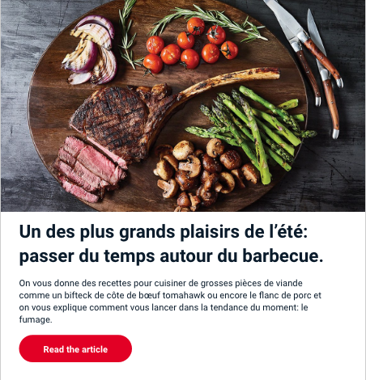 |  | Main_Article | Image | - | glaciere_1200x700-visuel desktop.png | glaciere_750x700-infolettre.png | How to Organize your Camping Cooler | xxxxxxxxxxxxxxxxxxxxxxxxxxxxxxx | xxxxxxxxxxxxxxxxxxxxxxxxxxxxxxx?utm_source=sfmc&utm_medium=email&utm_campaign=IGA-979-VLBWeekly-20-06-2023-EN&utm_content=Main_Article
 |  |  | Title | How to Organize your Camping Cooler | - | - | -
 |  |  | Copy | With Quebec’s national holiday comes a long weekend off! It’s time to come together to celebrate, but also to hit the road for a getaway in nature. Before you go camping, though, plan some good food to cook outdoors and organize your cooler. Here’s how to get everything in order for a gourmet camping adventure. | - | - | - | - | -
 |  |  | CTA | Read the article | - | - | - | xxxxxxxxxxxxxxxxxxxxxxxxxxxxxxx | xxxxxxxxxxxxxxxxxxxxxxxxxxxxxxx?utm_source=sfmc&utm_medium=email&utm_campaign=IGA-979-VLBWeekly-20-06-2023-EN&utm_content=Main_Article
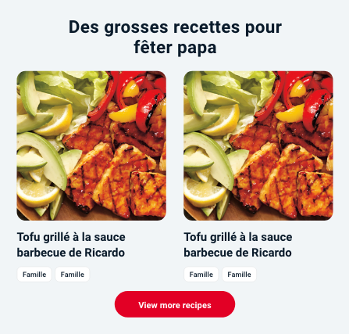 |  | Recipe | Main title | In the Cooler | - | - | - | - | -
 |  |  | Recipe 1 Image | - |  | - | Steelhead Trout and Pesto in a Packet | https://www.iga.net/en/inspiring_recipes/recipes/steelhead_trout_and_pesto_in_a_packet | https://www.iga.net/en/inspiring_recipes/recipes/steelhead_trout_and_pesto_in_a_packet?utm_source=sfmc&utm_medium=email&utm_campaign=IGA-979-VLBWeekly-20-06-2023-EN&utm_content=Recipe
 |  |  | Recipe 1 Title | Steelhead Trout and Pesto in a Packet | truite_510x510-recettes.png | - | -
 |  |  | Recipe 1 Tag(a) max chars 12 | BBQ | - | - | -
 |  |  | Receipe 1 Tag(b) max chars 12 |  | - | - | -
 |  |  | Recipe 2 Image |  | sandwich_510x510-recettes.png | - | Ham, Egg, and Avocado Sandwich | https://www.iga.net/inspiring_recipes/recipes/ham_egg_and_avocado_sandwich | https://www.iga.net/inspiring_recipes/recipes/ham_egg_and_avocado_sandwich?utm_source=sfmc&utm_medium=email&utm_campaign=IGA-979-VLBWeekly-20-06-2023-EN&utm_content=Recipe
 |  |  | Recipe 2 Title | Ham, Egg, and Avocado Sandwich | - | - | -
 |  |  | Recipe 2 Tag(a) max chars 12 | Quickly | - | - | -
 |  |  | Receipe 2 Tag(b) max chars 12 |  | - | - | -
 |  |  | CTA | View more recipes | - | - | - | https://www.iga.net/en/inspiring_recipes | https://www.iga.net/en/inspiring_recipes?utm_source=sfmc&utm_medium=email&utm_campaign=IGA-979-VLBWeekly-20-06-2023-EN&utm_content=Recipe
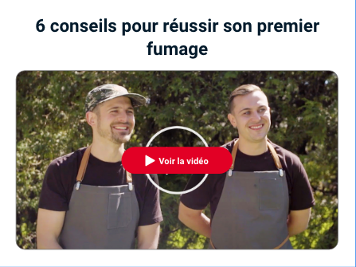 |  | Video | Main title | How to Roll a Wrap |  |  | - | https://www.iga.net/fr/videos/ricardo/ricardo_rouler_un_wrap | https://www.iga.net/fr/videos/ricardo/ricardo_rouler_un_wrap?utm_source=sfmc&utm_medium=email&utm_campaign=IGA-979-VLBWeekly-20-06-2023-EN&utm_content=Video
 |  |  | Text | In french only. | - | - | -
 |  |  | Video Image | - | EN_wrap_1080x600-video.png | EN_wrap_630x600-video.png | How to Roll a Wrap
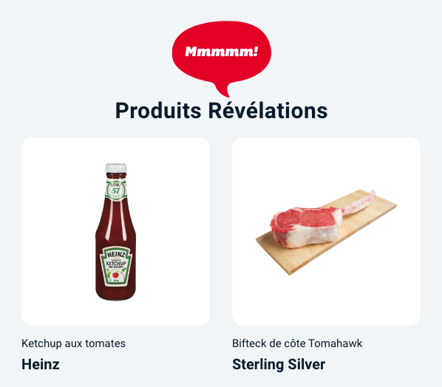 |  | Product | Bubble image | - | - | - | Mmmmm! | - | -
 |  |  | Title | Celebrate With Local Products | - | - | - | - | -
 |  |  | Product 1 Image | - | 1porc_510x510-produits.png | - | Porkshop Pork Salt Pepper Burger | https://www.iga.net/en/product/-burgerpork-salt-pepper/00000_000000628519310108 | https://www.iga.net/en/product/-burgerpork-salt-pepper/00000_000000628519310108?utm_source=sfmc&utm_medium=email&utm_campaign=IGA-979-VLBWeekly-20-06-2023-EN&utm_content=Product
 |  |  | Product 1 Name | Porkshop Pork Salt Pepper Burger | - | - | -
 |  |  | Product 1 Brand | Compliments | - | - | -
 |  |  | Product 2 Image | - | 2bobba_510x510-produits.png | - | Bobba Strawberry RDT Bubble Tea | https://www.iga.net/en/product/bubble-teastrawberry-rtd/00000_000000062867809001 | https://www.iga.net/en/product/bubble-teastrawberry-rtd/00000_000000062867809001?utm_source=sfmc&utm_medium=email&utm_campaign=IGA-979-VLBWeekly-20-06-2023-EN&utm_content=Product
 |  |  | Product 2 Name | Bobba Strawberry RDT Bubble Tea | - | - | -
 |  |  | Product 2 Brand | Compliments | - | - | -
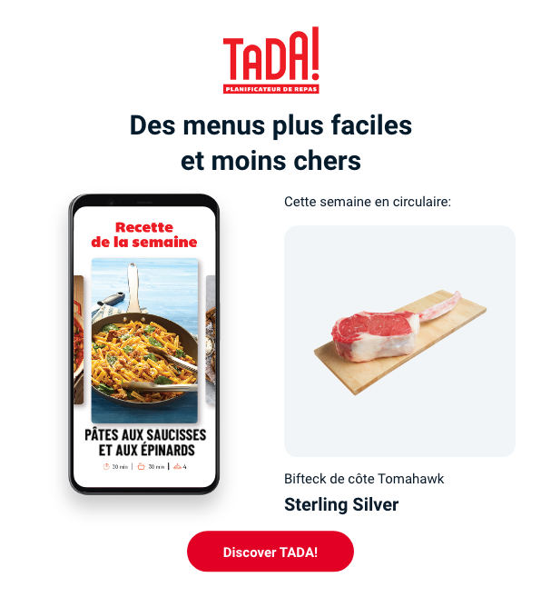 |  | Tada | Tada Logo | - |  |  | TADA! Logo | https://www.iga.net/en/tada | https://www.iga.net/en/tada?utm_source=sfmc&utm_medium=email&utm_campaign=IGA-979-VLBWeekly-20-06-2023-EN&utm_content=Tada
 |  |  | Title | Titre | - | - | - | - | -
 |  |  | App Image | - | Image | - | Alt | Lien | Lien?utm_source=sfmc&utm_medium=email&utm_campaign=IGA-979-VLBWeekly-20-06-2023-EN&utm_content=Tada
 |  |  | Sub-title | In flyer this week: | - | - | - | - | -
 |  |  | Product Image | - | Image | - | Alt | Lien | Lien?utm_source=sfmc&utm_medium=email&utm_campaign=IGA-979-VLBWeekly-20-06-2023-EN&utm_content=Tada
 |  |  | Product Name | Produit | - | - | -
 |  |  | Product Brand | Marque | - | - | -
 |  |  | CTA | Discover the recipe | - | - | - | Lien | Lien?utm_source=sfmc&utm_medium=email&utm_campaign=IGA-979-VLBWeekly-20-06-2023-EN&utm_content=Tada
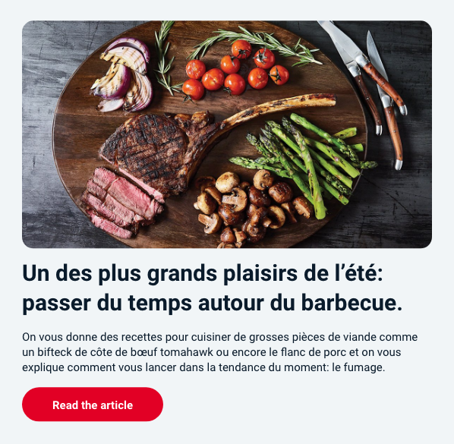 |  | Article | Image | - | poutine_1080x600-infolettre.png | poutine_630x600-mobile.png | Variations on Our National Poutine | https://www.iga.net/en/articles/variations_on_our_national_poutine | https://www.iga.net/en/articles/variations_on_our_national_poutine?utm_source=sfmc&utm_medium=email&utm_campaign=IGA-979-VLBWeekly-20-06-2023-EN&utm_content=Article
 |  |  | Title | Variations on Our National Poutine | - | - | -
 |  |  | Copy | Poutine is without a doubt Quebec’s most emblematic dish. To customize it with variations on its ingredients and original toppings, you just have to know the basics and use a little creativity. In no time you’ll have a restaurant-worthy poutine. | - | - | - | - | -
 |  |  | CTA | Read the article | - | - | - | https://www.iga.net/en/articles/variations_on_our_national_poutine | https://www.iga.net/en/articles/variations_on_our_national_poutine?utm_source=sfmc&utm_medium=email&utm_campaign=IGA-979-VLBWeekly-20-06-2023-EN&utm_content=Article
 |  | Banner_Title | Title | Promotions, Offers and Contests | - | - | - | -
 | Only the customers located in a zip code indicated (see list attached in JIRA) - Voila users (orders 1+) | Voila_Banner_Message1 | Image |  | 1080x340_Message1_EN | 510x332_Message1_EN | Voilà | https://voila.ca?language=en-ca | https://voila.ca?language=en-ca&utm_source=sfmc&utm_medium=email&utm_campaign=IGA-979-VLBWeekly-20-06-2023-EN&utm_content=Voila_Banner_Message1
 | Only the customers located in a zip code indicated (see list attached in JIRA) - Non Voila users | Voila_Banner_Message2 | Image | - | 1080x340_Message2_EN | 510x332_Message2_EN | Voilà | https://voila.ca?language=en-ca | https://voila.ca?language=en-ca&utm_source=sfmc&utm_medium=email&utm_campaign=IGA-979-VLBWeekly-20-06-2023-EN&utm_content=Voila_Banner_Message2
 |  | 2_Col_Banner | Banner 1 |  | PUB100331-fcb-durs-a-cuire-2023-infolettre-vlb-1080x340-en.jpg | PUB100331-fcb-durs-a-cuire-2023-infolettre-vlb-510x332-en.jpg | Fondation Charles Bruneau | https://www.iga.net/en/in_the_community/community/support_the_tough_cookies | https://www.iga.net/en/in_the_community/community/support_the_tough_cookies?utm_source=sfmc&utm_medium=email&utm_campaign=IGA-979-VLBWeekly-20-06-2023-EN&utm_content=2_Col_Banner
 |  |  | Banner 2 | If scene_number empty = hide banner, if not = show banner | PUB100698-offre-sceneplus-QC-en-vedette-1080x340-en.png | PUB100698-offre-sceneplus-QC-en-vedette-510x332-en.png | Spotlight on Quebec | https://www.iga.net/en/flyer | https://www.iga.net/en/flyer?utm_source=sfmc&utm_medium=email&utm_campaign=IGA-979-VLBWeekly-20-06-2023-EN&utm_content=2_Col_Banner
 |  | 2_Col_Banner | Banner 3 | If scene_number empty = show banner, if not = hide banner | PUB100698-sceneplus-prix-membres-iga-banners-infolettre-infolettre-1080x340-fr.jpg | PUB100698-sceneplus-prix-membres-iga-banners-infolettre-infolettre-510x332-en.jpg | Join Scene+ | https://mesoffresiga.login-seconnecter.ca/en-ca/register | https://mesoffresiga.login-seconnecter.ca/en-ca/register?utm_source=sfmc&utm_medium=email&utm_campaign=IGA-979-VLBWeekly-20-06-2023-EN&utm_content=2_Col_Banner
 |  |  | Banner 4 | - |  |  |  |  | ?utm_source=sfmc&utm_medium=email&utm_campaign=IGA-979-VLBWeekly-20-06-2023-EN&utm_content=2_Col_Banner
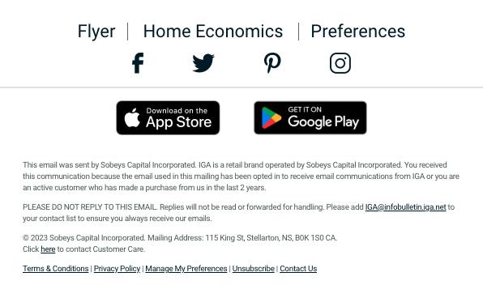 |  | Footer | Copy | This email was sent by Sobeys Capital Incorporated. IGA is a retail brand operated by Sobeys Capital Incorporated. You received this communication because the email used in this mailing has been opted in to receive email communications from IGA or you are an active customer who has made a purchase from us in the last 2 years. PLEASE DO NOT REPLY TO THIS EMAIL. Replies will not be read or forwarded for handling. Please add IGA@infobulletin.iga.net to your contact list to ensure you always receive our emails. © 2023 Sobeys Capital Incorporated. Mailing Address: 115 King St, Stellarton, NS, B0K 1S0 CA. Click here to contact Customer Care. Terms & Conditions | Privacy Policy | Manage My Preferences | Unsubscribe | Contact Us |  |  |  | see tab EN Footer Links

FR Content
VLB FR
IGA-979-VLBWeekly-20-06-2023-FR | 0 | 0

Block Visual | Segmentation | Block | Item in block | Text | Desktop Image Name | Mobile Image Name | Alt Tag | Link | Final Link (don't input content this column)
 |  | Preheader | Date | <Dynamic> | - | - | - | - | -
 |  |  | View online | Version web | - | - | - | <Dynamic> | -
 |  | Header | Logo | - | - | - | IGA: Vive la bouffe | https://www.iga.net/fr/ | https://www.iga.net/fr/
 |  |  | Name | <Dynamic> |  |  | - | - | -
 |  |  | My Profile | Mon profil |  |  | - | https://www.iga.net/fr/mon_compte/tableau_de_bord | https://www.iga.net/fr/mon_compte/tableau_de_bord
 |  |  | CTA | Circulaire de la semaine |  |  | - | https://www.iga.net/fr/circulaire/circulaire | https://www.iga.net/fr/circulaire/circulaire
 |  | Main_Article | Image | - | glaciere_1200x700-visuel desktop.png | glaciere_750x700-infolettre.png | Comment organiser sa glacière de camping | xxxxxxxxxxxxxxxxxxxxxxxxxxxxxxx | xxxxxxxxxxxxxxxxxxxxxxxxxxxxxxx?utm_source=sfmc&utm_medium=email&utm_campaign=IGA-979-VLBWeekly-20-06-2023-FR&utm_content=Main_Article
 |  |  | Title | Comment organiser sa glacière de camping | - | - | -
 |  |  | Copy | Avec la fête nationale du Québec vient une longue fin de semaine de congé! C’est le moment de se rassembler pour célébrer, mais aussi de prendre la route pour une escapade en nature. Avant de partir en camping, prévoyez de bons petits plats à cuisiner en plein air et planifiez l’organisation de votre glacière. Voici comment y arriver afin de vivre un séjour savoureux. | - | - | - | - | -
 |  |  | CTA | Lire l’article | - | - | - | xxxxxxxxxxxxxxxxxxxxxxxxxxxxxxx | xxxxxxxxxxxxxxxxxxxxxxxxxxxxxxx?utm_source=sfmc&utm_medium=email&utm_campaign=IGA-979-VLBWeekly-20-06-2023-FR&utm_content=Main_Article
 |  | Recipe | Main title | Dans la glacière | - | - | - | - | -
 |  |  | Recipe 1 Image | - | truite_510x510-recettes.png | - | Papillote de truite saumonée au pesto | https://www.iga.net/fr/recettes_inspirantes/recettes/papillote_de_truite_saumonee_au_pesto | https://www.iga.net/fr/recettes_inspirantes/recettes/papillote_de_truite_saumonee_au_pesto?utm_source=sfmc&utm_medium=email&utm_campaign=IGA-979-VLBWeekly-20-06-2023-FR&utm_content=Recipe
 |  |  | Recipe 1 Title | Papillote de truite saumonée au pesto | - | - | -
 |  |  | Recipe 1 Tag(a) max chars 12 | BBQ | - | - | -
 |  |  | Receipe 1 Tag(b) max chars 12 |  | - | - | -
 |  |  | Recipe 2 Image |  | sandwich_510x510-recettes.png | - | Sandwich au jambon, avocat et œuf | https://www.iga.net/recettes_inspirantes/recettes/sandwich_jambon_oeufs_et_avocat | https://www.iga.net/recettes_inspirantes/recettes/sandwich_jambon_oeufs_et_avocat?utm_source=sfmc&utm_medium=email&utm_campaign=IGA-979-VLBWeekly-20-06-2023-FR&utm_content=Recipe
 |  |  | Recipe 2 Title | Sandwich au jambon, avocat et œuf | - | - | -
 |  |  | Recipe 2 Tag(a) max chars 12 | rapide | - | - | -
 |  |  | Receipe 2 Tag(b) max chars 12 |  | - | - | -
 |  |  | CTA | Voir plus de recettes | - | - | - | https://www.iga.net/fr/recettes_inspirantes | https://www.iga.net/fr/recettes_inspirantes?utm_source=sfmc&utm_medium=email&utm_campaign=IGA-979-VLBWeekly-20-06-2023-FR&utm_content=Recipe
 |  | Video | Main title | Comment rouler un wrap | - | - | - | https://www.iga.net/fr/videos/ricardo/ricardo_rouler_un_wrap | https://www.iga.net/fr/videos/ricardo/ricardo_rouler_un_wrap?utm_source=sfmc&utm_medium=email&utm_campaign=IGA-979-VLBWeekly-20-06-2023-FR&utm_content=Video
 |  |  | Video Image | - | FR_wrap_1080x600-video.png | FR_wrap_630x600-video.png | Comment rouler un wrap
 |  | Product | Bubble image | - | - | - | Mmmmm! | - | -
 |  |  | Title | Célébrer avec les produits d’ici | - | - | - | - | -
 |  |  | Product 1 Image | - | 1porc_510x510-produits.png | - | Burger de porc sel, poivre et vin blanc Porkshop | https://www.iga.net/fr/produit/burgerde-porc-au-sel-et-poivre/00000_000000628519310108 | https://www.iga.net/fr/produit/burgerde-porc-au-sel-et-poivre/00000_000000628519310108?utm_source=sfmc&utm_medium=email&utm_campaign=IGA-979-VLBWeekly-20-06-2023-FR&utm_content=Product
 |  |  | Product 1 Name | Burger de porc sel, poivre et vin blanc Porkshop | - | - | -
 |  |  | Product 1 Brand | Compliments | - | - | -
 |  |  | Product 2 Image | - | 2bobba_510x510-produits.png | - | Thé aux perles à la fraise Bobba | https://www.iga.net/fr/produit/the-aux-perlesa-la-fraise/00000_000000062867809001 | https://www.iga.net/fr/produit/the-aux-perlesa-la-fraise/00000_000000062867809001?utm_source=sfmc&utm_medium=email&utm_campaign=IGA-979-VLBWeekly-20-06-2023-FR&utm_content=Product
 |  |  | Product 2 Name | Thé aux perles à la fraise Bobba | - | - | -
 |  |  | Product 2 Brand | Compliments | - | - | -
 |  | Tada | Tada Logo | - |  |  | TADA! Logo | https://www.iga.net/fr/tada | https://www.iga.net/fr/tada?utm_source=sfmc&utm_medium=email&utm_campaign=IGA-979-VLBWeekly-20-06-2023-FR&utm_content=Tada
 |  |  | Title | Titre | - | - | - | - | -
 |  |  | App Image | - | Image | - | Alt | Lien | Lien?utm_source=sfmc&utm_medium=email&utm_campaign=IGA-979-VLBWeekly-20-06-2023-FR&utm_content=Tada
 |  |  | Sub-title | Cette semaine en circulaire : | - | - | - | -
 |  |  | Product Image | - | Image | - | Alt | Lien | Lien?utm_source=sfmc&utm_medium=email&utm_campaign=IGA-979-VLBWeekly-20-06-2023-FR&utm_content=Tada
 |  |  | Product Name | Produit | - | - | -
 |  |  | Product Brand | Marque | - | - | -
 |  |  | CTA | Découvrir la recette | - | - | - | Lien | Lien?utm_source=sfmc&utm_medium=email&utm_campaign=IGA-979-VLBWeekly-20-06-2023-FR&utm_content=Tada
 |  | Article | Image | - | poutine_1080x600-infolettre.png | poutine_630x600-mobile.png | Variations sur notre poutine nationale | https://www.iga.net/fr/articles/variations_sur_notre_poutine_nationale | https://www.iga.net/fr/articles/variations_sur_notre_poutine_nationale?utm_source=sfmc&utm_medium=email&utm_campaign=IGA-979-VLBWeekly-20-06-2023-FR&utm_content=Article
 |  |  | Title | Variations sur notre poutine nationale | - | - | -
 |  |  | Copy | La poutine est sans contredit le mets le plus emblématique du Québec. Personnalisez-la avec des variations sur ses ingrédients et des garnitures originales. Il suffit de connaître les bonnes bases et d’user d’un peu de créativité pour cuisiner une poutine digne d’un resto. | - |  | - | - | -
 |  |  | CTA | Lire l’article | - | - | - | https://www.iga.net/fr/articles/variations_sur_notre_poutine_nationale | https://www.iga.net/fr/articles/variations_sur_notre_poutine_nationale?utm_source=sfmc&utm_medium=email&utm_campaign=IGA-979-VLBWeekly-20-06-2023-FR&utm_content=Article
 |  | Banner_Title | Title | Promotions, rabais et concours | - | - | - | - | -
 | Only the customers located in a zip code indicated (see list attached in JIRA) - Voila users (orders 1+) | Voila_Banner_Message1 | Image | - | 1080x340_Message1_FR | 510x332_Message1_FR | Voilà | https://voila.ca/?language=fr-ca | https://voila.ca/?language=fr-ca&utm_source=sfmc&utm_medium=email&utm_campaign=IGA-979-VLBWeekly-20-06-2023-FR&utm_content=Voila_Banner_Message1
 | Only the customers located in a zip code indicated (see list attached in JIRA) - Non Voila users | Voila_Banner_Message2 | Image | - | 1080x340_Message2_FR | 510x332_Message2_FR | Voilà | https://voila.ca/?language=fr-ca | https://voila.ca/?language=fr-ca&utm_source=sfmc&utm_medium=email&utm_campaign=IGA-979-VLBWeekly-20-06-2023-FR&utm_content=Voila_Banner_Message2
 |  | 2_Col_Banner | Banner 1 |  | PUB100331-fcb-durs-a-cuire-2023-infolettre-vlb-1080x340-fr.jpg | PUB100331-fcb-durs-a-cuire-2023-infolettre-vlb-510x332-fr.jpg | Fondation Charles Bruneau | https://www.iga.net/fr/implication/communaute/soutenons_les_durs_a_cuire | https://www.iga.net/fr/implication/communaute/soutenons_les_durs_a_cuire?utm_source=sfmc&utm_medium=email&utm_campaign=IGA-979-VLBWeekly-20-06-2023-FR&utm_content=2_Col_Banner
 |  |  | Banner 2 | If scene_number empty = hide banner, if not = show banner | PUB100698-offre-sceneplus-QC-en-vedette-1080x340-fr.png | PUB100698-offre-sceneplus-QC-en-vedette-510x332-fr.png | Offre exclusif sur les produits Kim Phat | https://www.iga.net/fr/circulaire | https://www.iga.net/fr/circulaire?utm_source=sfmc&utm_medium=email&utm_campaign=IGA-979-VLBWeekly-20-06-2023-FR&utm_content=2_Col_Banner
 |  | 2_Col_Banner | Banner 3 | If scene_number empty = show banner, if not = hide banner | PUB100698-sceneplus-prix-membres-iga-banners-infolettre-infolettre-1080x340-fr.jpg | PUB100698-sceneplus-prix-membres-iga-banners-infolettre-infolettre-510x332-fr.jpg | S'inscrire à Scène+ | https://mesoffresiga.login-seconnecter.ca/register | https://mesoffresiga.login-seconnecter.ca/register?utm_source=sfmc&utm_medium=email&utm_campaign=IGA-979-VLBWeekly-20-06-2023-FR&utm_content=2_Col_Banner
 |  |  | Banner 4 | - |  |  |  |  | ?utm_source=sfmc&utm_medium=email&utm_campaign=IGA-979-VLBWeekly-20-06-2023-FR&utm_content=2_Col_Banner
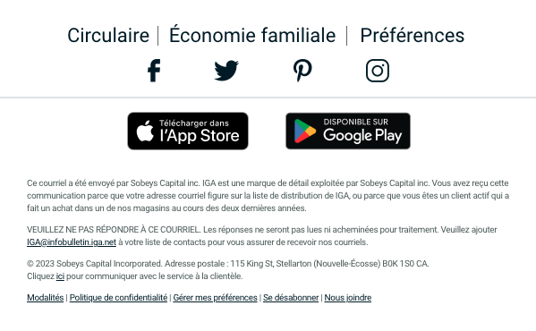 |  | Footer | Copy | Ce courriel a été envoyé par Sobeys Capital inc. IGA est une marque de détail exploitée par Sobeys Capital inc. Vous avez reçu cette communication parce que votre adresse courriel figure sur la liste de distribution de IGA, ou parce que vous êtes un client actif qui a fait un achat dans un de nos magasins au cours des deux dernières années. VEUILLEZ NE PAS RÉPONDRE À CE COURRIEL. Les réponses ne seront pas lues ni acheminées pour traitement. Veuillez ajouter IGA@infobulletin.iga.net à votre liste de contacts pour vous assurer de recevoir nos courriels. © 2023 Sobeys Capital Incorporated. Adresse postale : 115 King St, Stellarton (Nouvelle-Écosse) B0K 1S0 CA. Cliquez ici pour communiquer avec le service à la clientèle. Modalités | Politique de confidentialité | Gérer mes préférences | Se désabonner | Nous joindre |  |  |  | see tab FR Footer Links

Image Sizes
Images are saved out at double the size from what they are displayed in the email
Block | Desktop | Mobile
 | 1200x700 (height can be variable, just needs to be an even number) | 750x700 (height can be variable, just needs to be an even number)
 | 510x510 (max tag width is 104px wide) | -
 | 1080x600 | 630x600
 | 244x178 | -
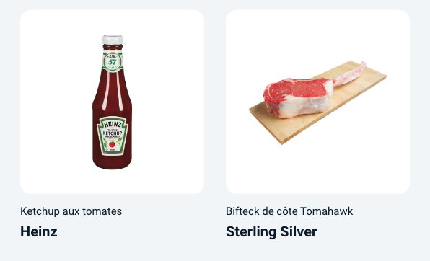 | 510x510 | -
 | Phone Image: 422x750 | -
 | Product Image: 510x510 | -
 | 1080x200 | 630x200
 | 1080x600 | 630x600
 | 1080x340 | 510x332
 | Each banner: 510x332 | -

