Template
 | Weighted average, birth prevalence
Instructions
-Copy-paste sheet
-All data in yellow cells in template is dummy data
-Enter study data in yellow cells only
-Results are in green cells
NOTE: Set-up for 10 studies. If analyzing <10 studies, delete all data in the columns for which you will not enter study info (i.e., delete all data in cells L6 to M40 if you are only entering 8 studies). Formulas will automatically update.
NOTE: CIs are calculated using Poisson distribution if < 30 cases. For studies with >30 cases, a normal distribution is used to calculate CIs.
 |  | Country | Country | Country | Country | Country | Country | Country | Country | Country | Country
 | Author, year | Author, year | Author, year | Author, year | Author, year | Author, year | Author, year | Author, year | Author, year | Author, year | Author, year
 | Cases | 1 | 2 | 4 | 3 | 5 | 5 | 6 | 6 | 6 | 6
 | Population | 100,000 | 200,000 | 300,000 | 400,000 | 500,000 | 600,000 | 700,000 | 800,000 | 900,000 | 1,000,000
 | Birth prevalence (proportion) | 0.00 | 0.00 | 0.00 | 0.00 | 0.00 | 0.00 | 0.00 | 0.00 | 0.00 | 0.00
 | Birth prevalence/100k | 1.000 | 1.000 | 1.333 | 0.750 | 1.000 | 0.833 | 0.857 | 0.750 | 0.667 | 0.600
 | Standard deviation per 100k | 1.96 | 1.39 | 1.31 | 0.85 | 0.88 | 0.73 | 0.69 | 0.60 | 0.53 | 0.48
Normal Distribution | Lower CI per 100k | 0.00 | 0.00 | 0.03 | 0.00 | 0.12 | 0.10 | 0.17 | 0.15 | 0.13 | 0.12
 | Upper CI per 100k | 2.96 | 2.39 | 2.64 | 1.60 | 1.88 | 1.56 | 1.54 | 1.35 | 1.20 | 1.08
Poisson Distribution | Lower CI per 100k | 0.03 | 0.12 | 0.36 | 0.15 | 0.32 | 0.27 | 0.31 | 0.28 | 0.24 | 0.22
 | Upper CI per 100k | 5.57 | 3.61 | 3.41 | 2.19 | 2.33 | 1.94 | 1.87 | 1.63 | 1.45 | 1.31
 | Standard error per 100k | 1.00 | 0.71 | 0.67 | 0.43 | 0.45 | 0.37 | 0.35 | 0.31 | 0.27 | 0.24
 | Weight | 1.8% | 3.6% | 5.5% | 7.3% | 9.1% | 10.9% | 12.7% | 14.5% | 16.4% | 18.2% | 100.00%
 | Weighted result per study | 0.02 | 0.04 | 0.07 | 0.05 | 0.09 | 0.09 | 0.11 | 0.11 | 0.11 | 0.11
 | Weighted average | 0.800
 | Weighted lower CI per study | 0.036 | 0.004 | 0.020 | 0.011 | 0.030 | 0.030 | 0.040 | 0.040 | 0.040 | 0.040
 | Weighted upper CI per study | 0.101 | 0.131 | 0.186 | 0.159 | 0.212 | 0.212 | 0.237 | 0.237 | 0.237 | 0.237
 | Weighted average lower CI | 0.290
 | Weighted average upper CI | 1.952

 | User entry
 | ISMS calculation

 | Fixed effect meta-analysis (Inverse variance approach) birth prevalence
 | Per study | 1.00 | 2.00 | 2.25 | 5.33 | 5.00 | 7.20 | 8.17 | 10.67 | 13.50 | 16.67 | 71.78
 | Weight | 1.39% | 2.79% | 3.13% | 7.43% | 6.97% | 10.03% | 11.38% | 14.86% | 18.81% | 23.22% | 100.00%
 | Weighted result per study | 0.014 | 0.028 | 0.042 | 0.056 | 0.070 | 0.084 | 0.098 | 0.111 | 0.125 | 0.139 | 0.77
 | Inverse variance weighted average | 0.766
 | Standard error per 100k | 0.118
 | Standard deviation per 100k | 0.231
 | Inverse variance weighted average lower CI | 0.535
 | Inverse variance weighted average upper CI | 0.998
 | weight * birth prev^2 | 1.000 | 2.000 | 4.000 | 3.000 | 5.000 | 5.000 | 6.000 | 6.000 | 6.000 | 6.000 | 44.00
 | weight * birth prev | 1.000 | 2.000 | 3.000 | 4.000 | 5.000 | 6.000 | 7.000 | 8.000 | 9.000 | 10.000 | 55.00
 | Q | 1.86
 | df (degrees of freedom) | 9.000
 | I2 | 0.00%

 | Poisson Distribution (NBDP, 2004)
 |  | 95% Confidence Limits
 | Number of Cases | Lower | Upper
 | 0 | 0 | 3.6889
 | 1 | 0.0253 | 5.5716
 | 2 | 0.2422 | 7.2247
 | 3 | 0.6187 | 8.7673
 | 4 | 1.0899 | 10.2416
 | 5 | 1.6235 | 11.6683
 | 6 | 2.2019 | 13.0595
 | 7 | 2.8144 | 14.4227
 | 8 | 3.4538 | 15.7632
 | 9 | 4.1154 | 17.0848
 | 10 | 4.7954 | 18.3904
 | 11 | 5.4912 | 19.682
 | 12 | 6.2006 | 20.9616
 | 13 | 6.922 | 22.2304
 | 14 | 7.6539 | 23.4896
 | 15 | 8.3954 | 24.7402
 | 16 | 9.1454 | 25.983
 | 17 | 9.9031 | 27.2186
 | 18 | 10.6679 | 28.4478
 | 19 | 11.4392 | 29.6709
 | 20 | 12.2165 | 30.8884
 | 21 | 12.9993 | 32.1007
 | 22 | 13.7873 | 33.3083
 | 23 | 14.58 | 34.5113
 | 24 | 15.3773 | 35.7101
 | 25 | 16.1787 | 36.9049
 | 26 | 16.9841 | 38.096
 | 27 | 17.7932 | 39.2836
 | 28 | 18.6058 | 40.4678
 | 29 | 19.4218 | 41.6488

TSD Example
 | Weighted average, birth prevalence
Instructions
-Copy-paste sheet
-All data in yellow cells in template is dummy data
-Enter study data in yellow cells only
-Results are in green cells
NOTE: Set-up for 10 studies. If analyzing <10 studies, delete all data in the columns for which you will not enter study info (i.e., delete all data in cells L6 to M40 if you are only entering 8 studies). Formulas will automatically update.
NOTE: CIs are calculated using Poisson distribution if < 30 cases. For studies with >30 cases, a normal distribution is used to calculate CIs.
 |  | Country | Country | Country | Country | Country | Country | Country | Country | Country | Country
 | Author, year | Author, year | Author, year | Author, year | Author, year | Author, year | Author, year | Author, year | Author, year | Author, year | Author, year
 | Cases | 8 | 22 | 30 | 10 | 11 | 33 | 3 | 13
 | Population | 3,362,889 | 7,173,959 | 7,358,444 | 2,080,791 | 11,951,872 | 15,192,000 | 1,035,816 | 3,693,759
 | Birth prevalence (proportion) | 0.0000024 | 0.0000031 | 0.0000041 | 0.0000048 | 0.0000009 | 0.0000022 | 0.0000029 | 0.0000035
 | Birth prevalence/100k | 0.238 | 0.307 | 0.408 | 0.481 | 0.092 | 0.217 | 0.290 | 0.352
 | Standard deviation per 100k | 0.16 | 0.13 | 0.15 | 0.30 | 0.05 | 0.07 | 0.33 | 0.19
Normal Distribution | Lower CI per 100k | 0.07 | 0.18 | 0.26 | 0.18 | 0.04 | 0.14 | 0.00 | 0.16
 | Upper CI per 100k | 0.40 | 0.43 | 0.55 | 0.78 | 0.15 | 0.29 | 0.62 | 0.54
Poisson Distribution | Lower CI per 100k | 0.10 | 0.19 | 0.26 | 0.23 | 0.05 | 0.14 | 0.06 | 0.19
 | Upper CI per 100k | 0.47 | 0.46 | 0.55 | 0.88 | 0.16 | 0.29 | 0.85 | 0.60
 | Standard error per 100k | 0.08 | 0.07 | 0.07 | 0.15 | 0.03 | 0.04 | 0.17 | 0.10
 | Weight | 6.5% | 13.8% | 14.2% | 4.0% | 23.1% | 29.3% | 2.0% | 7.1% |  |  | 100.00%
 | Weighted result per study | 0.02 | 0.04 | 0.06 | 0.02 | 0.02 | 0.06 | 0.01 | 0.03
 | Weighted average | 0.251
 | Weighted lower CI per study | 0.011 | 0.027 | 0.037 | 0.009 | 0.011 | 0.042 | 0.001 | 0.013
 | Weighted upper CI per study | 0.030 | 0.064 | 0.079 | 0.035 | 0.038 | 0.085 | 0.017 | 0.043
 | Weighted average lower CI | 0.151
 | Weighted average upper CI | 0.392

 | User entry
 | ISMS calculation

 | Fixed effect meta-analysis (Inverse variance approach) birth prevalence
 | Per study | 141.36 | 233.94 | 180.49 | 43.30 | 1298.61 | 699.39 | 35.76 | 104.95 |  |  | 2737.80
 | Weight | 5.16% | 8.54% | 6.59% | 1.58% | 47.43% | 25.55% | 1.31% | 3.83% |  |  | 100.00%
 | Weighted result per study | 0.012 | 0.026 | 0.027 | 0.008 | 0.044 | 0.055 | 0.004 | 0.013 |  |  | 0.19
 | Inverse variance weighted average | 0.189
 | Standard error per 100k | 0.019
 | Standard deviation per 100k | 0.037
 | Inverse variance weighted average lower CI | 0.152
 | Inverse variance weighted average upper CI | 0.227
 | weight * birth prev^2 | 8.000 | 22.000 | 30.000 | 10.000 | 11.000 | 33.000 | 3.000 | 13.000 |  |  | 130.00
 | weight * birth prev | 33.629 | 71.740 | 73.585 | 20.808 | 119.519 | 151.920 | 10.358 | 36.938 |  |  | 518.50
 | Q | 31.81
 | df (degrees of freedom) | 7.000
 | I2 | 77.99%
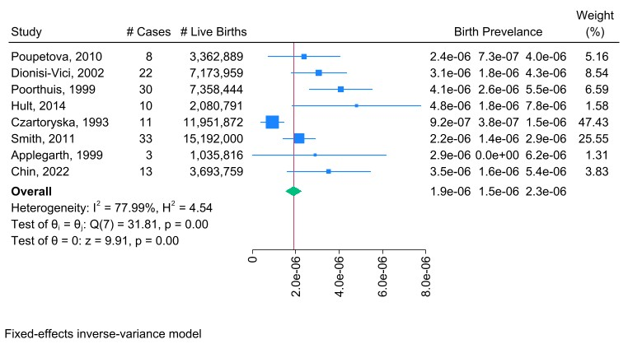

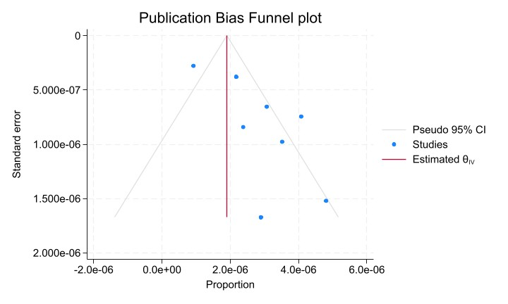
 | Poisson Distribution (NBDP, 2004)
 |  | 95% Confidence Limits
 | Number of Cases | Lower | Upper
 | 0 | 0 | 3.6889
 | 1 | 0.0253 | 5.5716
 | 2 | 0.2422 | 7.2247
 | 3 | 0.6187 | 8.7673
 | 4 | 1.0899 | 10.2416
 | 5 | 1.6235 | 11.6683
 | 6 | 2.2019 | 13.0595
 | 7 | 2.8144 | 14.4227
 | 8 | 3.4538 | 15.7632
 | 9 | 4.1154 | 17.0848
 | 10 | 4.7954 | 18.3904
 | 11 | 5.4912 | 19.682
 | 12 | 6.2006 | 20.9616
 | 13 | 6.922 | 22.2304
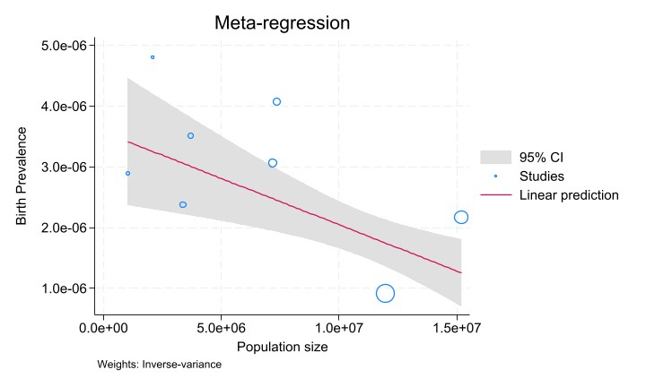
 | 14 | 7.6539 | 23.4896
 | 15 | 8.3954 | 24.7402
 | 16 | 9.1454 | 25.983
 | 17 | 9.9031 | 27.2186
 | 18 | 10.6679 | 28.4478
 | 19 | 11.4392 | 29.6709
 | 20 | 12.2165 | 30.8884
 | 21 | 12.9993 | 32.1007
 | 22 | 13.7873 | 33.3083
 | 23 | 14.58 | 34.5113
 | 24 | 15.3773 | 35.7101
 | 25 | 16.1787 | 36.9049
 | 26 | 16.9841 | 38.096
 | 27 | 17.7932 | 39.2836
 | 28 | 18.6058 | 40.4678
 | 29 | 19.4218 | 41.6488

Working
 | Weighted average, birth prevalence
Instructions
-Copy-paste sheet
-All data in yellow cells in template is dummy data
-Enter study data in yellow cells only
-Results are in green cells
NOTE: Set-up for 10 studies. If analyzing <10 studies, delete all data in the columns for which you will not enter study info (i.e., delete all data in cells L6 to M40 if you are only entering 8 studies). Formulas will automatically update.
NOTE: CIs are calculated using Poisson distribution if < 30 cases. For studies with >30 cases, a normal distribution is used to calculate CIs.
 |  | Country | Country | Country | Country | Country | Country | Country | Country | Country | Country
 | Author, year | Author, year | Author, year | Author, year | Author, year | Author, year | Author, year | Author, year | Author, year | Author, year | Author, year
 | Cases | 2 | 2 | 4 | 4 | 4 | 9
 | Population | 16,579 | 23,799,602 | 23,840,689 | 23,876,654 | 23,908,336 | 465,800
 | Birth prevalence (proportion) | 0.0001206 | 0.0000001 | 0.0000002 | 0.0000002 | 0.0000002 | 0.0000193
 | Birth prevalence/100k | 12.063 | 0.008 | 0.017 | 0.017 | 0.017 | 1.932
 | Standard deviation per 100k | 16.72 | 0.01 | 0.02 | 0.02 | 0.02 | 1.26
Normal Distribution | Lower CI per 100k | 0.00 | 0.00 | 0.00 | 0.00 | 0.00 | 0.67
 | Upper CI per 100k | 28.78 | 0.02 | 0.03 | 0.03 | 0.03 | 3.19
Poisson Distribution | Lower CI per 100k | 1.46 | 0.00 | 0.00 | 0.00 | 0.00 | 0.88
 | Upper CI per 100k | 43.58 | 0.03 | 0.04 | 0.04 | 0.04 | 3.67
 | Standard error per 100k | 8.53 | 0.01 | 0.01 | 0.01 | 0.01 | 0.64
 | Weight | 0.0% | 24.8% | 24.9% | 24.9% | 24.9% | 0.5% |  |  |  |  | 100.00%
 | Weighted result per study | 0.00 | 0.00 | 0.00 | 0.00 | 0.00 | 0.01
 | Weighted average | 0.026
 | Weighted lower CI per study | 0.003 | 0.000 | 0.001 | 0.001 | 0.001 | 0.004
 | Weighted upper CI per study | 0.008 | 0.008 | 0.011 | 0.011 | 0.011 | 0.018
 | Weighted average lower CI | 0.011
 | Weighted average upper CI | 0.065

 | User entry
 | ISMS calculation

 | Fixed effect meta-analysis (Inverse variance approach) birth prevalence
 | Per study | 0.01 | 28321.05 | 14209.46 | 14252.37 | 14290.22 |  |  |  |  |  | 71073.11
 | Weight | 0.00% | 39.85% | 19.99% | 20.05% | 20.11% |  |  |  |  |  | 100.00%
 | Weighted result per study | 0.000 | 0.003 | 0.003 | 0.003 | 0.003 |  |  |  |  |  | 0.01
 | Inverse variance weighted average | 0.013
 | Standard error per 100k | 0.004
 | Standard deviation per 100k | 0.007
 | Inverse variance weighted average lower CI | 0.006
 | Inverse variance weighted average upper CI | 0.021
 | weight * birth prev^2 | 2.000 | 2.000 | 4.000 | 4.000 | 4.000 |  |  |  |  |  | 16.00
 | weight * birth prev | 0.166 | 237.996 | 238.407 | 238.767 | 239.083 |  |  |  |  |  | 954.42
 | Q | 3.18
 | df (degrees of freedom) | 5.000
 | I2 | 0.00%

 | Poisson Distribution (NBDP, 2004)
 |  | 95% Confidence Limits
 | Number of Cases | Lower | Upper
 | 0 | 0 | 3.6889
 | 1 | 0.0253 | 5.5716
 | 2 | 0.2422 | 7.2247
 | 3 | 0.6187 | 8.7673
 | 4 | 1.0899 | 10.2416
 | 5 | 1.6235 | 11.6683
 | 6 | 2.2019 | 13.0595
 | 7 | 2.8144 | 14.4227
 | 8 | 3.4538 | 15.7632
 | 9 | 4.1154 | 17.0848
 | 10 | 4.7954 | 18.3904
 | 11 | 5.4912 | 19.682
 | 12 | 6.2006 | 20.9616
 | 13 | 6.922 | 22.2304
 | 14 | 7.6539 | 23.4896
 | 15 | 8.3954 | 24.7402
 | 16 | 9.1454 | 25.983
 | 17 | 9.9031 | 27.2186
 | 18 | 10.6679 | 28.4478
 | 19 | 11.4392 | 29.6709
 | 20 | 12.2165 | 30.8884
 | 21 | 12.9993 | 32.1007
 | 22 | 13.7873 | 33.3083
 | 23 | 14.58 | 34.5113
 | 24 | 15.3773 | 35.7101
 | 25 | 16.1787 | 36.9049
 | 26 | 16.9841 | 38.096
 | 27 | 17.7932 | 39.2836
 | 28 | 18.6058 | 40.4678
 | 29 | 19.4218 | 41.6488

