Sheet1
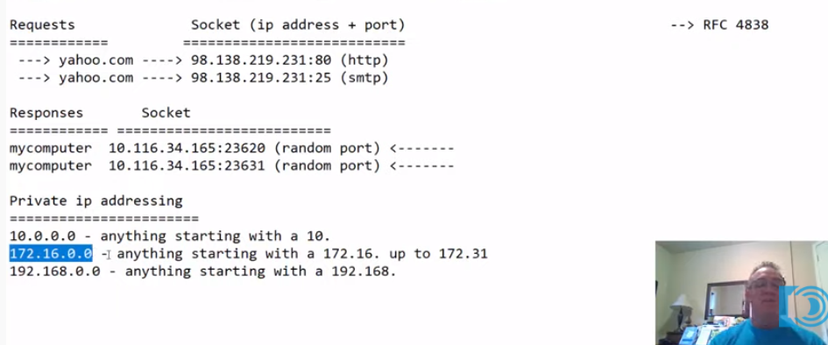
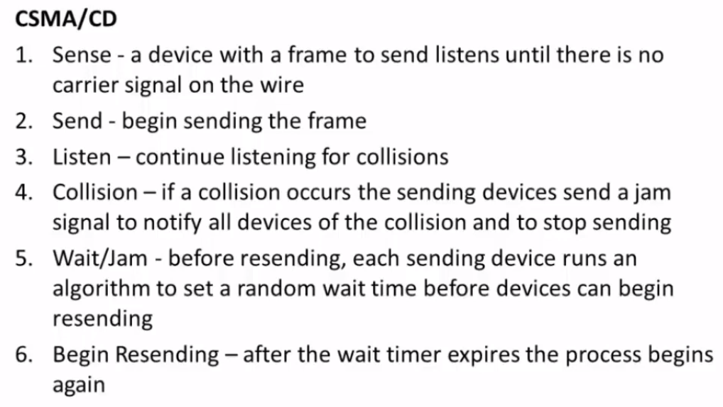
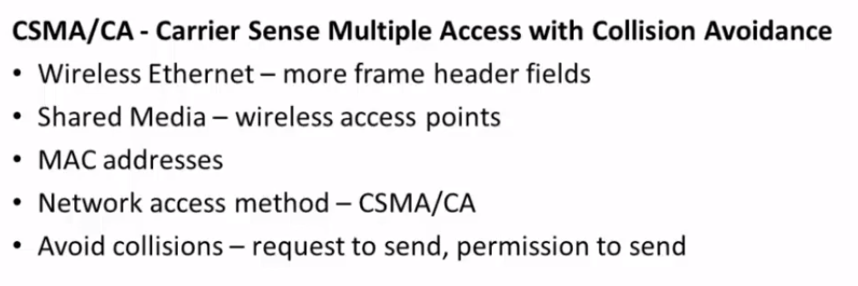
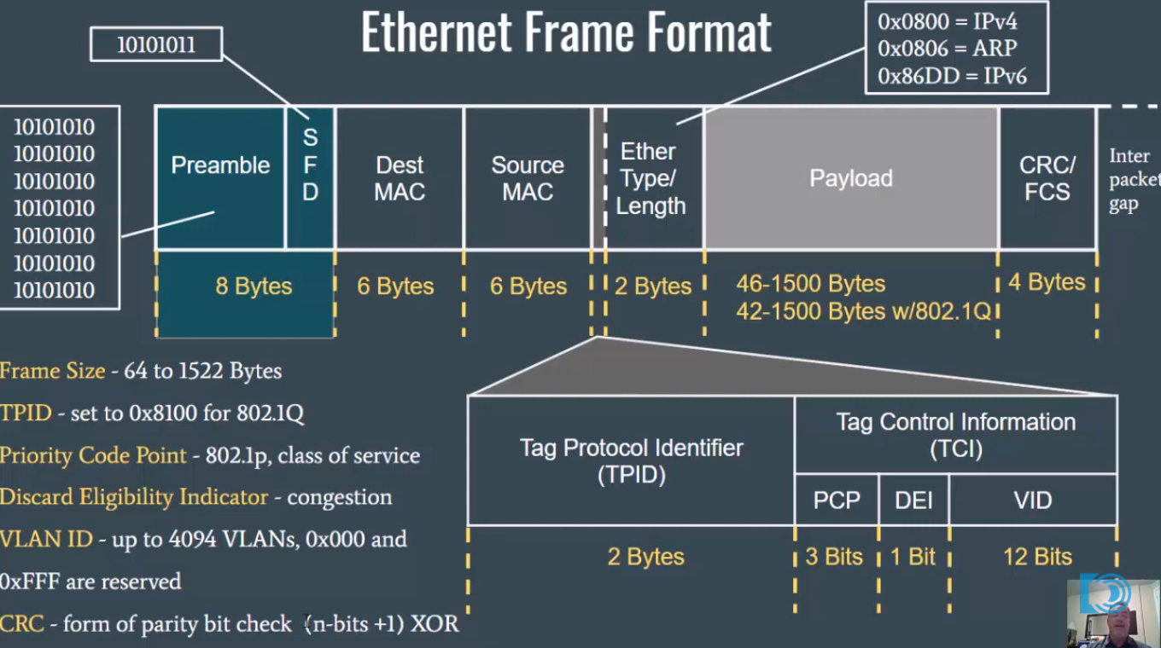
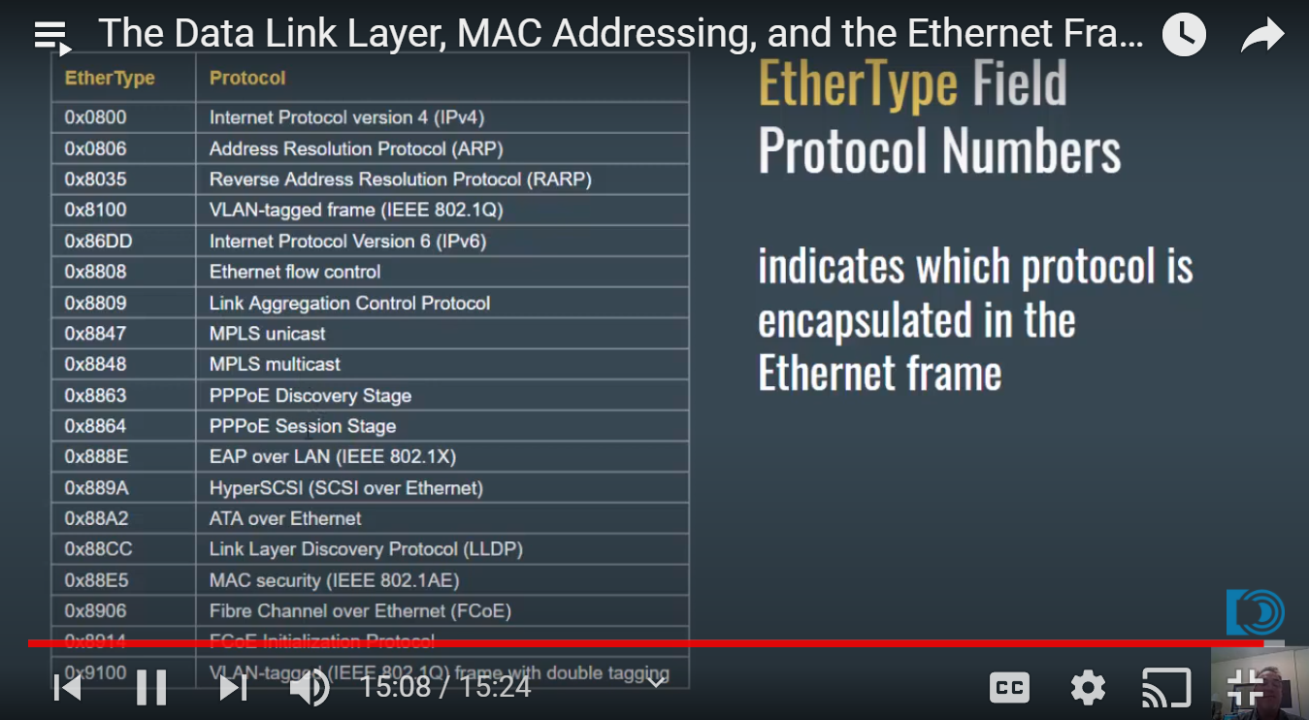
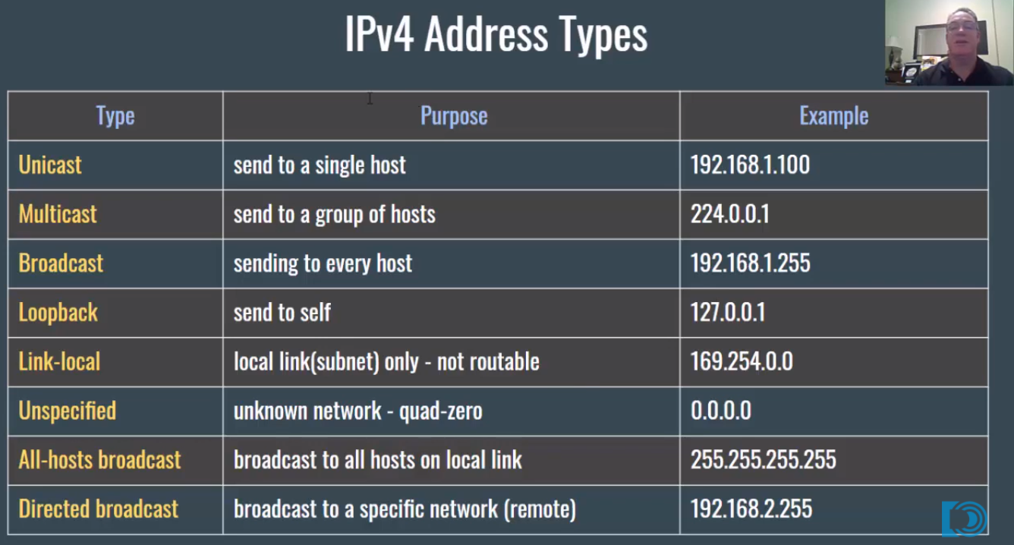
OSI and TCP/IP Models
Layer | OSI | TCP/IP | Protocol Data Unit | Devices | Internet Protocal Suite | Function
7 | Application | Application | Data | Layer 7 Firewall | HTTP, DNS, DHCP, FTP, Telnet,SSH, SMTP, POP, IMAP, NTP, SNMP, TLS/SSL, BGP, RIP, SIP | Applications, protocols and services that interface with the end user
6 | Presentation |  |  |  |  | Data is formatted, converted, encrypted/decrypted, compressed/decompressed and sent or presented to the user(MIME types)
5 | Session |  |  |  |  | Open, close and manage a session between end-user application process (RPC)
4 | Transport | Transport | Segments(TCP) /Datagrams(UDP) | Layer 4 Firewall | TCP, UDP | 1.Facilitates end-to-end communications between multiple applications simultaneously(ports), 2. Reliable and unreliable end-to-end data transport and data stream services(TCP, UDP, SCTP), 3. Connection oriented, connectionless communications, and data stream services(session establishment and termination)
3 | Network | Internet | Packets(IP) /Messages(ICMP) | Router, Multilayer Switch, Wireless Router | IPv4, IPv6, ICMP, ICMPv6, IPSec, OSPF, EIGRP | 1.Provide host addressing(IP), 2.Choose the best path to the destination network(Routing), 3.Switch packets out of the correct interface(Forwarding), 4.Maintain quality of services(QoS), 4. Connectionless end-to-end networking
2 | Data Link | Network Access (Link) | Ethernet Frames | Switch, Bridge, NIC, WAP | MAC, ARP, Ethernet 802.3, CDP, LLDP, HDLC, PPP, DSL, L2TP, 802.11, SONET/SDH | 1. 2 sublayers: -Logical Link Control(LLC, 802.2) provides services to the upper layers, -Media Access Control(MAC) defines how devices access the medium CSMA/CD, CSMA/CA(Wifi), Token Passing, Host addressing(MAC addressing), 2. Layer2 Framing, 3. Error Checking(CRC)
1 | Physical |  | Bits | Hub, NIC, Wireless AP

Please Do Not Throw Sausage Pizza Away

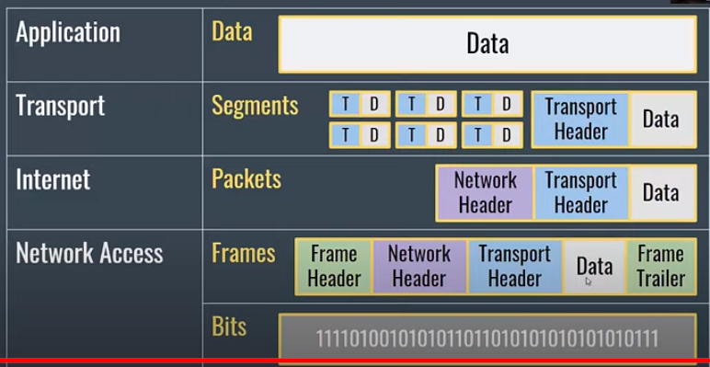

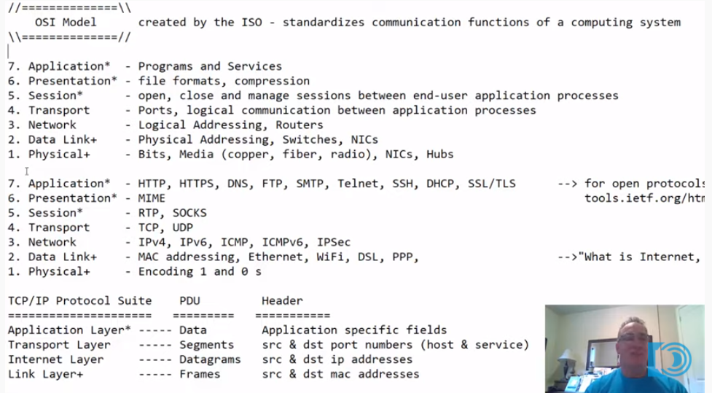

 |  |  |  |  |  | https://tools.ietf.org/html/

