Simbolos
Simbolo | SLD LV | MLD LV | SLD MV | MLD MV
ACB | 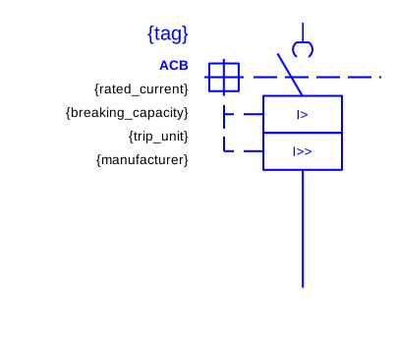 291_E_LV_SLD_IEC60617_acb.svg
ACB 1P |  | 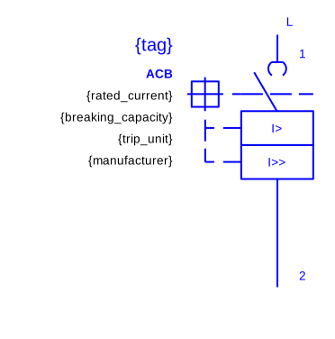 291_E_LV_MLD_IEC60617_acb_1p.svg
ACB 2P |  | 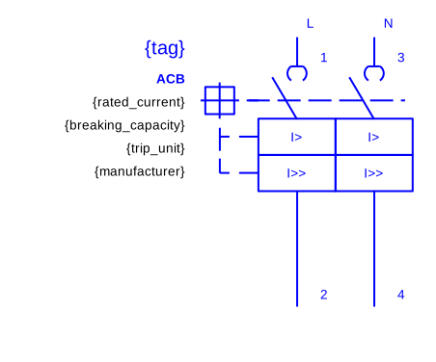 291_E_LV_MLD_IEC60617_acb_2p.svg
ACB 3P |  | 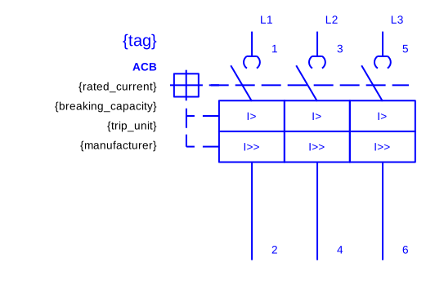 291_E_LV_MLD_IEC60617_acb_3p.svg
ACB 4P |  | 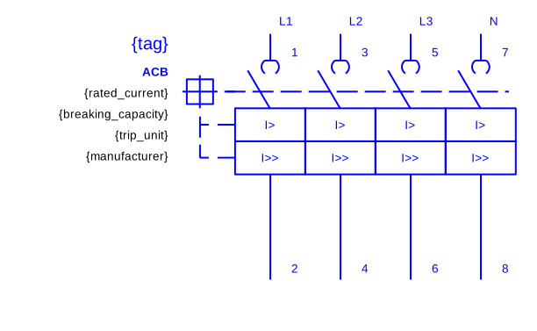 291_E_LV_MLD_IEC60617_acb_4p.svg
ACB DRAWOUT | 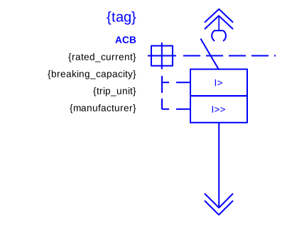 291_E_LV_SLD_IEC60617_acb_drawout.svg
ACB DRAWOUT 1P |  | 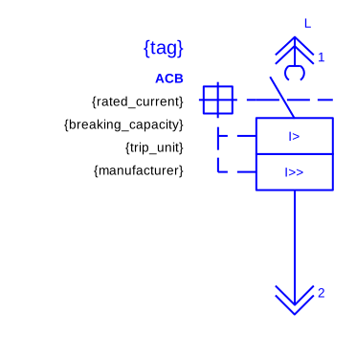 291_E_LV_MLD_IEC60617_acb_drawout_1p.svg
ACB DRAWOUT 2P |  | 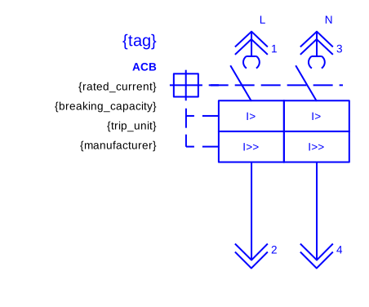 291_E_LV_MLD_IEC60617_acb_drawout_2p.svg
ACB DRAWOUT 3P |  | 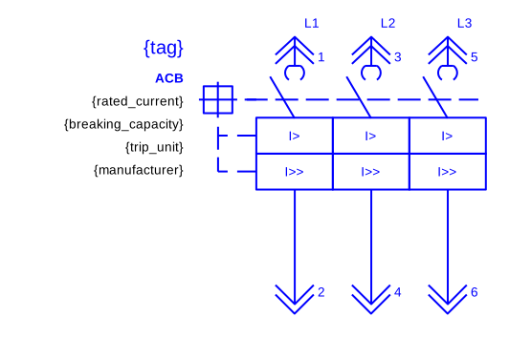 291_E_LV_MLD_IEC60617_acb_drawout_3p.svg
ACB DRAWOUT 4P |  | 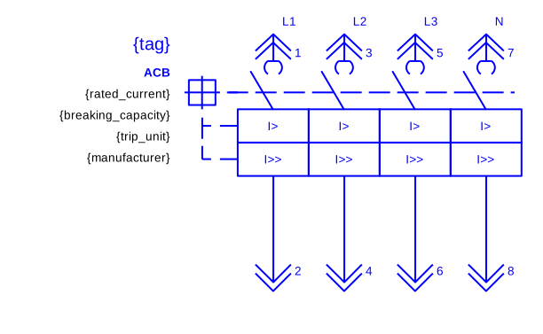 291_E_LV_MLD_IEC60617_acb_drawout_4p.svg
ACB LSIG | 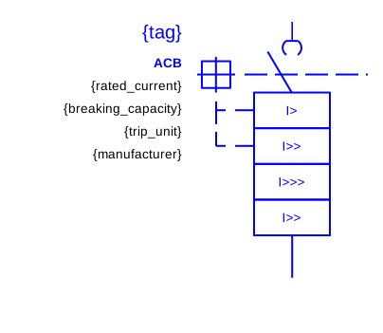 291_E_LV_SLD_IEC60617_acb_lsig.svg
ACB LSIG 1P |  | 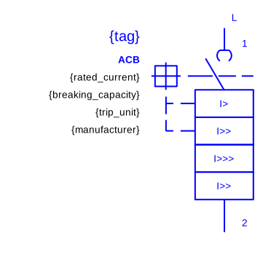 291_E_LV_MLD_IEC60617_acb_lsig_1p.svg
ACB LSIG 2P |  | 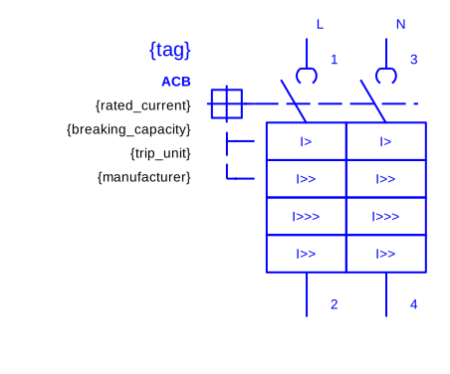 291_E_LV_MLD_IEC60617_acb_lsig_2p.svg
ACB LSIG 3P |  | 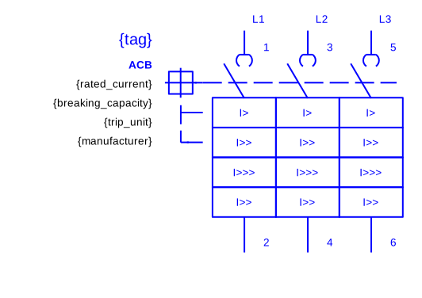 291_E_LV_MLD_IEC60617_acb_lsig_3p.svg
ACB LSIG 4P |  | 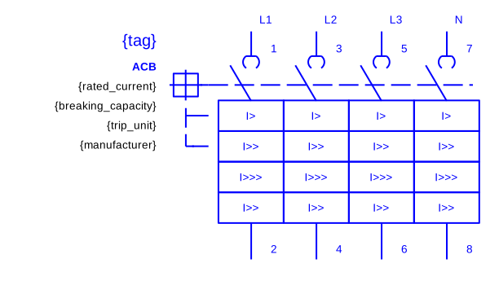 291_E_LV_MLD_IEC60617_acb_lsig_4p.svg
ACB LSIG DRAWOUT | 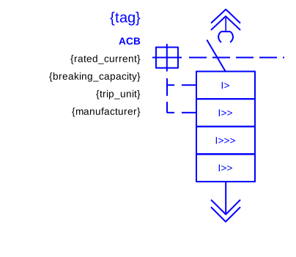 291_E_LV_SLD_IEC60617_acb_lsig_drawout.svg
ACB LSIG DRAWOUT 1P |  | 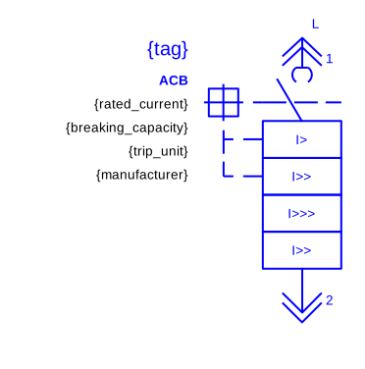 291_E_LV_MLD_IEC60617_acb_lsig_drawout_1p.svg
ACB LSIG DRAWOUT 2P |  | 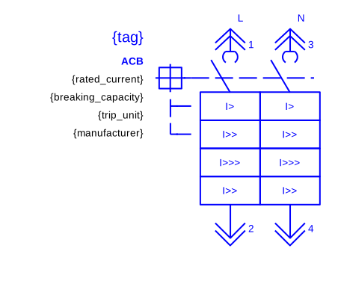 291_E_LV_MLD_IEC60617_acb_lsig_drawout_2p.svg
ACB LSIG DRAWOUT 3P |  | 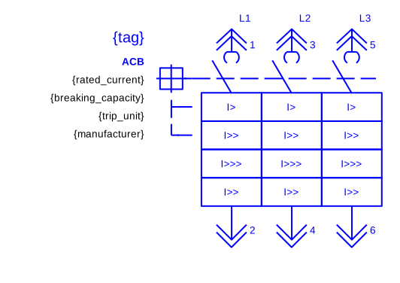 291_E_LV_MLD_IEC60617_acb_lsig_drawout_3p.svg
ACB LSIG DRAWOUT 4P |  | 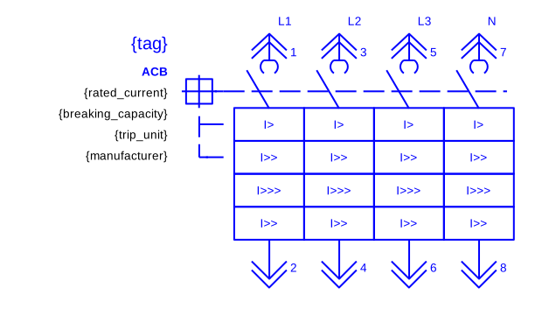 291_E_LV_MLD_IEC60617_acb_lsig_drawout_4p.svg
ACB LSIG MOTORIZED | 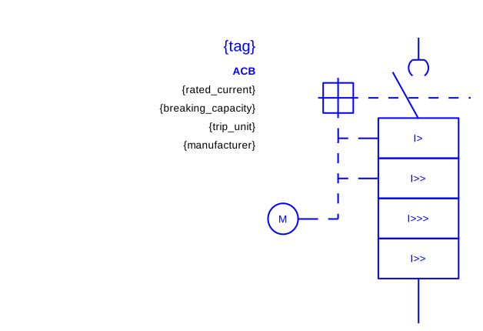 291_E_LV_SLD_IEC60617_acb_lsig_motorized.svg
ACB LSIG MOTORIZED 1P |  | 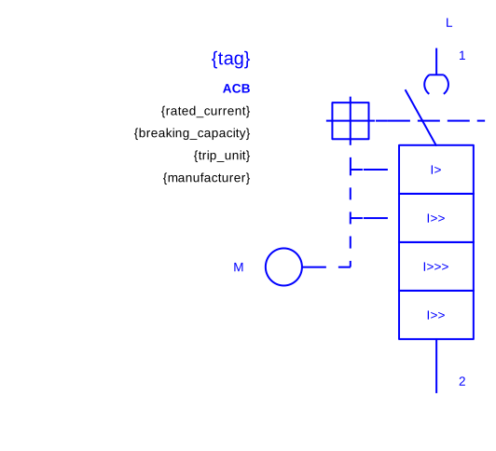 291_E_LV_MLD_IEC60617_acb_lsig_motorized_1p.svg
ACB LSIG MOTORIZED 2P |  | 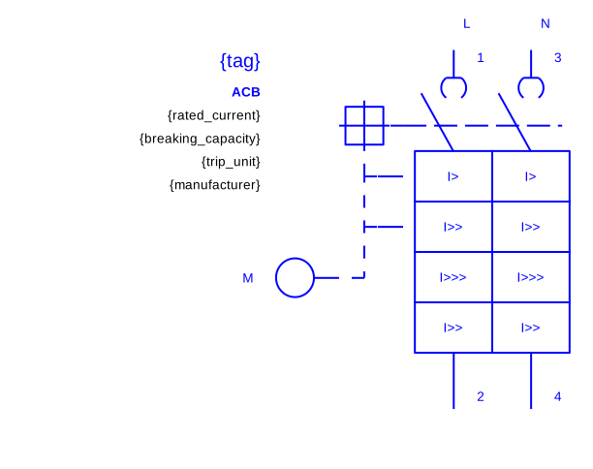 291_E_LV_MLD_IEC60617_acb_lsig_motorized_2p.svg
ACB LSIG MOTORIZED 3P |  | 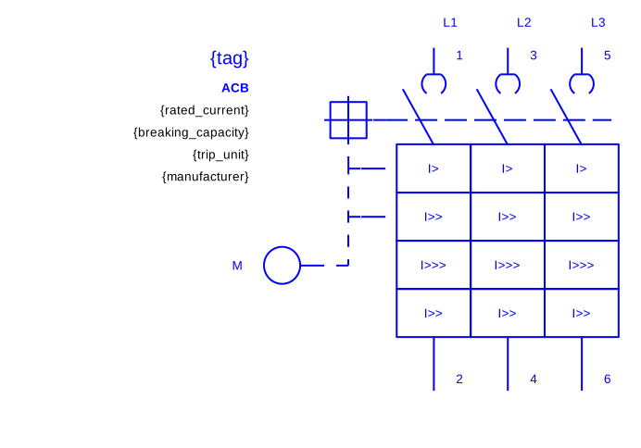 291_E_LV_MLD_IEC60617_acb_lsig_motorized_3p.svg
ACB LSIG MOTORIZED 4P |  | 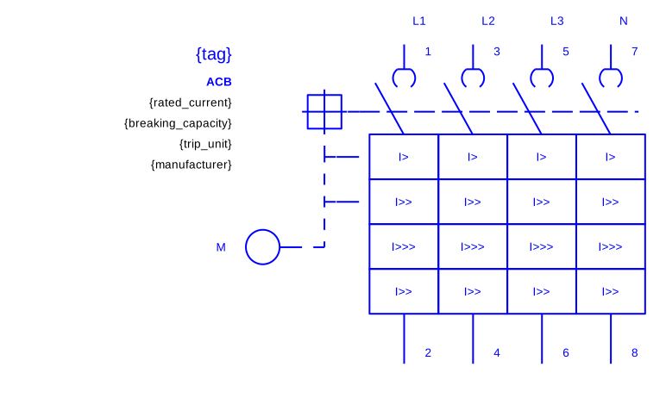 291_E_LV_MLD_IEC60617_acb_lsig_motorized_4p.svg
ACB LSIG MOTORIZED DRAWOUT | 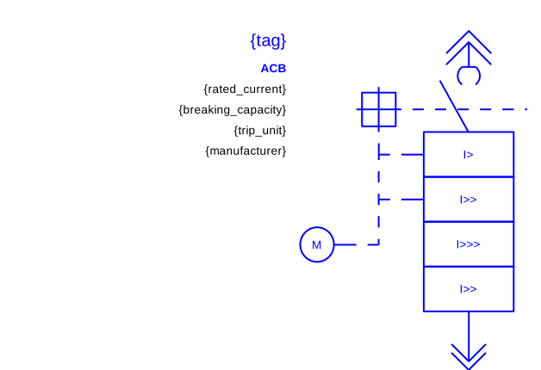 291_E_LV_SLD_IEC60617_acb_lsig_motorized_drawout.svg
ACB LSIG MOTORIZED DRAWOUT 1P |  | 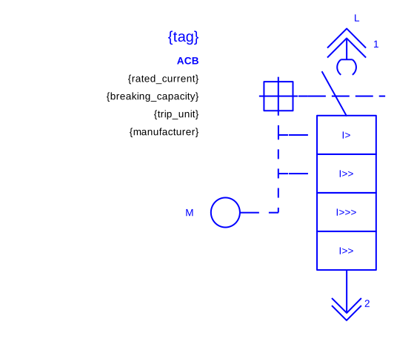 291_E_LV_MLD_IEC60617_acb_lsig_motorized_drawout_1p.svg
ACB LSIG MOTORIZED DRAWOUT 2P |  | 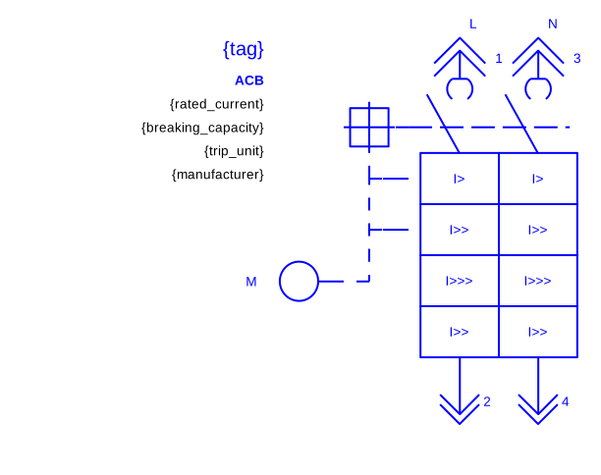 291_E_LV_MLD_IEC60617_acb_lsig_motorized_drawout_2p.svg
ACB LSIG MOTORIZED DRAWOUT 3P |  | 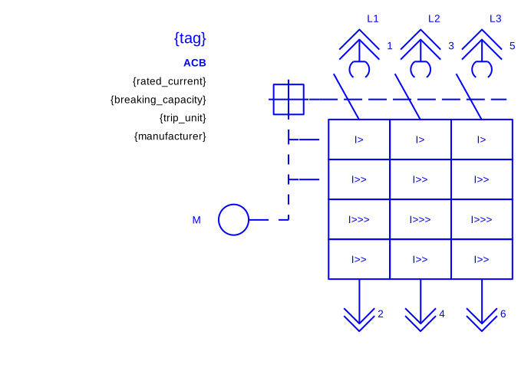 291_E_LV_MLD_IEC60617_acb_lsig_motorized_drawout_3p.svg
ACB LSIG MOTORIZED DRAWOUT 4P |  | 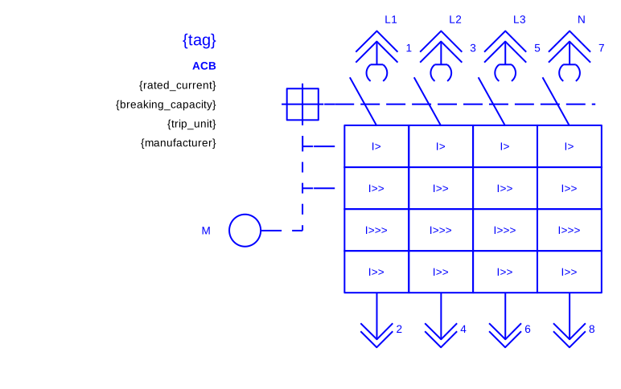 291_E_LV_MLD_IEC60617_acb_lsig_motorized_drawout_4p.svg
ACB MOTORIZED | 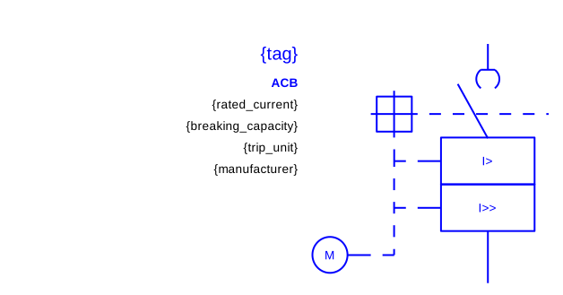 291_E_LV_SLD_IEC60617_acb_motorized.svg
ACB MOTORIZED 1P |  | 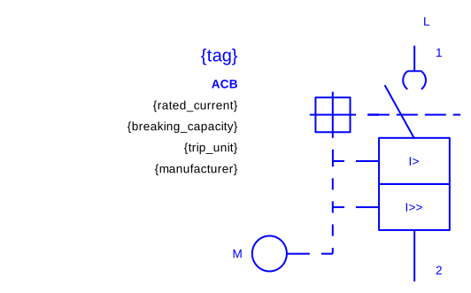 291_E_LV_MLD_IEC60617_acb_motorized_1p.svg
ACB MOTORIZED 2P |  | 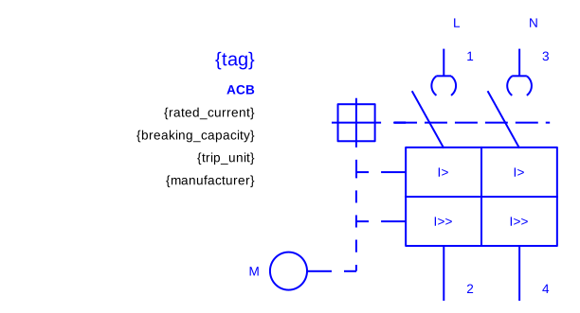 291_E_LV_MLD_IEC60617_acb_motorized_2p.svg
ACB MOTORIZED 3P |  | 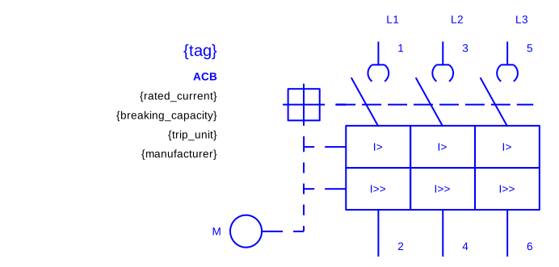 291_E_LV_MLD_IEC60617_acb_motorized_3p.svg
ACB MOTORIZED 4P |  | 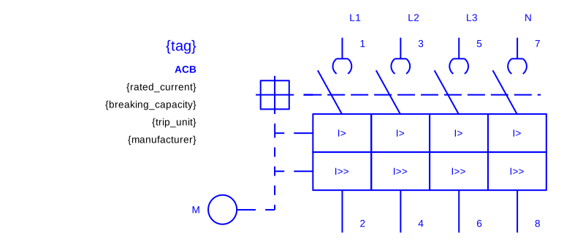 291_E_LV_MLD_IEC60617_acb_motorized_4p.svg
ACB MOTORIZED DRAWOUT | 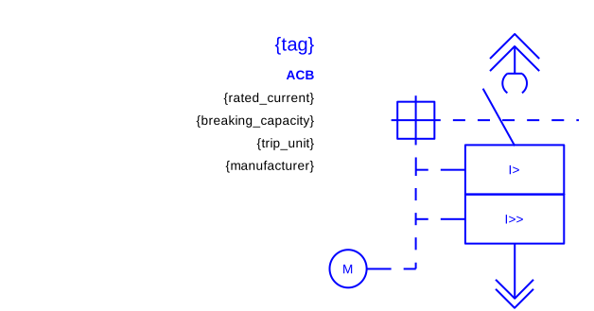 291_E_LV_SLD_IEC60617_acb_motorized_drawout.svg
ACB MOTORIZED DRAWOUT 1P |  | 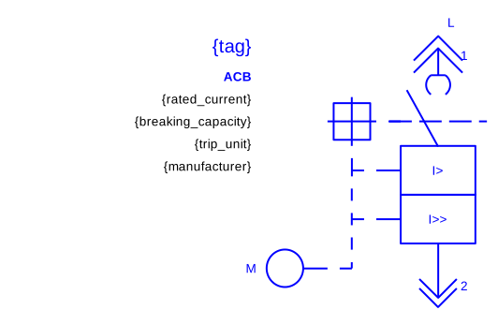 291_E_LV_MLD_IEC60617_acb_motorized_drawout_1p.svg
ACB MOTORIZED DRAWOUT 2P |  | 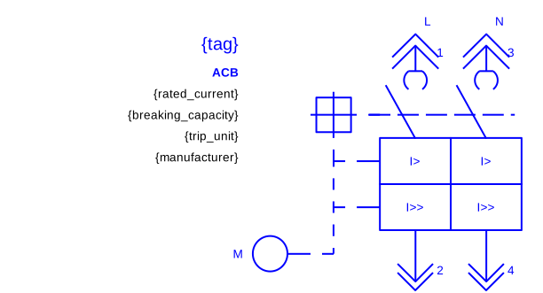 291_E_LV_MLD_IEC60617_acb_motorized_drawout_2p.svg
ACB MOTORIZED DRAWOUT 3P |  | 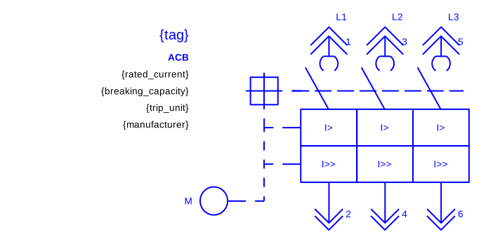 291_E_LV_MLD_IEC60617_acb_motorized_drawout_3p.svg
ACB MOTORIZED DRAWOUT 4P |  | 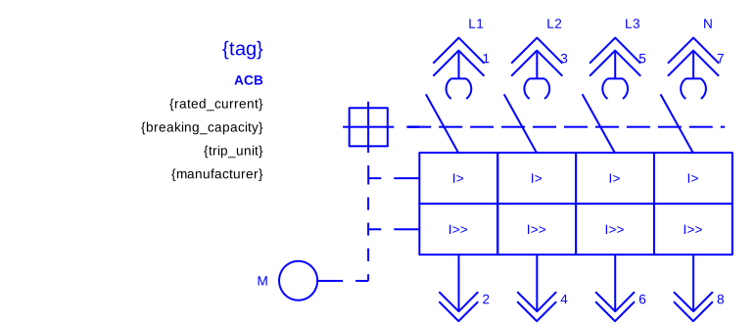 291_E_LV_MLD_IEC60617_acb_motorized_drawout_4p.svg
AMMETER | 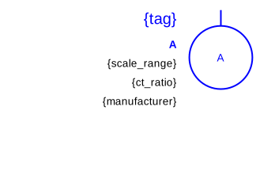 291_E_LV_SLD_IEC60617_ammeter.svg
ATS | 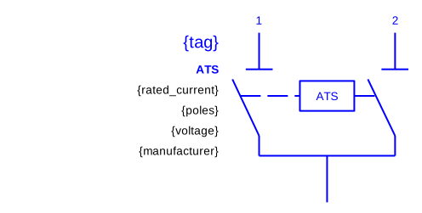 291_E_LV_SLD_IEC60617_ats.svg
ATS 3P |  | 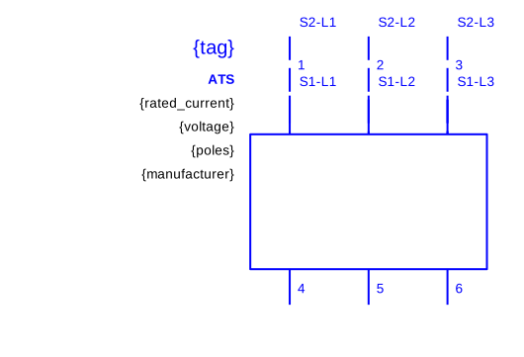 291_E_LV_MLD_IEC60617_ats_3p.svg
ATS 4P |  | 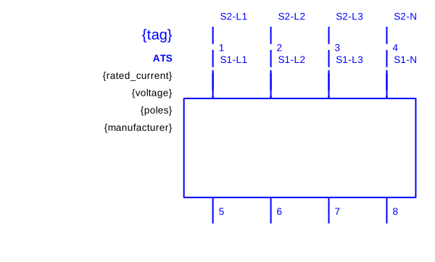 291_E_LV_MLD_IEC60617_ats_4p.svg
AUTOTRANSFORMER | 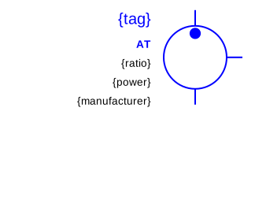 291_E_LV_SLD_IEC60617_autotransformer.svg |  | 291_E_MV_SLD_IEC60617_autotransformer.svg
BATTERY | 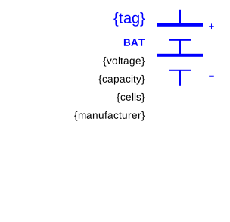 291_E_LV_SLD_IEC60617_battery.svg
BATTERY STORAGE | 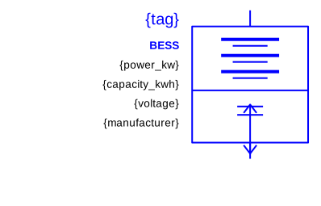 291_E_LV_SLD_IEC60617_battery_storage.svg
BUSBAR COUPLER | 291_E_LV_SLD_IEC60617_busbar_coupler.svg |  | 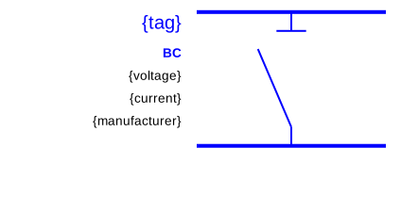 291_E_MV_SLD_IEC60617_busbar_coupler.svg
BUSBAR COUPLER 3P |  | 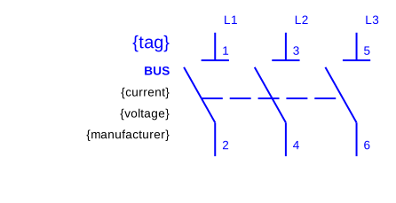 291_E_LV_MLD_IEC60617_busbar_coupler_3p.svg
BUSBAR COUPLER 4P |  | 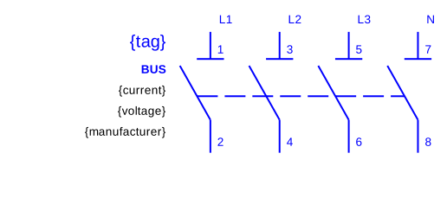 291_E_LV_MLD_IEC60617_busbar_coupler_4p.svg
BUSBAR NODE | 291_E_LV_SLD_IEC60617_busbar_node.svg
BYPASS UPS | 291_E_LV_SLD_IEC60617_bypass_ups.svg
CABLE ARROW IN | 291_E_LV_SLD_IEC60617_cable_arrow_in.svg
CABLE ARROW OUT | 291_E_LV_SLD_IEC60617_cable_arrow_out.svg
CABLE RUN | 291_E_LV_SLD_IEC60617_cable_run.svg
CABLE TERMINATION DOWN |  |  | 291_E_MV_SLD_IEC60617_cable_termination_down.svg
CABLE TERMINATION UP |  |  | 291_E_MV_SLD_IEC60617_cable_termination_up.svg
CAPACITOR | 291_E_LV_SLD_IEC60617_capacitor.svg
CAPACITOR 3P |  |  291_E_LV_MLD_IEC60617_capacitor_3p.svg
CAPACITOR BANK |  291_E_LV_SLD_IEC60617_capacitor_bank.svg |  | 291_E_MV_SLD_IEC60617_capacitor_bank.svg
CELL CM MEDICION TENSION |  |  |  291_E_MV_SLD_IEC60617_cell_cm_medicion_tension.svg
CELL DMVA PROTECCION |  |  |  291_E_MV_SLD_IEC60617_cell_dmva_proteccion.svg
CELL GAM2 REMONTE |  |  |  291_E_MV_SLD_IEC60617_cell_gam2_remonte.svg
CELL GBC MEDIDA |  |  |  291_E_MV_SLD_IEC60617_cell_gbc_medida.svg
CELL IM INTERRUPTOR |  |  |  291_E_MV_SLD_IEC60617_cell_im_interruptor.svg
CELL QM FUSIBLES |  |  |  291_E_MV_SLD_IEC60617_cell_qm_fusibles.svg
CIRCUIT BREAKER |  |  |  291_E_MV_SLD_IEC60617_circuit_breaker.svg
CONTACT NC | 291_E_LV_SLD_IEC60617_contact_nc.svg
CONTACT NO | 291_E_LV_SLD_IEC60617_contact_no.svg
CONTACTOR | 291_E_LV_SLD_IEC60617_contactor.svg
CONTACTOR 1P |  |  291_E_LV_MLD_IEC60617_contactor_1p.svg
CONTACTOR 2P |  |  291_E_LV_MLD_IEC60617_contactor_2p.svg
CONTACTOR 3P |  |  291_E_LV_MLD_IEC60617_contactor_3p.svg
CONTACTOR 4P |  |  291_E_LV_MLD_IEC60617_contactor_4p.svg
CT | 291_E_LV_SLD_IEC60617_ct.svg |  | 291_E_MV_SLD_IEC60617_ct.svg
CT TOROIDAL |  |  |  291_E_MV_SLD_IEC60617_ct_toroidal.svg
DC DISCONNECT | 291_E_LV_SLD_IEC60617_dc_disconnect.svg
DIFFERENTIAL RELAY |  |  |  291_E_MV_SLD_IEC60617_differential_relay.svg
DIMMER |  291_E_LV_SLD_IEC60617_dimmer.svg
DISCONNECTOR |  |  | 291_E_MV_SLD_IEC60617_disconnector.svg
DISTANCE RELAY |  |  |  291_E_MV_SLD_IEC60617_distance_relay.svg
EARTH BAR | 291_E_LV_SLD_IEC60617_earth_bar.svg
EARTH PE |  291_E_LV_SLD_IEC60617_earth_pe.svg
EARTHING SWITCH |  |  |  291_E_MV_SLD_IEC60617_earthing_switch.svg
EMERGENCY STOP |  291_E_LV_SLD_IEC60617_emergency_stop.svg
ENERGY METER |  |  |  291_E_MV_SLD_IEC60617_energy_meter.svg
ENERGY METER KWH | 291_E_LV_SLD_IEC60617_energy_meter_kwh.svg
EV CHARGER |  291_E_LV_SLD_IEC60617_ev_charger.svg
FREQUENCY METER |  291_E_LV_SLD_IEC60617_frequency_meter.svg
FUSE | 291_E_LV_SLD_IEC60617_fuse.svg |  | 291_E_MV_SLD_IEC60617_fuse.svg
FUSE 1P |  |  291_E_LV_MLD_IEC60617_fuse_1p.svg
FUSE 2P |  |  291_E_LV_MLD_IEC60617_fuse_2p.svg
FUSE 3P |  |  291_E_LV_MLD_IEC60617_fuse_3p.svg
FUSE 4P |  |  291_E_LV_MLD_IEC60617_fuse_4p.svg
FUSE DISCONNECTOR NH00 |  291_E_LV_SLD_IEC60617_fuse_disconnector_nh00.svg
FUSE DISCONNECTOR NH00 1P |  |  291_E_LV_MLD_IEC60617_fuse_disconnector_nh00_1p.svg
FUSE DISCONNECTOR NH00 2P |  |  291_E_LV_MLD_IEC60617_fuse_disconnector_nh00_2p.svg
FUSE DISCONNECTOR NH00 3P |  |  291_E_LV_MLD_IEC60617_fuse_disconnector_nh00_3p.svg
FUSE DISCONNECTOR NH00 4P |  | 291_E_LV_MLD_IEC60617_fuse_disconnector_nh00_4p.svg
FUSE SPD FU |  291_E_LV_SLD_IEC60617_fuse_spd_fu.svg
FUSE SPD FU 1P |  |  291_E_LV_MLD_IEC60617_fuse_spd_fu_1p.svg
FUSE SPD FU 2P |  |  291_E_LV_MLD_IEC60617_fuse_spd_fu_2p.svg
FUSE SPD FU 3P |  |  291_E_LV_MLD_IEC60617_fuse_spd_fu_3p.svg
FUSE SPD FU 4P |  |  291_E_LV_MLD_IEC60617_fuse_spd_fu_4p.svg
FUSE SWITCH FS |  291_E_LV_SLD_IEC60617_fuse_switch_fs.svg
FUSE SWITCH FS 1P |  |  291_E_LV_MLD_IEC60617_fuse_switch_fs_1p.svg
FUSE SWITCH FS 2P |  |  291_E_LV_MLD_IEC60617_fuse_switch_fs_2p.svg
FUSE SWITCH FS 3P |  |  291_E_LV_MLD_IEC60617_fuse_switch_fs_3p.svg
FUSE SWITCH FS 4P |  |  291_E_LV_MLD_IEC60617_fuse_switch_fs_4p.svg
GENERATOR | 291_E_LV_SLD_IEC60617_generator.svg |  | 291_E_MV_SLD_IEC60617_generator.svg
GENERATOR 3P |  |  291_E_LV_MLD_IEC60617_generator_3p.svg
GENERIC LOAD |  291_E_LV_SLD_IEC60617_generic_load.svg
GROUNDING TRANSFORMER |  |  |  291_E_MV_SLD_IEC60617_grounding_transformer.svg
HEATING LOAD |  291_E_LV_SLD_IEC60617_heating_load.svg
INVERTER |  291_E_LV_SLD_IEC60617_inverter.svg
ISOLATING TRANSFORMER |  291_E_LV_SLD_IEC60617_isolating_transformer.svg
LIGHTING LOAD |  291_E_LV_SLD_IEC60617_lighting_load.svg
LOAD BOX KW | 291_E_LV_SLD_IEC60617_load_box_kw.svg
LOAD BREAK SWITCH |  |  |  291_E_MV_SLD_IEC60617_load_break_switch.svg
MANUAL TRANSFER SWITCH |  291_E_LV_SLD_IEC60617_manual_transfer_switch.svg
MCB |  291_E_LV_SLD_IEC60617_mcb.svg
MCB 1P |  |  291_E_LV_MLD_IEC60617_mcb_1p.svg
MCB 2P |  |  291_E_LV_MLD_IEC60617_mcb_2p.svg
MCB 3P |  |  291_E_LV_MLD_IEC60617_mcb_3p.svg
MCB 4P |  |  291_E_LV_MLD_IEC60617_mcb_4p.svg
MCCB DRAWOUT |  291_E_LV_SLD_IEC60617_mccb_drawout.svg
MCCB DRAWOUT 1P |  |  291_E_LV_MLD_IEC60617_mccb_drawout_1p.svg
MCCB DRAWOUT 2P |  |  291_E_LV_MLD_IEC60617_mccb_drawout_2p.svg
MCCB DRAWOUT 3P |  |  291_E_LV_MLD_IEC60617_mccb_drawout_3p.svg
MCCB DRAWOUT 4P |  |  291_E_LV_MLD_IEC60617_mccb_drawout_4p.svg
MCCB LSIG DRAWOUT |  291_E_LV_SLD_IEC60617_mccb_lsig_drawout.svg
MCCB MOTORIZED DRAWOUT |  291_E_LV_SLD_IEC60617_mccb_motorized_drawout.svg
MCCB MOTORIZED DRAWOUT 1P |  |  291_E_LV_MLD_IEC60617_mccb_motorized_drawout_1p.svg
MCCB MOTORIZED DRAWOUT 2P |  |  291_E_LV_MLD_IEC60617_mccb_motorized_drawout_2p.svg
MCCB MOTORIZED DRAWOUT 3P |  |  291_E_LV_MLD_IEC60617_mccb_motorized_drawout_3p.svg
MCCB MOTORIZED DRAWOUT 4P |  |  291_E_LV_MLD_IEC60617_mccb_motorized_drawout_4p.svg
MOTOR 1PH |  291_E_LV_SLD_IEC60617_motor_1ph.svg
MOTOR 3PH |  291_E_LV_SLD_IEC60617_motor_3ph.svg |  | 291_E_MV_SLD_IEC60617_motor_3ph.svg
MOTOR 3PH 3P |  |  291_E_LV_MLD_IEC60617_motor_3ph_3p.svg
MOTOR STARTER DOL |  291_E_LV_SLD_IEC60617_motor_starter_dol.svg
NETWORK ANALYZER AR | 291_E_LV_SLD_IEC60617_network_analyzer_ar.svg
NEUTRAL EARTHING RESISTOR |  |  |  291_E_MV_SLD_IEC60617_neutral_earthing_resistor.svg
NEUTRAL LINK | 291_E_LV_SLD_IEC60617_neutral_link.svg
NEUTRAL LINK 1P |  |  291_E_LV_MLD_IEC60617_neutral_link_1p.svg
PETERSEN COIL |  |  |  291_E_MV_SLD_IEC60617_petersen_coil.svg
PF METER |  291_E_LV_SLD_IEC60617_pf_meter.svg
PILOT LAMP |  291_E_LV_SLD_IEC60617_pilot_lamp.svg
PROTECTION RELAY | 291_E_LV_SLD_IEC60617_protection_relay.svg |  | 291_E_MV_SLD_IEC60617_protection_relay.svg
PUSHBUTTON NC | 291_E_LV_SLD_IEC60617_pushbutton_nc.svg
PUSHBUTTON NO | 291_E_LV_SLD_IEC60617_pushbutton_no.svg
PV MODULE |  291_E_LV_SLD_IEC60617_pv_module.svg
RCBO |  291_E_LV_SLD_IEC60617_rcbo.svg
RCBO 1P |  |  291_E_LV_MLD_IEC60617_rcbo_1p.svg
RCBO 2P |  |  291_E_LV_MLD_IEC60617_rcbo_2p.svg
RCBO 4P |  |  291_E_LV_MLD_IEC60617_rcbo_4p.svg
RCCB |  291_E_LV_SLD_IEC60617_rccb.svg
RCCB 1P |  |  291_E_LV_MLD_IEC60617_rccb_1p.svg
RCCB 2P |  |  291_E_LV_MLD_IEC60617_rccb_2p.svg
RCCB 4P |  |  291_E_LV_MLD_IEC60617_rccb_4p.svg
RCD RELAY TOROID |  291_E_LV_SLD_IEC60617_rcd_relay_toroid.svg
REACTOR |  291_E_LV_SLD_IEC60617_reactor.svg |  |  291_E_MV_SLD_IEC60617_reactor.svg
RECLOSER |  |  |  291_E_MV_SLD_IEC60617_recloser.svg
RECTIFIER |  291_E_LV_SLD_IEC60617_rectifier.svg
RING MAIN UNIT |  |  |  291_E_MV_SLD_IEC60617_ring_main_unit.svg
SELECTOR SWITCH |  291_E_LV_SLD_IEC60617_selector_switch.svg
SOCKET OUTLET | 291_E_LV_SLD_IEC60617_socket_outlet.svg
SOFT STARTER |  291_E_LV_SLD_IEC60617_soft_starter.svg
SOFT STARTER 3P |  |  291_E_LV_MLD_IEC60617_soft_starter_3p.svg
SPD VARISTOR |  291_E_LV_SLD_IEC60617_spd_varistor.svg
SPD VARISTOR 1P |  |  291_E_LV_MLD_IEC60617_spd_varistor_1p.svg
SPD VARISTOR 2P |  |  291_E_LV_MLD_IEC60617_spd_varistor_2p.svg
SPD VARISTOR 3P |  |  291_E_LV_MLD_IEC60617_spd_varistor_3p.svg
SPD VARISTOR 4P |  |  291_E_LV_MLD_IEC60617_spd_varistor_4p.svg
SURGE ARRESTER |  |  |  291_E_MV_SLD_IEC60617_surge_arrester.svg
SWITCH 3WAY | 291_E_LV_SLD_IEC60617_switch_3way.svg
SWITCH DISCONNECTOR | 291_E_LV_SLD_IEC60617_switch_disconnector.svg
SWITCH DISCONNECTOR 1P |  |  291_E_LV_MLD_IEC60617_switch_disconnector_1p.svg
SWITCH DISCONNECTOR 2P |  |  291_E_LV_MLD_IEC60617_switch_disconnector_2p.svg
SWITCH DISCONNECTOR 3P |  |  291_E_LV_MLD_IEC60617_switch_disconnector_3p.svg
SWITCH DISCONNECTOR 4P |  |  291_E_LV_MLD_IEC60617_switch_disconnector_4p.svg
SWITCH FUSE COMBINATION |  |  |  291_E_MV_SLD_IEC60617_switch_fuse_combination.svg
THERMAL OVERLOAD | 291_E_LV_SLD_IEC60617_thermal_overload.svg
THERMAL OVERLOAD 1P |  |  291_E_LV_MLD_IEC60617_thermal_overload_1p.svg
THERMAL OVERLOAD 2P |  |  291_E_LV_MLD_IEC60617_thermal_overload_2p.svg
THERMAL OVERLOAD 3P |  |  291_E_LV_MLD_IEC60617_thermal_overload_3p.svg
THERMAL OVERLOAD 4P |  |  291_E_LV_MLD_IEC60617_thermal_overload_4p.svg
THREE PHASE MARKER | 291_E_LV_SLD_IEC60617_three_phase_marker.svg
TRANSFORMER 2W |  291_E_LV_SLD_IEC60617_transformer_2w.svg |  |  291_E_MV_SLD_IEC60617_transformer_2w.svg
TRANSFORMER 3W |  |  |  291_E_MV_SLD_IEC60617_transformer_3w.svg
UPS |  291_E_LV_SLD_IEC60617_ups.svg
UPS 3P |  |  291_E_LV_MLD_IEC60617_ups_3p.svg
VARIMETER |  291_E_LV_SLD_IEC60617_varimeter.svg
VFD |  291_E_LV_SLD_IEC60617_vfd.svg
VFD 3P |  |  291_E_LV_MLD_IEC60617_vfd_3p.svg
VFD 4P |  |  291_E_LV_MLD_IEC60617_vfd_4p.svg
VOLTAGE REGULATOR |  |  |  291_E_MV_SLD_IEC60617_voltage_regulator.svg
VOLTMETER | 291_E_LV_SLD_IEC60617_voltmeter.svg
VPIS |  |  | 291_E_MV_SLD_IEC60617_vpis.svg
VT | 291_E_LV_SLD_IEC60617_vt.svg |  |  291_E_MV_SLD_IEC60617_vt.svg
WATTMETER |  291_E_LV_SLD_IEC60617_wattmeter.svg

