Formula (sum)
 |  |  |  |  |  | From: | Advanced Filter with Criteria Range in Excel (18 Applications) - ExcelDemy
Applying a Formula

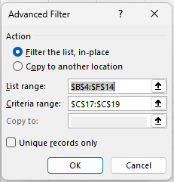
Date | Sales Person | City | Quantity | Sales
2022-01-07 | Chris | Texas | 8 | $320 | $2,560
2022-01-08 | Richard | California | 9 | $360 | $3,240
2022-01-10 | Jack | TEXAS | 12 | $480 | $5,760
2022-01-11 | Evan | Dallas | 15 | $600 | $9,000
2022-01-13 | Tom | Texas | 8 | $320 | $2,560
2022-01-14 | Jack | New York | 12 | $480 | $5,760
2022-01-15 | Jones | NEW YORK | 15 | $600 | $9,000

 | Criteria
 | Product
 | FALSE | =E5*F5>2000

