Formula (sum)
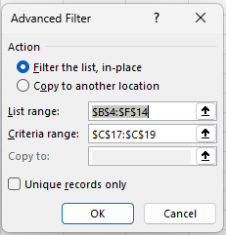
 |  |  |  |  |  | From: | Advanced Filter with Criteria Range in Excel (18 Applications) - ExcelDemy
Applying a Formula

Date | Sales Person | City | Quantity | Sales
2022-01-07 | Chris | Texas | 8 | $320 | $2,560
2022-01-08 | Richard | California | 9 | $360 | $3,240
2022-01-10 | Jack | TEXAS | 12 | $480 | $5,760
2022-01-11 | Evan | Dallas | 15 | $600 | $9,000
2022-01-13 | Tom | Texas | 8 | $320 | $2,560
2022-01-14 | Jack | New York | 12 | $480 | $5,760
2022-01-15 | Jones | NEW YORK | 15 | $600 | $9,000

 | Criteria
 | Product
 | FALSE | =E5*F5>2000

Formula
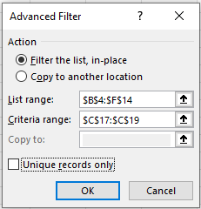
 |  |  |  |  | From: | Advanced Filter with Criteria Range in Excel (18 Applications) - ExcelDemy
Applying a Formula

Date | Sales Person | City | Quantity | Sales
2022-01-08 | Richard | California | 9 | $360
2022-01-10 | Jack | TEXAS | 12 | $480
2022-01-11 | Evan | Dallas | 15 | $600
2022-01-14 | Jack | New York | 12 | $480
2022-01-15 | Jones | NEW YORK | 15 | $600

 | Criteria
 | Sales
 | FALSE | =F5>350

Exact String
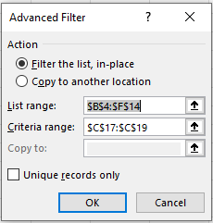
 |  |  |  |  | From: | Advanced Filter with Criteria Range in Excel (18 Applications) - ExcelDemy
Applying a Formula

Date | Sales Person | City | Quantity | Sales
2022-01-06 | Tom | NEW YORK | 5 | $200
2022-01-15 | Jones | NEW YORK | 15 | $600

 | Criteria
 | Sales
 | TRUE | =EXACT(D5, "NEW YORK")

Number
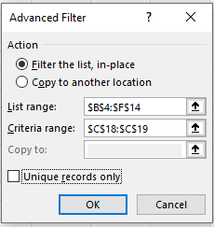
 |  |  |  |  | From: | Advanced Filter with Criteria Range in Excel (18 Applications) - ExcelDemy
Applying a Formula

Date | Sales Person | City | Quantity | Sales
2022-01-10 | Jack | TEXAS | 12 | $480
2022-01-11 | Evan | Dallas | 15 | $600
2022-01-14 | Jack | New York | 12 | $480
2022-01-15 | Jones | NEW YORK | 15 | $600

 | Criteria
 | Quantity
 | > 10

Or1
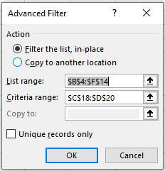
 |  |  |  |  | From: | Advanced Filter with Criteria Range in Excel (18 Applications) - ExcelDemy
Applying a Formula

Date | Sales Person | City | Quantity | Sales
2022-01-06 | Tom | NEW YORK | 5 | $200
2022-01-07 | Chris | Texas | 8 | $320
2022-01-08 | Richard | California | 9 | $360
2022-01-09 | Tom | New York | 5 | $200
2022-01-10 | Jack | TEXAS | 12 | $480
2022-01-11 | Evan | Dallas | 15 | $600
2022-01-12 | Chris | CALIFORNIA | 6 | $240
2022-01-13 | Tom | Texas | 8 | $320
2022-01-14 | Jack | New York | 12 | $480
2022-01-15 | Jones | NEW YORK | 15 | $600

 | Criteria
 | Quantity | Sales
 | >10
 |  | >500

Or2
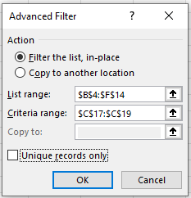
 |  |  |  |  | From: | Advanced Filter with Criteria Range in Excel (18 Applications) - ExcelDemy
Applying a Formula

Date | Sales Person | City | Quantity | Sales
2022-01-07 | Chris | Texas | 8 | $320
2022-01-08 | Richard | California | 9 | $360
2022-01-10 | Jack | TEXAS | 12 | $480
2022-01-11 | Evan | Dallas | 15 | $600
2022-01-13 | Tom | Texas | 8 | $320
2022-01-14 | Jack | New York | 12 | $250
2022-01-15 | Jones | NEW YORK | 15 | $200

 | Criteria
 | Product
 | FALSE | =OR(E5>10,F5>300)

