Gen3-Vamsi
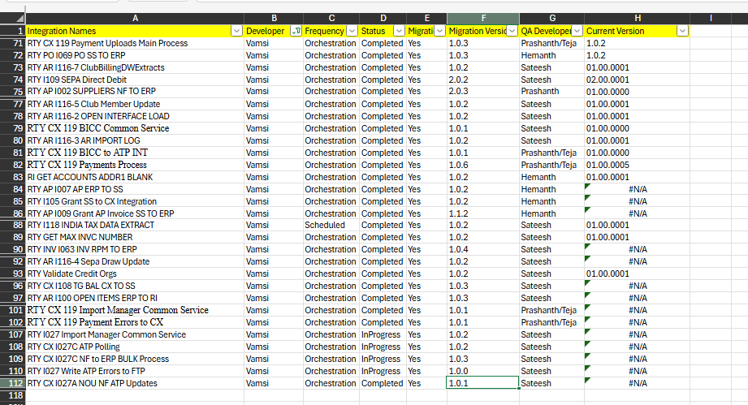
S/No | Integration Names | Developer | Frequency | Status | Schedul Status | Migration Version | Dev Comments | QA Developer | QA | QA Comments | Ready For Production
1 | RTY I106A GL TO GL BC_CRT_BGT_REV | Vamsi | Orchestration | NA | NA PROD | NA | Not Moved to PROD, Latest version is in UAT, Rakesh Developed for I106A then changed requirement | Hemanth |  | Completed
2 | RTY CX Payment Uploads - Import Route | Vamsi | Orchestration | Completed | NA | NA | Rakesh has created, Not required for PROD. |  | Completed | Completed
3 | RTY I109 SEPA Direct Debit | Vamsi | Orchestration | Completed | NA PROD | 2.0.2 |  | Sateesh | Completed
4 | RTY AP I002 SUPPLIERS NF TO ERP | Vamsi | Orchestration | Completed | RUNNING | 2.0.3 |  | Prashanth | Completed | Completed
5 | RTY AR I116-2 OPEN INTERFACE LOAD | Vamsi | Orchestration | Completed | NA PROD | 1.0.2 |  | Sateesh | Completed
6 | RTY AR I116-3 AR IMPORT LOG | Vamsi | Orchestration | Completed | NA PROD | 2.0.2 |  | Sateesh | Completed | Testing is complete
7 | RTY AR I116-4 Sepa Draw Update | Vamsi | Orchestration | Completed | NA PROD | 1.0.2 |  | Sateesh | Completed
8 | RTY AR I116-5 Club Member Update | Vamsi | Orchestration | Completed | NA PROD | 1.0.2 |  | Sateesh | Completed
9 | RTY AR I116-7 ClubBillingDWExtracts | Vamsi | Orchestration | Completed | NA PROD | 1.0.2 |  | Sateesh | Completed
10 | RTY AR I116-8 Fetch CX Load Failures | Vamsi | Orchestration | Completed | NA PROD | 1.0.0 |  | Sateesh | Completed | Completed
11 | RI GET ACCOUNTS ADDR1 BLANK | Vamsi | Orchestration | Completed | NA PROD | 1.0.2 |  | Hemanth | Completed | Completed |  | Hemanth: Tested in Dev2 but no data to vaidate. And in PROD/UAT also not running
12 | RTY I105 Grant SS to CX Integration | Vamsi | Orchestration | Completed | NOT RUNNING | 1.0.2 | Smart Simple Connection looks good now | Hemanth | Completed |  |  | Hemanth - Creation of Grants is success. There is no scenario for Updating Grants.
13 | RTY PO I069 PO SS TO ERP | Vamsi | Orchestration | Completed | NOT RUNNING | 1.0.3 | UpdateLog_SupplierBankAccountFlow - InstanceId, Lookup : Added Dev2 Column | Hemanth | Completed | Completed |  | Hemanth-Please share teste results
14 | RTY AP I009 Grant AP Invoice SS TO ERP | Vamsi | Orchestration | Completed | not running | 1.1.2 |  | Hemanth | Completed | Completed |  | Hemanth - Tested for Invoice creation for one sceanrio and it looks good.
15 | RTY AP I007 AP ERP TO SS | Vamsi | Orchestration | Completed | NOT RUNNING | 1.0.2 |  | Hemanth | Completed | Completed |  | Hemanth-Please share teste results. SS QAT mapped to Dev2. And SS team Shared to Hemanth with response screenshort. Better if we test another case with out passing date.
16 | RTY I118 INDIA TAX DATA EXTRACT | Vamsi | Scheduled | Completed | NA PROD | 1.1.1 |  | Sateesh | Completed | Completed
17 | RTY GET MAX INVC NUMBER | Vamsi | Orchestration | Completed | not running | 1.0.2 |  | Sateesh | Completed
18 | RTY INV I063 INV RPM TO ERP | Vamsi | Orchestration | Completed | not running | 1.0.4 |  | Sateesh | Completed
19 | RTY_CountrySpecific_Rules_INT | Vamsi | Scheduled | Completed | NA PROD | 1.0.0 |  | Sateesh | Completed | Completed
20 | RTY Bank Branch Information Update | Vamsi | Orchestration | Completed | NA PROD | 1.0.1 |  | Sateesh | Completed | Completed
21 | RTY I011 BOA TO CX Integration | Vamsi | Orchestration | Completed | RUNNING | 2.0.2 |  | Sriram | Completed | Completed
22 | RTY Validate Credit Orgs | Vamsi | Orchestration | Completed | NA PROD | 1.0.2 |  | Sateesh | Completed | Completed
23 | RTY CX I108 TG BAL CX TO SS | Vamsi | Orchestration | Completed | not running | 1.0.3 |  | Sateesh | Completed
24 | RTY AR I100 OPEN ITEMS ERP TO RI | Vamsi | Orchestration | Completed | NA PROD | 1.0.3 |  | Sateesh | Completed
25 | RTY CX 119 BICC Common Service | Vamsi | Orchestration | Completed | RUNNING | 1.0.2 | OIC Lookup: RTY_CX_Payments_ATP_LKP Need to update SaaS Url in Mapper for Node:SubmitRequest and GetRequestState | Sateesh | Completed | Completed
26 | RTY CX 119 Payments Process | Vamsi | Orchestration | Completed | RUNNING | 1.0.3 |  | Prashanth/Teja | Completed | Completed
27 | RTY CX 119 Import Manager Common Service | Vamsi | Orchestration | Completed | NOT RUNNING | 1.0.1 |  | Prashanth/Teja | Completed | Completed
28 | RTY CX 119 BICC to ATP INT | Vamsi | Orchestration | Completed | RUNNING | 1.0.2 |  | Prashanth/Teja | Completed | Completed
29 | RTY CX 119 Payment Errors to CX | Vamsi | Orchestration | Completed | NOT RUNNING | 1.0.1 |  | Prashanth/Teja | Completed | Completed
31 | RTY CX 119 Payment Uploads Main Process | Vamsi | Orchestration | Completed | RUNNING | 1.0.3 | OIC Lookup: RTY_CX_Payment_Uploads - Update service instance name to lookup column Added New Column to Table and mapped Gen3 Instance it in entry table. alter table RTY_CX_PMT_FILE_ENTRY_TBL add INSTANCE_ID VARCHAR2(2000) ; | Prashanth/Teja | Completed | Completed
32 | RTY CX I027A NOU NF ATP Updates | Vamsi | Orchestration | Completed | RUNNING | 1.0.1 |  | Sateesh |  | Completed
37 | RTY CX I027A NOI NF to ATP to CX Process | Vamsi | Orchestration | Completed | RUNNING |  |  | Sateesh | InProgress | InProgress
35 | RTY CX I027B Process Updates and Errors | Vamsi | Scheduled | Completed | RUNNING | 1.0.2 |  | Sateesh | InProgress | InProgress
33 | RTY CX I027C NF to ERP BULK Process | Vamsi | Orchestration | InProgress | NOT RUNNING | 1.0.3 | validate_affiliate_relship -- Flowid is using to concatinate batch number along with sequence. | Sateesh | InProgress | InProgress
34 | RTY CX I027C ATP Polling | Vamsi | Orchestration | InProgress | NOT RUNNING | 1.0.2 |  | Sateesh | InProgress | InProgress
36 | RTY I027 Import Manager Common Service | Vamsi | Orchestration | InProgress | NOT RUNNING | 1.0.1 |  | Sateesh | InProgress | InProgress
37 | RTY I027 Write ATP Errors to FTP | Vamsi | Orchestration | InProgress | NOT RUNNING | 1.0.1 |  | Sateesh | InProgress | InProgress

Gen3 UAT -Test
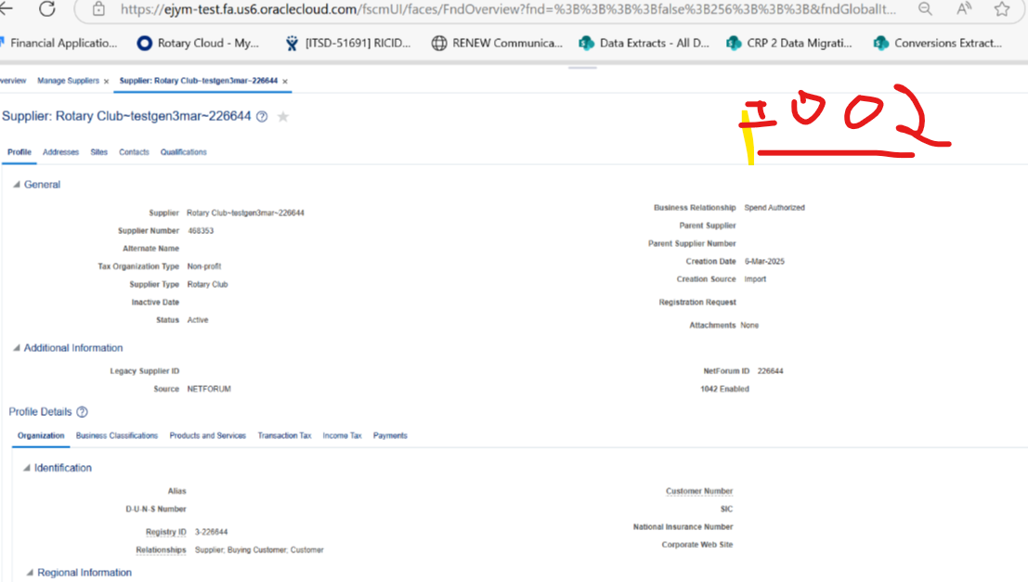
Integration Names | Developer | Frequency | Status | Current Version | Sanity Test Status | Scheduled in UAT | 2025-03-14
RTY I012 RaiseNow to AR Integration-GL Common Serv | Vamsi | Scheduled | Completed | 01.00.0003 | Good | Yes | Flow Good
RTY I012 RaiseNow to AR Integ_Recon-GL Common Serv | Vamsi | Scheduled | Completed | 01.00.0003 | Good | Yes | Flow Good
RTY CX 119 Payment Uploads Main Process | Vamsi | Orchestration | Completed | 01.00.0002 | Good | Yes | Flow Good | Error MoveFilesToDuplicate
RTY CX 119 BICC Common Service | Vamsi | Orchestration | Completed | 01.00.0000 | Good |  | Flow Good
RTY CX 119 BICC to ATP INT | Vamsi | Orchestration | Completed | 01.00.0000 | Good |  | Flow Good
RTY CX 119 Payments Process | Vamsi | Orchestration | Completed | 01.00.0005 | Good |  | Flow Good
RTY CX 119 Import Manager Common Service | Vamsi | Orchestration | Completed | 01.00.0000 | Good |  | Flow Good
RTY CX 119 Payment Errors to CX | Vamsi | Orchestration | Completed | 01.00.0000 | Good |  | Flow Good
RTY CX Import Manager Service for PY Cancellation | Vamsi | Orchestration | Completed | 01.00.0000 | Good | Event | Flow Good
RTY CX PAYMENT CANCEL | Vamsi | Orchestration | Completed | 01.00.0000 | Good | Event | Flow Good
RTY I105 Grant SS to CX Integration | Vamsi | Orchestration | Completed | 01.00.0001 | Good | Yes | Flow Good
RTY PO I069 PO SS TO ERP | Vamsi | Orchestration | Completed | 01.00.0002 | Good |  | Flow Good
RTY AP I009 Grant AP Invoice SS TO ERP | Vamsi | Orchestration | Completed | 01.01.0001 | Good |  | Flow Good
RTY AP I007 AP ERP TO SS | Vamsi | Orchestration | Completed | 01.00.0001 | Good |  | No Runs
RTY AR I116-2 OPEN INTERFACE LOAD | Vamsi | Orchestration | Completed | 01.00.0001 | Awaiting for Peoplesoft instance up |  | Flow Good
RTY AR I116-3 AR IMPORT LOG | Vamsi | Orchestration | Completed | 01.00.0001 | Awaiting for Peoplesoft instance up |  | File Flow Good
RTY AR I116-4 Sepa Draw Update | Vamsi | Orchestration | Completed | 01.00.0001 | Awaiting for Peoplesoft instance up |  | File Flow Good
RTY AR I116-5 Club Member Update | Vamsi | Orchestration | Completed | 01.00.0001 | Awaiting for Peoplesoft instance up |  | File Flow Good
RTY AR I116-7 ClubBillingDWExtracts | Vamsi | Orchestration | Completed | 01.00.0001 | Awaiting for Peoplesoft instance up |  | File Flow Good
RTY CX I027A NOI NF to ATP to CX Process |  |  |  |  | Good | Event | Flow Good
RTY CX I027A NOU NF ATP Updates | Vamsi | Orchestration | Completed | 01.00.0000 | Good | Event | Flow Good
RTY CX I027C NF to ERP BULK Process | Vamsi | Orchestration | InProgress | 01.00.0000 | Will be tested as part of Detailed Testing | Hold
RTY CX I027C ATP Polling | Vamsi | Orchestration | InProgress | 01.00.0000 | Will be tested as part of Detailed Testing
RTY I027 Import Manager Common Service | Vamsi | Orchestration | InProgress | 01.00.0000 | Will be tested as part of Detailed Testing
RTY I027 Write ATP Errors to FTP | Vamsi | Orchestration | InProgress | 01.00.0000 | Will be tested as part of Detailed Testing
RTY I109 SEPA Direct Debit | Vamsi | Orchestration | Completed | 02.00.0001 | Good
RTY AP I002 SUPPLIERS NF TO ERP | Vamsi | Orchestration | Completed | 02.00.0002 | Good
RI GET ACCOUNTS ADDR1 BLANK | Vamsi | Orchestration | Completed | 01.00.0001 | Not Running in PROD, So not running in UAT | NA
RTY I118 INDIA TAX DATA EXTRACT | Vamsi | Scheduled | Completed | 01.00.0001 | Good | NA
RTY GET MAX INVC NUMBER | Vamsi | Orchestration | Completed | 01.00.0001 | Good | NA
RTY INV I063 INV RPM TO ERP | Vamsi | Orchestration | Completed | 01.00.0003 | Awaiting for Peoplesoft instance up
RTY Validate Credit Orgs | Vamsi | Orchestration | Completed | 01.00.0001 | Not Running in PROD, So not running in UAT | NA
RTY CX I108 TG BAL CX TO SS | Vamsi | Orchestration | Completed | 01.00.0002 | Good
RTY AR I100 OPEN ITEMS ERP TO RI | Vamsi | Orchestration | Completed | 01.00.0002 | Good

RTY CX ACCOUNTPII FISCAL IMPORT | 2.0.0
RTY CX ACCOUNTPII RRN IMPORT | 2.0.2 |  |  |  |  |  | Error MoveFilesToDuplicate
RTY CX ACCOUNTPII IMPORT | 2.2.1

GenUAT Learnings
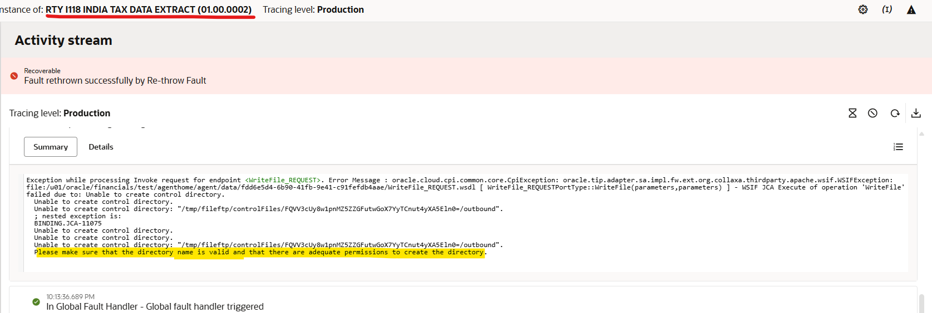
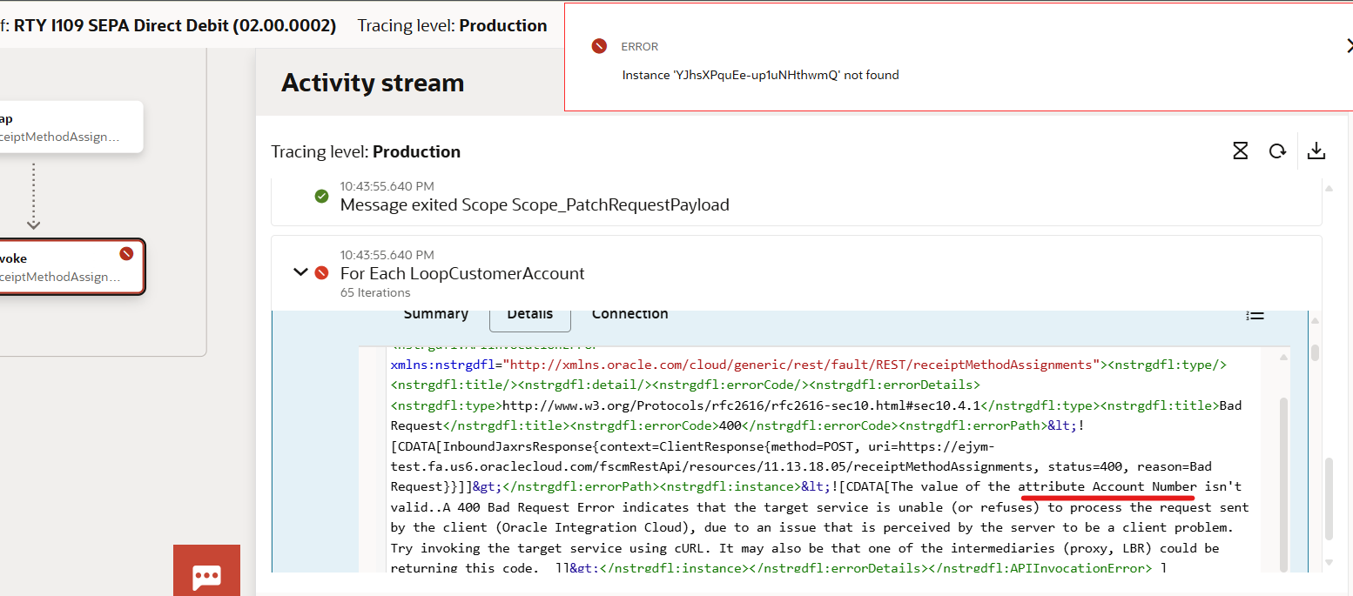
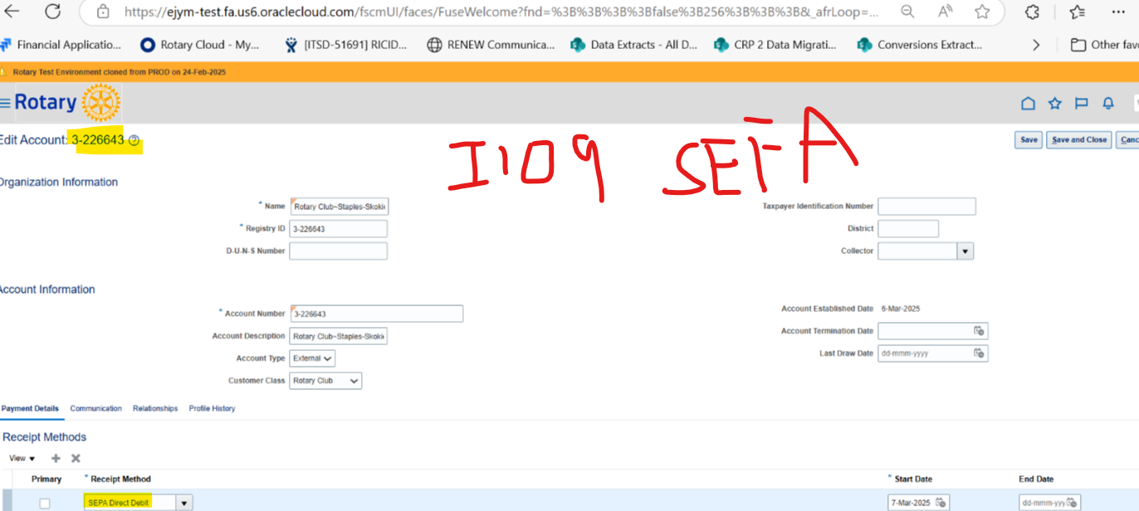
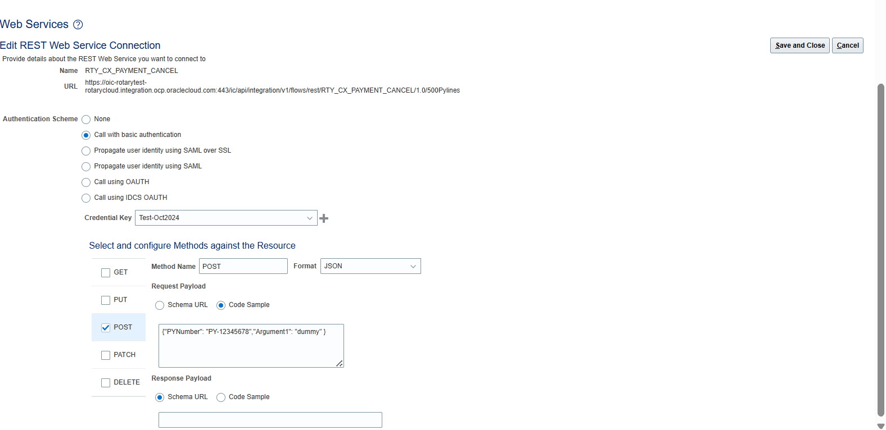
1 | ATP | Alter Table for Entry Table | Need to Migrate
2 | ATP | AH Tables | Not required
3 | ATP | RTY_CX_BICC_ATP_PKG with AH Changes
4 | ATP | DBA Wrongly updated credentials name, correct one is:RTY_ATP_OS_CRED | which is required for BICC copy prc
5 | 118 | File Adaptor Permissions Issue | non prod level we have 3 agents and Agent is trying to generate temp folder and trying to place file, While creating ftptemp folder its says no permissionns as existing agent already created that ftptemp folder and that agent can be only place file. | The error occurred because the directory "/tmp/fileftp/controlFiles" was already created by the OICDEV2 user from the OICDEV2 agent. When OIC-TEST attempted to create the same temporary directory, it failed due to ownership restrictions. Fix: Granted 777 permissions to /tmp/fileftp/controlFiles and changed the owner to root, resolving the issue successfully.
6 | UAT refresh-BICC Sync Issue | UAT refresh happened with backup date which we have used->Feb 24 09:34:55 2025, this causes no data in gl daily rates table | Same time SaaS also refreshed 2 days before and

 | 119 | RTY_CX_Payment_Uploads | Update oic-rotaryprod with with prod Service Instance name
 | I027 | Missing table in refcursor OS query: rty_I027_language_tbl

