Data
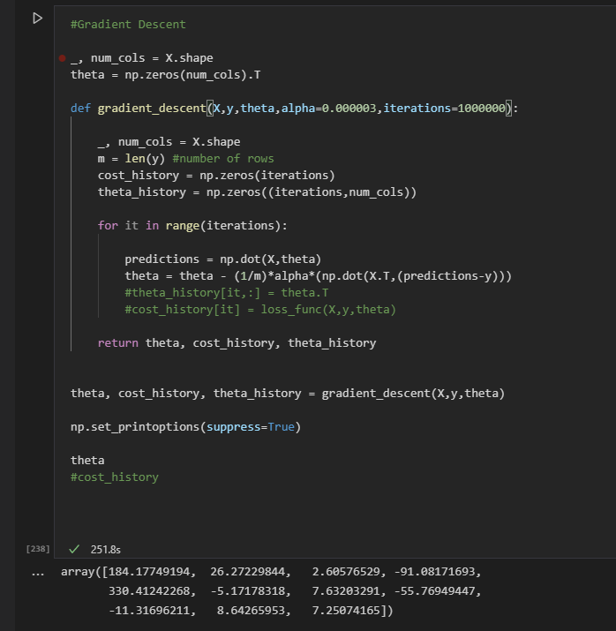
x0 | x1 | x2 | x3 | x4 | x5 | x6 | x7 | x8 | x9 | x10 | y |  | Predict Sklearn | Mean Absolute Error | Root mean squared error
1.00 | -404.00 | 57.00 | 282.00 | -186.00 | -943.00 | -51.00 | -624.00 | 76.00 | -16.00 | -584.00 | -70,264.45 | -40,467,168.00 | -63,353.29243613 | 6,911.16 | 47,764,124.45
1.00 | 802.00 | 697.00 | 681.00 | 224.00 | 651.00 | -562.00 | 379.00 | -75.00 | 559.00 | 942.00 | 23,441.89 |  | 18,789.28659847 | 4,652.60 | 21,646,700.59
1.00 | 486.00 | -774.00 | -786.00 | 826.00 | 475.00 | -800.00 | -21.00 | 525.00 | -386.00 | 923.00 | 344,309.72 |  | 345,473.49205260 | 1,163.77 | 1,354,366.72
1.00 | 261.00 | -469.00 | 703.00 | 590.00 | -924.00 | -28.00 | 555.00 | 696.00 | 154.00 | -217.00 | 113,244.86 |  | 102,232.14915623 | 11,012.71 | 121,279,830.94
1.00 | -486.00 | 897.00 | -591.00 | 665.00 | -724.00 | -606.00 | 805.00 | 161.00 | -144.00 | 435.00 | 225,586.37 |  | 217,626.85096603 | 7,959.52 | 63,354,020.34
1.00 | 869.00 | -97.00 | -849.00 | 262.00 | 505.00 | -912.00 | -207.00 | 723.00 | 507.00 | 539.00 | 184,700.08 |  | 188,745.14122676 | 4,045.06 | 16,362,508.62
1.00 | -398.00 | 472.00 | -448.00 | 442.00 | -134.00 | -193.00 | -743.00 | 78.00 | 489.00 | 668.00 | 220,255.87 |  | 226,669.29291947 | 6,413.43 | 41,132,050.40
1.00 | 426.00 | 999.00 | -875.00 | 818.00 | 648.00 | 449.00 | 900.00 | -491.00 | -557.00 | 174.00 | 319,248.88 |  | 315,863.97298475 | 3,384.90 | 11,457,569.73
1.00 | 918.00 | -148.00 | 907.00 | 532.00 | 393.00 | -529.00 | -17.00 | -501.00 | 2.00 | -753.00 | 106,626.78 |  | 112,202.49915393 | 5,575.72 | 31,088,654.11
1.00 | 209.00 | 899.00 | -288.00 | 275.00 | -750.00 | -809.00 | -834.00 | -52.00 | 592.00 | -225.00 | 171,255.75 |  | 173,412.58478275 | 2,156.83 | 4,651,915.21
1.00 | -68.00 | -26.00 | 677.00 | 857.00 | -63.00 | 167.00 | 75.00 | 271.00 | 142.00 | -913.00 | 212,079.70 |  | 208,809.71256333 | 3,269.99 | 10,692,808.29
1.00 | -111.00 | 211.00 | 297.00 | -247.00 | 355.00 | -726.00 | 866.00 | 963.00 | 859.00 | -868.00 | -171,423.10 |  | -176,271.20961427 | 4,848.11 | 23,504,179.43
1.00 | -166.00 | -358.00 | -655.00 | -492.00 | -457.00 | 531.00 | 981.00 | -610.00 | -858.00 | -408.00 | -157,963.82 |  | -159,763.02375932 | 1,799.20 | 3,237,130.56
1.00 | 983.00 | -784.00 | -85.00 | 928.00 | -428.00 | -638.00 | 105.00 | 122.00 | 509.00 | 102.00 | 331,010.49 |  | 333,580.01394777 | 2,569.52 | 6,602,448.18
1.00 | 207.00 | -593.00 | 38.00 | 925.00 | -250.00 | 446.00 | -683.00 | -374.00 | 898.00 | 43.00 | 361,262.43 |  | 361,364.82240108 | 102.39 | 10,484.26
1.00 | 166.00 | -892.00 | 898.00 | -882.00 | 104.00 | 605.00 | 473.00 | 685.00 | -363.00 | 531.00 | -412,983.97 |  | -400,316.38121738 | 12,667.59 | 160,467,738.66
1.00 | -969.00 | -303.00 | 635.00 | 103.00 | -620.00 | -736.00 | -991.00 | 493.00 | 327.00 | -449.00 | -1,689.56 |  | -3,006.12821879 | 1,316.57 | 1,733,362.20
1.00 | -455.00 | 397.00 | 202.00 | -27.00 | -730.00 | 192.00 | 367.00 | 596.00 | -750.00 | 205.00 | -59,736.03 |  | -65,010.15205372 | 5,274.12 | 27,816,362.45
1.00 | 338.00 | 183.00 | -207.00 | 172.00 | -40.00 | 338.00 | 406.00 | 280.00 | -905.00 | 18.00 | 57,584.64 |  | 54,523.60609892 | 3,061.04 | 9,369,949.55
1.00 | 646.00 | 816.00 | 159.00 | -712.00 | 951.00 | -536.00 | 442.00 | 437.00 | 229.00 | -245.00 | -262,979.95 |  | -268,837.92883953 | 5,857.98 | 34,315,943.59
1.00 | 771.00 | 600.00 | -706.00 | -986.00 | -265.00 | -404.00 | 506.00 | -774.00 | -299.00 | -723.00 | -266,044.09 |  | -268,469.47073612 | 2,425.39 | 5,882,494.71
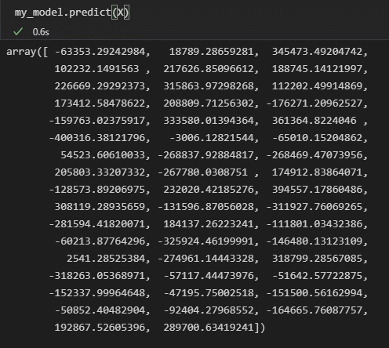
1.00 | 505.00 | -845.00 | -779.00 | 247.00 | 700.00 | 272.00 | -957.00 | 720.00 | 462.00 | -787.00 | 206,703.10 |  | 205,803.33207555 | 899.77 | 809,584.28
1.00 | -624.00 | 487.00 | -689.00 | -940.00 | 359.00 | 128.00 | - | 571.00 | 470.00 | -242.00 | -285,593.48 |  | -267,780.03087339 | 17,813.45 | 317,318,997.89
1.00 | 39.00 | -655.00 | -544.00 | 545.00 | 972.00 | 486.00 | 831.00 | 190.00 | -951.00 | 524.00 | 176,206.60 |  | 174,912.83864519 | 1,293.76 | 1,673,816.32
1.00 | -537.00 | -668.00 | -316.00 | -358.00 | -128.00 | -487.00 | 584.00 | -316.00 | 450.00 | 654.00 | -127,151.71 |  | -128,573.89206500 | 1,422.18 | 2,022,608.60
1.00 | -91.00 | 604.00 | -868.00 | 629.00 | -76.00 | -651.00 | 681.00 | 589.00 | -270.00 | -371.00 | 216,244.14 |  | 232,020.42185722 | 15,776.29 | 248,891,175.90
1.00 | 620.00 | 66.00 | -748.00 | 891.00 | 328.00 | 438.00 | -194.00 | -533.00 | -837.00 | 566.00 | 402,749.23 |  | 394,557.17860147 | 8,192.05 | 67,109,688.12
1.00 | -869.00 | -104.00 | -564.00 | 824.00 | -796.00 | 184.00 | -272.00 | 455.00 | -298.00 | -769.00 | 329,279.65 |  | 308,119.28935105 | 21,160.36 | 447,761,035.44
1.00 | 91.00 | 456.00 | -507.00 | -463.00 | -463.00 | 30.00 | 597.00 | -482.00 | -726.00 | 403.00 | -124,342.11 |  | -131,596.87056219 | 7,254.76 | 52,631,503.37
1.00 | -491.00 | -218.00 | -377.00 | -943.00 | -209.00 | -279.00 | 497.00 | -509.00 | 321.00 | -164.00 | -310,797.88 |  | -311,927.76068907 | 1,129.88 | 1,276,633.33
1.00 | 581.00 | -372.00 | 564.00 | -707.00 | 121.00 | -555.00 | -216.00 | 392.00 | -859.00 | -887.00 | -279,833.54 |  | -281,594.41819778 | 1,760.87 | 3,100,679.36
1.00 | -501.00 | 93.00 | 856.00 | 718.00 | -76.00 | -567.00 | -728.00 | -560.00 | -510.00 | -139.00 | 182,267.33 |  | 184,137.26222883 | 1,869.93 | 3,496,653.37
1.00 | 523.00 | -208.00 | 848.00 | -208.00 | 287.00 | -521.00 | -851.00 | 648.00 | -799.00 | -964.00 | -106,899.26 |  | -111,801.03432353 | 4,901.77 | 24,027,356.12
1.00 | -280.00 | 159.00 | 335.00 | -279.00 | -10.00 | -488.00 | -922.00 | -798.00 | 968.00 | 562.00 | -63,046.05 |  | -60,213.87764483 | 2,832.17 | 8,021,214.95
1.00 | -970.00 | 951.00 | 975.00 | -713.00 | -82.00 | -792.00 | -492.00 | -99.00 | -910.00 | 855.00 | -334,920.35 |  | -325,924.46200498 | 8,995.89 | 80,926,054.19
1.00 | -604.00 | -227.00 | -860.00 | -784.00 | -401.00 | -850.00 | -798.00 | -662.00 | -202.00 | 643.00 | -133,770.86 |  | -146,480.13123383 | 12,709.27 | 161,525,506.50
1.00 | -740.00 | 94.00 | -506.00 | 54.00 | 176.00 | -426.00 | 407.00 | 125.00 | -807.00 | -985.00 | 2,028.70 |  | 2,541.28525726 | 512.58 | 262,741.00
1.00 | 901.00 | -915.00 | 424.00 | -963.00 | 917.00 | -141.00 | -987.00 | -664.00 | -127.00 | 650.00 | -267,979.42 |  | -274,961.14443166 | 6,981.73 | 48,744,533.59
1.00 | -231.00 | -207.00 | -905.00 | 848.00 | -5.00 | 588.00 | 745.00 | -827.00 | -934.00 | -230.00 | 304,454.77 |  | 318,799.28567005 | 14,344.51 | 205,765,098.65
1.00 | -178.00 | -980.00 | 723.00 | -652.00 | -849.00 | -265.00 | 615.00 | -357.00 | 341.00 | -690.00 | -319,602.02 |  | -318,263.05368654 | 1,338.97 | 1,792,827.88
1.00 | 841.00 | -393.00 | 526.00 | -213.00 | -516.00 | 981.00 | -630.00 | -241.00 | -553.00 | -461.00 | -64,740.44 |  | -57,117.44474779 | 7,623.00 | 58,110,116.82
1.00 | 399.00 | 825.00 | 128.00 | -188.00 | 447.00 | -962.00 | -297.00 | 65.00 | 321.00 | 49.00 | -48,631.71 |  | -51,642.57722463 | 3,010.87 | 9,065,334.06
1.00 | -519.00 | 3.00 | -408.00 | -480.00 | -148.00 | 738.00 | 562.00 | -110.00 | 85.00 | 756.00 | -152,679.97 |  | -152,337.99964876 | 341.97 | 116,941.29
1.00 | 790.00 | -606.00 | 752.00 | -40.00 | -296.00 | 355.00 | -270.00 | -42.00 | 160.00 | -830.00 | -51,726.12 |  | -47,195.75002603 | 4,530.37 | 20,524,272.00
1.00 | 495.00 | -827.00 | -748.00 | -805.00 | -724.00 | -147.00 | -566.00 | 366.00 | -153.00 | 909.00 | -147,910.49 |  | -151,500.56163368 | 3,590.08 | 12,888,640.97
1.00 | 932.00 | 578.00 | 953.00 | 74.00 | 428.00 | 763.00 | 284.00 | 414.00 | -129.00 | 459.00 | -39,978.18 |  | -50,852.40483035 | 10,874.23 | 118,248,807.79
1.00 | 94.00 | -536.00 | -395.00 | -371.00 | -44.00 | -978.00 | 125.00 | 104.00 | 515.00 | 534.00 | -93,412.61 |  | -92,404.27967950 | 1,008.33 | 1,016,725.61
1.00 | -919.00 | 47.00 | 682.00 | -301.00 | -355.00 | 621.00 | 13.00 | -147.00 | 960.00 | 676.00 | -167,075.91 |  | -164,665.76088194 | 2,410.15 | 5,808,836.79
1.00 | 149.00 | -492.00 | 754.00 | 782.00 | -713.00 | -292.00 | -110.00 | 988.00 | 812.00 | -427.00 | 194,275.32 |  | 192,867.52605445 | 1,407.79 | 1,981,881.21
1.00 | 904.00 | 173.00 | -168.00 | 807.00 | -662.00 | -484.00 | 171.00 | 259.00 | -721.00 | 323.00 | 269,252.21 |  | 289,700.63419087 | 20,448.43 | 418,138,129.39
 |  |  |  |  |  |  |  |  |  |  |  |  |  | 5,658.06 | 7,702.96

