Discount rates - useful notes
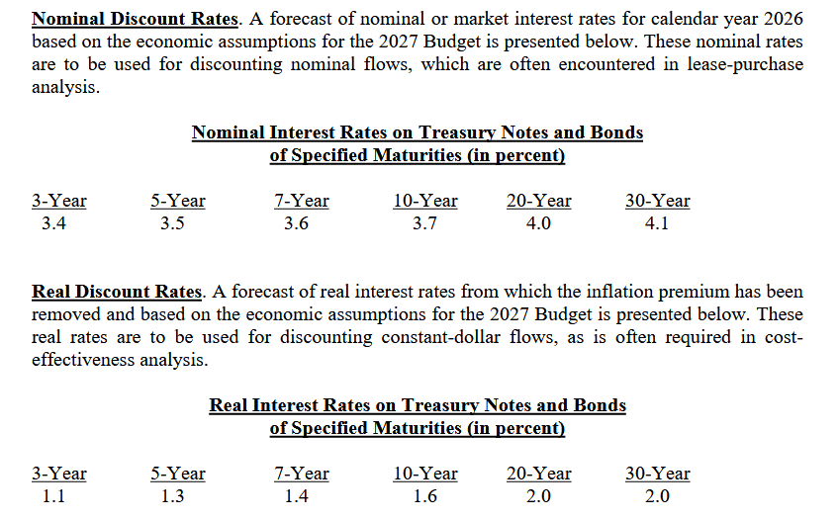
Discount rates:
US OMB 2026 - |  | https://www.whitehouse.gov/omb/information-resources/guidance/circulars/
 |  | Circular A-94 and its appendices, primarily Appendix C ( https://www.whitehouse.gov/wp-content/uploads/2026/03/CircularA-94Appendix-C.pdf )
 |  | nominal and real interest rates for discounting over 3, 5, 7, 10, 20, and 30 year time horizons
 |  | Designed for US Federal projects and investments, not private developments
 |  | See screenshot to the right for nominal and real rates used by US government.
 |  | It would be reasonable to assume US government values are too low for commercial planning

Re: 0% interest rate, note for myself -- I need to re-read this stuff and some other sources and I can provide you with some adaptable text later in July for justifying the sensitivity case cleanly.
 | https://doi.org/10.1006/jeem.1998.1052
 | Weitzman here lays out (in 1998) the central argument for low- or zero discount rate approaches for future events, based on moral argument

 | Bunch of other refs saved to Zotero
 | US NASEM social cost of carbon report:
 | https://www.nationalacademies.org/read/24651/chapter/1

