Sheet1
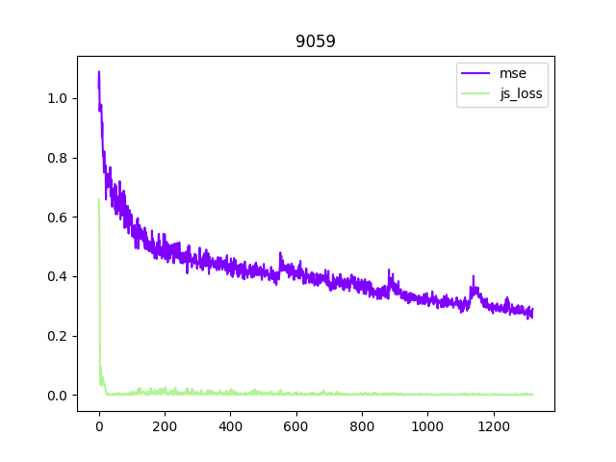
 | js |  | lstm
10 | 0 |  | 0
0 | 0.45554591179 | 0 | 0.4222343111
1 | 0.4675566268 | 1 | 0.44402474761
2 | 0.43119482398 | 2 | 0.44461007476
3 | 0.39816807151 | 3 | 0.4352108264
4 | 0.48381320119 | 4 | 0.39932462811
5 | 0.44944298267 | 5 | 0.41810774803
6 | 0.4631319195 | 6 | 0.44211426377
7 | 0.42813451588 | 7 | 0.43753701448
8 | 0.39728409052 | 8 | 0.43181480467
9 | 0.48177135229 | 9 | 0.39683531225
median_mean | 0.44395297217 | median_mean | 0.42528182864
mean_mean | 0.44725572705 | mean_mean | 0.4290809176
 | 4.0636281117 |  | -4.3902989205
20 | 0 |  | 0
0 | 0.4493995285 | 0 | 0.42327261567
1 | 0.49464257002 | 1 | 0.46944295168
2 | 0.4794805181 | 2 | 0.45565366626
3 | 0.48097267151 | 3 | 0.40096817613
4 | 0.5003265965 | 4 | 0.45981861234
5 | 0.44235812128 | 5 | 0.41996344924
6 | 0.4862433672 | 6 | 0.46636766195
7 | 0.46979144216 | 7 | 0.44953434169
8 | 0.47702029347 | 8 | 0.40166812241
9 | 0.48942126334 | 9 | 0.44903828204
median_mean | 0.47296689749 | median_mean | 0.43731437147
mean_mean | 0.48096437693 | mean_mean | 0.44183120441
 | 8.1363972862 |  | -8.1526079057
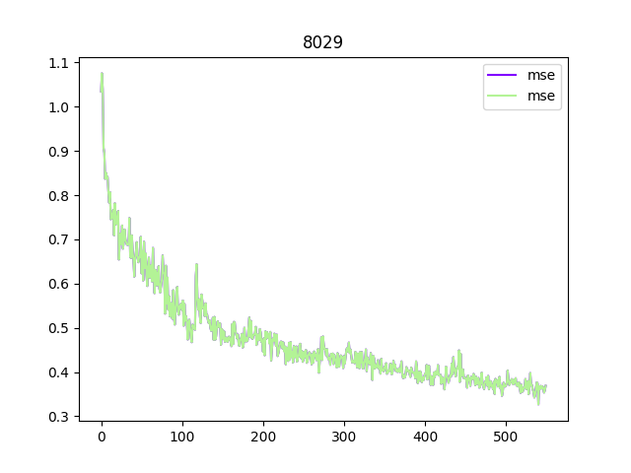
30 | 0 |  | 0
0 | 0.41682399154 | 0 | 0.39464202285
1 | 0.48224287391 | 1 | 0.39057598233
2 | 0.37080952764 | 2 | 0.40689316511
3 | 0.41236488223 | 3 | 0.39873663425
4 | 0.42279117346 | 4 | 0.39520489693
5 | 0.4102755636 | 5 | 0.39265151322
6 | 0.48149070144 | 6 | 0.39403839409
7 | 0.36313073337 | 7 | 0.40114769399
8 | 0.41421490014 | 8 | 0.39519800246
9 | 0.41407983005 | 9 | 0.39544354141
median_mean | 0.41663834572 | median_mean | 0.39569582903
mean_mean | 0.42100648975 | mean_mean | 0.39721054029
 | 5.6521573986 |  | -5.2925795896
40 | 0 |  | 0
0 | 0.41707252026 | 0 | 0.40282308102
1 | 0.44339666247 | 1 | 0.38282780528
2 | 0.43384013057 | 2 | 0.40460299373
3 | 0.39297903299 | 3 | 0.40111596704
4 | 0.42682358503 | 4 | 0.38583151698
5 | 0.41143015027 | 5 | 0.39757582545
6 | 0.44568112731 | 6 | 0.38083271027
7 | 0.43743060529 | 7 | 0.40410057664
8 | 0.39148372769 | 8 | 0.40295240939
9 | 0.42470318079 | 9 | 0.37994845212
median_mean | 0.42214575827 | median_mean | 0.39308199477
mean_mean | 0.42282238626 | mean_mean | 0.39544027281
 | 6.4760320991 |  | -7.3938170371
50 | 0 |  | 0
0 | 0.41933132529 | 0 | 0.42054787993
1 | 0.43544965625 | 1 | 0.39098706365
2 | 0.43619573355 | 2 | 0.3789462471 | Epoch | Methods |  | imporve
3 | 0.3844448328 | 3 | 0.3730166328 |  | JS | LSTM
4 | 0.47573010087 | 4 | 0.37667446017 | 10 | 0.4440 | 0.4253 | -4.3903
5 | 0.40543161333 | 5 | 0.41591912508 | 20 | 0.4730 | 0.4373 | -8.1526
6 | 0.43519869268 | 6 | 0.38488899171 | 30 | 0.4166 | 0.3957 | -5.2926
7 | 0.43640379727 | 7 | 0.36693435907 | 40 | 0.4221 | 0.3931 | -7.3938
8 | 0.38503144681 | 8 | 0.36666974425 | 50 | 0.4264 | 0.3813 | -11.8368
9 | 0.46985502541 | 9 | 0.37186542153 | 60 | 0.4019 | 0.3753 | -7.0887
median_mean | 0.4263841151 | median_mean | 0.38125552833 | 70 | 0.3797 | 0.3899 | 2.6051
mean_mean | 0.43023032975 | mean_mean | 0.38803445673 | 80 | 0.3997 | 0.4325 | 7.5715
 | 9.8077402043 |  | -11.836834725 | 90 | 0.3623 | 0.4749 | 23.7157
60 | 0 |  | 0 | 100 | 0.4032 | 0.5363 | 24.8283
0 | 0.37733791113 | 0 | 0.36928175211 |  | 0.4253 | 0.4440
1 | 0.38639554739 | 1 | 0.42034056067 |  | 0.4373 | 0.4730
2 | 0.39174822092 | 2 | 0.3745466423 |  | 0.3957 | 0.4166
3 | 0.47472115755 | 3 | 0.38382279396 |  | 0.3931 | 0.4221
4 | 0.40197276473 | 4 | 0.37268390894 |  | 0.3813 | 0.4264
5 | 0.36523364484 | 5 | 0.35855078697 |  | 0.3753 | 0.4019
6 | 0.38212290406 | 6 | 0.41275827587 |  | 0.3899 | 0.3797
7 | 0.38859216869 | 7 | 0.37049470603 |  | 0.4325 | 0.3997
8 | 0.48050481081 | 8 | 0.37207558751 |  | 0.4749 | 0.3623
9 | 0.39325544238 | 9 | 0.36279767752 |  | 0.5363 | 0.4032
median_mean | 0.40194179416 | median_mean | 0.37533540678
mean_mean | 0.40643512034 | mean_mean | 0.3841351316
 | 5.4867278024 |  | -7.0886963756
70 | 0 |  | 0
0 | 0.37136083841 | 0 | 0.37928834319
1 | 0.40152226925 | 1 | 0.43850792408
2 | 0.38773775816 | 2 | 0.37796062589
3 | 0.39874669433 | 3 | 0.39198359728
4 | 0.38384006977 | 4 | 0.38621415257
5 | 0.35734727979 | 5 | 0.37241242826
6 | 0.39911200106 | 6 | 0.43445462465
7 | 0.37133282423 | 7 | 0.37286600471
8 | 0.39471957088 | 8 | 0.3905557543
9 | 0.37620572746 | 9 | 0.3792142421
median_mean | 0.37974348068 | median_mean | 0.3899006108
mean_mean | 0.38864152598 | mean_mean | 0.3947909286
 | -1.5822814103 |  | 2.6050562222
80 | 0 |  | 0
0 | 0.44502514005 | 0 | 0.42255580902
1 | 0.40390676975 | 1 | 0.51944249868
2 | 0.3916747129 | 2 | 0.41425257325
3 | 0.35393973351 | 3 | 0.42286033988
4 | 0.42800999284 | 4 | 0.39185748458
5 | 0.44167539477 | 5 | 0.42324674368
6 | 0.39716266453 | 6 | 0.5271435976
7 | 0.38512706757 | 7 | 0.41055841744
8 | 0.34827277064 | 8 | 0.41670647264
9 | 0.42643001676 | 9 | 0.38473844528
median_mean | 0.39973358285 | median_mean | 0.43247873533
mean_mean | 0.40451126981 | mean_mean | 0.43419374108
 | -7.3378601514 |  | 7.5715057871
90 | 0 |  | 0
0 | 0.37810446501 | 0 | 0.47681076288
1 | 0.34747213006 | 1 | 0.72300706267
2 | 0.35095655084 | 2 | 0.40850197434
3 | 0.34939207554 | 3 | 0.37325853705
4 | 0.42570928931 | 4 | 0.40136246324
5 | 0.37150534987 | 5 | 0.47835877538
6 | 0.33860133588 | 6 | 0.7253420949
7 | 0.33215424418 | 7 | 0.40477835715
8 | 0.34867686987 | 8 | 0.36804613471
9 | 0.42051024735 | 9 | 0.39807592332
median_mean | 0.36228960943 | median_mean | 0.47492025709
mean_mean | 0.37032690215 | mean_mean | 0.47658816004
 | -28.693907267 |  | 23.715696683
100 | 0 |  | 0
0 | 0.4539039278 | 0 | 0.46837212205
1 | 0.38181290388 | 1 | 0.92200442553
2 | 0.42769841075 | 2 | 0.4107788825
3 | 0.34651809454 | 3 | 0.44333375096
4 | 0.43310531259 | 4 | 0.37467681408
5 | 0.44279514253 | 5 | 0.47897991538
6 | 0.3752745986 | 6 | 0.96451032162
7 | 0.42786266267 | 7 | 0.41078966975
8 | 0.34140020609 | 8 | 0.45168948472
9 | 0.42844824493 | 9 | 0.37559854507
median_mean | 0.40315617096 | median_mean | 0.53631358731
mean_mean | 0.40860772991 | mean_mean | 0.52383319902
 | -28.199532382 |  | 24.82827575
110 | 0
0 | 0.46130874753
1 | 0.42104977727
2 | 0.4226995039
3 | 0.36454827905
4 | 0.40973451376
5 | 0.45215812325
6 | 0.41787825525
7 | 0.43111930788
8 | 0.35461053252
9 | 0.40148985386
median_mean | 0.41145121455
mean_mean | 0.4158681643

120 | 0
0 | 0.41417626381
1 | 0.43655852914
2 | 0.44315996647
3 | 0.37496002913
4 | 0.43940282822
5 | 0.40755821764
6 | 0.43990198493
7 | 0.44626538455
8 | 0.37440998554
9 | 0.4233635664
median_mean | 0.41829982781
mean_mean | 0.42165152335

