Dashboard
Coca-Cola Company Analysis Dashboard
Total Sales for 2022
$8 215 165
16 482 500
Total of Units Sold
$0,48
Average Price per Product
Bestseller Product
Coca-Cola
The Best Disributor
Walmart
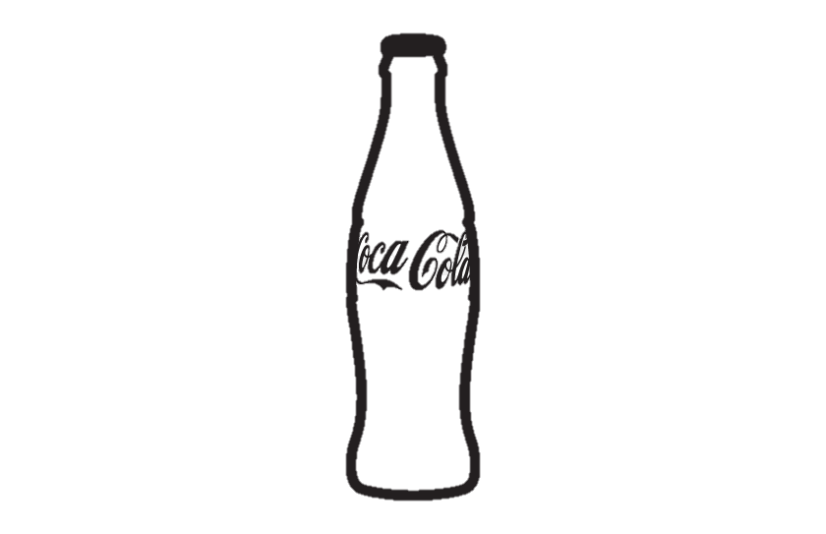
Average of Operating Margin
37%
Sum of Operating Profit
$3 041 142

Average price per Unit
 | Итог
Sprite | $0.42
Fanta | $0.43
Diet Coke | $0.46
Coca-Cola | $0.47
Powerade | $0.54
Dasani Water | $0.55
Top 5 States By Sales
New York
California
Florida
Texas
Georgia
$582 675
$582 400
$561 850
$440 988
$292 210
Top 5 Cities By Sales
New York
Charleston
Miami
Atlanta
Houston
$706 600
$661 950
$597 850
$579 350
$566 000
Total Sales for Months
 | Итог
янв | 491325
фев | 465775
мар | 459805
апр | 468825
май | 643873
июн | 843100
июл | 969638
авг | 888450
сен | 651025
окт | 595363
ноя | 753288
дек | 984700
The Most Used Delivery Companies
 | Итог
FedEx | 901
UPS | 905
DHL | 966
USPS | 972

Operating Profit for Product in Stores
 | Costco | CVS | Target | Walmart
Coca-Cola | $97359 | $149625 | $31253 | $489274
Dasani Water | $135592 | $96273 | $17348 | $369418
Diet Coke | $89121 | $126768 | $20492 | $237425
Fanta | $78259 | $96016 | $19841 | $161569
Powerade | $59209 | $112866 | $31658 | $212689
Sprite | $82506 | $121723 | $27300 | $177561
Gross Profit
 | Sum of Total Sales | Sum of Operating Profit
Coca-Cola | $1923053 | $767510
Dasani Water | $1639063 | $618630
Diet Coke | $1391088 | $473806
Fanta | $969888 | $355685
Powerade | $1133675 | $416421
Sprite | $1158400 | $409090
Total Sales In Stores
 | Итог
Walmart | $4403630
CVS | $2115588
Costco | $1291535
Target | $404413

