Start
Welcome to Excel
3 tips for a simpler way to work.

Navigate using the tabs below

1. Comments
Comments
Target your feedback in comments that stay with the spreadsheet.
Try it using the table at right:
 |  | Email | Customer Name
1 | Tap G5. | Nancy.Freehafer@fourthcoffee.com | Nancy Freehafer
 |  | Andrew.Cencini@northwindtraders.com | Andrew Cencini
2 | Tap the pencil button, then tap Review > Comment, and type something. | Jan.Kotas@litwareinc.com | Jan Kotas
 |  | Steven.Thorpe@northwindtraders.com | Steven Thorpe
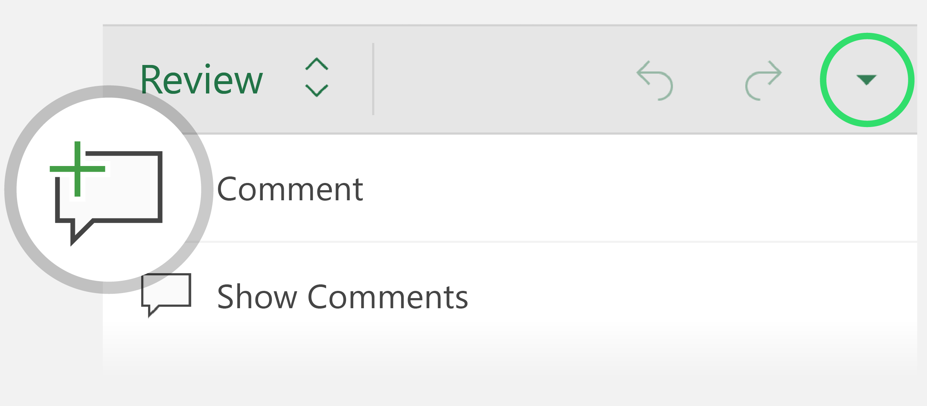
 |  | Robert.Zare@northwindtraders.com | Robert Zare
 |  | Laura.Giussani@adventure-works.com | Laura Giussani

3 | Close the comment pane to see more of the spreadsheet.

4 | Tap the comment bubble to open the pane, and tap it again to close the pane.

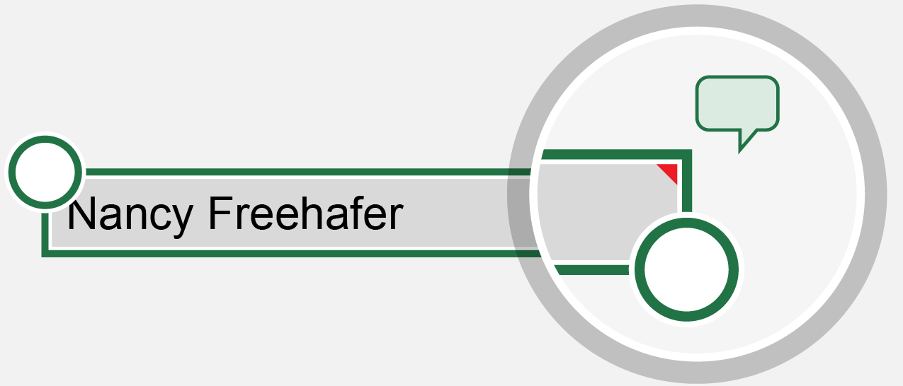

Tip: Cells with comments are marked by a small red triangle.

2. Formulas
Built for touch
Excel works on any touch device. It’s easy to make changes with just a tap.
Try it using the table at right:
 |  | Quarter | Sales
1 | Tap cell G9 and tap the Formulas button. | Quarter 1 | $37,297.00
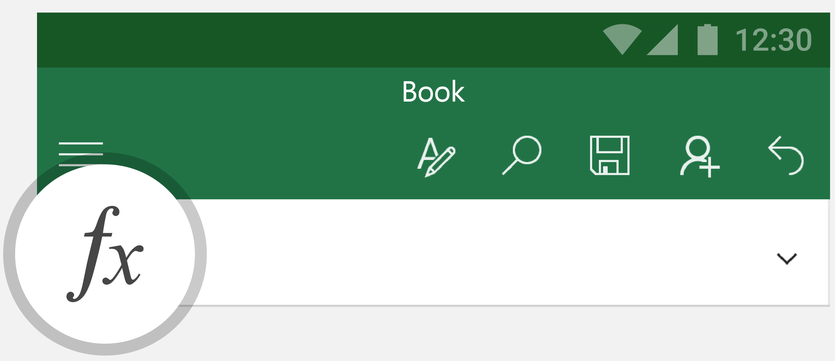
 |  | Quarter 2 | $472,928.00
 |  | Quarter 3 | $210,456.00
 |  | Quarter 4 | $78,123.00
 |  | Total

2 | Tap SUM. The formula bar changes to =SUM(number1, number2, ...)

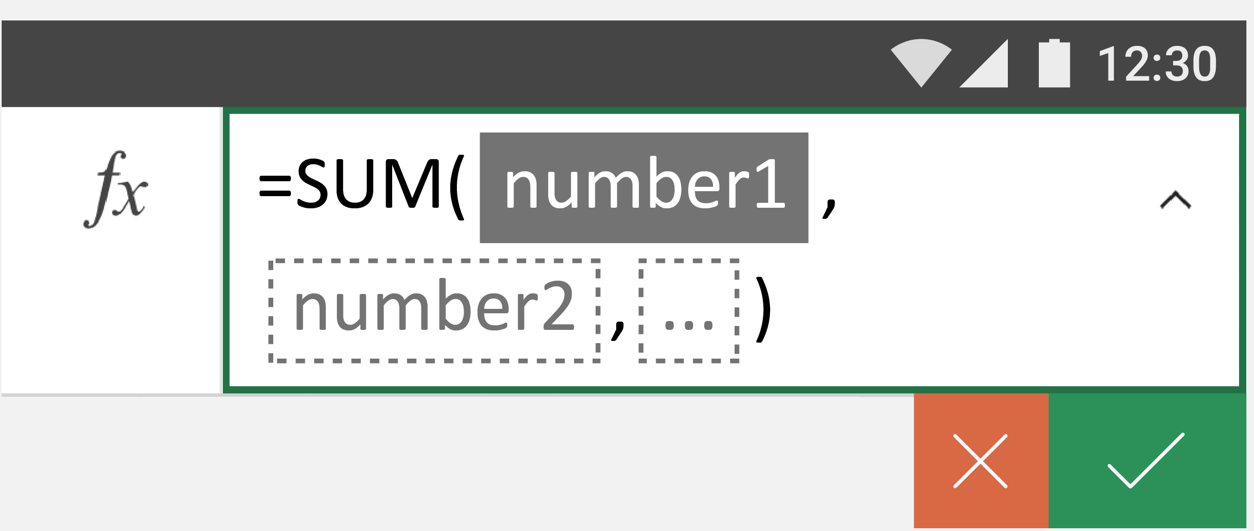

3 | Tap G5, then drag the selection handle to include cells G6, G7 and G8.
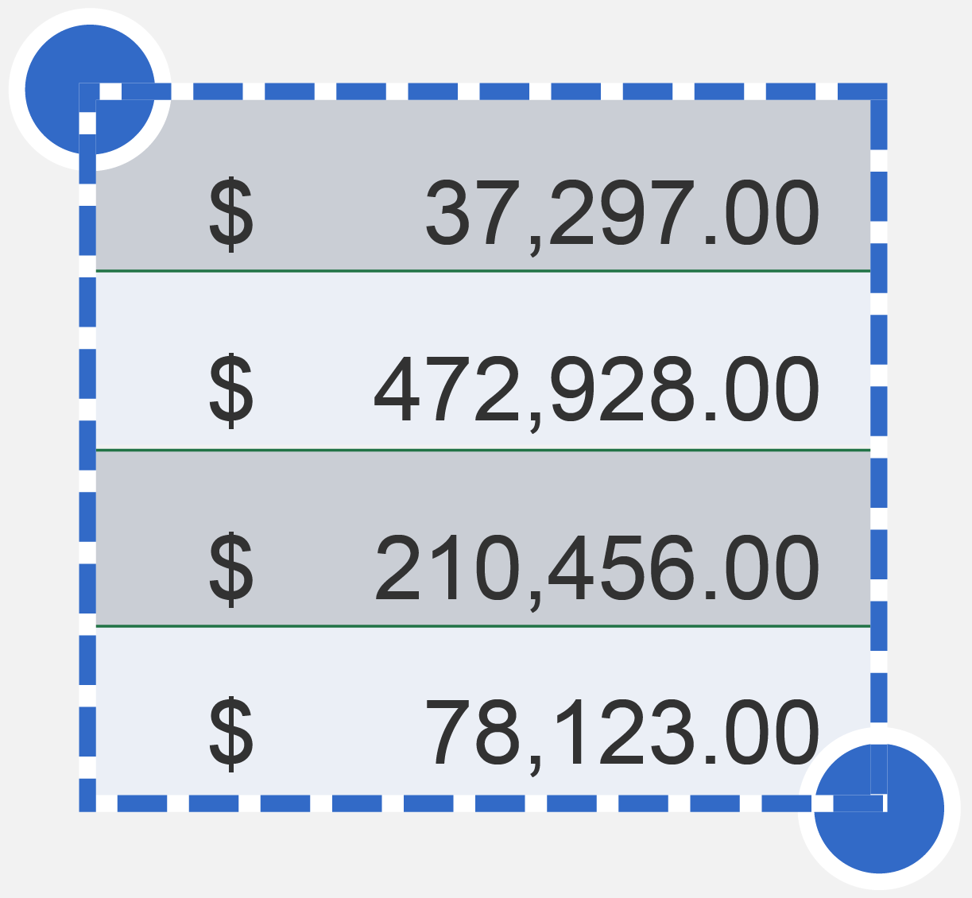

4 | Tap the checkmark to see the result.

3. Sort and Filter
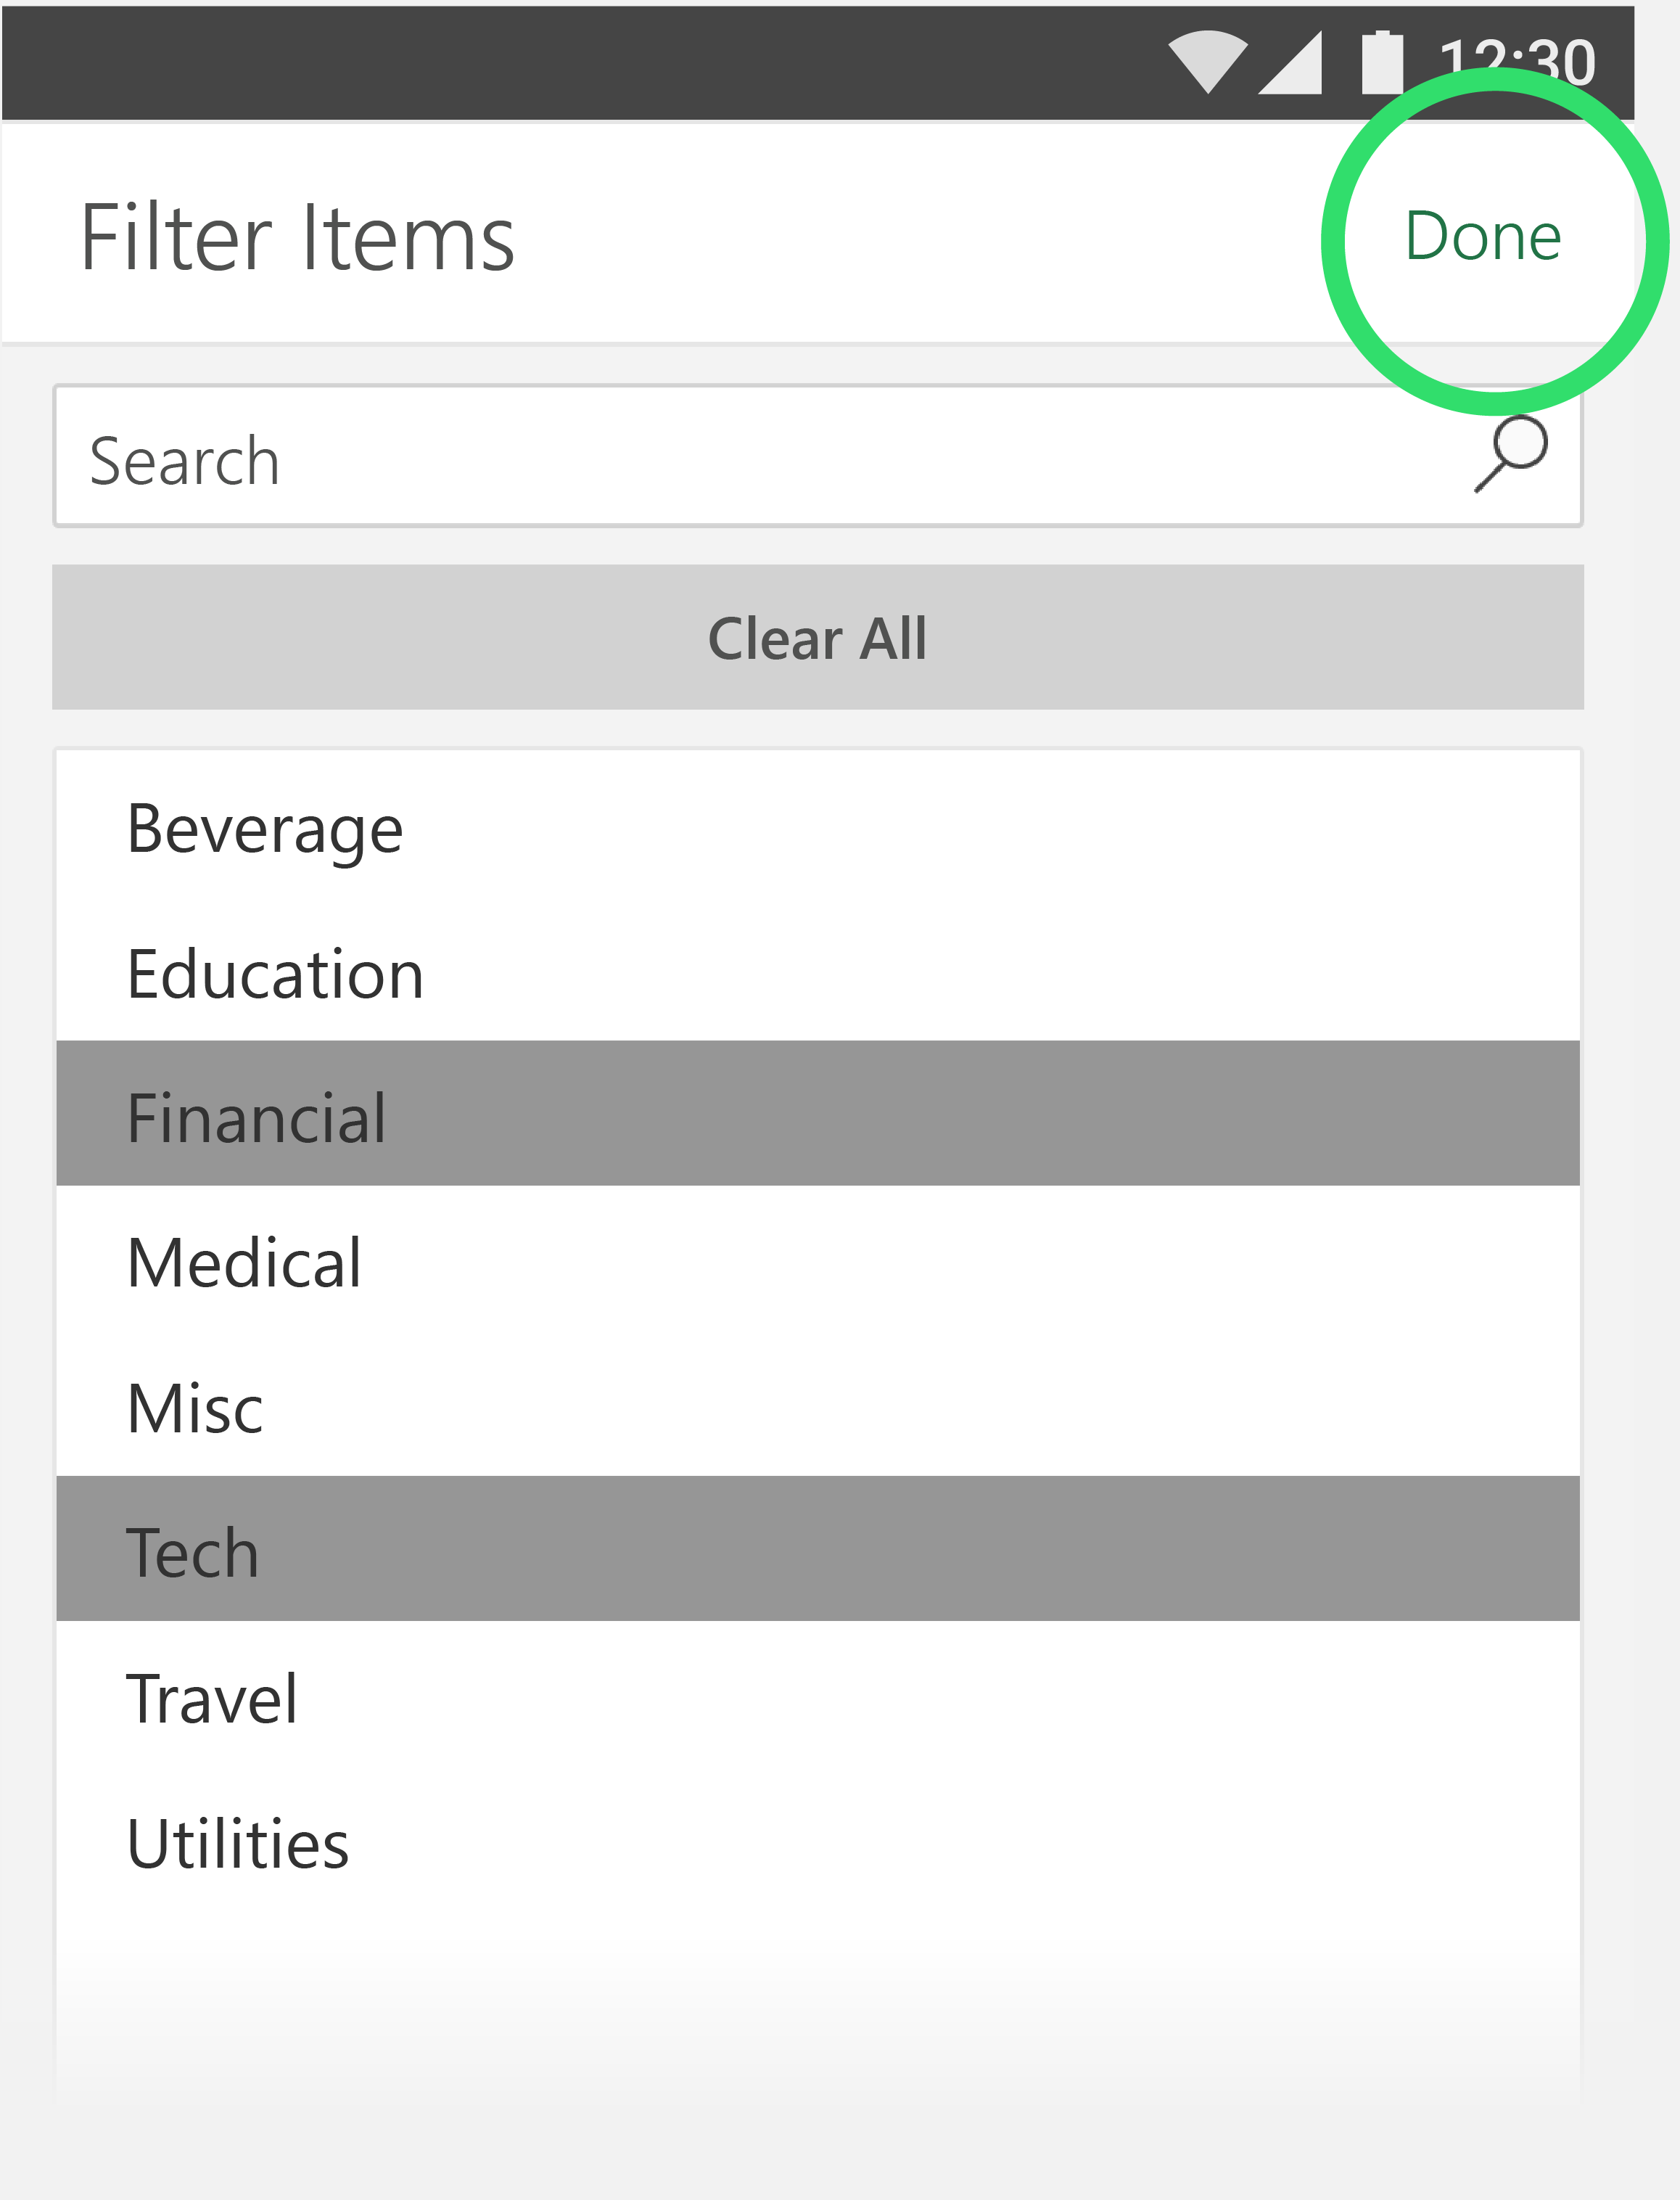
Sort and filter data
Make sense of your information by putting it in order or narrowing your focus.
Try it using the table at right:
 |  | Company | Industry | Q1 Sales
1 | To see which company sold the most, tap the arrow next to Q1 Sales. | A. Datum Corporation | Tech | $195,449.00
 |  | Adventure Works | Travel | $123,721.00
 |  | Blue Yonder Airlines | Travel | $934,763.00
2 | Tap Largest to Smallest to sort from highest to lowest. | City Power & Light | Utilities | $299,293.00
 |  | Coho Vineyard | Beverage | $228,783.00
 |  | Consolidated Messenger | Tech | $579,825.00
 |  | Contoso Pharmaceuticals | Medical | $371,570.00
 |  | Contoso, Ltd | Misc | $239,219.00
3 | How did the Tech and Financial industries do? Tap the arrow next to Industry then tap Filter Items. | Fabrikam, Inc. | Utilities | $639,630.00
 |  | Fourth Coffee | Beverage | $876,740.00
 |  | Graphic Design Institute | Education | $788,390.00
 |  | Humongous Insurance | Financial | $682,545.00
 |  | Litware, Inc. | Tech | $902,264.00
 |  | Lucerne Publishing | Misc | $905,906.00
4 | Tap Financial and Tech to select these industries and tap Done to view the results. | Margie's Travel | Travel | $289,570.00

