Met 2020 UWMP Demand Data
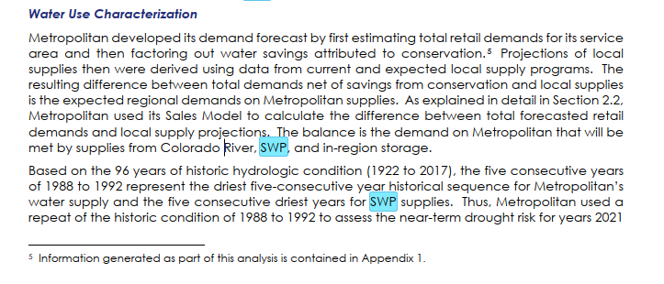
 | Total Demands | 4,411,000 |  |  |  |  | Demands by Use Type |  |  |  |  |  |  | Supply Capability and Projected Demands Tables
 |  | 4,924,000
 | Table 2-3 Metropolitan Regional Water Demands. Normal Water Year (AF) | 4,925,000 |  |  |  |  | Table A.1-8 Single Family Retail Demand in Metropolitan’s Service Area. Average Year (Acre-feet) |  |  |  |  |  |  | Table 2-4 Single Dry Year Supply Capability and Projected Demands. Repeat of 1977 Hydrology (Acre-feet per year)
 |  | 2025 | 2030 | 2035 | 2040 | 2045 | County | 2020 | 2025 | 2030 | 2035 | 2040 | 2045 | Forecast Year | 2025 | 2030 | 2035 | 2040 | 2045
A. | Total Demands1 | 4,925,000 | 5,032,000 | 5,156,000 | 5,261,000 | 5,374,000 | Los Angeles County | 740,000 | 766,000 | 765,000 | 767,000 | 771,000 | 776,000 | Current Programs
 | Retail | 4,403,000 | 4,514,000 | 4,632,000 | 4,743,000 | 4,854,000 | Orange County | 294,000 | 295,000 | 296,000 | 297,000 | 299,000 | 300,000 | In-Region Supplies and Programs | 875,000 | 877,000 | 876,000 | 876,000 | 874,000
 | Retail Agriculture | 144,000 | 134,000 | 130,000 | 123,000 | 123,000 | Riverside County | 297,000 | 320,000 | 339,000 | 352,000 | 362,000 | 373,000 | California Aqueduct2 | 647,000 | 634,000 | 634,000 | 634,000 | 633,000
 | Seawater Barrier | 61,000 | 61,000 | 61,000 | 61,000 | 61,000 | San Bernardino County | 113,000 | 117,000 | 122,000 | 126,000 | 131,000 | 137,000 | Colorado River Aqueduct
 | Storage Replenishment | 316,000 | 323,000 | 332,000 | 334,000 | 335,000 | San Diego County | 320,000 | 327,000 | 327,000 | 329,000 | 332,000 | 337,000 | Total Supply Available3 | 1,424,000 | 1,403,500 | 1,352,500 | 1,352,500 | 1,380,750
 |  |  |  |  |  |  | Ventura County | 85,000 | 87,000 | 87,000 | 88,000 | 88,000 | 89,000 | Aqueduct Capacity Limit4 | 1,250,000 | 1,250,000 | 1,250,000 | 1,250,000 | 1,250,000
B. | Total Conservation | 1,162,000 | 1,211,000 | 1,263,000 | 1,325,000 | 1,389,000 | Metropolitan’s Service Area | 1,849,000 | 1,912,000 | 1,936,000 | 1,959,000 | 1,983,000 | 2,012,000 | Colorado River Aqueduct Capability | 1,250,000 | 1,250,000 | 1,250,000 | 1,250,000 | 1,250,000
 | Existing Active (through 2020) | 93,000 | 55,000 | 35,000 | 25,000 | 17,000 |  |  |  |  |  |  |  | Capability of Current Programs | 2,772,000 | 2,761,000 | 2,760,000 | 2,760,000 | 2,757,000
 | Code-based | 560,000 | 623,000 | 665,000 | 701,000 | 731,000 | Table A.1-9 Multi-family Retail Demand in Metropolitan’s Service Area. Average Year (Acre-feet) |  |  |  |  |  |  | Demands
 | Price-Effect3 | 259,000 | 283,000 | 313,000 | 349,000 | 391,000 | County | 2020 | 2025 | 2030 | 2035 | 2040 | 2045 | Total Demands on Metropolitan | 1,266,000 | 1,222,000 | 1,195,000 | 1,218,000 | 1,247,000
 | Pre-1990 Conservation | 250,000 | 250,000 | 250,000 | 250,000 | 250,000 | Los Angeles County | 317,000 | 338,000 | 353,000 | 377,000 | 392,000 | 409,000 | Exchange with SDCWA | 278,000 | 278,000 | 278,000 | 278,000 | 278,000
 |  |  |  |  |  |  | Orange County | 93,000 | 95,000 | 96,000 | 99,000 | 101,000 | 102,000 | Total Metropolitan Deliveries5 | 1,544,000 | 1,500,000 | 1,473,000 | 1,496,000 | 1,525,000
C. | Total Local and Other Imported Supplies | 2,613,000 | 2,712,000 | 2,809,000 | 2,836,000 | 2,860,000 | Riverside County | 47,000 | 51,000 | 53,000 | 57,000 | 60,000 | 63,000 | Surplus | 1,228,000 | 1,261,000 | 1,287,000 | 1,264,000 | 1,232,000
 | Groundwater | 1,255,000 | 1,273,000 | 1,296,000 | 1,311,000 | 1,326,000 | San Bernardino County | 27,000 | 29,000 | 30,000 | 31,000 | 33,000 | 34,000 | Programs Under Development
 | Surface Water | 80,000 | 82,000 | 82,000 | 82,000 | 82,000 | San Diego County | 110,000 | 117,000 | 128,000 | 140,000 | 149,000 | 156,000 | In-Region Supplies and Programs | 0 | 0 | 0 | 0 | 0
 | Los Angeles Aqueduct4 | 257,000 | 257,000 | 258,000 | 258,000 | 258,000 | Ventura County | 11,000 | 11,000 | 11,000 | 12,000 | 12,000 | 12,000 | California Aqueduct | 0 | 0 | 0 | 0 | 0
 | Seawater Desalination | 51,000 | 51,000 | 51,000 | 51,000 | 51,000 | Metropolitan’s Service Area | 605,000 | 641,000 | 671,000 | 716,000 | 747,000 | 776,000 | Colorado River Aqueduct
 | Groundwater Recovery | 143,000 | 157,000 | 158,000 | 158,000 | 159,000 |  |  |  |  |  |  |  | Total Supply Available3 | 0 | 0 | 0 | 0 | 0
 | Recycling5 | 550,000 | 613,000 | 687,000 | 698,000 | 706,000 | Table A.1-10 Commercial, Industrial and Institutional Retail Demand. Average Year (Acre-feet) |  |  |  |  |  |  | Aqueduct Capacity Limit4 | 0 | 0 | 0 | 0 | 0
 | Other Imported Supplies | 278,000 | 278,000 | 278,000 | 278,000 | 278,000 | County | 2020 | 2025 | 2030 | 2035 | 2040 | 2045 | Colorado River Aqueduct Capability | 0 | 0 | 0 | 0 | 0
 |  |  |  |  |  |  | Los Angeles County | 219,000 | 213,000 | 211,000 | 208,000 | 201,000 | 195,000 | Capability of Proposed Programs | 0 | 0 | 0 | 0 | 0
D. | Total Metropolitan Demands | 1,149,000 | 1,110,000 | 1,084,000 | 1,100,000 | 1,125,000 | Orange County | 122,000 | 122,000 | 123,000 | 121,000 | 118,000 | 115,000 | Potential Surplus | 1,228,000 | 1,261,000 | 1,287,000 | 1,264,000 | 1,232,000
 | Consumptive Use | 1,020,000 | 981,000 | 954,000 | 971,000 | 996,000 | Riverside County | 47,000 | 51,000 | 53,000 | 54,000 | 55,000 | 56,000
 | Seawater Barrier | 4,000 | 4,000 | 4,000 | 4,000 | 4,000 | San Bernardino County | 47,000 | 48,000 | 49,000 | 49,000 | 49,000 | 49,000 | Table 2-5 Drought Lasting Five Consecutive Years Supply Capability and Projected Demands. Repeat of 1977 Hydrology (Acre-feet per year)
 | Replenishment | 125,000 | 125,000 | 125,000 | 125,000 | 125,000 | San Diego County | 73,000 | 70,000 | 71,000 | 71,000 | 70,000 | 68,000 | Forecast Year | 2025 | 2030 | 2035 | 2040 | 2045
 |  |  |  |  |  |  | Ventura County | 18,000 | 18,000 | 18,000 | 17,000 | 17,000 | 16,000 | Current Programs
 | Notes |  |  |  |  |  | Metropolitan’s Service Area | 526,000 | 522,000 | 525,000 | 520,000 | 510,000 | 499,000 | In-Region Supplies and Programs | 194,000 | 197,000 | 197,000 | 197,000 | 197,000
 | All units are acre-feet unless specified, rounded to the nearest thousand. Totals may not sum due to rounding. 1 Growth projections are based on SCAG 2020-2045 Regional Transportation Plan/Sustainable Communities Strategy and SANDAG San Diego Forward: The 2019 Federal Regional Transportation Plan. 2 Does not include future active conservation savings. 1990 is base year. 3 Includes un-metered water use savings. 4 Los Angeles Aqueduct Projection uses 1922-2017 hydrology. 5 Excludes Santa Ana River base flow, which is used for recharge of Orange County groundwater basin and reflected in the Groundwater production numbers. 6 Exchange with SDCWA. |  |  |  |  |  |  |  |  |  |  |  |  | California Aqueduct2 | 734,800 | 772,000 | 794,000 | 816,000 | 792,000
 |  |  |  |  |  |  | Table A.1-11 Unmetered Use in Metropolitan’s Service Area . Average Year (Acre-feet) |  |  |  |  |  |  | Colorado River Aqueduct
 |  |  |  |  |  |  | County | 2020 | 2025 | 2030 | 2035 | 2040 | 2045 | Total Supply Available3 | 1,410,000 | 1,403,500 | 1,403,500 | 1,365,000 | 1,380,750
Table 2-1 Metropolitan Regional Water Demands. Single Dry Year (AF) |  |  |  |  |  |  | Los Angeles County | 70,000 | 72,000 | 73,000 | 74,000 | 75,000 | 76,000 | Aqueduct Capacity Limit4 | 1,250,000 | 1,250,000 | 1,250,000 | 1,250,000 | 1,250,000
 |  | 2025 | 2030 | 2035 | 2040 | 2045 | Orange County | 27,000 | 27,000 | 28,000 | 28,000 | 28,000 | 28,000 | Colorado River Aqueduct Capability | 1,250,000 | 1,250,000 | 1,250,000 | 1,250,000 | 1,250,000
A. | Total Demands1 | 4,929,000 | 5,037,000 | 5,160,000 | 5,265,000 | 5,378,000 | Riverside County | 25,000 | 27,000 | 29,000 | 30,000 | 31,000 | 32,000 | Capability of Current Programs | 2,178,800 | 2,219,000 | 2,241,000 | 2,263,000 | 2,239,000
 | Retail | 4,397,000 | 4,507,000 | 4,626,000 | 4,737,000 | 4,848,000 | San Bernardino County | 14,000 | 15,000 | 15,000 | 16,000 | 16,000 | 17,000 | Demands
 | Retail Agriculture | 144,000 | 134,000 | 130,000 | 122,000 | 123,000 | San Diego County | 17,000 | 18,000 | 18,000 | 18,000 | 19,000 | 19,000 | Total Demands on Metropolitan | 1,314,000 | 1,292,000 | 1,259,000 | 1,261,000 | 1,286,000
 | Seawater Barrier | 61,000 | 61,000 | 61,000 | 61,000 | 61,000 | Ventura County | 7,000 | 7,000 | 7,000 | 7,000 | 7,000 | 7,000 | Exchange with SDCWA | 278,000 | 278,000 | 278,000 | 278,000 | 278,000
 | Storage Replenishment | 327,000 | 334,000 | 343,000 | 345,000 | 346,000 | Metropolitan’s Service Area | 160,000 | 166,000 | 170,000 | 173,000 | 176,000 | 179,000 | Total Metropolitan Deliveries5 | 1,592,000 | 1,570,000 | 1,537,000 | 1,539,000 | 1,564,000
 |  |  |  |  |  |  |  |  |  |  |  |  |  | Surplus | 586,800 | 649,000 | 704,000 | 724,000 | 675,000
B. | Total Conservation | 1,162,000 | 1,211,000 | 1,263,000 | 1,325,000 | 1,389,000 | Table A.1-12 Conservation Savings in Metropolitan’s Service Area – 1980 Base Year (Acre-feet) |  |  |  |  |  |  | Programs Under Development
 | Existing Active (through 2020) | 93,000 | 55,000 | 35,000 | 25,000 | 17,000 | County | 2020 | 2025 | 2030 | 2035 | 2040 | 2045 | In-Region Supplies and Programs | 0 | 0 | 0 | 0 | 0
 | Code-based | 560,000 | 623,000 | 665,000 | 701,000 | 731,000 | Los Angeles County | 440,000 | 467,000 | 485,000 | 499,000 | 521,000 | 546,000 | California Aqueduct | 0 | 0 | 0 | 0 | 0
 | Price-Effect3 | 259,000 | 283,000 | 313,000 | 349,000 | 391,000 | Orange County | 151,000 | 155,000 | 157,000 | 162,000 | 168,000 | 173,000 | Colorado River Aqueduct
 | Pre-1990 Conservation | 250,000 | 250,000 | 250,000 | 250,000 | 250,000 | Riverside County | 78,000 | 89,000 | 97,000 | 106,000 | 116,000 | 126,000 | Total Supply Available3 | 0 | 0 | 0 | 0 | 0
 |  |  |  |  |  |  | San Bernardino County | 32,000 | 35,000 | 38,000 | 40,000 | 44,000 | 48,000 | Aqueduct Capacity Limit4 | 0 | 0 | 0 | 0 | 0
C. | Total Local and Other Imported Supplies | 2,501,000 | 2,604,000 | 2,702,000 | 2,722,000 | 2,743,000 | San Diego County | 137,000 | 149,000 | 165,000 | 183,000 | 202,000 | 220,000 | Colorado River Aqueduct Capability | 0 | 0 | 0 | 0 | 0
 | Groundwater | 1,278,000 | 1,300,000 | 1,324,000 | 1,333,000 | 1,344,000 | Ventura County | 24,000 | 25,000 | 27,000 | 29,000 | 31,000 | 32,000 | Capability of Proposed Programs | 0 | 0 | 0 | 0 | 0
 | Surface Water | 78,000 | 80,000 | 80,000 | 80,000 | 80,000 | Active, Code, Price | 862,000 | 920,000 | 968,000 | 1,020,000 | 1,081,000 | 1,145,000 | Potential Surplus | 586,800 | 649,000 | 704,000 | 724,000 | 675,000
 | Los Angeles Aqueduct4 | 119,000 | 119,000 | 119,000 | 119,000 | 119,000 | Pre-1990 Conservation | 250,000 | 250,000 | 250,000 | 250,000 | 250,000 | 250,000
 | Seawater Desalination | 56,000 | 56,000 | 56,000 | 56,000 | 56,000 | Total Conservation | 1,112,000 | 1,170,000 | 1,218,000 | 1,270,000 | 1,331,000 | 1,395,000
 | Groundwater Recovery | 143,000 | 157,000 | 158,000 | 158,000 | 159,000 |  |  |  |  |  |  |  | Table 2-6 Normal Water Year Supply Capability and Projected Demands. Repeat of 1977 Hydrology (Acre-feet per year)
 | Recycling5 | 550,000 | 613,000 | 687,000 | 698,000 | 706,000 |  |  |  |  |  |  |  | Forecast Year | 2025 | 2030 | 2035 | 2040 | 2045
 | Other Imported Supplies | 278,000 | 278,000 | 278,000 | 278,000 | 278,000 |  |  |  |  |  |  |  | Current Programs
 |  |  |  |  |  |  |  |  |  |  |  |  |  | In-Region Supplies and Programs | 875,000 | 877,000 | 876,000 | 876,000 | 874,000
D. | Total Metropolitan Demands | 1,266,000 | 1,222,000 | 1,195,000 | 1,218,000 | 1,247,000 |  |  |  |  |  |  |  | California Aqueduct2 | 1,774,000 | 1,766,000 | 1,764,000 | 1,762,000 | 1,761,000
 | Consumptive Use | 1,125,000 | 1,081,000 | 1,055,000 | 1,078,000 | 1,107,000 |  |  |  |  |  |  |  | Colorado River Aqueduct
 | Seawater Barrier | 4,000 | 4,000 | 4,000 | 4,000 | 4,000 |  |  |  |  |  |  |  | Total Supply Available3 | 1,453,000 | 1,390,500 | 1,390,500 | 1,339,500 | 1,367,750
 | Replenishment | 136,000 | 136,000 | 136,000 | 136,000 | 136,000 |  |  |  |  |  |  |  | Aqueduct Capacity Limit4 | 1,250,000 | 1,250,000 | 1,250,000 | 1,250,000 | 1,250,000
 |  |  |  |  |  |  |  |  |  |  |  |  |  | Colorado River Aqueduct Capability | 1,250,000 | 1,250,000 | 1,250,000 | 1,250,000 | 1,250,000
 |  |  |  |  |  |  |  |  |  |  |  |  |  | Capability of Current Programs | 3,899,000 | 3,893,000 | 3,890,000 | 3,888,000 | 3,885,000
Table 2-2 Metropolitan Regional Water Demands. Drought Lasting Five Consecutive Water Years (AF) |  |  |  |  |  |  |  |  |  |  |  |  |  | Demands
 |  | 2025 | 2030 | 2035 | 2040 | 2045 |  |  |  |  |  |  |  | Total Demands on Metropolitan | 1,149,000 | 1,110,000 | 1,084,000 | 1,100,000 | 1,125,000
A. | Total Demands1 | 4,877,000 | 5,064,000 | 5,182,000 | 5,299,000 | 5,410,000 |  |  |  |  |  |  |  | Exchange with SDCWA | 278,000 | 278,000 | 278,000 | 278,000 | 278,000
 | Retail | 4,414,000 | 4,540,000 | 4,658,000 | 4,777,000 | 4,889,000 |  |  |  |  |  |  |  | Total Metropolitan Deliveries5 | 1,427,000 | 1,388,000 | 1,362,000 | 1,378,000 | 1,403,000
 | Retail Agriculture | 147,000 | 143,000 | 135,000 | 129,000 | 126,000 |  |  |  |  |  |  |  | Surplus | 2,472,000 | 2,505,000 | 2,528,000 | 2,510,000 | 2,482,000
 | Seawater Barrier | 61,000 | 61,000 | 61,000 | 61,000 | 61,000 |  |  |  |  |  |  |  | Programs Under Development
 | Storage Replenishment | 255,000 | 319,000 | 327,000 | 332,000 | 334,000 |  |  |  |  |  |  |  | In-Region Supplies and Programs | 0 | 0 | 0 | 0 | 0
 |  |  |  |  |  |  |  |  |  |  |  |  |  | California Aqueduct | 13000 | 13000 | 13000 | 13000 | 13000
B. | Total Conservation | 1,162,000 | 1,211,000 | 1,263,000 | 1,325,000 | 1,389,000 |  |  |  |  |  |  |  | Colorado River Aqueduct
 | Existing Active (through 2020) | 93,000 | 55,000 | 35,000 | 25,000 | 17,000 |  |  |  |  |  |  |  | Total Supply Available3 | 0 | 0 | 0 | 0 | 0
 | Code-based | 560,000 | 623,000 | 665,000 | 701,000 | 731,000 |  |  |  |  |  |  |  | Aqueduct Capacity Limit4 | 0 | 0 | 0 | 0 | 0
 | Price-Effect3 | 259,000 | 283,000 | 313,000 | 349,000 | 391,000 |  |  |  |  |  |  |  | Colorado River Aqueduct Capability | 0 | 0 | 0 | 0 | 0
 | Pre-1990 Conservation | 250,000 | 250,000 | 250,000 | 250,000 | 250,000 |  |  |  |  |  |  |  | Capability of Proposed Programs | 13000 | 13000 | 13000 | 13000 | 13000
 |  |  |  |  |  |  |  |  |  |  |  |  |  | Potential Surplus | 2,485,000 | 2,518,000 | 2,541,000 | 2,523,000 | 2,495,000
C. | Total Local and Other Imported Supplies | 2,400,000 | 2,561,000 | 2,660,000 | 2,713,000 | 2,736,000
 | Groundwater | 1,240,000 | 1,293,000 | 1,316,000 | 1,333,000 | 1,345,000
 | Surface Water | 77,000 | 76,000 | 77,000 | 77,000 | 77,000
 | Los Angeles Aqueduct4 | 118,000 | 118,000 | 118,000 | 118,000 | 118,000
 | Seawater Desalination | 56,000 | 56,000 | 56,000 | 56,000 | 56,000
 | Groundwater Recovery | 139,000 | 152,000 | 158,000 | 158,000 | 159,000
 | Recycling5 | 491,000 | 588,000 | 658,000 | 694,000 | 703,000
 | Other Imported Supplies | 278,000 | 278,000 | 278,000 | 278,000 | 278,000

D. | Total Metropolitan Demands | 1,314,000 | 1,292,000 | 1,259,000 | 1,261,000 | 1,286,000
 | Consumptive Use | 1,221,000 | 1,164,000 | 1,130,000 | 1,132,000 | 1,158,000
 | Seawater Barrier | 8,000 | 4,000 | 4,000 | 4,000 | 4,000
 | Replenishment | 85,000 | 124,000 | 124,000 | 124,000 | 124,000

Treatment Costs
KCWA. Improvement District No. 4: Report on Water Conditions 2021. Feb 1, 2022.
ROWC2021_FINAL.pdf (kcwa.com)
Henry C. Garnett Water Purification Plant Operations Costs 2021 (current $) |  |  |  |  |  |  |  |  |  |  |  |  |  | (including capital costs)
 | Purchased chemicals | Labor | Energy | Misc | Capital Outlays | Total ($) | Deliveries (af) | Unit rate | Estimated Energy Cost Offset |  | Total unit variable costs (current dollars) | Total unit variable costs (2022 dollars) |  | Total unit variable costs (current dollars) | Total unit variable costs (2022 dollars)
2012 | 1,004,474 | 2,483,452 | 388,139 | 1,069,633 | 493,580 | 5,439,278 | 41,209 | 134 | $185,569 |  | $38.30 | $48.71 |  | $131.99 | $167.88
2013 | 571,682 | 2,648,915 | 368,357 | 1,090,748 | 1,041,009 | 5,720,711 | 36,294 | 157 | $149,595 |  | 30.02242795 | $37.53 |  | $157.62 | $197.03
2014 | 438,238 | 2,735,526 | 463,511 | 1,193,138 | 468,392 | 5,298,805 | 31,332 | 176 | $150,121 |  | 33.571747734 | $41.20 |  | $169.12 | $207.52
2015 | 403,424 | 2,769,409 | 275,214 | 1,606,540 | 121,114 | 5,175,701 | 27,877 | 186 | $118,018 |  | 28.577537038 | $34.72 |  | $185.66 | $225.57
2016 | 647,088 | 2,614,321 | 305,148 | 1,393,931 | 48,165 | 5,008,653 | 32,364 | 155 | $135,294 |  | 33.603077494 | $40.42 |  | $154.76 | $186.16
2017 | 912,336 | 2,636,823 | 317,412 | 1,448,409 | 85,733 | 5,400,713 | 37,993 | 142 | $156,814 |  | 36.495196484 | $43.08 |  | $142.15 | $167.80
2018 | 960,812 | 2,884,463 | 326,469 | 1,794,815 | 251,590 | 6,218,149 | 36,752 | 169 | $139,018 |  | 38.808745102 | $44.74 |  | $169.19 | $195.03
2019 | 1,051,166 | 2,589,461 | 368,039 | 1,706,382 | 192,483 | 5,907,531 | 38,215 | 155 | $227,283 |  | 43.084861965 | $48.79 |  | $154.59 | $175.06
2020 | 840,715 | 2,442,894 | 539,972 | 1,711,079 | 35,177 | 5,569,837 | 39,823 | 140 | $76,778 |  | 36.598573689 | $40.91 |  | $139.86 | $156.35
2021 | 905,968 | 2,555,994 | 515,649 | 1,621,925 | 200,572 | 5,800,108 | 34,377 | 169 | $75,210 |  | $43.54 | $46.58 |  | $168.72 | $180.49

 |  |  |  |  |  |  |  |  |  | Average |  | $42.67 |  |  | $185.89

Met Treatment Costs |  | MWD | Budget & Finance (mwdh2o.com)
 |  | CY rates, effected Jan 1 |  |  |  |  | (2022 dollars)
 |  | 2020 | 2021 | 2022 |  |  | 2020 | 2021 | 2022 | MWDSC: Fiscal year 22-23 and 23-24 Cost of Service Report for Proposed Water Rates and Charges
 |  |  |  |  |  |  |  |  |  | MWD | Budget & Finance (mwdh2o.com)
Full Service Untreated Volumetric Cost ($/AF)
Tier 1 |  | 755 | 777 | 799 |  |  |  |  |  | Total treatment revenue requirement | $243,870,584
Tier 2 |  | 842 | 819 | 841
 |  |  |  |  |  |  |  |  |  | Treatment O&M | $136,930,314 | 56%
Treatment Surcharge ($/AF) |  | 323 | 327 | 344 |  |  |  |  | 344 | General District O&M | $2,714,766 | 1%
Treatment Surcharge (capital component) |  |  |  |  |  |  |  |  | 148 | Treatment Capital financing | $105,544,356 | 43%
Treatment Surcharge (O&M component) |  |  |  |  |  |  |  |  | 196 | revenue offsets | ($1,318,852)

Average projected increase 2021-2026 | 3.2%

Projected Rates (2022$) | 2020 | 2021 | 2022 | 2023 | 2024 | 2025 | 2026 | 2027 | 2028 | 2029 | 2030 | 2031 | 2032 | 2033 | 2034 | 2035 | 2036 | 2037 | 2038 | 2039 | 2040 | 2041 | 2042 | 2043 | 2044 | 2045
MWD--Treatment Surcharge ($/AF)--real | $323 | $327 | $344 | $344 | $361 | $373 | $390 | $390 | $390 | $390 | $390

rate of increase |  | 1.2% | 5.2% | 0.0% | 4.9% | 3.3% | 4.6% | 0.0% | 0.0% | 0.0% | 0.0%

MWD--Treatment Surcharge (O&M component) |  | 196 | 202 | 209 | 216 | 222 | 230 | 237 | 245 | 252 | 261 | 269 | 278 | 286 | 296 | 305 | 315 | 325 | 336 | 346 | 357 | 369 | 381 | 393 | 406 | 419
KCWA--Treatment Costs |  | 43 | 44 | 45 | 47 | 48 | 50 | 52 | 53 | 55 | 57 | 59 | 60 | 62 | 64 | 66 | 69 | 71 | 73 | 75 | 78 | 80 | 83 | 86 | 88 | 91

Average |  | 119 | 123 | 127 | 131 | 135 | 140 | 144 | 149 | 154 | 159 | 164 | 169 | 174 | 180 | 186 | 192 | 198 | 204 | 211 | 218 | 225 | 232 | 239 | 247 | 255

Distribution Costs
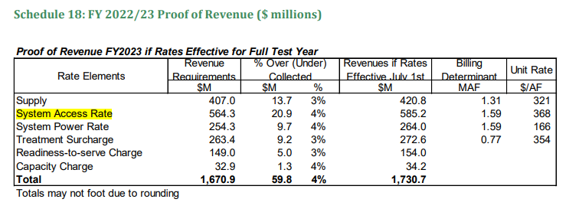
Metropolitan FY 2022/23 and 2023/24 Cost of Service Report
final-for-bdms-cos-fy2022-23-and-fy2023-24-option-4_5.pdf
Notes
Metropolitan’s volumetric rates recover operating costs as well as the portion of the conveyance and distribution system capital costs that are associated with meeting average water demands using system-wide rates that are the same for all customers
The Readiness-to-Serve (RTS) Charge recovers system capital costs for emergency storage capacity and ensures there is adequate capacity in the conveyance and distribution systems to reliably deliver supplies during emergencies, major facility outages, hydrologic variability, and variances in local resources
Capacity Charge recovers distribution system capital costs necessary to meet peak member agency needs on Metropolitan’s distribution system during the summer
System Access Rate recovers, among other costs, the capital, operating, maintenance, and overhead costs associated with the interconnected regional delivery network necessary to deliver water to meet member agencies’ average annual demands, which include the costs of conveyance facilities (facilities outside of Metropolitan’s service area) and distribution facilities (facilities within Metropolitan’s Distribution System), and portions of Regulatory/Emergency Storage facilities.
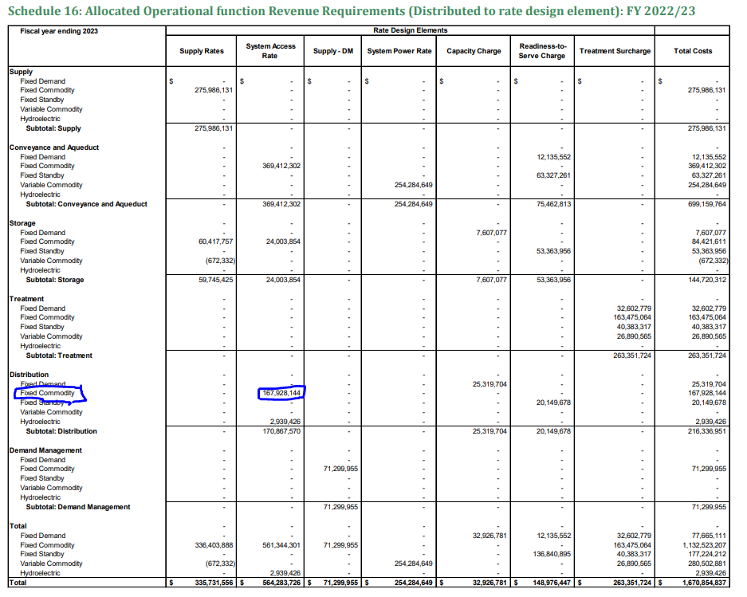
 | Distribution--no variable commodity costs (costs that vary with the amount of water delivered)
 | Fixed Commodity percentage includes fixed O&M and capital financing costs associated with meeting average demands

Schedule 16: Allocated Operational function Revenue Requirements (Distributed to rate design element): FY2022:23
 | System Access Rate
Distribution--Fixed Commodity | 167,928,144 | 29.8%

Total Revenue Requirement | 564,283,726

2022 Rate

 | Unit Rate ($/AF | Share of unit rate attributable to Distribution fixed commodity | (2022 dollars)
System Access Rate | 389 | 115.8 | 115.8

Average Projected increase (2021-2030) | 4.1%

Projected Rates | 2020 | 2021 | 2022 | 2023 | 2024 | 2025 | 2026 | 2027 | 2028 | 2029 | 2030 | 2031 | 2032 | 2033 | 2034 | 2035 | 2036 | 2037 | 2038 | 2039 | 2040 | 2041 | 2042 | 2043 | 2044 | 2045
System Access Rate Forecast | $346 | $373 | $389 | $389 | $406 | $428 | $441 | $459 | $478 | $499 | $518
rate of increase |  | 8% | 4% | 0% | 4% | 5% | 3% | 4% | 4% | 4% | 4%

Distribution portion of System Access Rate Forecast | 116 | 121 | 126 | 131 | 136 | 142 | 148 | 154 | 160 | 167 | 174 | 181 | 188 | 196 | 204 | 213 | 221 | 230 | 240 | 250 | 260 | 271 | 282 | 294 | 306 | 319

Contra Costa Water Dist WB QAQC
Year | 2045 |  |  |  |  | min | (40,858)
Contractor: | Contra Costa Water District |  |  |  |  | max | (7,136)
Year | Year Type | UWMP Year Type | Demand | Conservation | Base Supply | SWP/CVP Supply | Remaining Demand (if +)/Excess Supply (if -) to be taken/put out/into storage |  | Supply/demand mgmt options not included in this sheet:
1922 | BN | SD | 290,910 | 7,310 | 166,100 | 132,144 | (14,644) |  | Storage
1923 | D | MD | 290,910 | 7,310 | 169,300 | 135,043 | (20,743) |  | Contingent options
1924 | D | MD | 290,910 | 7,310 | 169,300 | 149,108 | (34,808) |  | Long-term WMOs
1925 | AN | NB | 290,910 | 7,310 | 165,460 | 148,712 | (30,572)
1926 | D | SD | 290,910 | 7,310 | 166,100 | 148,373 | (30,873) |  | Resulting Optimized Portfolio (7/12/23) | Optimized Value | Volume Available
1927 | BN | MD | 290,910 | 7,310 | 169,300 | 131,836 | (17,536) | 1 | Conservation |  | 11800
1928 | D | MD | 290,910 | 7,310 | 169,300 | 131,914 | (17,614) | 2 | Surface supply |  | 0
1929 | C | MD | 290,910 | 7,310 | 169,300 | 146,269 | (31,969) | 3 | Groundwater |  | 0
1930 | BN | MD | 290,910 | 7,310 | 169,300 | 149,720 | (35,420) | 4 | Desalination |  | 0
1931 | C | MD | 290,910 | 7,310 | 169,300 | 152,900 | (38,600) | 5 | Recycled |  | 3360
1932 | C | MD | 290,910 | 7,310 | 169,300 | 153,048 | (38,748) | 6 | Potable reuse |  | 0
1933 | D | MD | 290,910 | 7,310 | 169,300 | 155,158 | (40,858) | 7 | Transfers and exchanges |  | 2000
1934 | D | MD | 290,910 | 7,310 | 169,300 | 155,158 | (40,858) | 8 | Other |  | 0
1935 | AN | NB | 290,910 | 7,310 | 165,460 | 144,754 | (26,614)
1936 | C | SD | 290,910 | 7,310 | 166,100 | 133,235 | (15,735) |  | Expected Costs and Losses ($ Million)
1937 | BN | MD | 290,910 | 7,310 | 169,300 | 136,051 | (21,751)
1938 | AN | NB | 290,910 | 7,310 | 165,460 | 127,437 | (9,297)
1939 | D | SD | 290,910 | 7,310 | 166,100 | 141,973 | (24,473)
1940 | BN | MD | 290,910 | 7,310 | 169,300 | 130,743 | (16,443) |  | QAQC Notes:
1941 | W | NB | 290,910 | 7,310 | 165,460 | 125,502 | (7,362)
1942 | W | NB | 290,910 | 7,310 | 165,460 | 125,502 | (7,362)
1943 | BN | SD | 290,910 | 7,310 | 166,100 | 125,558 | (8,058)
1944 | BN | MD | 290,910 | 7,310 | 169,300 | 140,739 | (26,439) |  | UWMP Normal Year Demand: | 283,600 | Table 7-2 | 308200 | 334050 | 343070 | 348340 | 350760
1945 | BN | MD | 290,910 | 7,310 | 169,300 | 139,925 | (25,625) |  | UWMP Single Dry Year Demand: | 283,600 | Table 7-3 | 184720 | 204200 | 209070 | 211040 | 211860
1946 | D | MD | 290,910 | 7,310 | 169,300 | 134,898 | (20,598) |  | UWMP Multi-Dry Year Demand: | 283,600 | Table 7-4 | 162638 | 180982 | 185574 | 187544 | 188364
1947 | D | MD | 290,910 | 7,310 | 169,300 | 143,909 | (29,609) |  | UWMP Normal Year Total Supply: | 350,800 | Table 7-2
1948 | AN | NB | 290,910 | 7,310 | 165,460 | 143,941 | (25,801) |  | UWMP Single Dry Year Total Supply: | 302,600 | Table 7-3
1949 | D | SD | 290,910 | 7,310 | 166,100 | 143,909 | (26,409) |  | UWMP Multi-Dry Year Total Supply: | 290,200 | Table 7-4
1950 | D | MD | 290,910 | 7,310 | 169,300 | 142,496 | (28,196)
1951 | BN | MD | 290,910 | 7,310 | 169,300 | 127,437 | (13,137) |  | UWMP CVP reported supply (Normal Year): | 185,300 | 136,707
1952 | BN | MD | 290,910 | 7,310 | 169,300 | 125,276 | (10,976) |  | UWMP CVP reported supply (Single Dry Year): | 136,500 | 125,276
1953 | D | MD | 290,910 | 7,310 | 169,300 | 131,538 | (17,238) |  | UWMP CVP reported supply (Multi-Dry Year): | 120,900
1954 | BN | MD | 290,910 | 7,310 | 169,300 | 132,144 | (17,844)
1955 | BN | MD | 290,910 | 7,310 | 169,300 | 141,571 | (27,271) |  | UWMP Normal Year Supply and Demand Comparison: | 67,200
1956 | D | MD | 290,910 | 7,310 | 169,300 | 130,687 | (16,387) |  | UWMP Single Dry Year Supply and Demand Comparison: | 19,000
1957 | AN | NB | 290,910 | 7,310 | 165,460 | 134,436 | (16,296) |  | UWMP Multi-Dry Year Supply and Demand Comparison: | 6,600
1958 | BN | SD | 290,910 | 7,310 | 166,100 | 127,437 | (9,937)
1959 | C | MD | 290,910 | 7,310 | 169,300 | 134,436 | (20,136)
1960 | BN | MD | 290,910 | 7,310 | 169,300 | 142,108 | (27,808)
1961 | BN | MD | 290,910 | 7,310 | 169,300 | 146,811 | (32,511)
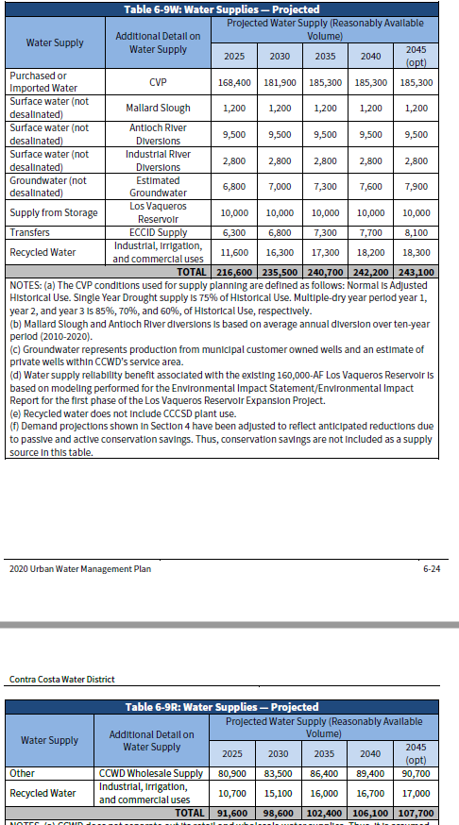
1962 | BN | MD | 290,910 | 7,310 | 169,300 | 139,925 | (25,625)
1963 | W | NB | 290,910 | 7,310 | 165,460 | 128,282 | (10,142)
1964 | BN | SD | 290,910 | 7,310 | 166,100 | 139,176 | (21,676)
1965 | AN | NB | 290,910 | 7,310 | 165,460 | 131,780 | (13,640)
1966 | C | SD | 290,910 | 7,310 | 166,100 | 134,436 | (16,936)
1967 | AN | NB | 290,910 | 7,310 | 165,460 | 128,282 | (10,142)
1968 | BN | SD | 290,910 | 7,310 | 166,100 | 134,210 | (16,710)
1969 | BN | MD | 290,910 | 7,310 | 169,300 | 127,437 | (13,137)
1970 | BN | MD | 290,910 | 7,310 | 169,300 | 125,502 | (11,202)
1971 | BN | MD | 290,910 | 7,310 | 169,300 | 125,502 | (11,202)
1972 | BN | MD | 290,910 | 7,310 | 169,300 | 134,210 | (19,910)
1973 | AN | NB | 290,910 | 7,310 | 165,460 | 133,473 | (15,333)
1974 | BN | SD | 290,910 | 7,310 | 166,100 | 126,108 | (8,608)
1975 | AN | NB | 290,910 | 7,310 | 165,460 | 132,140 | (14,000)
1976 | D | SD | 290,910 | 7,310 | 166,100 | 145,601 | (28,101)
1977 | D | MD | 290,910 | 7,310 | 169,300 | 155,158 | (40,858)
1978 | BN | MD | 290,910 | 7,310 | 169,300 | 134,094 | (19,794)
1979 | AN | NB | 290,910 | 7,310 | 165,460 | 134,436 | (16,296)
1980 | BN | SD | 290,910 | 7,310 | 166,100 | 132,390 | (14,890)
1981 | BN | MD | 290,910 | 7,310 | 169,300 | 135,043 | (20,743)
1982 | W | NB | 290,910 | 7,310 | 165,460 | 127,437 | (9,297)
1983 | W | NB | 290,910 | 7,310 | 165,460 | 125,502 | (7,362)
1984 | D | SD | 290,910 | 7,310 | 166,100 | 125,276 | (7,776)
1985 | BN | MD | 290,910 | 7,310 | 169,300 | 134,436 | (20,136)
1986 | BN | MD | 290,910 | 7,310 | 169,300 | 127,437 | (13,137)
1987 | AN | NB | 290,910 | 7,310 | 165,460 | 141,973 | (23,833)
1988 | D | SD | 290,910 | 7,310 | 166,100 | 150,848 | (33,348)
1989 | BN | MD | 290,910 | 7,310 | 169,300 | 144,940 | (30,640)
1990 | BN | MD | 290,910 | 7,310 | 169,300 | 147,598 | (33,298)
1991 | AN | NB | 290,910 | 7,310 | 165,460 | 155,158 | (37,018)
1992 | BN | SD | 290,910 | 7,310 | 166,100 | 154,066 | (36,566)
1993 | AN | NB | 290,910 | 7,310 | 165,460 | 139,285 | (21,145)
1994 | AN | NB | 290,910 | 7,310 | 165,460 | 141,571 | (23,431)
1995 | W | NB | 290,910 | 7,310 | 165,460 | 131,047 | (12,907)
1996 | BN | SD | 290,910 | 7,310 | 166,100 | 125,276 | (7,776)
1997 | C | MD | 290,910 | 7,310 | 169,300 | 125,502 | (11,202)
1998 | W | NB | 290,910 | 7,310 | 165,460 | 125,502 | (7,362)
1999 | AN | NB | 290,910 | 7,310 | 165,460 | 125,502 | (7,362)
2000 | AN | NB | 290,910 | 7,310 | 165,460 | 125,276 | (7,136)
2001 | BN | SD | 290,910 | 7,310 | 166,100 | 141,973 | (24,473)
2002 | BN | MD | 290,910 | 7,310 | 169,300 | 139,925 | (25,625)
2003 | AN | NB | 290,910 | 7,310 | 165,460 | 133,473 | (15,333)
2004 | BN | SD | 290,910 | 7,310 | 166,100 | 131,930 | (14,430)
2005 | W | NB | 290,910 | 7,310 | 165,460 | 132,746 | (14,606)
2006 | AN | NB | 290,910 | 7,310 | 165,460 | 126,108 | (7,968)
2007 | BN | SD | 290,910 | 7,310 | 166,100 | 134,436 | (16,936)
2008 | C | MD | 290,910 | 7,310 | 169,300 | 142,662 | (28,362)
2009 | BN | MD | 290,910 | 7,310 | 169,300 | 147,462 | (33,162)
2010 | W | NB | 290,910 | 7,310 | 165,460 | 139,925 | (21,785)
2011 | AN | NB | 290,910 | 7,310 | 165,460 | 127,493 | (9,353)
2012 | BN | SD | 290,910 | 7,310 | 166,100 | 135,219 | (17,719)
2013 | C | MD | 290,910 | 7,310 | 169,300 | 136,372 | (22,072)
2014 | D | MD | 290,910 | 7,310 | 169,300 | 149,346 | (35,046)

Mojave Water Agency WB QAQC
Year | 2045 |  |  |  |  | min | (78,012)
Contractor: | Mojave Water Agency |  |  |  |  | max | 16,240
Year | Year Type | UWMP Year Type | Demand | Conservation | Base Supply | SWP/CVP Supply | Remaining Demand (if +)/Excess Supply (if -) to be taken/put out/into storage |  | Supply/demand mgmt options not included in this sheet:
1922 | AN | NB | 148,134 | 5,034 | 114,014 | 40,746 | (11,660) |  | Storage
1923 | BN | SD | 147,934 | 5,034 | 138,410 | 64,037 | (59,547) |  | Contingent options
1924 | D | MD | 147,934 | 5,034 | 125,675 | 33,113 | (15,889) |  | Long-term WMOs
1925 | BN | MD | 147,934 | 5,034 | 125,675 | 25,392 | (8,167)
1926 | BN | MD | 147,934 | 5,034 | 125,675 | 37,011 | (19,786) |  | Resulting Optimized Portfolio (7/12/23) | Optimized Value | Volume Available
1927 | W | NB | 148,134 | 5,034 | 114,014 | 45,856 | (16,770) | 1 | Conservation |  | 0
1928 | D | SD | 147,934 | 5,034 | 138,410 | 57,610 | (53,120) | 2 | Surface supply |  | 0
1929 | BN | MD | 147,934 | 5,034 | 125,675 | 36,417 | (19,192) | 3 | Groundwater |  | 0
1930 | AN | NB | 148,134 | 5,034 | 114,014 | 30,348 | (1,262) | 4 | Desalination |  | 0
1931 | AN | NB | 148,134 | 5,034 | 114,014 | 18,809 | 10,277 | 5 | Recycled |  | 0
1932 | BN | SD | 147,934 | 5,034 | 138,410 | 15,789 | (11,299) | 6 | Potable reuse |  | 0
1933 | BN | MD | 147,934 | 5,034 | 125,675 | 29,321 | (12,096) | 7 | Transfers and exchanges |  | 1000
1934 | D | MD | 147,934 | 5,034 | 125,675 | 14,812 | 2,413 | 8 | Other |  | 0
1935 | AN | NB | 148,134 | 5,034 | 114,014 | 41,328 | (12,242)
1936 | BN | SD | 147,934 | 5,034 | 138,410 | 37,720 | (33,230) |  | Expected Costs and Losses ($ Million)
1937 | BN | MD | 147,934 | 5,034 | 125,675 | 52,858 | (35,634)
1938 | W | NB | 148,134 | 5,034 | 114,014 | 65,559 | (36,473)
1939 | BN | SD | 147,934 | 5,034 | 138,410 | 75,927 | (71,437)
1940 | BN | MD | 147,934 | 5,034 | 125,675 | 34,684 | (17,459) |  | QAQC Notes:
1941 | W | NB | 148,134 | 5,034 | 114,014 | 60,018 | (30,932)
1942 | C | SD | 147,934 | 5,034 | 138,410 | 77,433 | (72,943)
1943 | AN | NB | 148,134 | 5,034 | 114,014 | 66,837 | (37,751)
1944 | AN | NB | 148,134 | 5,034 | 114,014 | 52,958 | (23,872) |  | UWMP Normal Year Demand: | 142,900
1945 | BN | SD | 147,934 | 5,034 | 138,410 | 42,331 | (37,841) |  | UWMP Single Dry Year Demand: | 142,900
1946 | BN | MD | 147,934 | 5,034 | 125,675 | 63,494 | (46,269) |  | UWMP Multi-Dry Year Demand:
1947 | C | MD | 147,934 | 5,034 | 125,675 | 55,237 | (38,012) |  | UWMP Normal Year Total Supply: | 160,710
1948 | D | MD | 147,934 | 5,034 | 125,675 | 36,683 | (19,459) |  | UWMP Single Dry Year Total Supply: | 142,900
1949 | D | MD | 147,934 | 5,034 | 125,675 | 31,304 | (14,080) |  | UWMP Multi-Dry Year Total Supply:
1950 | C | MD | 147,934 | 5,034 | 125,675 | 42,064 | (24,840)
1951 | BN | MD | 147,934 | 5,034 | 125,675 | 42,900 | (25,676) |  | UWMP CVP reported supply (Normal Year): | 46,696 | 48,760
1952 | AN | NB | 148,134 | 5,034 | 114,014 | 68,996 | (39,910) |  | UWMP CVP reported supply (Single Dry Year): | 4,490 | 3,835
1953 | C | SD | 147,934 | 5,034 | 138,410 | 71,644 | (67,154) |  | UWMP CVP reported supply (Multi-Dry Year): | 17,960
1954 | BN | MD | 147,934 | 5,034 | 125,675 | 54,882 | (37,658)
1955 | BN | MD | 147,934 | 5,034 | 125,675 | 36,356 | (19,131) |  | UWMP Normal Year Supply and Demand Comparison: | 17,810
1956 | D | MD | 147,934 | 5,034 | 125,675 | 43,936 | (26,711) |  | UWMP Single Dry Year Supply and Demand Comparison: | -
1957 | AN | NB | 148,134 | 5,034 | 114,014 | 73,313 | (44,227) |  | UWMP Multi-Dry Year Supply and Demand Comparison: | -
1958 | AN | NB | 148,134 | 5,034 | 114,014 | 55,060 | (25,974)
1959 | D | SD | 147,934 | 5,034 | 138,410 | 75,519 | (71,029)
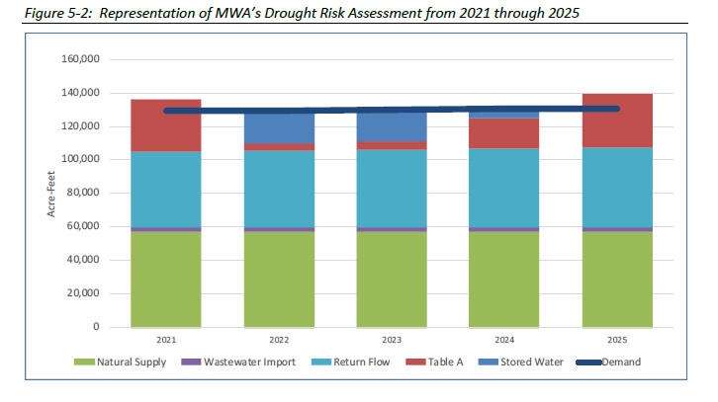
1960 | D | MD | 147,934 | 5,034 | 125,675 | 46,143 | (28,919)
1961 | D | MD | 147,934 | 5,034 | 125,675 | 22,851 | (5,626)
1962 | D | MD | 147,934 | 5,034 | 125,675 | 38,336 | (21,112)
1963 | AN | NB | 148,134 | 5,034 | 114,014 | 51,723 | (22,637)
1964 | BN | SD | 147,934 | 5,034 | 138,410 | 53,934 | (49,444)
1965 | AN | NB | 148,134 | 5,034 | 114,014 | 32,571 | (3,485)
1966 | C | SD | 147,934 | 5,034 | 138,410 | 42,401 | (37,911)
1967 | AN | NB | 148,134 | 5,034 | 114,014 | 69,137 | (40,051)
1968 | BN | SD | 147,934 | 5,034 | 138,410 | 67,950 | (63,460)
1969 | AN | NB | 148,134 | 5,034 | 114,014 | 62,772 | (33,686)
1970 | BN | SD | 147,934 | 5,034 | 138,410 | 61,252 | (56,762)
1971 | BN | MD | 147,934 | 5,034 | 125,675 | 63,186 | (45,961)
1972 | D | MD | 147,934 | 5,034 | 125,675 | 45,033 | (27,808)
1973 | BN | MD | 147,934 | 5,034 | 125,675 | 57,079 | (39,855)
1974 | BN | MD | 147,934 | 5,034 | 125,675 | 64,024 | (46,799)
1975 | BN | MD | 147,934 | 5,034 | 125,675 | 57,911 | (40,686)
1976 | BN | MD | 147,934 | 5,034 | 125,675 | 59,821 | (42,596)
1977 | BN | MD | 147,934 | 5,034 | 125,675 | 4,871 | 12,354
1978 | W | NB | 148,134 | 5,034 | 114,014 | 43,928 | (14,842)
1979 | BN | SD | 147,934 | 5,034 | 138,410 | 72,453 | (67,963)
1980 | AN | NB | 148,134 | 5,034 | 114,014 | 55,323 | (26,237)
1981 | BN | SD | 147,934 | 5,034 | 138,410 | 67,148 | (62,658)
1982 | W | NB | 148,134 | 5,034 | 114,014 | 55,101 | (26,015)
1983 | W | NB | 148,134 | 5,034 | 114,014 | 71,623 | (42,537)
1984 | BN | SD | 147,934 | 5,034 | 138,410 | 60,834 | (56,344)
1985 | D | MD | 147,934 | 5,034 | 125,675 | 68,342 | (51,117)
1986 | BN | MD | 147,934 | 5,034 | 125,675 | 57,513 | (40,288)
1987 | AN | NB | 148,134 | 5,034 | 114,014 | 49,712 | (20,626)
1988 | BN | SD | 147,934 | 5,034 | 138,410 | 14,293 | (9,803)
1989 | C | MD | 147,934 | 5,034 | 125,675 | 40,573 | (23,349)
1990 | D | MD | 147,934 | 5,034 | 125,675 | 24,590 | (7,366)
1991 | AN | NB | 148,134 | 5,034 | 114,014 | 12,846 | 16,240
1992 | W | NB | 148,134 | 5,034 | 114,014 | 17,760 | 11,326
1993 | BN | SD | 147,934 | 5,034 | 138,410 | 42,084 | (37,594)
1994 | BN | MD | 147,934 | 5,034 | 125,675 | 47,395 | (30,170)
1995 | BN | MD | 147,934 | 5,034 | 125,675 | 52,265 | (35,041)
1996 | BN | MD | 147,934 | 5,034 | 125,675 | 80,112 | (62,887)
1997 | BN | MD | 147,934 | 5,034 | 125,675 | 52,876 | (35,651)
1998 | W | NB | 148,134 | 5,034 | 114,014 | 67,192 | (38,106)
1999 | D | SD | 147,934 | 5,034 | 138,410 | 81,152 | (76,662)
2000 | D | MD | 147,934 | 5,034 | 125,675 | 60,729 | (43,504)
2001 | BN | MD | 147,934 | 5,034 | 125,675 | 41,548 | (24,324)
2002 | D | MD | 147,934 | 5,034 | 125,675 | 38,288 | (21,063)
2003 | AN | NB | 148,134 | 5,034 | 114,014 | 29,208 | (122)
2004 | AN | NB | 148,134 | 5,034 | 114,014 | 42,287 | (13,201)
2005 | W | NB | 148,134 | 5,034 | 114,014 | 55,952 | (26,866)
2006 | D | SD | 147,934 | 5,034 | 138,410 | 82,502 | (78,012)
2007 | C | MD | 147,934 | 5,034 | 125,675 | 77,785 | (60,560)
2008 | BN | MD | 147,934 | 5,034 | 125,675 | 17,301 | (76)
2009 | C | MD | 147,934 | 5,034 | 125,675 | 26,314 | (9,090)
2010 | AN | NB | 148,134 | 5,034 | 114,014 | 37,575 | (8,489)
2011 | BN | SD | 147,934 | 5,034 | 138,410 | 56,420 | (51,930)
2012 | C | MD | 147,934 | 5,034 | 125,675 | 80,797 | (63,572)
2013 | D | MD | 147,934 | 5,034 | 125,675 | 39,687 | (22,463)
2014 | D | MD | 147,934 | 5,034 | 125,675 | 3,835 | 13,390

