冷冻侧供回水旁通管压力PIT_6_PT_4等设备趋势曲线202
冷冻侧供回水旁通管压力PIT_6_PT_4等设备趋势曲线2024-10-15至2024-10-30

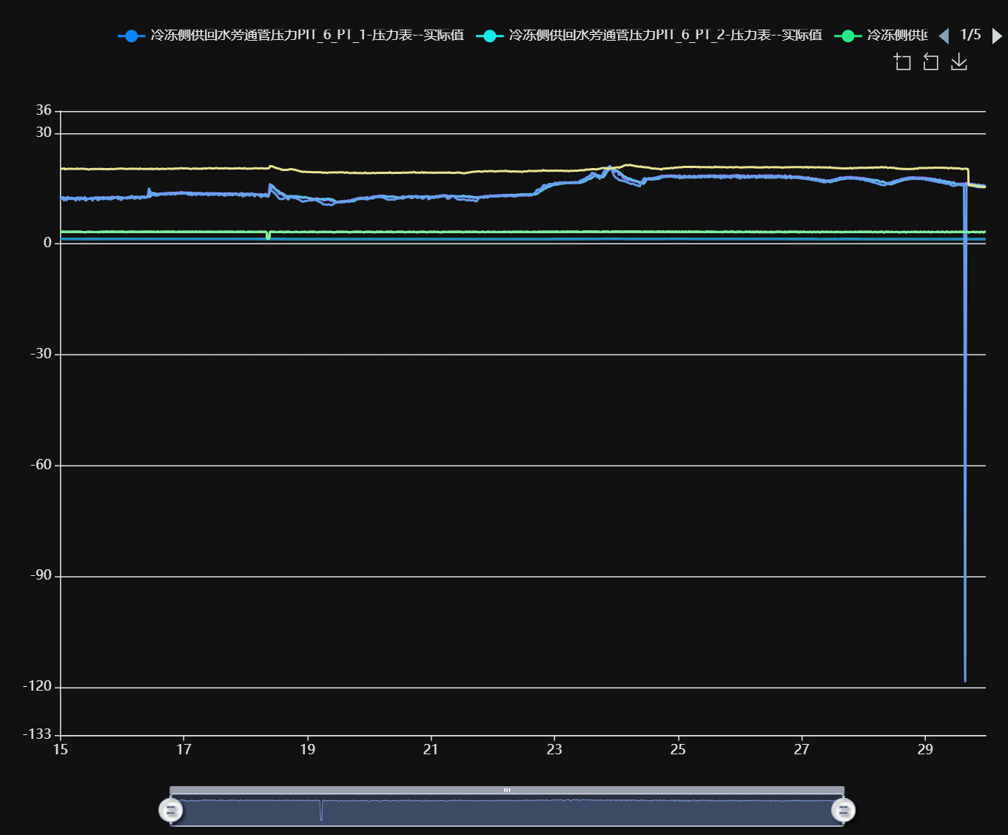

记录时间 | 冷冻侧供回水旁通管压力PIT_6_PT_1-压力表--实际值 | 冷冻侧供回水旁通管压力PIT_6_PT_2-压力表--实际值 | 冷冻侧供回水旁通管压力PIT_6_PT_3-压力表--实际值 | 冷冻侧供回水旁通管压力PIT_6_PT_4-压力表--实际值 | 冷冻侧供水环网温度TIT_6_CHWS_1-温度计--实际值 | 冷冻侧供水环网温度TIT_6_CHWS_2-温度计--实际值 | 冷冻侧供水环网温度TIT_6_CHWS_3-温度计--实际值 | 冷冻侧供水环网温度TIT_6_CHWS_4-温度计--实际值 | 冷冻侧供水环网压力PIT_6_CHWS_5-压力表--实际值 | 冷冻侧供水环网压力PIT_6_CHWS_6-压力表--实际值
2024-10-15 00:00:00 | 3.31 | 1.39 | 3.31 | 1.32 | 12.71 | 12.53 | 12.24 | 20.36 | 3.31 | 3.30
2024-10-15 00:30:00 | 3.30 | 1.39 | 3.29 | 1.32 | 12.33 | 12.53 | 12.30 | 20.37 | 3.29 | 3.29
2024-10-15 01:00:00 | 3.32 | 1.39 | 3.31 | 1.32 | 12.65 | 12.58 | 12.55 | 20.38 | 3.32 | 3.30
2024-10-15 01:30:00 | 3.30 | 1.39 | 3.30 | 1.32 | 12.25 | 12.43 | 11.78 | 20.46 | 3.29 | 3.28
2024-10-15 02:00:00 | 3.27 | 1.39 | 3.26 | 1.32 | 12.33 | 12.46 | 12.56 | 20.21 | 3.26 | 3.25
2024-10-15 02:30:00 | 3.29 | 1.39 | 3.29 | 1.32 | 12.60 | 12.45 | 11.82 | 20.32 | 3.29 | 3.28
2024-10-15 03:00:00 | 3.27 | 1.39 | 3.26 | 1.32 | 12.27 | 12.44 | 12.75 | 20.35 | 3.26 | 3.25
2024-10-15 03:30:00 | 3.30 | 1.39 | 3.29 | 1.31 | 12.37 | 12.33 | 12.23 | 20.35 | 3.29 | 3.28
2024-10-15 04:00:00 | 3.26 | 1.39 | 3.25 | 1.32 | 12.48 | 12.42 | 12.17 | 20.37 | 3.25 | 3.25
2024-10-15 04:30:00 | 3.26 | 1.39 | 3.26 | 1.32 | 12.48 | 12.42 | 12.34 | 20.37 | 3.26 | 3.24
2024-10-15 05:00:00 | 3.30 | 1.38 | 3.29 | 1.31 | 12.17 | 12.33 | 12.27 | 20.33 | 3.29 | 3.29
2024-10-15 05:30:00 | 3.30 | 1.38 | 3.29 | 1.31 | 12.39 | 12.29 | 12.17 | 20.32 | 3.29 | 3.28
2024-10-15 06:00:00 | 3.29 | 1.38 | 3.29 | 1.31 | 12.39 | 12.34 | 11.78 | 20.32 | 3.29 | 3.28
2024-10-15 06:30:00 | 3.32 | 1.38 | 3.32 | 1.31 | 12.13 | 12.43 | 12.24 | 20.48 | 3.32 | 3.31
2024-10-15 07:00:00 | 3.29 | 1.38 | 3.28 | 1.31 | 12.65 | 12.40 | 12.34 | 20.29 | 3.28 | 3.27
2024-10-15 07:30:00 | 3.30 | 1.38 | 3.30 | 1.31 | 12.17 | 12.36 | 11.88 | 20.34 | 3.30 | 3.29
2024-10-15 08:00:00 | 3.30 | 1.38 | 3.29 | 1.31 | 12.29 | 12.52 | 12.52 | 20.36 | 3.29 | 3.29
2024-10-15 08:30:00 | 3.24 | 1.34 | 3.24 | 1.27 | 12.23 | 12.30 | 12.51 | 20.37 | 3.24 | 3.23
2024-10-15 09:00:00 | 3.25 | 1.34 | 3.24 | 1.27 | 12.20 | 12.26 | 12.08 | 20.36 | 3.24 | 3.23
2024-10-15 09:30:00 | 3.17 | 1.35 | 3.17 | 1.27 | 12.20 | 12.21 | 12.74 | 20.31 | 3.17 | 3.16
2024-10-15 10:00:00 | 3.23 | 1.35 | 3.23 | 1.27 | 12.32 | 12.28 | 11.72 | 20.29 | 3.22 | 3.21
2024-10-15 10:30:00 | 3.27 | 1.35 | 3.25 | 1.27 | 12.21 | 12.28 | 12.16 | 20.27 | 3.25 | 3.24
2024-10-15 11:00:00 | 3.26 | 1.35 | 3.25 | 1.27 | 12.25 | 12.24 | 12.17 | 20.16 | 3.25 | 3.25
2024-10-15 11:30:00 | 3.29 | 1.35 | 3.28 | 1.27 | 12.25 | 12.31 | 12.40 | 20.25 | 3.28 | 3.27
2024-10-15 12:00:00 | 3.24 | 1.35 | 3.24 | 1.27 | 12.30 | 12.42 | 12.44 | 20.30 | 3.23 | 3.22
2024-10-15 12:30:00 | 3.29 | 1.35 | 3.28 | 1.27 | 12.43 | 12.34 | 11.72 | 20.27 | 3.28 | 3.27
2024-10-15 13:00:00 | 3.22 | 1.35 | 3.22 | 1.27 | 12.33 | 12.29 | 12.49 | 20.33 | 3.21 | 3.20
2024-10-15 13:30:00 | 3.23 | 1.35 | 3.23 | 1.28 | 12.48 | 12.27 | 12.61 | 20.31 | 3.22 | 3.21
2024-10-15 14:00:00 | 3.23 | 1.35 | 3.23 | 1.28 | 12.42 | 12.40 | 12.59 | 20.33 | 3.22 | 3.22
2024-10-15 14:30:00 | 3.27 | 1.35 | 3.26 | 1.28 | 12.60 | 12.33 | 11.89 | 20.32 | 3.26 | 3.25
2024-10-15 15:00:00 | 3.19 | 1.35 | 3.18 | 1.28 | 12.49 | 12.53 | 11.94 | 20.30 | 3.19 | 3.19
2024-10-15 15:30:00 | 3.28 | 1.38 | 3.27 | 1.31 | 12.45 | 12.53 | 12.19 | 20.29 | 3.27 | 3.27
2024-10-15 16:00:00 | 3.29 | 1.38 | 3.29 | 1.31 | 12.54 | 12.48 | 12.33 | 20.37 | 3.29 | 3.28
2024-10-15 16:30:00 | 3.25 | 1.39 | 3.25 | 1.31 | 12.64 | 12.49 | 12.13 | 20.26 | 3.25 | 3.24
2024-10-15 17:00:00 | 3.27 | 1.38 | 3.26 | 1.31 | 12.64 | 12.46 | 12.18 | 20.30 | 3.26 | 3.25
2024-10-15 17:30:00 | 3.30 | 1.38 | 3.29 | 1.31 | 12.51 | 12.36 | 12.32 | 20.27 | 3.29 | 3.28
2024-10-15 18:00:00 | 3.32 | 1.38 | 3.32 | 1.31 | 12.57 | 12.42 | 12.40 | 20.23 | 3.32 | 3.31
2024-10-15 18:30:00 | 3.30 | 1.39 | 3.29 | 1.31 | 12.55 | 12.57 | 12.16 | 20.28 | 3.29 | 3.29
2024-10-15 19:00:00 | 3.30 | 1.38 | 3.29 | 1.31 | 12.57 | 12.39 | 12.28 | 20.28 | 3.29 | 3.28
2024-10-15 19:30:00 | 3.29 | 1.38 | 3.28 | 1.31 | 12.46 | 12.46 | 12.04 | 20.33 | 3.28 | 3.27
2024-10-15 20:00:00 | 3.31 | 1.38 | 3.30 | 1.31 | 12.78 | 12.55 | 12.30 | 20.30 | 3.31 | 3.29
2024-10-15 20:30:00 | 3.32 | 1.38 | 3.31 | 1.31 | 12.73 | 12.52 | 12.25 | 20.24 | 3.31 | 3.30
2024-10-15 21:00:00 | 3.29 | 1.38 | 3.28 | 1.31 | 12.60 | 12.56 | 12.68 | 20.31 | 3.27 | 3.27
2024-10-15 21:30:00 | 3.29 | 1.38 | 3.28 | 1.31 | 12.63 | 12.58 | 12.55 | 20.31 | 3.28 | 3.27
2024-10-15 22:00:00 | 3.29 | 1.38 | 3.28 | 1.31 | 12.55 | 12.64 | 12.79 | 20.36 | 3.28 | 3.27
2024-10-15 22:30:00 | 3.30 | 1.38 | 3.30 | 1.31 | 12.78 | 12.71 | 12.12 | 20.39 | 3.29 | 3.29
2024-10-15 23:00:00 | 3.27 | 1.38 | 3.26 | 1.31 | 12.64 | 12.62 | 12.42 | 20.38 | 3.25 | 3.25
2024-10-15 23:30:00 | 3.30 | 1.38 | 3.29 | 1.31 | 12.60 | 12.57 | 11.89 | 20.42 | 3.29 | 3.28
2024-10-16 00:00:00 | 3.31 | 1.38 | 3.31 | 1.31 | 12.47 | 12.59 | 12.11 | 20.40 | 3.31 | 3.30
2024-10-16 00:30:00 | 3.30 | 1.38 | 3.29 | 1.31 | 12.52 | 12.48 | 12.38 | 20.40 | 3.29 | 3.28
2024-10-16 01:00:00 | 3.26 | 1.38 | 3.26 | 1.31 | 12.50 | 12.46 | 12.46 | 20.36 | 3.26 | 3.25
2024-10-16 01:30:00 | 3.20 | 1.38 | 3.20 | 1.31 | 12.61 | 12.43 | 12.35 | 20.32 | 3.20 | 3.18
2024-10-16 02:00:00 | 3.25 | 1.38 | 3.26 | 1.31 | 12.57 | 12.47 | 12.32 | 20.32 | 3.25 | 3.24
2024-10-16 02:30:00 | 3.29 | 1.38 | 3.29 | 1.31 | 12.76 | 12.57 | 12.47 | 20.36 | 3.29 | 3.28
2024-10-16 03:00:00 | 3.29 | 1.38 | 3.28 | 1.31 | 12.64 | 12.38 | 12.50 | 20.33 | 3.27 | 3.27
2024-10-16 03:30:00 | 3.32 | 1.38 | 3.31 | 1.31 | 12.70 | 12.51 | 12.98 | 20.39 | 3.31 | 3.30
2024-10-16 04:00:00 | 3.30 | 1.38 | 3.30 | 1.31 | 12.77 | 12.66 | 12.93 | 20.36 | 3.29 | 3.29
2024-10-16 04:30:00 | 3.28 | 1.38 | 3.28 | 1.31 | 12.69 | 12.70 | 12.32 | 20.40 | 3.27 | 3.27
2024-10-16 05:00:00 | 3.26 | 1.38 | 3.26 | 1.31 | 12.72 | 12.71 | 12.28 | 20.35 | 3.26 | 3.25
2024-10-16 05:30:00 | 3.26 | 1.38 | 3.26 | 1.31 | 12.72 | 12.68 | 12.47 | 20.35 | 3.26 | 3.25
2024-10-16 06:00:00 | 3.25 | 1.38 | 3.24 | 1.31 | 12.73 | 12.75 | 12.45 | 20.36 | 3.24 | 3.23
2024-10-16 06:30:00 | 3.28 | 1.38 | 3.28 | 1.31 | 12.74 | 12.62 | 12.63 | 20.24 | 3.27 | 3.27
2024-10-16 07:00:00 | 3.27 | 1.38 | 3.27 | 1.31 | 12.63 | 12.71 | 12.18 | 20.48 | 3.27 | 3.26
2024-10-16 07:30:00 | 3.29 | 1.38 | 3.29 | 1.31 | 12.70 | 12.79 | 12.71 | 20.34 | 3.28 | 3.28
2024-10-16 08:00:00 | 3.28 | 1.38 | 3.28 | 1.30 | 12.58 | 12.62 | 12.82 | 20.32 | 3.28 | 3.27
2024-10-16 08:30:00 | 3.30 | 1.38 | 3.30 | 1.30 | 12.84 | 12.55 | 12.75 | 20.31 | 3.29 | 3.29
2024-10-16 09:00:00 | 3.31 | 1.38 | 3.30 | 1.30 | 12.76 | 12.61 | 12.49 | 20.30 | 3.29 | 3.28
2024-10-16 09:30:00 | 3.29 | 1.38 | 3.28 | 1.30 | 12.81 | 12.61 | 12.62 | 20.31 | 3.27 | 3.28
2024-10-16 10:00:00 | 3.26 | 1.38 | 3.26 | 1.31 | 13.01 | 12.71 | 12.99 | 20.32 | 3.26 | 3.25
2024-10-16 10:30:00 | 3.31 | 1.38 | 3.30 | 1.31 | 13.11 | 12.75 | 14.99 | 20.35 | 3.30 | 3.29
2024-10-16 11:00:00 | 3.30 | 1.38 | 3.30 | 1.31 | 14.11 | 12.83 | 14.08 | 20.31 | 3.30 | 3.29
2024-10-16 11:30:00 | 3.29 | 1.38 | 3.29 | 1.31 | 13.84 | 13.78 | 13.62 | 20.43 | 3.29 | 3.28
2024-10-16 12:00:00 | 3.27 | 1.38 | 3.26 | 1.31 | 13.69 | 13.75 | 13.20 | 20.22 | 3.27 | 3.25
2024-10-16 12:30:00 | 3.27 | 1.38 | 3.27 | 1.31 | 13.51 | 13.78 | 13.24 | 20.36 | 3.27 | 3.26
2024-10-16 13:00:00 | 3.23 | 1.38 | 3.22 | 1.31 | 13.63 | 13.45 | 13.04 | 20.32 | 3.22 | 3.21
2024-10-16 13:30:00 | 3.31 | 1.38 | 3.30 | 1.31 | 13.51 | 13.54 | 13.21 | 20.40 | 3.30 | 3.29
2024-10-16 14:00:00 | 3.31 | 1.38 | 3.30 | 1.31 | 13.61 | 13.46 | 13.13 | 20.32 | 3.30 | 3.29
2024-10-16 14:30:00 | 3.25 | 1.39 | 3.24 | 1.31 | 13.60 | 13.43 | 13.43 | 20.28 | 3.24 | 3.23
2024-10-16 15:00:00 | 3.26 | 1.38 | 3.26 | 1.31 | 13.53 | 13.41 | 13.72 | 20.30 | 3.26 | 3.25
2024-10-16 15:30:00 | 3.27 | 1.39 | 3.27 | 1.31 | 13.68 | 13.43 | 13.66 | 20.36 | 3.27 | 3.27
2024-10-16 16:00:00 | 3.30 | 1.39 | 3.28 | 1.32 | 13.72 | 13.43 | 13.42 | 20.33 | 3.28 | 3.28
2024-10-16 16:30:00 | 3.30 | 1.39 | 3.30 | 1.31 | 13.72 | 13.48 | 13.41 | 20.30 | 3.29 | 3.29
2024-10-16 17:00:00 | 3.30 | 1.39 | 3.30 | 1.31 | 13.80 | 13.38 | 13.51 | 20.29 | 3.30 | 3.29
2024-10-16 17:30:00 | 3.29 | 1.39 | 3.28 | 1.31 | 13.72 | 13.47 | 13.69 | 20.39 | 3.28 | 3.27
2024-10-16 18:00:00 | 3.32 | 1.39 | 3.32 | 1.31 | 13.81 | 13.53 | 13.68 | 20.42 | 3.31 | 3.31
2024-10-16 18:30:00 | 3.26 | 1.39 | 3.27 | 1.32 | 13.82 | 13.55 | 13.62 | 20.35 | 3.26 | 3.25
2024-10-16 19:00:00 | 3.29 | 1.39 | 3.29 | 1.32 | 13.86 | 13.59 | 13.39 | 20.34 | 3.29 | 3.28
2024-10-16 19:30:00 | 3.29 | 1.39 | 3.29 | 1.32 | 13.83 | 13.60 | 13.52 | 20.38 | 3.29 | 3.28
2024-10-16 20:00:00 | 3.31 | 1.39 | 3.31 | 1.32 | 13.88 | 13.63 | 13.60 | 20.38 | 3.31 | 3.30
2024-10-16 20:30:00 | 3.28 | 1.39 | 3.27 | 1.32 | 13.85 | 13.60 | 13.41 | 20.43 | 3.27 | 3.26
2024-10-16 21:00:00 | 3.22 | 1.39 | 3.22 | 1.32 | 13.83 | 13.66 | 13.48 | 20.45 | 3.21 | 3.21
2024-10-16 21:30:00 | 3.30 | 1.39 | 3.29 | 1.32 | 13.97 | 13.64 | 13.61 | 20.41 | 3.29 | 3.28
2024-10-16 22:00:00 | 3.30 | 1.39 | 3.29 | 1.32 | 13.88 | 13.63 | 13.74 | 20.43 | 3.29 | 3.28
2024-10-16 22:30:00 | 3.28 | 1.39 | 3.28 | 1.32 | 13.88 | 13.62 | 13.61 | 20.52 | 3.27 | 3.27
2024-10-16 23:00:00 | 3.29 | 1.39 | 3.28 | 1.32 | 14.10 | 13.64 | 13.86 | 20.51 | 3.29 | 3.28
2024-10-16 23:30:00 | 3.28 | 1.39 | 3.27 | 1.32 | 13.94 | 13.66 | 13.66 | 20.48 | 3.27 | 3.27
2024-10-17 00:00:00 | 3.27 | 1.38 | 3.28 | 1.31 | 13.95 | 13.68 | 13.70 | 20.48 | 3.27 | 3.26
2024-10-17 00:30:00 | 3.30 | 1.39 | 3.28 | 1.32 | 13.94 | 13.70 | 13.64 | 20.46 | 3.29 | 3.28
2024-10-17 01:00:00 | 3.28 | 1.39 | 3.29 | 1.31 | 13.85 | 13.71 | 13.78 | 20.51 | 3.28 | 3.28
2024-10-17 01:30:00 | 3.30 | 1.39 | 3.30 | 1.31 | 13.95 | 13.74 | 13.36 | 20.44 | 3.29 | 3.29
2024-10-17 02:00:00 | 3.27 | 1.38 | 3.27 | 1.31 | 13.78 | 13.73 | 13.43 | 20.42 | 3.27 | 3.26
2024-10-17 02:30:00 | 3.27 | 1.39 | 3.26 | 1.31 | 13.94 | 13.73 | 13.36 | 20.33 | 3.26 | 3.26
...

