冷机冷冻侧出水压力PIT_1_CHWS_1等设备趋势曲线202
冷机冷冻侧出水压力PIT_1_CHWS_1等设备趋势曲线2024-10-15至2024-10-30

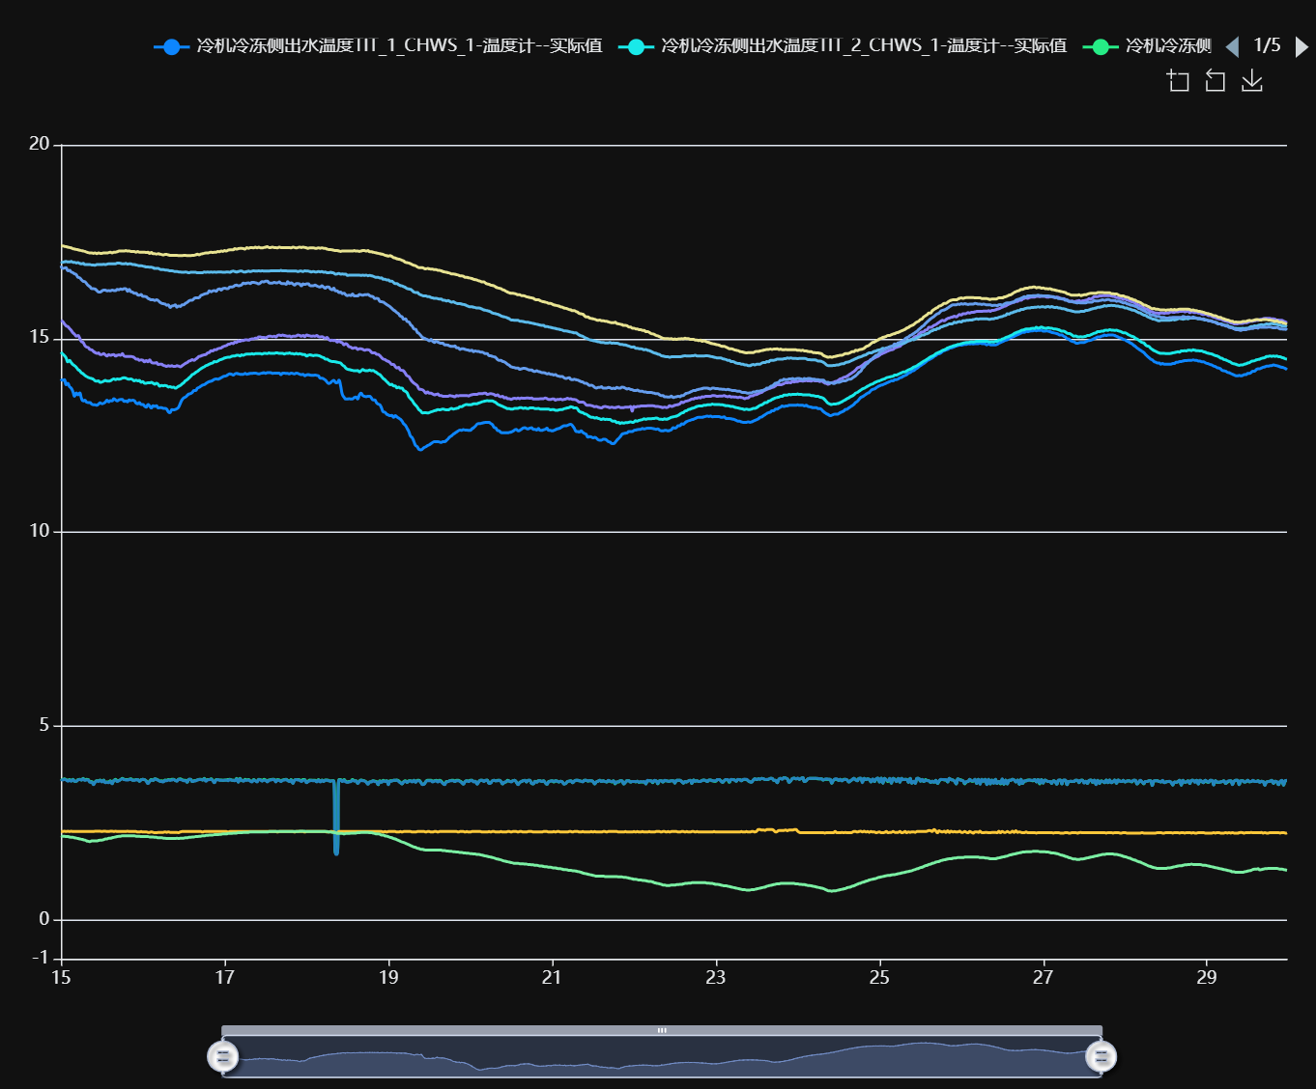

记录时间 | 冷机冷冻侧出水温度TIT_1_CHWS_1-温度计--实际值 | 冷机冷冻侧出水温度TIT_2_CHWS_1-温度计--实际值 | 冷机冷冻侧出水压力PIT_1_CHWS_1-压力表--实际值 | 冷机冷冻侧出水压力PIT_2_CHWS_1-压力表--实际值 | 冷机冷冻侧进水温度TIT_1_CHWR_3-温度计--实际值 | 冷机冷冻侧进水温度TIT_2_CHWR_3-温度计--实际值 | 冷机冷却侧出水温度TIT_1_CWS_1-温度计--实际值 | 冷机冷却侧出水温度TIT_2_CWS_1-温度计--实际值 | 冷机冷却侧出水压力PIT_1_CWS_1-压力表--实际值 | 冷机冷却侧出水压力PIT_2_CWS_1-压力表--实际值
2024-10-15 00:00:00 | 13.96 | 14.65 | 3.64 | 3.63 | 15.47 | 16.99 | 16.88 | 17.39 | 2.28 | 2.17
2024-10-15 00:30:00 | 13.92 | 14.60 | 3.62 | 3.61 | 15.44 | 16.97 | 16.81 | 17.39 | 2.28 | 2.16
2024-10-15 01:00:00 | 13.94 | 14.56 | 3.64 | 3.63 | 15.38 | 16.98 | 16.82 | 17.38 | 2.29 | 2.16
2024-10-15 01:30:00 | 13.81 | 14.50 | 3.62 | 3.61 | 15.33 | 16.99 | 16.83 | 17.37 | 2.28 | 2.15
2024-10-15 02:00:00 | 13.85 | 14.40 | 3.60 | 3.58 | 15.31 | 16.98 | 16.75 | 17.36 | 2.29 | 2.15
2024-10-15 02:30:00 | 13.76 | 14.44 | 3.62 | 3.61 | 15.26 | 16.98 | 16.76 | 17.35 | 2.28 | 2.14
2024-10-15 03:00:00 | 13.72 | 14.38 | 3.59 | 3.58 | 15.21 | 16.99 | 16.72 | 17.34 | 2.29 | 2.13
2024-10-15 03:30:00 | 13.63 | 14.33 | 3.63 | 3.62 | 15.15 | 16.97 | 16.70 | 17.32 | 2.28 | 2.13
2024-10-15 04:00:00 | 13.51 | 14.30 | 3.58 | 3.58 | 15.11 | 16.97 | 16.67 | 17.31 | 2.28 | 2.12
2024-10-15 04:30:00 | 13.60 | 14.26 | 3.58 | 3.58 | 15.06 | 16.95 | 16.65 | 17.30 | 2.28 | 2.11
2024-10-15 05:00:00 | 13.55 | 14.20 | 3.62 | 3.61 | 15.08 | 16.96 | 16.58 | 17.29 | 2.28 | 2.10
2024-10-15 05:30:00 | 13.60 | 14.17 | 3.63 | 3.62 | 15.01 | 16.94 | 16.57 | 17.28 | 2.28 | 2.09
2024-10-15 06:00:00 | 13.46 | 14.12 | 3.61 | 3.61 | 14.92 | 16.93 | 16.52 | 17.27 | 2.28 | 2.08
2024-10-15 06:30:00 | 13.39 | 14.09 | 3.65 | 3.64 | 14.90 | 16.94 | 16.48 | 17.26 | 2.28 | 2.07
2024-10-15 07:00:00 | 13.41 | 14.05 | 3.61 | 3.60 | 14.82 | 16.91 | 16.47 | 17.25 | 2.28 | 2.06
2024-10-15 07:30:00 | 13.36 | 14.02 | 3.63 | 3.61 | 14.78 | 16.91 | 16.42 | 17.23 | 2.28 | 2.04
2024-10-15 08:00:00 | 13.35 | 14.00 | 3.62 | 3.61 | 14.77 | 16.91 | 16.37 | 17.22 | 2.28 | 2.03
2024-10-15 08:30:00 | 13.35 | 13.98 | 3.56 | 3.55 | 14.72 | 16.91 | 16.34 | 17.21 | 2.28 | 2.02
2024-10-15 09:00:00 | 13.31 | 13.97 | 3.57 | 3.56 | 14.71 | 16.90 | 16.29 | 17.21 | 2.28 | 2.04
2024-10-15 09:30:00 | 13.29 | 13.95 | 3.50 | 3.49 | 14.67 | 16.90 | 16.29 | 17.20 | 2.28 | 2.04
2024-10-15 10:00:00 | 13.29 | 13.91 | 3.56 | 3.55 | 14.64 | 16.89 | 16.28 | 17.21 | 2.29 | 2.04
2024-10-15 10:30:00 | 13.28 | 13.90 | 3.59 | 3.59 | 14.62 | 16.91 | 16.24 | 17.19 | 2.29 | 2.04
2024-10-15 11:00:00 | 13.31 | 13.91 | 3.59 | 3.57 | 14.63 | 16.91 | 16.20 | 17.21 | 2.29 | 2.05
2024-10-15 11:30:00 | 13.34 | 13.87 | 3.61 | 3.60 | 14.59 | 16.91 | 16.20 | 17.20 | 2.29 | 2.06
2024-10-15 12:00:00 | 13.32 | 13.88 | 3.57 | 3.56 | 14.59 | 16.91 | 16.23 | 17.20 | 2.28 | 2.06
2024-10-15 12:30:00 | 13.33 | 13.90 | 3.61 | 3.60 | 14.61 | 16.92 | 16.25 | 17.21 | 2.29 | 2.07
2024-10-15 13:00:00 | 13.36 | 13.92 | 3.55 | 3.54 | 14.58 | 16.91 | 16.25 | 17.21 | 2.29 | 2.09
2024-10-15 13:30:00 | 13.41 | 13.90 | 3.56 | 3.55 | 14.55 | 16.92 | 16.23 | 17.21 | 2.28 | 2.09
2024-10-15 14:00:00 | 13.37 | 13.90 | 3.56 | 3.54 | 14.59 | 16.93 | 16.24 | 17.22 | 2.28 | 2.11
2024-10-15 14:30:00 | 13.40 | 13.91 | 3.59 | 3.58 | 14.57 | 16.93 | 16.23 | 17.23 | 2.29 | 2.11
2024-10-15 15:00:00 | 13.39 | 13.94 | 3.52 | 3.51 | 14.58 | 16.93 | 16.25 | 17.21 | 2.29 | 2.12
2024-10-15 15:30:00 | 13.45 | 13.96 | 3.60 | 3.60 | 14.59 | 16.93 | 16.24 | 17.23 | 2.28 | 2.13
2024-10-15 16:00:00 | 13.42 | 13.94 | 3.63 | 3.61 | 14.55 | 16.93 | 16.24 | 17.23 | 2.29 | 2.14
2024-10-15 16:30:00 | 13.39 | 13.96 | 3.58 | 3.57 | 14.57 | 16.95 | 16.27 | 17.24 | 2.28 | 2.15
2024-10-15 17:00:00 | 13.42 | 13.95 | 3.60 | 3.59 | 14.58 | 16.95 | 16.26 | 17.26 | 2.28 | 2.16
2024-10-15 17:30:00 | 13.43 | 13.96 | 3.62 | 3.62 | 14.57 | 16.94 | 16.28 | 17.26 | 2.28 | 2.16
2024-10-15 18:00:00 | 13.43 | 13.98 | 3.65 | 3.64 | 14.61 | 16.93 | 16.27 | 17.26 | 2.28 | 2.17
2024-10-15 18:30:00 | 13.38 | 13.99 | 3.63 | 3.62 | 14.55 | 16.93 | 16.29 | 17.26 | 2.28 | 2.17
2024-10-15 19:00:00 | 13.39 | 13.98 | 3.62 | 3.61 | 14.54 | 16.94 | 16.29 | 17.27 | 2.28 | 2.17
2024-10-15 19:30:00 | 13.37 | 13.96 | 3.62 | 3.61 | 14.54 | 16.92 | 16.22 | 17.26 | 2.29 | 2.17
2024-10-15 20:00:00 | 13.42 | 13.95 | 3.63 | 3.62 | 14.54 | 16.93 | 16.27 | 17.26 | 2.28 | 2.17
2024-10-15 20:30:00 | 13.40 | 13.96 | 3.64 | 3.63 | 14.54 | 16.93 | 16.21 | 17.25 | 2.28 | 2.17
2024-10-15 21:00:00 | 13.41 | 13.94 | 3.61 | 3.60 | 14.53 | 16.91 | 16.20 | 17.25 | 2.28 | 2.17
2024-10-15 21:30:00 | 13.40 | 13.91 | 3.61 | 3.60 | 14.51 | 16.91 | 16.17 | 17.25 | 2.28 | 2.17
2024-10-15 22:00:00 | 13.34 | 13.93 | 3.62 | 3.61 | 14.47 | 16.90 | 16.17 | 17.23 | 2.28 | 2.16
2024-10-15 22:30:00 | 13.32 | 13.91 | 3.62 | 3.62 | 14.47 | 16.89 | 16.13 | 17.25 | 2.27 | 2.16
2024-10-15 23:00:00 | 13.35 | 13.92 | 3.58 | 3.58 | 14.44 | 16.88 | 16.12 | 17.23 | 2.27 | 2.16
2024-10-15 23:30:00 | 13.30 | 13.87 | 3.62 | 3.61 | 14.45 | 16.88 | 16.14 | 17.23 | 2.28 | 2.15
2024-10-16 00:00:00 | 13.30 | 13.89 | 3.63 | 3.63 | 14.44 | 16.87 | 16.09 | 17.23 | 2.27 | 2.15
2024-10-16 00:30:00 | 13.26 | 13.85 | 3.62 | 3.62 | 14.40 | 16.86 | 16.09 | 17.23 | 2.27 | 2.15
2024-10-16 01:00:00 | 13.23 | 13.85 | 3.59 | 3.58 | 14.43 | 16.85 | 16.08 | 17.22 | 2.27 | 2.15
2024-10-16 01:30:00 | 13.30 | 13.86 | 3.53 | 3.52 | 14.40 | 16.85 | 16.04 | 17.23 | 2.26 | 2.15
2024-10-16 02:00:00 | 13.26 | 13.86 | 3.58 | 3.57 | 14.45 | 16.84 | 16.02 | 17.20 | 2.26 | 2.14
2024-10-16 02:30:00 | 13.21 | 13.87 | 3.62 | 3.61 | 14.39 | 16.84 | 16.00 | 17.22 | 2.27 | 2.14
2024-10-16 03:00:00 | 13.27 | 13.85 | 3.60 | 3.60 | 14.37 | 16.83 | 16.00 | 17.19 | 2.26 | 2.14
2024-10-16 03:30:00 | 13.25 | 13.82 | 3.64 | 3.64 | 14.37 | 16.81 | 15.98 | 17.19 | 2.25 | 2.13
2024-10-16 04:00:00 | 13.27 | 13.85 | 3.63 | 3.62 | 14.38 | 16.81 | 16.00 | 17.18 | 2.25 | 2.13
2024-10-16 04:30:00 | 13.21 | 13.82 | 3.61 | 3.60 | 14.33 | 16.81 | 15.98 | 17.19 | 2.26 | 2.12
2024-10-16 05:00:00 | 13.22 | 13.77 | 3.58 | 3.58 | 14.34 | 16.79 | 15.94 | 17.18 | 2.26 | 2.12
2024-10-16 05:30:00 | 13.22 | 13.79 | 3.59 | 3.57 | 14.34 | 16.78 | 15.91 | 17.17 | 2.26 | 2.12
2024-10-16 06:00:00 | 13.20 | 13.78 | 3.57 | 3.56 | 14.31 | 16.78 | 15.90 | 17.16 | 2.26 | 2.11
2024-10-16 06:30:00 | 13.20 | 13.79 | 3.61 | 3.60 | 14.30 | 16.77 | 15.89 | 17.17 | 2.27 | 2.11
2024-10-16 07:00:00 | 13.18 | 13.78 | 3.60 | 3.59 | 14.28 | 16.77 | 15.86 | 17.17 | 2.26 | 2.10
2024-10-16 07:30:00 | 13.11 | 13.75 | 3.62 | 3.61 | 14.30 | 16.76 | 15.87 | 17.16 | 2.27 | 2.10
2024-10-16 08:00:00 | 13.09 | 13.76 | 3.61 | 3.60 | 14.29 | 16.75 | 15.80 | 17.15 | 2.26 | 2.10
2024-10-16 08:30:00 | 13.17 | 13.74 | 3.63 | 3.61 | 14.30 | 16.75 | 15.84 | 17.15 | 2.26 | 2.10
2024-10-16 09:00:00 | 13.16 | 13.75 | 3.63 | 3.62 | 14.28 | 16.74 | 15.85 | 17.15 | 2.26 | 2.10
2024-10-16 09:30:00 | 13.17 | 13.72 | 3.60 | 3.60 | 14.28 | 16.73 | 15.87 | 17.15 | 2.26 | 2.10
2024-10-16 10:00:00 | 13.19 | 13.74 | 3.59 | 3.58 | 14.30 | 16.73 | 15.81 | 17.15 | 2.26 | 2.11
2024-10-16 10:30:00 | 13.23 | 13.77 | 3.63 | 3.63 | 14.29 | 16.72 | 15.84 | 17.14 | 2.25 | 2.10
2024-10-16 11:00:00 | 13.33 | 13.79 | 3.64 | 3.62 | 14.27 | 16.72 | 15.83 | 17.14 | 2.27 | 2.11
2024-10-16 11:30:00 | 13.42 | 13.83 | 3.62 | 3.61 | 14.30 | 16.71 | 15.87 | 17.14 | 2.28 | 2.11
2024-10-16 12:00:00 | 13.47 | 13.86 | 3.60 | 3.59 | 14.33 | 16.71 | 15.87 | 17.15 | 2.28 | 2.11
2024-10-16 12:30:00 | 13.49 | 13.91 | 3.60 | 3.59 | 14.36 | 16.72 | 15.91 | 17.15 | 2.28 | 2.12
2024-10-16 13:00:00 | 13.53 | 13.94 | 3.55 | 3.55 | 14.38 | 16.71 | 15.93 | 17.14 | 2.28 | 2.12
2024-10-16 13:30:00 | 13.57 | 13.98 | 3.63 | 3.63 | 14.42 | 16.70 | 15.97 | 17.14 | 2.28 | 2.13
2024-10-16 14:00:00 | 13.58 | 14.02 | 3.63 | 3.63 | 14.43 | 16.71 | 15.99 | 17.14 | 2.28 | 2.13
2024-10-16 14:30:00 | 13.61 | 14.07 | 3.57 | 3.57 | 14.46 | 16.71 | 15.99 | 17.15 | 2.28 | 2.14
2024-10-16 15:00:00 | 13.66 | 14.09 | 3.59 | 3.58 | 14.44 | 16.71 | 16.03 | 17.15 | 2.28 | 2.14
2024-10-16 15:30:00 | 13.66 | 14.13 | 3.60 | 3.59 | 14.47 | 16.71 | 16.05 | 17.16 | 2.28 | 2.15
2024-10-16 16:00:00 | 13.72 | 14.15 | 3.61 | 3.61 | 14.50 | 16.70 | 16.05 | 17.18 | 2.28 | 2.15
2024-10-16 16:30:00 | 13.74 | 14.19 | 3.63 | 3.62 | 14.54 | 16.70 | 16.06 | 17.16 | 2.28 | 2.16
2024-10-16 17:00:00 | 13.77 | 14.22 | 3.63 | 3.62 | 14.55 | 16.70 | 16.11 | 17.18 | 2.28 | 2.16
2024-10-16 17:30:00 | 13.80 | 14.25 | 3.61 | 3.61 | 14.57 | 16.70 | 16.13 | 17.19 | 2.27 | 2.17
2024-10-16 18:00:00 | 13.81 | 14.27 | 3.65 | 3.64 | 14.58 | 16.72 | 16.15 | 17.20 | 2.28 | 2.17
2024-10-16 18:30:00 | 13.84 | 14.30 | 3.59 | 3.58 | 14.59 | 16.71 | 16.16 | 17.21 | 2.28 | 2.18
2024-10-16 19:00:00 | 13.87 | 14.32 | 3.62 | 3.61 | 14.63 | 16.72 | 16.17 | 17.21 | 2.28 | 2.18
2024-10-16 19:30:00 | 13.89 | 14.34 | 3.62 | 3.62 | 14.64 | 16.71 | 16.23 | 17.22 | 2.28 | 2.19
2024-10-16 20:00:00 | 13.90 | 14.36 | 3.64 | 3.63 | 14.69 | 16.72 | 16.21 | 17.23 | 2.28 | 2.19
2024-10-16 20:30:00 | 13.92 | 14.37 | 3.60 | 3.59 | 14.68 | 16.71 | 16.23 | 17.22 | 2.28 | 2.19
2024-10-16 21:00:00 | 13.95 | 14.41 | 3.55 | 3.54 | 14.71 | 16.72 | 16.24 | 17.23 | 2.28 | 2.20
2024-10-16 21:30:00 | 13.96 | 14.40 | 3.62 | 3.61 | 14.71 | 16.71 | 16.22 | 17.23 | 2.28 | 2.20
2024-10-16 22:00:00 | 13.95 | 14.42 | 3.62 | 3.62 | 14.74 | 16.72 | 16.27 | 17.25 | 2.28 | 2.20
2024-10-16 22:30:00 | 13.97 | 14.45 | 3.61 | 3.60 | 14.75 | 16.72 | 16.28 | 17.24 | 2.28 | 2.21
2024-10-16 23:00:00 | 13.99 | 14.46 | 3.61 | 3.60 | 14.76 | 16.72 | 16.25 | 17.26 | 2.28 | 2.21
2024-10-16 23:30:00 | 14.02 | 14.48 | 3.60 | 3.60 | 14.79 | 16.71 | 16.29 | 17.25 | 2.28 | 2.22
2024-10-17 00:00:00 | 14.03 | 14.50 | 3.61 | 3.60 | 14.81 | 16.71 | 16.30 | 17.27 | 2.28 | 2.22
2024-10-17 00:30:00 | 14.04 | 14.51 | 3.61 | 3.61 | 14.82 | 16.72 | 16.29 | 17.26 | 2.28 | 2.22
2024-10-17 01:00:00 | 14.07 | 14.52 | 3.62 | 3.59 | 14.85 | 16.72 | 16.29 | 17.28 | 2.27 | 2.23
2024-10-17 01:30:00 | 14.09 | 14.52 | 3.63 | 3.62 | 14.86 | 16.71 | 16.33 | 17.29 | 2.28 | 2.23
...

