室外湿度2OutDoorT2等设备趋势曲线2024-10-15
室外湿度2OutDoorT2等设备趋势曲线2024-10-15至2024-10-30

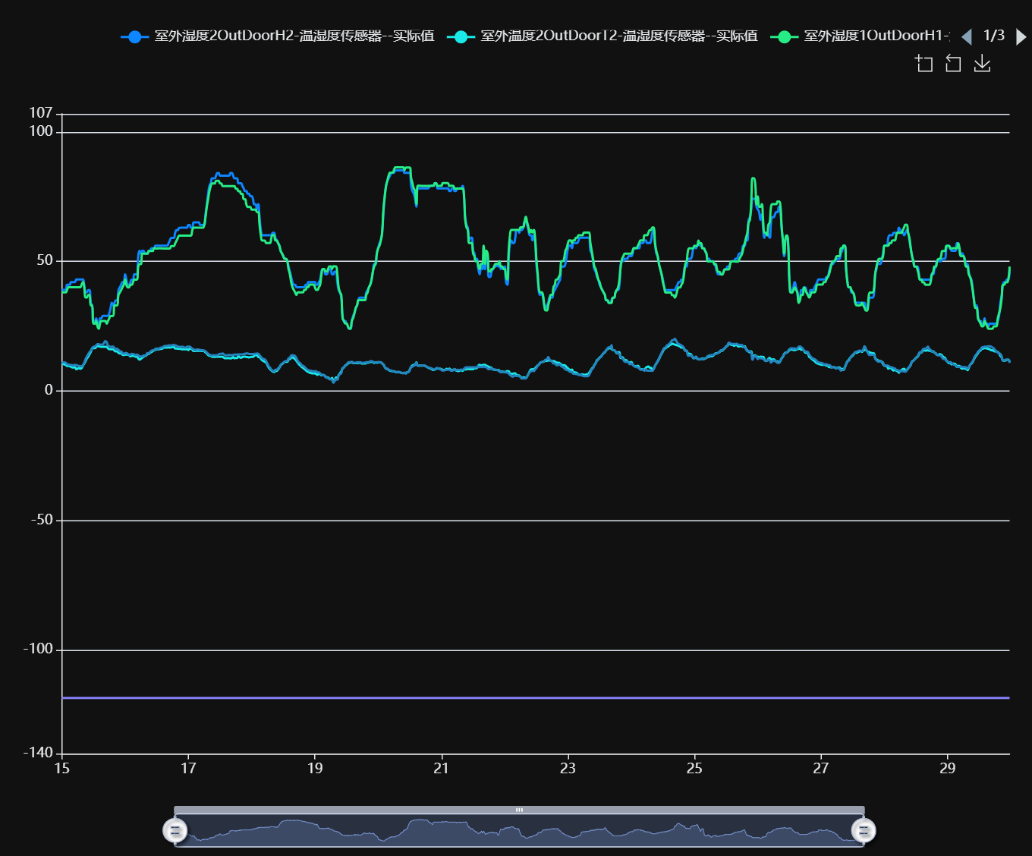

记录时间 | 室外湿度2OutDoorH2-温湿度传感器--实际值 | 室外温度2OutDoorT2-温湿度传感器--实际值 | 室外湿度1OutDoorH1-温湿度传感器--实际值 | 室外温度1OutDoorT1-温湿度传感器--实际值 | 蓄冷罐管路温度TIT_6_XL_1-温度计--实际值
2024-10-15 00:00:00 | 39.00 | 10.51 | 38.07 | 11.09 | -118.52
2024-10-15 00:30:00 | 38.99 | 10.51 | 38.06 | 11.02 | -118.52
2024-10-15 01:00:00 | 39.00 | 10.19 | 38.06 | 11.02 | -118.52
2024-10-15 01:30:00 | 38.99 | 10.19 | 38.06 | 10.83 | -118.52
2024-10-15 02:00:00 | 41.00 | 9.63 | 39.02 | 10.36 | -118.52
2024-10-15 02:30:00 | 41.00 | 9.63 | 40.06 | 10.18 | -118.52
2024-10-15 03:00:00 | 41.00 | 9.57 | 40.05 | 10.11 | -118.52
2024-10-15 03:30:00 | 42.04 | 9.29 | 40.05 | 9.99 | -118.52
2024-10-15 04:00:00 | 42.03 | 9.10 | 40.05 | 9.98 | -118.52
2024-10-15 04:30:00 | 42.03 | 9.10 | 40.05 | 9.86 | -118.52
2024-10-15 05:00:00 | 42.03 | 9.22 | 40.04 | 10.10 | -118.52
2024-10-15 05:30:00 | 43.04 | 8.42 | 40.04 | 9.98 | -118.52
2024-10-15 06:00:00 | 43.03 | 8.60 | 40.04 | 9.80 | -118.52
2024-10-15 06:30:00 | 43.03 | 8.91 | 40.04 | 9.67 | -118.52
2024-10-15 07:00:00 | 43.03 | 8.54 | 40.05 | 9.61 | -118.52
2024-10-15 07:30:00 | 43.03 | 8.79 | 41.04 | 9.49 | -118.52
2024-10-15 08:00:00 | 43.03 | 9.82 | 42.00 | 9.98 | -118.52
2024-10-15 08:30:00 | 40.99 | 10.50 | 40.04 | 10.88 | -118.52
2024-10-15 09:00:00 | 38.05 | 11.53 | 36.08 | 12.26 | -118.52
2024-10-15 09:30:00 | 38.04 | 12.55 | 36.07 | 13.28 | -118.52
2024-10-15 10:00:00 | 38.98 | 13.23 | 37.06 | 14.15 | -118.52
2024-10-15 10:30:00 | 38.98 | 14.20 | 37.05 | 14.98 | -118.52
2024-10-15 11:00:00 | 34.05 | 15.10 | 33.04 | 15.60 | -118.52
2024-10-15 11:30:00 | 33.02 | 16.37 | 33.03 | 16.55 | -118.52
2024-10-15 12:00:00 | 26.98 | 16.56 | 25.99 | 17.08 | -118.52
2024-10-15 12:30:00 | 26.98 | 16.56 | 25.99 | 17.15 | -118.52
2024-10-15 13:00:00 | 28.01 | 16.87 | 27.00 | 17.58 | -118.52
2024-10-15 13:30:00 | 25.97 | 17.40 | 24.95 | 18.07 | -118.52
2024-10-15 14:00:00 | 25.00 | 17.24 | 24.03 | 18.08 | -118.52
2024-10-15 14:30:00 | 28.01 | 17.18 | 25.99 | 17.83 | -118.52
2024-10-15 15:00:00 | 28.01 | 17.06 | 27.00 | 17.83 | -118.52
2024-10-15 15:30:00 | 28.98 | 17.06 | 27.00 | 17.95 | -118.52
2024-10-15 16:00:00 | 28.98 | 17.06 | 27.00 | 18.47 | -118.52
2024-10-15 16:30:00 | 28.98 | 17.05 | 27.00 | 19.27 | -118.52
2024-10-15 17:00:00 | 28.97 | 17.06 | 25.97 | 18.84 | -118.52
2024-10-15 17:30:00 | 28.98 | 16.50 | 27.00 | 17.57 | -118.52
2024-10-15 18:00:00 | 30.01 | 16.12 | 28.03 | 17.27 | -118.52
2024-10-15 18:30:00 | 31.98 | 16.06 | 28.96 | 17.07 | -118.52
2024-10-15 19:00:00 | 34.05 | 16.06 | 28.95 | 17.08 | -118.52
2024-10-15 19:30:00 | 33.02 | 16.06 | 28.96 | 17.09 | -118.52
2024-10-15 20:00:00 | 34.05 | 15.53 | 33.02 | 16.42 | -118.52
2024-10-15 20:30:00 | 34.99 | 15.28 | 33.02 | 16.30 | -118.52
2024-10-15 21:00:00 | 34.99 | 15.28 | 33.03 | 16.24 | -118.52
2024-10-15 21:30:00 | 38.97 | 14.72 | 37.03 | 15.81 | -118.52
2024-10-15 22:00:00 | 40.00 | 14.51 | 38.00 | 15.35 | -118.52
2024-10-15 22:30:00 | 40.97 | 14.57 | 38.96 | 15.28 | -118.52
2024-10-15 23:00:00 | 42.01 | 14.01 | 40.00 | 14.68 | -118.52
2024-10-15 23:30:00 | 42.01 | 13.88 | 40.99 | 14.36 | -118.52
2024-10-16 00:00:00 | 45.02 | 14.01 | 42.97 | 14.66 | -118.52
2024-10-16 00:30:00 | 43.01 | 14.07 | 40.98 | 14.66 | -118.52
2024-10-16 01:00:00 | 40.98 | 14.01 | 40.00 | 14.36 | -118.52
2024-10-16 01:30:00 | 40.98 | 13.88 | 40.01 | 14.09 | -118.52
2024-10-16 02:00:00 | 42.01 | 13.39 | 40.99 | 13.95 | -118.52
2024-10-16 02:30:00 | 43.01 | 13.51 | 40.99 | 14.35 | -118.52
2024-10-16 03:00:00 | 43.01 | 13.57 | 41.95 | 14.26 | -118.52
2024-10-16 03:30:00 | 45.02 | 13.51 | 42.98 | 14.14 | -118.52
2024-10-16 04:00:00 | 45.02 | 13.23 | 42.98 | 13.83 | -118.52
2024-10-16 04:30:00 | 45.02 | 13.23 | 42.98 | 14.08 | -118.52
2024-10-16 05:00:00 | 52.07 | 12.55 | 48.01 | 13.77 | -118.52
2024-10-16 05:30:00 | 54.08 | 12.12 | 49.01 | 13.46 | -118.52
2024-10-16 06:00:00 | 53.10 | 12.42 | 49.01 | 13.28 | -118.52
2024-10-16 06:30:00 | 54.08 | 12.80 | 53.03 | 13.28 | -118.52
2024-10-16 07:00:00 | 54.08 | 13.24 | 53.02 | 13.66 | -118.52
2024-10-16 07:30:00 | 53.10 | 13.51 | 53.03 | 13.65 | -118.52
2024-10-16 08:00:00 | 53.10 | 13.70 | 53.01 | 14.07 | -118.52
2024-10-16 08:30:00 | 53.10 | 14.26 | 53.01 | 14.61 | -118.52
2024-10-16 09:00:00 | 54.08 | 14.26 | 54.06 | 14.50 | -118.52
2024-10-16 09:30:00 | 54.07 | 14.73 | 54.02 | 15.10 | -118.52
2024-10-16 10:00:00 | 55.10 | 15.04 | 54.03 | 15.54 | -118.52
2024-10-16 10:30:00 | 55.10 | 15.41 | 54.01 | 15.74 | -118.52
2024-10-16 11:00:00 | 55.10 | 15.60 | 55.04 | 15.75 | -118.52
2024-10-16 11:30:00 | 56.09 | 15.91 | 55.03 | 16.30 | -118.52
2024-10-16 12:00:00 | 56.10 | 16.07 | 55.01 | 16.41 | -118.52
2024-10-16 12:30:00 | 56.10 | 16.06 | 55.03 | 16.30 | -118.52
2024-10-16 13:00:00 | 56.10 | 16.06 | 55.03 | 16.42 | -118.52
2024-10-16 13:30:00 | 56.09 | 16.37 | 55.03 | 16.79 | -118.52
2024-10-16 14:00:00 | 56.10 | 16.25 | 55.03 | 16.79 | -118.52
2024-10-16 14:30:00 | 56.09 | 16.68 | 55.01 | 17.13 | -118.52
2024-10-16 15:00:00 | 56.09 | 16.75 | 55.01 | 17.31 | -118.52
2024-10-16 15:30:00 | 56.09 | 16.75 | 55.01 | 17.44 | -118.52
2024-10-16 16:00:00 | 56.09 | 16.74 | 55.01 | 17.44 | -118.52
2024-10-16 16:30:00 | 57.06 | 16.87 | 55.01 | 17.61 | -118.52
2024-10-16 17:00:00 | 58.09 | 16.75 | 55.01 | 17.56 | -118.52
2024-10-16 17:30:00 | 59.12 | 16.87 | 55.96 | 17.56 | -118.52
2024-10-16 18:00:00 | 59.12 | 16.99 | 55.96 | 17.74 | -118.52
2024-10-16 18:30:00 | 59.12 | 17.00 | 55.97 | 17.75 | -118.52
2024-10-16 19:00:00 | 61.04 | 16.37 | 56.96 | 17.62 | -118.52
2024-10-16 19:30:00 | 62.07 | 16.37 | 57.99 | 17.44 | -118.52
2024-10-16 20:00:00 | 62.08 | 16.31 | 59.02 | 17.13 | -118.52
2024-10-16 20:30:00 | 63.01 | 16.25 | 59.99 | 17.07 | -118.52
2024-10-16 21:00:00 | 63.01 | 16.31 | 59.98 | 17.06 | -118.52
2024-10-16 21:30:00 | 63.02 | 16.06 | 59.98 | 17.06 | -118.52
2024-10-16 22:00:00 | 63.02 | 16.12 | 59.98 | 17.07 | -118.52
2024-10-16 22:30:00 | 63.02 | 16.06 | 60.00 | 16.79 | -118.52
2024-10-16 23:00:00 | 63.02 | 16.12 | 59.99 | 16.79 | -118.52
2024-10-16 23:30:00 | 63.01 | 16.12 | 59.97 | 17.06 | -118.52
2024-10-17 00:00:00 | 64.05 | 15.78 | 59.97 | 17.12 | -118.52
2024-10-17 00:30:00 | 64.04 | 16.31 | 59.98 | 17.13 | -118.52
2024-10-17 01:00:00 | 63.01 | 16.31 | 59.99 | 16.73 | -118.52
2024-10-17 01:30:00 | 63.02 | 15.91 | 62.02 | 16.30 | -118.52
2024-10-17 02:00:00 | 65.09 | 15.41 | 63.04 | 16.06 | -118.52
2024-10-17 02:30:00 | 65.10 | 15.41 | 63.07 | 15.75 | -118.52
2024-10-17 03:00:00 | 65.09 | 15.54 | 63.06 | 15.94 | -118.52
2024-10-17 03:30:00 | 65.09 | 15.54 | 63.05 | 16.05 | -118.52
2024-10-17 04:00:00 | 65.09 | 15.53 | 63.05 | 15.94 | -118.52
2024-10-17 04:30:00 | 64.06 | 15.54 | 63.08 | 15.82 | -118.52
2024-10-17 05:00:00 | 64.06 | 15.41 | 63.06 | 15.75 | -118.52
2024-10-17 05:30:00 | 64.05 | 15.53 | 63.05 | 15.75 | -118.52
2024-10-17 06:00:00 | 64.05 | 15.41 | 64.08 | 15.59 | -118.52
2024-10-17 06:30:00 | 68.10 | 14.92 | 67.06 | 15.28 | -118.52
2024-10-17 07:00:00 | 72.08 | 14.51 | 71.07 | 14.85 | -118.52
2024-10-17 07:30:00 | 76.12 | 13.89 | 74.06 | 14.35 | -118.52
2024-10-17 08:00:00 | 79.17 | 13.58 | 77.15 | 13.96 | -118.52
2024-10-17 08:30:00 | 80.17 | 13.52 | 79.10 | 13.83 | -118.52
2024-10-17 09:00:00 | 82.12 | 13.18 | 80.13 | 13.65 | -118.52
2024-10-17 09:30:00 | 82.12 | 13.18 | 80.13 | 13.83 | -118.52
2024-10-17 10:00:00 | 82.12 | 13.18 | 80.13 | 13.77 | -118.52
2024-10-17 10:30:00 | 83.12 | 13.18 | 81.15 | 13.77 | -118.52
2024-10-17 11:00:00 | 84.15 | 13.24 | 81.15 | 13.83 | -118.52
2024-10-17 11:30:00 | 84.15 | 13.24 | 81.13 | 14.07 | -118.52
2024-10-17 12:00:00 | 83.12 | 13.18 | 80.10 | 14.35 | -118.52
2024-10-17 12:30:00 | 83.12 | 13.24 | 80.10 | 14.35 | -118.52
2024-10-17 13:00:00 | 83.13 | 13.18 | 79.08 | 14.47 | -118.52
2024-10-17 13:30:00 | 83.13 | 12.81 | 79.09 | 14.08 | -118.52
2024-10-17 14:00:00 | 83.12 | 12.62 | 79.09 | 13.77 | -118.52
2024-10-17 14:30:00 | 83.13 | 12.62 | 79.09 | 13.77 | -118.52
2024-10-17 15:00:00 | 83.13 | 12.62 | 79.08 | 13.82 | -118.52
2024-10-17 15:30:00 | 83.13 | 12.75 | 79.09 | 13.95 | -118.52
2024-10-17 16:00:00 | 84.16 | 12.55 | 79.09 | 13.82 | -118.52
2024-10-17 16:30:00 | 84.15 | 12.74 | 79.08 | 13.82 | -118.52
2024-10-17 17:00:00 | 83.11 | 13.11 | 79.08 | 13.94 | -118.52
2024-10-17 17:30:00 | 82.12 | 12.62 | 79.08 | 14.07 | -118.52
2024-10-17 18:00:00 | 82.13 | 12.74 | 78.06 | 14.07 | -118.52
2024-10-17 18:30:00 | 82.11 | 12.74 | 78.05 | 14.07 | -118.52
2024-10-17 19:00:00 | 80.16 | 13.39 | 77.12 | 14.13 | -118.52
2024-10-17 19:30:00 | 80.18 | 13.05 | 77.12 | 14.13 | -118.52
2024-10-17 20:00:00 | 80.17 | 12.80 | 76.09 | 14.13 | -118.52
2024-10-17 20:30:00 | 79.17 | 13.11 | 76.09 | 14.13 | -118.52
2024-10-17 21:00:00 | 78.20 | 13.18 | 74.04 | 14.26 | -118.52
2024-10-17 21:30:00 | 77.17 | 13.24 | 74.04 | 14.35 | -118.52
2024-10-17 22:00:00 | 77.17 | 13.11 | 72.08 | 14.47 | -118.52
2024-10-17 22:30:00 | 76.13 | 13.05 | 71.06 | 14.47 | -118.52
2024-10-17 23:00:00 | 76.14 | 12.93 | 71.08 | 14.26 | -118.52
2024-10-17 23:30:00 | 75.19 | 13.11 | 71.07 | 14.26 | -118.52
2024-10-18 00:00:00 | 75.18 | 13.17 | 70.04 | 14.26 | -118.52
2024-10-18 00:30:00 | 74.15 | 13.17 | 70.04 | 14.26 | -118.52
2024-10-18 01:00:00 | 72.08 | 13.58 | 70.03 | 14.35 | -118.52
2024-10-18 01:30:00 | 72.07 | 13.88 | 70.03 | 14.35 | -118.52
2024-10-18 02:00:00 | 70.11 | 14.01 | 69.05 | 14.47 | -118.52
2024-10-18 02:30:00 | 72.10 | 13.12 | 69.06 | 14.36 | -118.52
2024-10-18 03:00:00 | 67.09 | 13.06 | 64.13 | 13.85 | -118.52
2024-10-18 03:30:00 | 62.11 | 12.43 | 60.07 | 13.18 | -118.52
2024-10-18 04:00:00 | 60.11 | 11.91 | 58.09 | 12.65 | -118.52
2024-10-18 04:30:00 | 60.11 | 11.54 | 58.09 | 12.34 | -118.52
2024-10-18 05:00:00 | 60.11 | 11.28 | 58.09 | 12.15 | -118.52
2024-10-18 05:30:00 | 60.11 | 10.91 | 57.07 | 11.57 | -118.52
2024-10-18 06:00:00 | 60.12 | 9.95 | 57.10 | 10.52 | -118.52
2024-10-18 06:30:00 | 60.13 | 9.05 | 57.11 | 9.51 | -118.52
2024-10-18 07:00:00 | 60.13 | 8.43 | 57.13 | 8.99 | -118.52
2024-10-18 07:30:00 | 60.14 | 7.90 | 59.20 | 8.18 | -118.52
2024-10-18 08:00:00 | 61.10 | 7.53 | 60.17 | 7.82 | -118.52
2024-10-18 08:30:00 | 61.10 | 7.27 | 60.15 | 7.65 | -118.52
2024-10-18 09:00:00 | 59.19 | 7.77 | 58.16 | 8.18 | -118.52
2024-10-18 09:30:00 | 58.16 | 7.78 | 58.16 | 8.18 | -118.52
2024-10-18 10:00:00 | 57.12 | 8.30 | 57.12 | 8.67 | -118.52
2024-10-18 10:30:00 | 56.15 | 8.92 | 56.14 | 9.20 | -118.52
2024-10-18 11:00:00 | 54.11 | 9.82 | 54.13 | 10.01 | -118.52
2024-10-18 11:30:00 | 53.14 | 10.38 | 53.11 | 10.54 | -118.52
2024-10-18 12:00:00 | 52.11 | 10.73 | 52.11 | 10.90 | -118.52
2024-10-18 12:30:00 | 51.06 | 11.22 | 51.07 | 11.33 | -118.52
2024-10-18 13:00:00 | 51.06 | 11.29 | 51.07 | 11.58 | -118.52
2024-10-18 13:30:00 | 50.13 | 11.29 | 50.11 | 11.65 | -118.52
2024-10-18 14:00:00 | 48.05 | 12.12 | 47.04 | 12.60 | -118.52
2024-10-18 14:30:00 | 46.08 | 12.31 | 45.05 | 12.84 | -118.52
2024-10-18 15:00:00 | 44.00 | 12.81 | 41.99 | 13.67 | -118.52
2024-10-18 15:30:00 | 42.03 | 12.93 | 40.04 | 13.80 | -118.52
2024-10-18 16:00:00 | 41.00 | 12.62 | 39.03 | 13.68 | -118.52
2024-10-18 16:30:00 | 41.00 | 12.25 | 38.04 | 13.48 | -118.52
2024-10-18 17:00:00 | 40.03 | 11.60 | 37.09 | 12.59 | -118.52
2024-10-18 17:30:00 | 40.04 | 10.91 | 38.07 | 11.58 | -118.52
2024-10-18 18:00:00 | 40.04 | 10.26 | 38.08 | 11.02 | -118.52
2024-10-18 18:30:00 | 40.04 | 9.82 | 38.08 | 10.71 | -118.52
2024-10-18 19:00:00 | 40.04 | 9.23 | 38.09 | 9.88 | -118.52
2024-10-18 19:30:00 | 40.04 | 8.92 | 38.08 | 9.69 | -118.52
2024-10-18 20:00:00 | 40.04 | 8.42 | 39.04 | 9.32 | -118.52
2024-10-18 20:30:00 | 41.01 | 8.05 | 39.05 | 8.80 | -118.52
2024-10-18 21:00:00 | 41.01 | 7.58 | 40.09 | 8.30 | -118.52
2024-10-18 21:30:00 | 42.05 | 7.40 | 40.09 | 8.12 | -118.52
2024-10-18 22:00:00 | 42.05 | 7.02 | 41.07 | 7.80 | -118.52
2024-10-18 22:30:00 | 42.05 | 6.96 | 41.08 | 7.80 | -118.52
2024-10-18 23:00:00 | 42.04 | 6.77 | 41.07 | 7.58 | -118.52
2024-10-18 23:30:00 | 42.04 | 6.77 | 41.07 | 7.58 | -118.52
2024-10-19 00:00:00 | 42.04 | 6.77 | 40.06 | 7.57 | -118.52
2024-10-19 00:30:00 | 41.00 | 6.55 | 39.04 | 7.57 | -118.52
2024-10-19 01:00:00 | 41.00 | 6.24 | 39.04 | 7.14 | -118.52
2024-10-19 01:30:00 | 42.04 | 6.77 | 40.07 | 7.14 | -118.52
2024-10-19 02:00:00 | 43.04 | 6.43 | 41.07 | 6.77 | -118.52
2024-10-19 02:30:00 | 46.08 | 6.06 | 45.09 | 6.31 | -118.52
2024-10-19 03:00:00 | 47.02 | 6.24 | 47.08 | 6.13 | -118.52
2024-10-19 03:30:00 | 47.02 | 6.05 | 47.08 | 6.13 | -118.52
2024-10-19 04:00:00 | 45.05 | 5.56 | 46.12 | 5.32 | -118.52
2024-10-19 04:30:00 | 45.05 | 5.28 | 46.12 | 5.11 | -118.52
2024-10-19 05:00:00 | 46.08 | 5.21 | 47.09 | 4.98 | -118.52
2024-10-19 05:30:00 | 47.02 | 4.72 | 48.13 | 4.49 | -118.52
2024-10-19 06:00:00 | 47.02 | 4.60 | 48.12 | 4.48 | -118.52
2024-10-19 06:30:00 | 45.05 | 5.03 | 47.10 | 4.30 | -118.52
2024-10-19 07:00:00 | 45.05 | 4.10 | 48.15 | 3.17 | -118.52
2024-10-19 07:30:00 | 46.09 | 4.09 | 48.13 | 3.87 | -118.52
2024-10-19 08:00:00 | 46.08 | 5.21 | 48.11 | 4.60 | -118.52
2024-10-19 08:30:00 | 42.04 | 5.21 | 45.11 | 4.36 | -118.52
2024-10-19 09:00:00 | 39.00 | 6.12 | 40.09 | 5.88 | -118.52
2024-10-19 09:30:00 | 38.06 | 6.83 | 38.11 | 6.54 | -118.52
2024-10-19 10:00:00 | 36.05 | 7.52 | 37.13 | 6.84 | -118.52
...

