Sheet1
epochs | optimizer | activation function | accuracy | notes
20 | adam | relu | 0.48 | meh
20 | adam | tanh | 0.78 | good graph
20 | adam | sigmoid | 0.9998 | all were close to 1
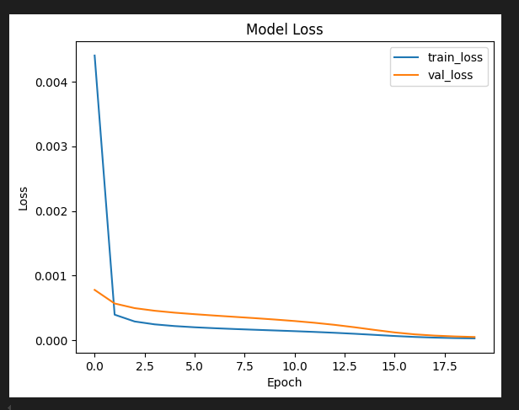
20 | adam | elu | 0.17 | not good at all
20 | sgd | relu | 0.9991 | good graph
20 | sgd | tanh | 0.922 | very good graph | best yet
20 | sgd | sigmoid | 0.167 | not good at all
20 | sgd | elu | 0.1675 | not good at all
20 | rmsprop | relu | 0.991 | not a good graph
20 | rmsprop | tanh | 0.17 | 0.75 early but kept on decreasing
20 | rmsprop | sigmoid | 0.9975 | graph kinda sus so we drop
20 | rmsprop | elu | 0.99 | spiking too fast from 0.77

20 | sgd | tanh | 0.922 | very good graph | best yet | dropout | l2 reg | batch normalization doesn’t seem to be doing its work
 |  |  |  |  |  | 0.1 | 0.001
 |  |  |  | nono |  | 0.1 | 0
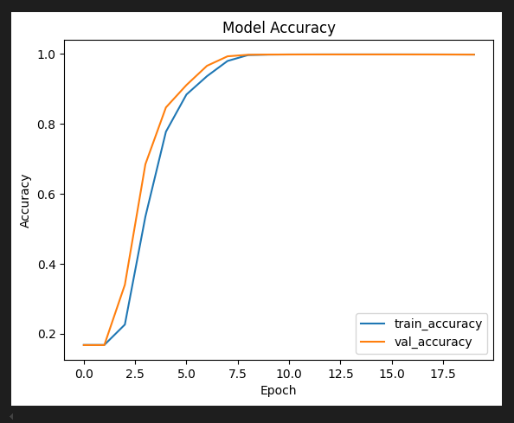
 |  |  |  |  |  | 0.2
 |  |  |  | not good |  | 0 | 0.1
 |  |  |  | not good |  | 0 | 1

