Hoja1
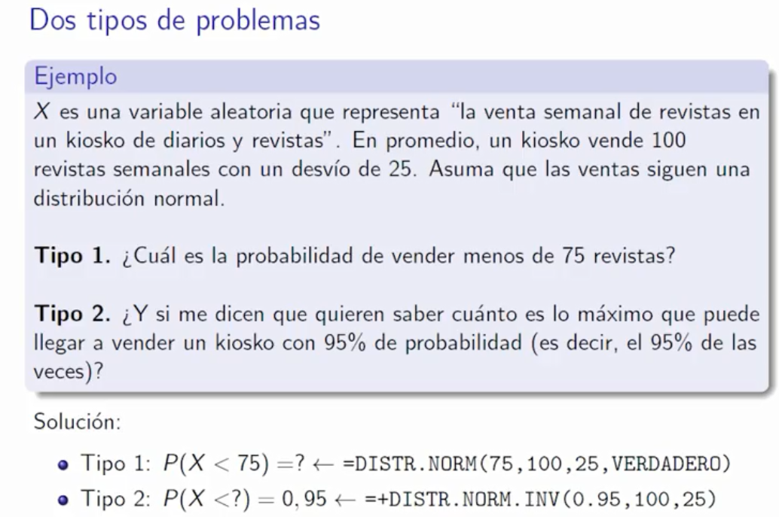

P(X < 75) = | 0.15865525393
P(X < ?) = 0.95 | 141.12134067

Hoja2
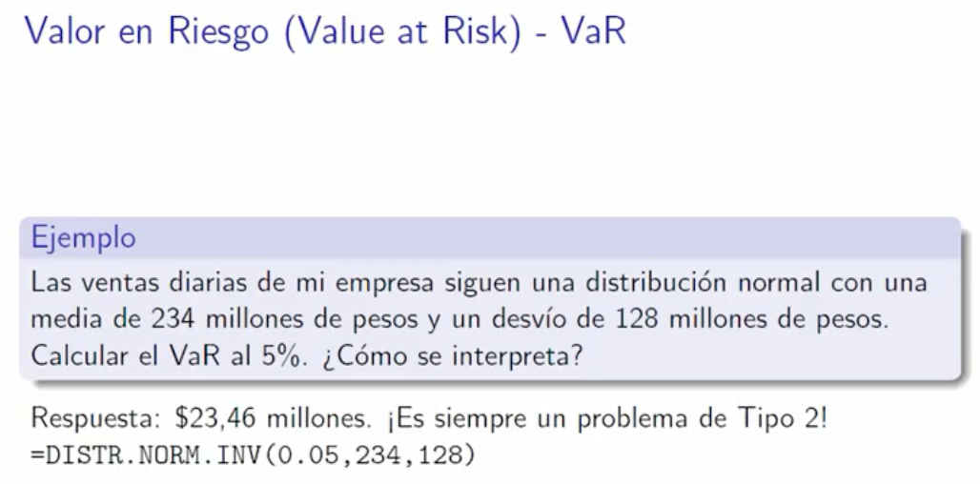

P(X < ?) = 0.05 | 23.45873575

