Tabelle1
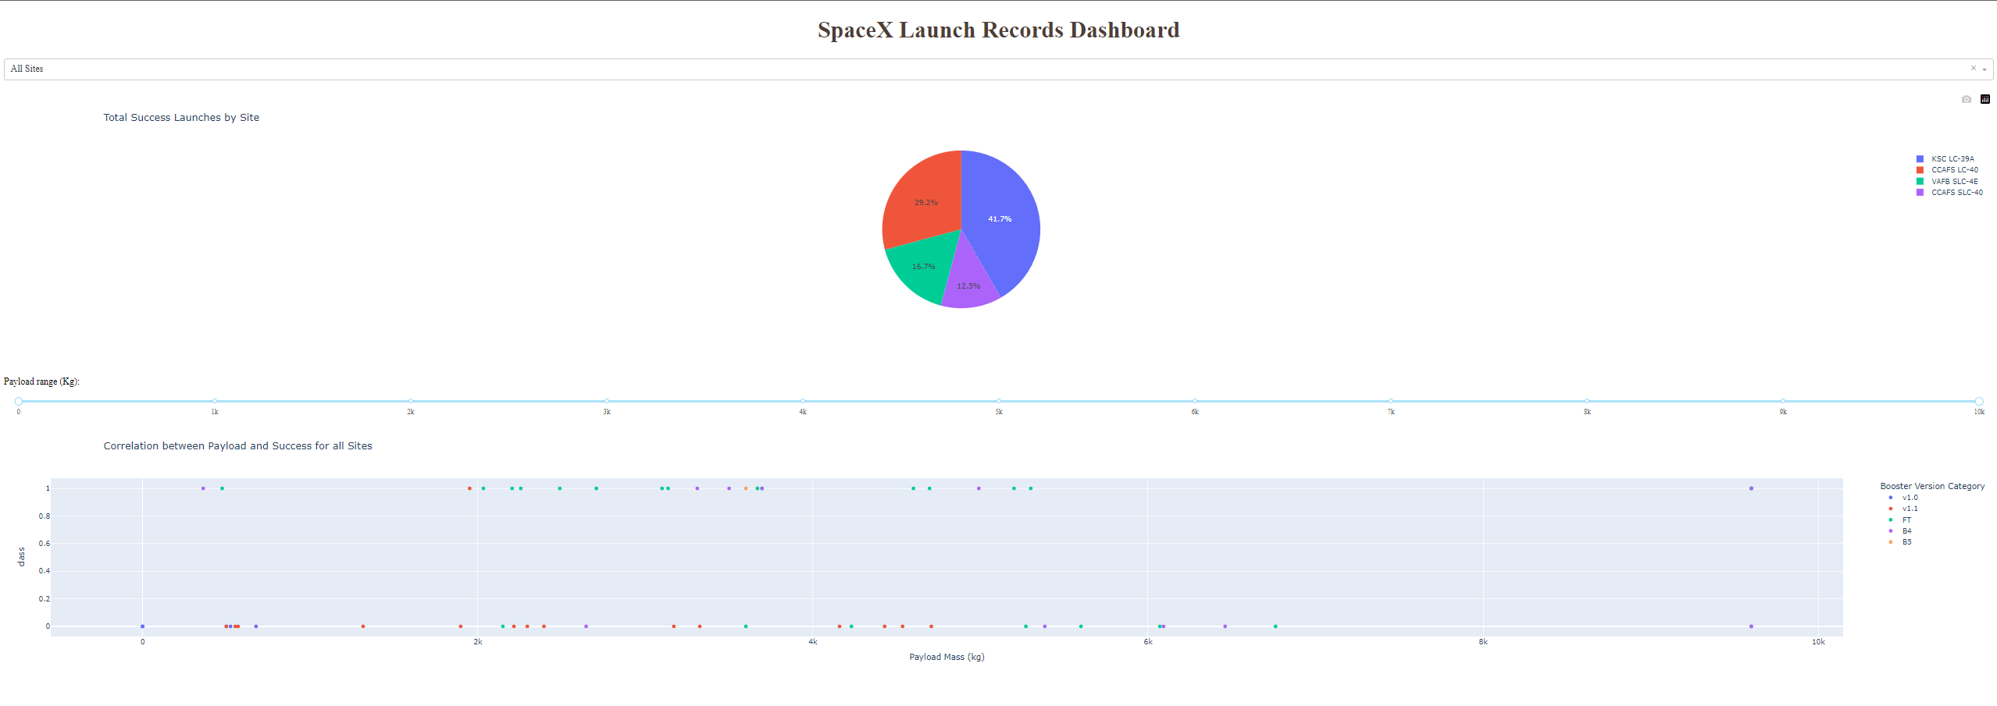
Which site has the largest successful launches?
KSC LC-39A - 41,7 % of all sites
Which site has the highest launch success rate?
KSC LC-39A - 76,9 % positive outcomes
Which payload range(s) has the highest launch success rate?
2k - 4k (12 out of 20 successful = 60 %)
Which payload range(s) has the lowest launch success rate?
6k - 8k all unsuccessful 0 %
Which F9 Booster version (v1.0, v1.1, FT, B4, B5, etc.) has the highest launch success rate?
FT

