Inputs
 | Selected Topology: DC/AC Applications - Three Phase - 2 Level (Module)
Input Requirements |  |  | Selected Topology: DC/AC Applications - Three Phase - 2 Level (Module)

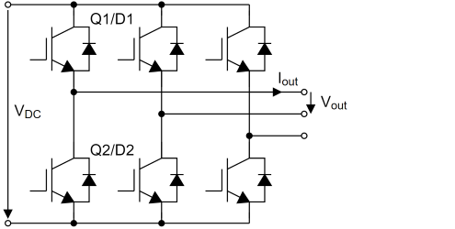
Modulation Algorithm | Space Vector Modulation (Standard)
DC Link Voltage (Vdc) | 700 | V
Blocking Voltage | 1200 | V
Output Current (Iout) | 780 | Arms
Output Frequency | 15 | Hz
Switching Frequency | 3800 | Hz
Modulation Index | 1
Power Factor cos(φ) | 0.8
Load Type | Inductive Load (Lagging)

