Example
4 BOLT FLANGE

SYSTEM NAME: | Dehydration |  |  |  | DATE: | 2016-01-21
WORK PACK NO: | NA |  |  |  | CUSTOMER: | OPD
P&ID# | 10096-PPID-0110 |  | Rev. | 3 | OPERATOR: | Enterprise
ISO# | NA |  | Rev. | NA | JOB# | LA-11611-1-4
FLANGE # | F24 |  | TAG# | 52925 | SITE: | South Eddy Plant
FLANGE TORQUE REPORT

FLANGE TYPE |  | ANSI |  | X | API |  | NA | OTHER |  | NA

FLANGE DETAILS

X
SIZE | 1" | CLASS | 600 | BOLT OD | 5/8" | GASKET | RF RTJ FF

METHOD |  |  | HYDRAULIC TENSIONED | NA | HAND TORQUE | X | HYDRAULIC TORQUE | NA

THREAD LUBRICANT/NUT (K) FACTOR |  |  |  |  | PERCENT YIELD
RECORD OF BREAKOUT LOAD |  |  |  |  | BOLTING MATERIALS REQUIRED

STAGE | LB/FT | PSI |  |  | LUBRICANT |  | Neversieze
1 | 41 | NA |  |  | JOINT MATERIAL |  | CS/CS
2 | 83 | NA |  |  | WASHERS |  | NA
3 | 124 | NA |  |  | INSULATING KIT |  | NA
4 | NA | NA |  |  | BOLT MATERIAL |  | B7
5 | NA | NA

TORQUED BY: |  |  |  |  |  |  |  |  |  | DATE OF
Noah LeBlue |  |  |  |  | TOOLS REQUIRED |  |  | SERIAL # |  | CALIBRATION
Casey Maricle |  |  |  |  | TORQUE PUMP |  | NA |  |  | NA
 |  |  |  |  | 250LB CLICKER |  | DQK46839 |  |  | 12/23/15
COMMENTS: |  |  |  |  | 600LB CLICKER |  | NA |  |  | NA
Refer to Stranco yield percentage values table. |  |  |  |  | W2000 |  | NA |  |  | NA
 |  |  |  |  | W4000 |  | NA |  |  | NA
 |  |  |  |  | W8000 |  | NA |  |  | NA
 |  |  |  |  | S3000 |  | NA |  |  | NA
 |  |  |  |  | OTHER |  | NA |  |  | NA
 |  |  |  |  |  |  | NA |  |  | NA
 |  |  |  |  |  |  | NA |  |  | NA

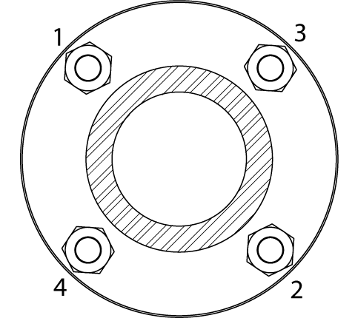

Stranco Rep (Print Name) |  |  |  |  | Signature |  |  |  | Date

QA / QC Rep (Print Name) |  |  |  |  | Signature |  |  |  | Date

 | Client Rep (Print Name) |  |  |  | Signature |  |  |  | Date
Form 50-15 Rev 03/20

4 Bolt
4 BOLT FLANGE

PROJECT NAME: | PH02 EAST CORRIDOR |  |  |  | DATE: | 2026-09-16
SYSTEM: | N/A |  |  |  | CUSTOMER: | SAULSBURY
P&ID# | MT261 |  | Rev. |  | OPERATOR: | FLUIDSTACK
ISO# | N/A |  | Rev. |  | JOB# | HM-13513-1-4
FLANGE # | CDU222 FL#2 |  | TAG# | 39789 | SITE: | 1498 CR 315 ABERNATHY, TX
FLANGE TORQUE REPORT

FLANGE TYPE |  | ASME B16.5 |  | x | API |  |  | OTHER

FLANGE DETAILS

X
SIZE | 4" | CLASS | 150 | BOLT OD | 0.625 | GASKET | RUBBER

METHOD |  |  | HYDRAULIC TENSIONED |  | HAND TORQUE | x | HYDRAULIC TORQUE

THREAD LUBRICANT/NUT (K) FACTOR |  |  |  |  | PERCENT YIELD
RECORD OF BREAKOUT LOAD |  |  |  |  | BOLTING MATERIALS REQUIRED

STAGE | LB/FT | % FINAL |  |  | LUBRICANT |  | LB 771
1 | 15 |  |  |  | JOINT MATERIAL |  | RUBBER
2 | 25 |  |  |  | WASHERS |  | N/A
3 | 35 |  |  |  | INSULATING KIT |  | N/A
4 | 45 |  |  |  | BOLT MATERIAL |  | B8
5

TORQUED BY: |  |  |  |  |  |  | SERIAL # |  |  | DATE OF
M.S B.P |  |  |  |  | TOOLS REQUIRED |  |  |  |  | CALIBRATION
 |  |  |  |  | TORQUE PUMP
 |  |  |  |  | 250LB CLICKER
COMMENTS: |  |  |  |  | 600LB CLICKER
 |  |  |  |  | W2000
 |  |  |  |  | W4000
 |  |  |  |  | W8000
 |  |  |  |  | S3000
 |  |  |  |  | 80LB CLICKER |  | DXC53245 |  |  | 9.2.26

Bradley Bender |  |  |  |  |  | Bradley Bender |  |  | 2026-09-16
Stranco Rep (Print Name) |  |  |  |  | Signature |  |  |  | Date

QA / QC Rep (Print Name) |  |  |  |  | Signature |  |  |  | Date

 | Client Rep (Print Name) |  |  |  | Signature |  |  |  | Date
Form 90-15 Rev 03/20

8 Bolt
8 BOLT FLANGE

SYSTEM NAME: | PH02 EAST CORRIDOR |  |  |  | DATE: | 2026-09-12
WORK PACK NO: | N/A |  |  |  | CUSTOMER: | SAULSBURY
P&ID# | MT261 |  | Rev. |  | OPERATOR: | FLUIDSTACK
ISO# | N/A |  | Rev. |  | JOB# | HM-13513-1-4
FLANGE # | FWU 207 FL#1 |  | TAG# | 39753 | SITE: | 1498 CR 315 ABERNATHY, TX
FLANGE TORQUE REPORT

FLANGE TYPE |  | ANSI |  | X | API |  |  | OTHER

FLANGE DETAILS

X
SIZE | 6" | CLASS | 150 | BOLT OD | 0.75 | GASKET | RUBBER

METHOD |  |  | HYDRAULIC TENSIONED |  | HAND TORQUE |  | HYDRAULIC TORQUE

THREAD LUBRICANT/NUT (K) FACTOR |  |  |  |  | PERCENT YIELD
RECORD OF BREAKOUT LOAD |  |  |  |  | BOLTING MATERIALS REQUIRED

STAGE | LB/FT | PSI |  |  | LUBRICANT |  | LB 771
1 | 15 |  |  |  | JOINT MATERIAL |  | RUBBER
2 | 25 |  |  |  | WASHERS |  | N/A
3 | 35 |  |  |  | INSULATING KIT |  | N/A
4 | 45 |  |  |  | BOLT MATERIAL |  | B8
5

TORQUED BY: |  |  |  |  |  |  |  |  |  | DATE OF
 | J.B |  |  |  | TOOLS REQUIRED |  |  | SERIAL # |  | CALIBRATION
 |  |  |  |  | TORQUE PUMP
 |  |  |  |  | 250LB CLICKER
COMMENTS: |  |  |  |  | 600LB CLICKER
 |  |  |  |  | W2000
 |  |  |  |  | W4000
 |  |  |  |  | W8000
 |  |  |  |  | S3000
 |  |  |  |  | 80LB CLICKER |  | DXC53245 |  |  | 9.2.26

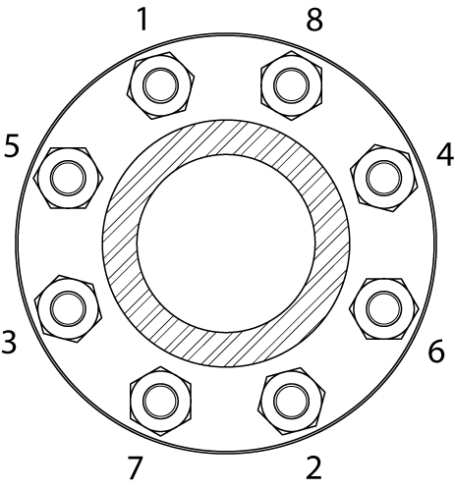

Bradley Bender |  |  |  |  |  | Bradley Bender |  |  | 2026-09-16
Stranco Rep (Print Name) |  |  |  |  | Signature |  |  |  | Date

QA / QC Rep (Print Name) |  |  |  |  | Signature |  |  |  | Date

 | Client Rep (Print Name) |  |  |  | Signature |  |  |  | Date
Form 90-15 Rev 03/20

12 Bolt
12 BOLT FLANGE

SYSTEM NAME: |  |  |  |  | DATE:
WORK PACK NO: |  |  |  |  | CUSTOMER:
P&ID# |  |  | Rev. |  | OPERATOR:
ISO# |  |  | Rev. |  | JOB#
FLANGE # |  |  | TAG# |  | SITE:
FLANGE TORQUE REPORT

FLANGE TYPE |  | ANSI |  |  | API |  |  | OTHER

FLANGE DETAILS

SIZE |  | CLASS |  | BOLT OD |  | GASKET | RF RTJ FF

METHOD |  |  | HYDRAULIC TENSIONED |  | HAND TORQUE |  | HYDRAULIC TORQUE

THREAD LUBRICANT/NUT (K) FACTOR |  |  |  |  | PERCENT YIELD
RECORD OF BREAKOUT LOAD |  |  |  |  | BOLTING MATERIALS REQUIRED

STAGE | LB/FT | PSI |  |  | LUBRICANT
1 |  |  |  |  | JOINT MATERIAL
2 |  |  |  |  | WASHERS
3 |  |  |  |  | INSULATING KIT
4 |  |  |  |  | BOLT MATERIAL
5

TORQUED BY: |  |  |  |  |  |  |  |  |  | DATE OF
 |  |  |  |  | TOOLS REQUIRED |  |  | SERIAL # |  | CALIBRATION
 |  |  |  |  | TORQUE PUMP
 |  |  |  |  | 250LB CLICKER
COMMENTS: |  |  |  |  | 600LB CLICKER
 |  |  |  |  | W2000
 |  |  |  |  | W4000
 |  |  |  |  | W8000
 |  |  |  |  | S3000
 |  |  |  |  | OTHER

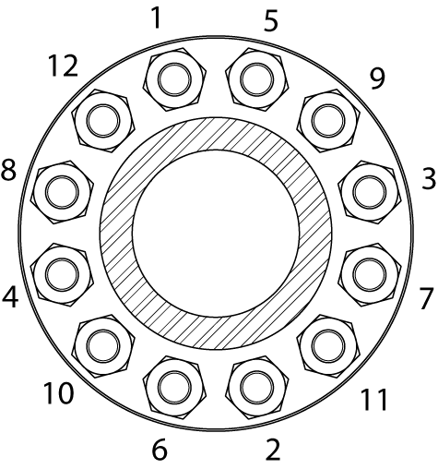

Stranco Rep (Print Name) |  |  |  |  | Signature |  |  |  | Date

QA / QC Rep (Print Name) |  |  |  |  | Signature |  |  |  | Date

 | Client Rep (Print Name) |  |  |  | Signature |  |  |  | Date
Form 90-15 Rev 03/20

16 Bolt
16 BOLT FLANGE

SYSTEM NAME: |  |  |  |  | DATE:
WORK PACK NO: |  |  |  |  | CUSTOMER:
P&ID# |  |  | Rev. |  | OPERATOR:
ISO# |  |  | Rev. |  | JOB#
FLANGE # |  |  | TAG# |  | SITE:
FLANGE TORQUE REPORT

FLANGE TYPE |  | ANSI |  |  | API |  |  | OTHER

FLANGE DETAILS

SIZE |  | CLASS |  | BOLT OD |  | GASKET | RF RTJ FF

METHOD |  |  | HYDRAULIC TENSIONED |  | HAND TORQUE |  | HYDRAULIC TORQUE

THREAD LUBRICANT/NUT (K) FACTOR |  |  |  |  | PERCENT YIELD
RECORD OF BREAKOUT LOAD |  |  |  |  | BOLTING MATERIALS REQUIRED

STAGE | LB/FT | PSI |  |  | LUBRICANT
1 |  |  |  |  | JOINT MATERIAL
2 |  |  |  |  | WASHERS
3 |  |  |  |  | INSULATING KIT
4 |  |  |  |  | BOLT MATERIAL
5

TORQUED BY: |  |  |  |  |  |  |  |  |  | DATE OF
 |  |  |  |  | TOOLS REQUIRED |  |  | SERIAL # |  | CALIBRATION
 |  |  |  |  | TORQUE PUMP
 |  |  |  |  | 250LB CLICKER
COMMENTS: |  |  |  |  | 600LB CLICKER
 |  |  |  |  | W2000
 |  |  |  |  | W4000
 |  |  |  |  | W8000
 |  |  |  |  | S3000
 |  |  |  |  | OTHER

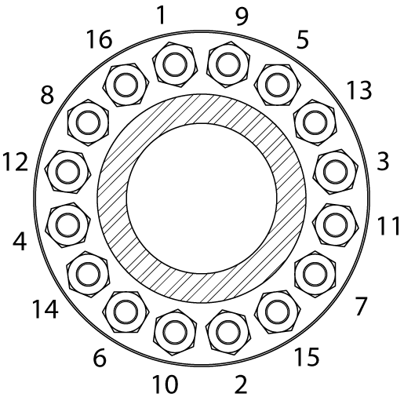

Stranco Rep (Print Name) |  |  |  |  | Signature |  |  |  | Date

QA / QC Rep (Print Name) |  |  |  |  | Signature |  |  |  | Date

 | Client Rep (Print Name) |  |  |  | Signature |  |  |  | Date
Form 90-15 Rev 03/20

20 Bolt
20 BOLT FLANGE

SYSTEM NAME: | BDC PH02 WEST CORRIDOR FWU & CDU PIPING |  |  |  | DATE: | 2026-09-14
WORK PACK NO: | N/A |  |  |  | CUSTOMER: | SAULSBURY
P&ID# | MT250 |  | Rev. |  | OPERATOR: | FLUIDSTACK
ISO# | N/A |  | Rev. |  | JOB# | HM-13513-1-4
FLANGE # | 47 |  | TAG# | 39250 | SITE: | 1498 CR 315 ABERNATHY, TX
FLANGE TORQUE REPORT

FLANGE TYPE |  | ANSI |  | X | API |  |  | OTHER

FLANGE TYPE

X
SIZE | 20" | CLASS | 150 | BOLT OD | 1 1/8 | GASKET | RUBBER

METHOD |  |  | HYDRAULIC TENSIONED |  | HAND TORQUE | X | HYDRAULIC TORQUE

THREAD LUBRICANT/NUT (K) FACTOR |  |  |  |  | PERCENT YIELD
RECORD OF BREAKOUT LOAD |  |  |  |  | BOLTING MATERIALS REQUIRED

STAGE | LB/FT | PSI |  |  | LUBRICANT |  | LB 771
1 | 55 |  |  |  | JOINT MATERIAL |  | RUBBER
2 | 115 |  |  |  | WASHERS |  | N/A
3 | 170 |  |  |  | INSULATING KIT |  | N/A
4 | 230 |  |  |  | BOLT MATERIAL |  | B8
5

TORQUED BY: |  |  |  |  |  |  |  |  |  | DATE OF
 | T.S B.P |  |  |  | TOOLS REQUIRED |  |  | SERIAL # |  | CALIBRATION
 |  |  |  |  | TORQUE PUMP
 |  |  |  |  | 250LB CLICKER
COMMENTS: |  |  |  |  | 600LB CLICKER
 |  |  |  |  | W2000
 |  |  |  |  | W4000
 |  |  |  |  | W8000
 |  |  |  |  | S3000
 |  |  |  |  | B-RAD JGUN |  | BL12387 |  |  | 3.3.26

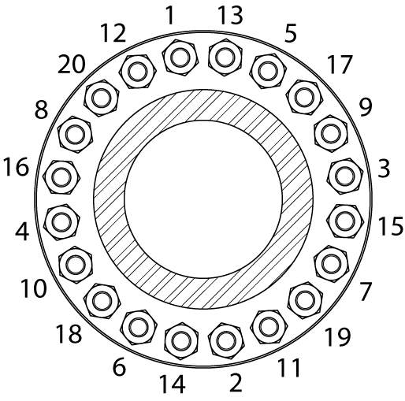

Bradley Bender |  |  |  |  |  | Bradley Bender |  |  | 2026-09-14
Stranco Rep (Print Name) |  |  |  |  | Signature |  |  |  | Date

QA / QC Rep (Print Name) |  |  |  |  | Signature |  |  |  | Date

 | Client Rep (Print Name) |  |  |  | Signature |  |  |  | Date
Form 90-15 Rev 03/20

24 Bolt
24 BOLT FLANGE

SYSTEM NAME: | Well 17 2528901 Metering Manifold |  |  |  | DATE: | 2025-10-22
WORK PACK NO: | AFE 128.121.5933.010343 |  |  |  | CUSTOMER: | Valor
P&ID# | N/A |  | Rev. |  | OPERATOR: | Oneok
ISO# | 24_-.562-X52(RWF-6)2280-Sht01 |  | Rev. |  | JOB# | HI-13354-1-3
FLANGE # | Fl-164 |  | TAG# | 28946 | SITE: | Oneok Mont Belvieu
FLANGE TORQUE REPORT

FLANGE TYPE |  | ANSI |  | x | API |  |  | OTHER

FLANGE DETAILS

x
SIZE | 24" | CLASS | 600 | BOLT OD | 1-7/8 | GASKET | RF RTJ FF

METHOD |  |  | HYDRAULIC TENSIONED |  | HAND TORQUE |  | HYDRAULIC TORQUE | x

THREAD LUBRICANT/NUT (K) FACTOR |  |  |  |  | PERCENT YIELD
RECORD OF BREAKOUT LOAD |  |  |  |  | BOLTING MATERIALS REQUIRED

STAGE | LB/FT | PSI |  |  | LUBRICANT |  | N/A
1 | 780 | 1900 |  |  | JOINT MATERIAL |  | CS
2 | 1560 | 3900 |  |  | WASHERS |  | N/A
3 | 2340 | 5900 |  |  | INSULATING KIT |  | N/A
4 | 2340 | 5900 |  |  | BOLT MATERIAL |  | B7
5

TORQUED BY: |  |  |  |  |  |  |  |  |  | DATE OF
D.C./D.G. |  |  |  |  | TOOLS REQUIRED |  |  | SERIAL # |  | CALIBRATION
 |  |  |  |  | TORQUE PUMP
 |  |  |  |  | 250LB CLICKER
COMMENTS: |  |  |  |  | 600LB CLICKER
 |  |  |  |  | W2000
 |  |  |  |  | W4000 |  | 1152 |  |  | 9/16/25
 |  |  |  |  | W8000
 |  |  |  |  | S3000
 |  |  |  |  | OTHER

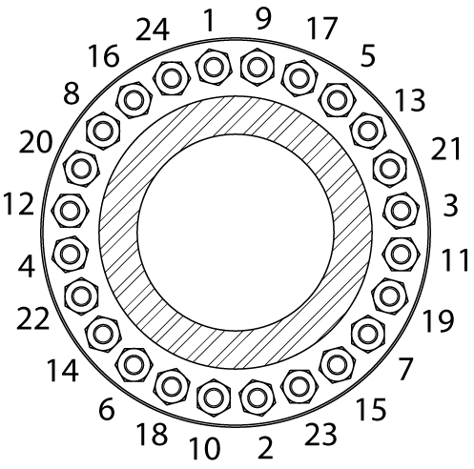

Stranco Rep (Print Name) |  |  |  |  | Signature |  |  |  | Date

QA / QC Rep (Print Name) |  |  |  |  | Signature |  |  |  | Date

 | Client Rep (Print Name) |  |  |  | Signature |  |  |  | Date
Form 90-15 Rev 03/20

