Sofa
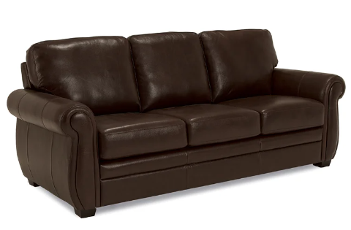

Flow
Is the temperature HOT or COLD

Is the dog in the area?
Is the dog in the area?

 |  | HOT | COLD
No | Yes |  |  | Yes | No

Turn on the FAN
Turn on the HEATING PAD

After 30 minutes turn off the FAN
After 30 minutes turn off the HEATING PAD

Program_Flow
Every 1 second
Every 15 second
Every 2 minutes
Every 30 minutes

- get time
Send to display
- get air quality
- get temperature
- get pressure
- get moisture
- get humidity
Send to display
Publish all readings to MQTT cloud
- get dust reading
- check moisture.
- water plant if
needed
START

