Sofa
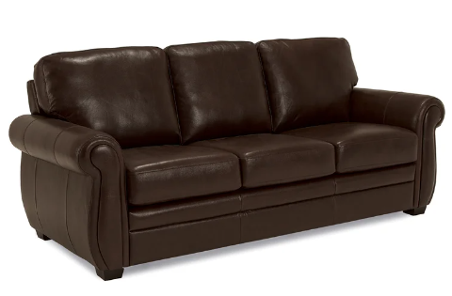

Flow
Is the temperature HOT or COLD

Is the dog in the area?
Is the dog in the area?

 |  | HOT | COLD
No | Yes |  |  | Yes | No

Turn on the FAN
Turn on the HEATING PAD

After 30 minutes turn off the FAN
After 30 minutes turn off the HEATING PAD

Menu
 | Up

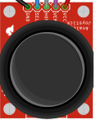

Push Button
Left |  | Right

 | Down

 | Starts automated program |  | Increase | Increase | Turns on Heat

OFF {blank screen}
Cooling temperature
Heating temperature
Push Button

 | Turn off the device |  | Decrease | Decrease | Turns on Fan

