Ie_tuning
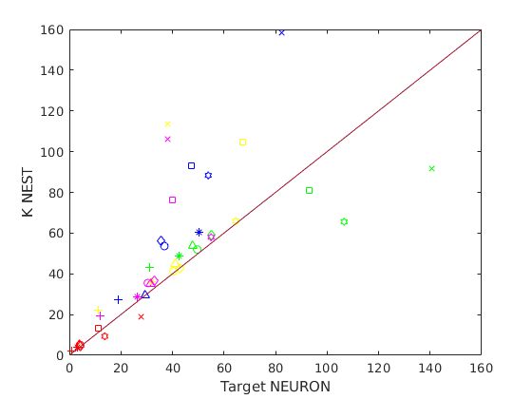
Z+ and Z- properties | Z+ | Z-
Ie [pA] (model E-GLIF, Geminiani et al., 2018) | 176,26 | 742,543
f autorhythm [Hz] in NEST | 39 ± 1 | 86 ± 1
f [Hz] in rete NEST | 41 ± 2 | 91 ± 4

Fitting Ie-f:
Ie = [100 200 300 400]
f = [30.8 38.7 47.36 55.7] | resulting delta f: 47,27

