Plays


2017-06-23 | N1 | N2 | N3 | N4 | N5 | N6 | N7 | B
Play 1 | 04 | 15 | 28 | 30 | 33 | 38 | 42
Play 2 | 05 | 07 | 13 | 29 | 32 | 34 | 45
Play 3 | 01 | 04 | 09 | 11 | 23 | 25 | 49
Draw | 02 | 03 | 06 | 22 | 24 | 42 | 46 | 27
Matches | 0 | 0 | 0 | 0 | 0 | 0 | 0 | 0

2017-06-30 | N1 | N2 | N3 | N4 | N5 | N6 | N7 | B
Play 1 | 10 | 15 | 22 | 32 | 36 | 41 | 42
Play 2 | 01 | 17 | 25 | 26 | 28 | 32 | 41
Play 3 | 06 | 15 | 16 | 25 | 28 | 33 | 45
Draw | 07 | 24 | 26 | 36 | 37 | 43 | 44 | 03
Matches | 0 | 0 | 0 | 0 | 0 | 0 | 0 | 0

2017-07-07 | N1 | N2 | N3 | N4 | N5 | N6 | N7 | B
Play 1 | 08 | 13 | 14 | 16 | 26 | 39 | 48
Play 2 | 03 | 04 | 09 | 21 | 25 | 27 | 36
Play 3 | 06 | 14 | 18 | 23 | 32 | 43 | 47
Draw | 04 | 08 | 13 | 16 | 26 | 33 | 38 | 10
Matches | 0 | 0 | 0 | 1 | 1 | 0 | 0 | 2

2017-07-14 | N1 | N2 | N3 | N4 | N5 | N6 | N7 | B
Play 1 | 13 | 18 | 28 | 30 | 42 | 44 | 47
Play 2 | 02 | 10 | 22 | 24 | 37 | 40 | 46
Play 3 | 03 | 14 | 28 | 29 | 40 | 45 | 49
Draw | 02 | 04 | 11 | 17 | 26 | 41 | 42 | 44
Matches | 1 | 0 | 0 | 0 | 0 | 0 | 0 | 1

2017-07-21 | N1 | N2 | N3 | N4 | N5 | N6 | N7 | B
Play 1 | 21 | 25 | 34 | 35 | 39 | 40 | 43
Play 2 | 09 | 13 | 18 | 26 | 30 | 31 | 37
Play 3 | 06 | 07 | 11 | 16 | 20 | 25 | 41
Draw | 02 | 11 | 12 | 25 | 33 | 39 | 44 | 08
Matches | 0 | 0 | 0 | 0 | 0 | 0 | 0 | 0

2017-07-28 | N1 | N2 | N3 | N4 | N5 | N6 | N7 | B
Play 1 | 03 | 07 | 35 | 38 | 39 | 40 | 47
Play 2 | 06 | 09 | 14 | 23 | 25 | 27 | 33
Play 3 | 10 | 16 | 35 | 41 | 42 | 43 | 45
Draw | 09 | 12 | 16 | 24 | 33 | 45 | 47 | 14
Matches | 0 | 0 | 0 | 0 | 0 | 0 | 1 | 1

2017-08-04 | N1 | N2 | N3 | N4 | N5 | N6 | N7 | B
Play 1 | 01 | 12 | 14 | 20 | 23 | 30 | 40
Play 2 | 08 | 15 | 21 | 25 | 41 | 42 | 45
Play 3 | 12 | 22 | 31 | 38 | 41 | 45 | 48
Draw | 01 | 04 | 11 | 17 | 27 | 36 | 37 | 47
Matches | 1 | 0 | 0 | 0 | 0 | 0 | 0 | 1

2017-08-11 | N1 | N2 | N3 | N4 | N5 | N6 | N7 | B
Play 1 | 03 | 06 | 07 | 09 | 11 | 12 | 41
Play 2 | 03 | 05 | 22 | 23 | 26 | 34 | 48
Play 3 | 16 | 18 | 20 | 35 | 37 | 42 | 44
Draw | 13 | 14 | 19 | 26 | 27 | 36 | 37 | 18
Matches | 0 | 0 | 0 | 0 | 0 | 0 | 0 | 0

2017-08-18 | N1 | N2 | N3 | N4 | N5 | N6 | N7 | B
Play 1 | 05 | 07 | 15 | 16 | 37 | 36 | 37
Play 2 | 06 | 09 | 12 | 25 | 28 | 42 | 46
Play 3 | 03 | 17 | 19 | 30 | 36 | 38 | 40
Draw | 02 | 09 | 13 | 16 | 25 | 26 | 45 | 19
Matches | 0 | 1 | 0 | 1 | 0 | 0 | 0 | 2

2017-08-25 | N1 | N2 | N3 | N4 | N5 | N6 | N7 | B
Play 1 | 21 | 22 | 24 | 29 | 36 | 49 | 43
Play 2 | 01 | 05 | 13 | 24 | 40 | 41 | 49
Play 3 | 10 | 15 | 20 | 21 | 38 | 39 | 41
Draw | 18 | 19 | 23 | 34 | 39 | 43 | 46 | 01
Matches | 0 | 0 | 0 | 0 | 0 | 0 | 0 | 0

2017-09-01 | N1 | N2 | N3 | N4 | N5 | N6 | N7 | B
Play 1 | 04 | 10 | 16 | 19 | 31 | 41 | 46
Play 2 | 02 | 09 | 10 | 29 | 31 | 33 | 42
Play 3 | 03 | 13 | 22 | 25 | 29 | 38 | 49
Draw | 01 | 07 | 18 | 28 | 31 | 39 | 48 | 00
Matches | 0 | 0 | 0 | 0 | 2 | 0 | 0 | 2

2017-09-08 | N1 | N2 | N3 | N4 | N5 | N6 | N7 | B
Play 1 | 03 | 04 | 18 | 22 | 37 | 39 | 47
Play 2 | 02 | 16 | 21 | 27 | 31 | 43 | 47
Play 3 | 11 | 16 | 24 | 31 | 37 | 40 | 42
Draw | 01 | 02 | 15 | 16 | 22 | 29 | 41 | 27
Matches | 0 | 0 | 0 | 0 | 0 | 0 | 0 | 0

2017-09-15 | N1 | N2 | N3 | N4 | N5 | N6 | N7 | B
Play 1 | 03 | 17 | 18 | 19 | 31 | 38 | 47
Play 2 | 18 | 26 | 27 | 33 | 41 | 43 | 47
Play 3 | 01 | 05 | 10 | 22 | 32 | 46 | 47
Draw | 15 | 20 | 24 | 30 | 39 | 44 | 46 | 22
Matches | 0 | 0 | 0 | 0 | 0 | 0 | 0 | 0

Rules
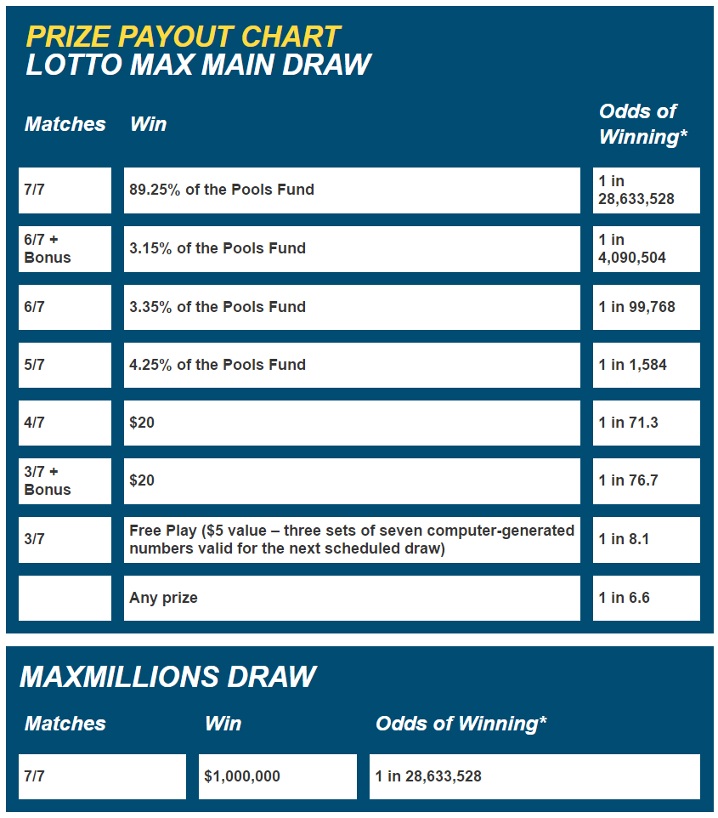
The LOTTO MAX Main Draw jackpot is estimated between $10 million and $60 million, and it grows until there’s a winner. Once the main jackpot reaches $50 million, additional $1 million MAXMILLIONS prizes will also be offered. Your three sets of numbers are eligible for both the LOTTO MAX Main Draw and all MAXMILLIONS Draw(s).

Example: If the jackpot prizes total $75 million, and the main jackpot is set at $60 million, your numbers give you the chance to win the LOTTO MAX Main Draw jackpot of $60 million, as well as 15 additional MAXMILLIONS Draws for $1 million each.

Seven numbers plus one bonus number are drawn during each Main Draw. One additional set of seven numbers are drawn for each MAXMILLIONS Draw.

