Primary metrics
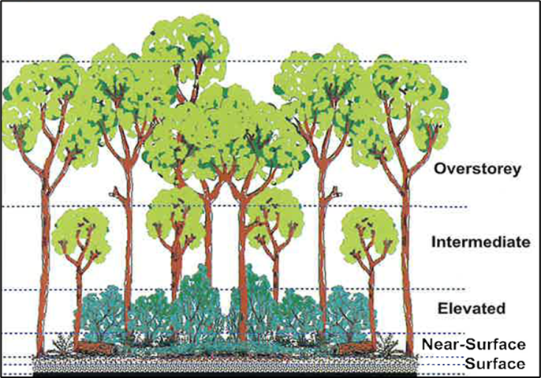
OzCBI - Primary Determinants (Avg for the majority in a 20m radius plot)
Measurements in 20m radius | Unburnt | Low | Medium | High | Very High
Canopy
Canopy crowns | >90% crown is intact | >90% crown is intact | >50% crown is intact | <25% crown is intact | >95% crown defoliated
% Cover post-fire leaf fall | n/a | n/a | n/a | 50 - 90% area | <20% area
Bark char on canopy trees | No fresh char | Char is 25% or less tree height | Char is 25 - 50% tree height | Char is 50 - 75% tree height | Char extends above 75% tree height
Midstorey (Intermediate)
Midstorey crowns | >90% crown is intact | >75% crown is intact | 25 - 75% crown is intact | <25% crown is intact | <5% crown is intact
Char on midstorey trees | No fresh char | Char is 50% or less tree height | Char is 75% or less tree height | Char ranges between 50 - 100% tree height | Char extends above 75% tree height
Elevated (tall shrubs/low trees)
Elevated crowns | >90% crown is intact | >25% crown is intact | 10 - 25% crown is intact | 5 - 10% crown may be intact | <5% crown is intact
Surface Fuels
Area unburnt | >75% area unburnt | <25% unburnt | >90% burnt | >90% burnt | >90% burnt
Duff remaining | Majority unchanged | Thin to deep char | 10 - 50% duff consumed | Some duff consumed, may only remain in depressions | Duff consumed or only remaining in depressions

 |  | Heath Primary Determinants (Avg for the majority in a 20m radius plot)
 |  | Measurements in 20m radius | Unburnt | Partial | Burnt
 |  | Emergent trees/shrubs | This layer may not be present
 |  | % Emergent crowns intact | >90% crown is intact | 25 - 90% crown has leaves (green or scorched) | leaves may be green or scorched
 |  | % Emergent crowns scorched | <10% crowns have scorch | 10 - 75% crowns have scorch | >90% crowns have scorch or no leaves
 |  | Resprouting on emergent trees/shrubs | No resprouting necessary | Some epicormics or coppice | Ground coppice or killed outright
 |  | Char on emergent trees/shrubs | No fresh char | Char is 25 - 50% height | Char is 75% or more height
 |  | Shrub layer >0.5m tall
 |  | % Shrub crowns intact | >90% crown is intact | 50 - 75% crown has leaves (green or scorched) | <25% crown has leaves (green or scorched)
 |  | % Shrub crowns scorched | <10% crowns have scorch | 10 - 75% crowns have scorch | >90% crowns have scorch or no leaves
 |  | Char on shrubs | No fresh char | Char is 50% or less shrub height | Char extends above 50% shrub height
 |  | Vegetation <0.5 m tall
 |  | Area unburnt | >50% area unburnt | 2 or more unburnt pockets | At most 1 pocket unburnt
 |  | Area bare | unchanged | 30 - 70% bare ground | >70% bare ground

