Network Diagram
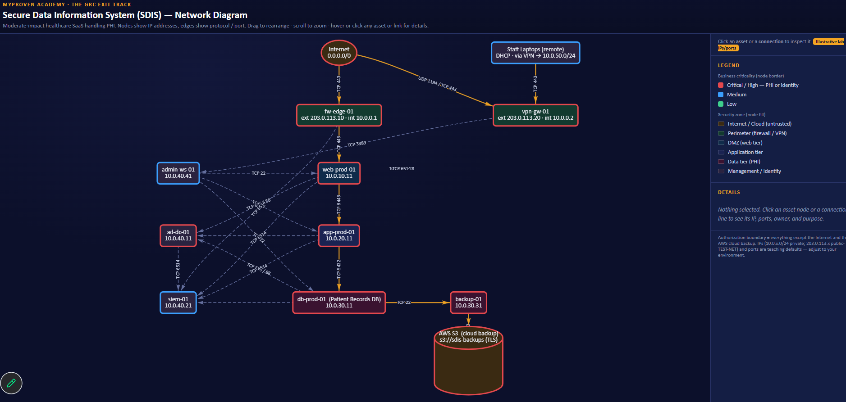
Network Diagram of the company

https://remarkable-pixie-c69108.netlify.app/

